Info
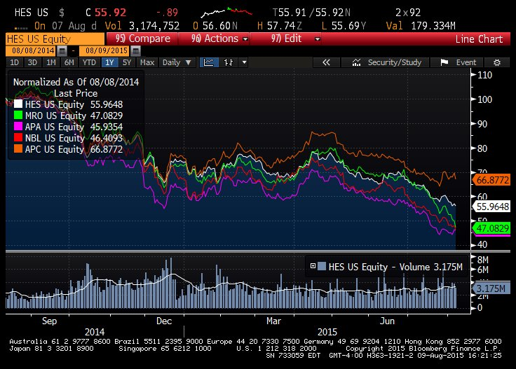
Competitors (size, revenue, past stock performance, M/A, etc)
Positive Catalysts
Negative factors
Insiders | recent all sells
Institutions | 86% to 89% from April
Analysts | PT 79
Earnings | -0.52 vs -0.70 est
Litigation?
Recent news

Plot vs SPX, beta | 1.32
volatility | 25% - 35%
Headquarter | NY, NY
Company history | 1919
main lines of business | exploration and production oil/gas
Supply chain
market cap | 16B
debt ratio over assets | 16%
default prob | 0.10%
Dividend | 1.79%
Next ER date | 2015-10-29
52 week L/H | 54 - 102
Upcoming events
employees | 3000
ER transcript
PE ratio

