Info
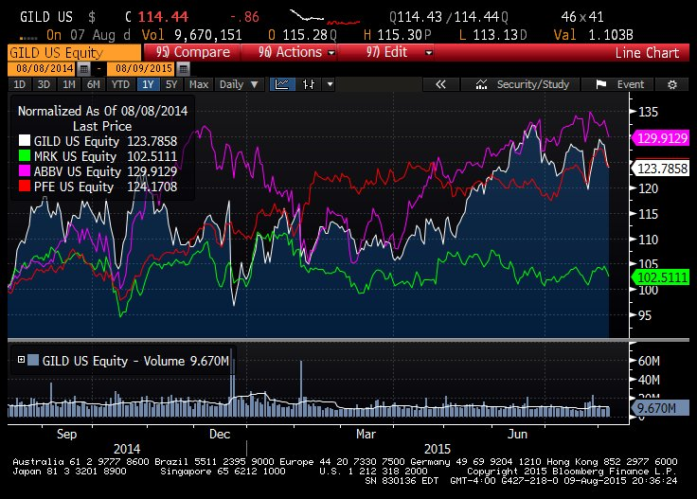
Competitors (size, revenue, past stock performance, M/A, etc) |  | merck 164B, abbvie 114B |  |  | Viekira Pak, the HCV drug from AbbVie
Positive Catalysts |  | Need to do research
Negative factors |  | litigation, buying wrong company
Insiders |  | mixed buy, most sell
Institutions |  | 90% to 96% from April
Analysts |  | 21/4/1, PT 128
Earnings |  | both beat
Litigation? |  | with merck and abbvie |  | http://www.fool.com/investing/general/2015/04/18/what-could-possibly-go-wrong-with-gilead-sciences.aspx
Recent news

Plot vs SPX, beta |  | 1
volatility |  | 25% - 30%
Headquarter |  | Foster City, CA
Company history |  | 1987; 28 years ago
main lines of business |  | HIV, liver, cardiovascular, respiratory |  |  |  | hepatitis C drugs Sovaldi and Harvoni | https://en.wikipedia.org/wiki/Gilead_Sciences contains products, pipelines information.
Supply chain
market cap |  | 167B | 10B cash
debt ratio over assets |  | 36%
default prob |  | 0.03%
Dividend |  | 1.50%
Next ER date |  | 2015-10-28
52 week L/H |  | 86, 123
Upcoming events |  | Need to do research
employees |  | 7000
ER transcript
P/E ratio |  | 10, 12

 | Balm of Gilead was a rare perfume used medicinally, that was mentioned in the Bible, and named for the region of Gilead where it was produced. The expression stems from William Tyndale's language in the King James Bible of 1611, and has come to signify a universal cure in figurative speech.

