Info
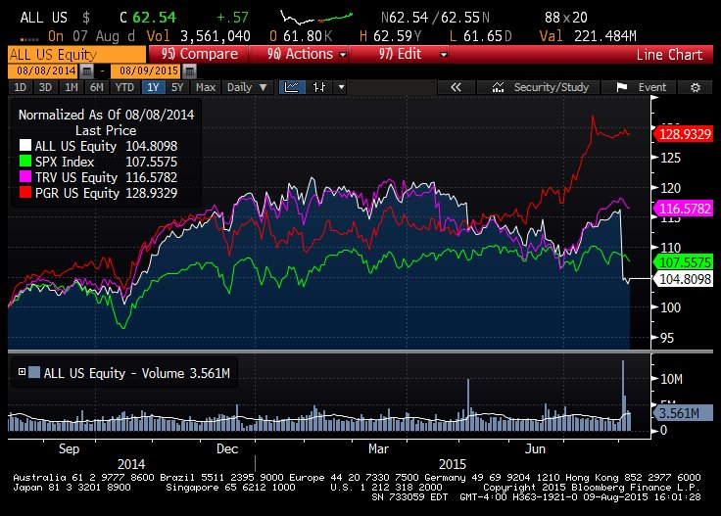
Competitors (size, revenue, past stock performance, M/A, etc) | geico, progressive 17B, state-farm (geico, state seems mutually owned), travelers 32B
Positive Catalysts
Negative factors
Insiders | mostly sell, president matthew bought 10K@66.50 on June 22
Institutions | 84%, stable
Analysts | 13/14/1, to downgrades, one upgrade, all to neutral, mean PT 69.89
Earnings | Q2 EPS 0.63 vs est. 0.96, sales 8.87B vs esti. 8.78B, Q3 expects 1.16 and 8.86B
Litigation? | retiree lawsuit, policy holder lawsuit
Recent news | price dropped from 69 to 62 on bad ER 8/3

Plot vs SPX, beta | 0.87
volatility | 15% - 18%, recently spike following bad ER
Headquarter | northbrook, IL (north to Chicago, by lake)
Company history | last 5 yrs, steady growth
main lines of business | 0.67 auto, 0.25 home, 0.2 life insurance
Supply chain
market cap | 25B
debt ratio over assets | 5%, no debt almost
default prob | 0
Dividend | 1.92%, progressive 2.24%
Next ER date | 2015-10-29
52 week L/H | 59-73
Upcoming events
employees | 39700
ER transcript
PE ratio | 13-16,lower than progressive 15-16

combined ratio | 89.7%, worst since 2011

 |  |  | million $
 | life | -29% | 134
 | auto | -58%
 | home | 86%
 | property & casualty | 15% | 467
 | catastrophe
 | Esurance | losing money, complete with GEICO, progressive on direct-to-consumer model

