Example Mind Map For Test Cases
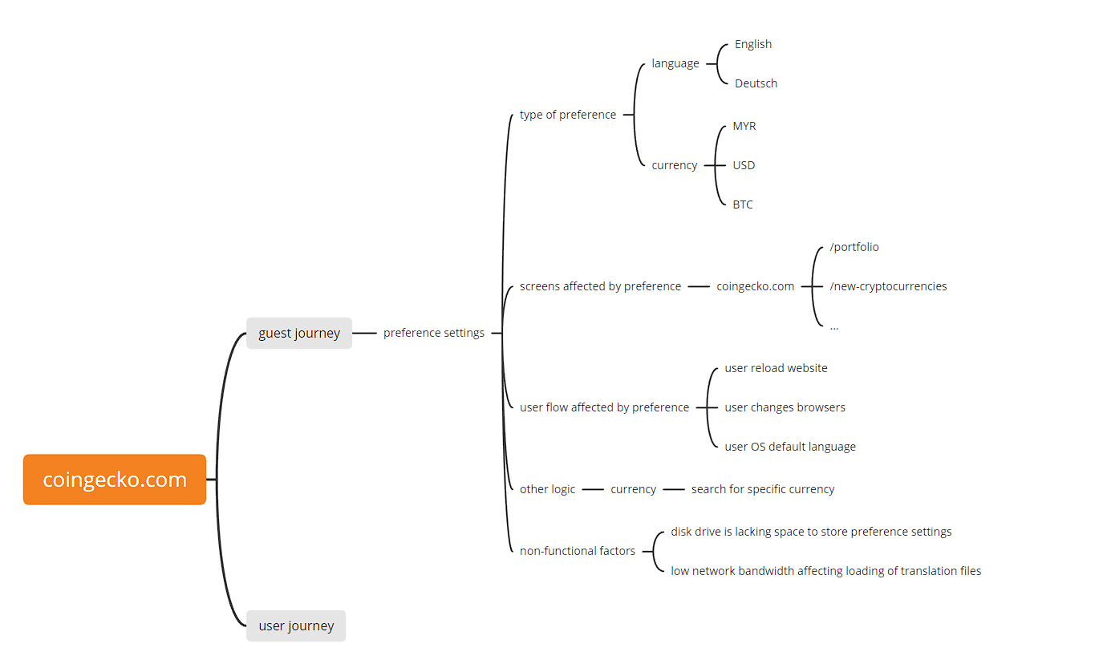
Some popular and free mindmap tools | https://gitmind.com/

Please expand your test cases based on your prepared mindmap. The mindmap is meant to provide a high level overview on the test coverage, in relation to the requirements.
Some requirements might be vague, or missing details. Feel free to make any assumptions or raise any questions. Do remember to list down your assumptions.

