ergm_statistics
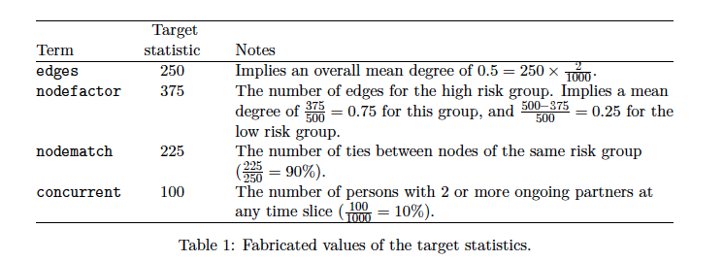
Risk groups |  |  |  | TR | HR | MR | LR | ALL | Target_edges | Node_factor_TR | Node_factor_HR | Node_factor_MR | Node_factor_LR
Proportion |  |  |  | 0.1 | 0.2 | 0.2 | 0.5 | 1
Population size |  |  |  | 200 | 400 | 400 | 1000 | 2000

Estimates from Weiss et al (2020) Egocentric sexual networks of men who have sex with men in the United States: Results from the ARTnet study
 | Mean | 95_LL | 95_UL
Overall mean degree | 1.19 | 1.16 | 1.23
Main mean degree | 0.45 | 0.43 | 0.47 |  |  |  |  |  | 450
Casual mean degree | 0.74 | 0.72 | 0.77 |  |  |  |  |  | 740

Estimates broadly informed by GSS
Overall mean degree | 8.3 |  |  | 46.3 | 8.3 | 4.2 | 2.2
70% of partnerships are main or casual | 5.81 |  |  | 32.41 | 5.81 | 2.94 | 1.54

Main mean degree (assumption) | 2.49 |  |  | 6.482 | 1.743 | 1.47 | 1.078 |  | 2490 | 1296.4 | 697.2 | 588 | 1078
Casual mean degree (assumption) | 3.32 |  |  | 25.928 | 4.067 | 1.47 | 0.66 |  | 3320 | 5185.6 | 1626.8 | 588 | 660

Assumes fewer partners are main partners than casual (30-40% of main+casual partnerships were main in Weiss 2020)

