WDC WD1600AAJS
WDC WD1600AAJS
PCA n_components | 8
KNN n_neighbors | 4 | picked largest out of multiple n's with same cv_errors, as larger n = less overfitting
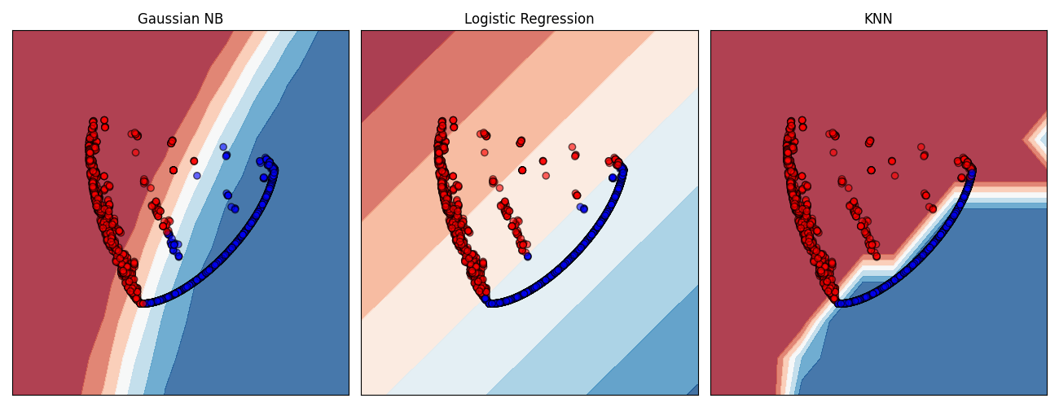

GNB AUC | 0.954
LogReg AUC | 0.981
KNN AUC | 1.000

2D PCA
PCA n_components | 2
KNN n_neighbors | 4

GNB AUC | 0.94
LogReg AUC | 0.978
KNN AUC | 0.998

Non-failures | 5001
Failures | 2

WDC_WD20EFRX
WDC_WD20EFRX
PCA n_components | 12
KNN n_neighbors | 1 | - overfitting, and given smote with low k_neighbors, pretty much all failures in train look identical to failures in test

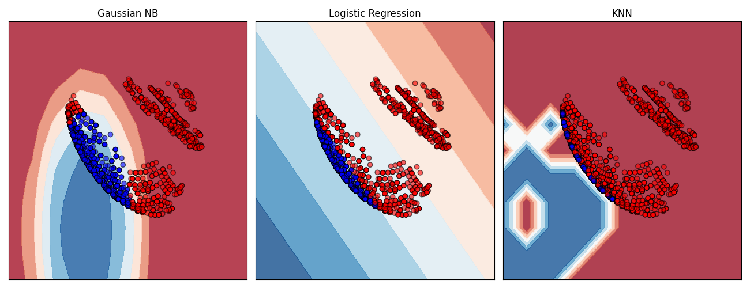
GNB AUC | 0.939
LogReg AUC | 0.865
KNN AUC | 0.999

2D PCA
PCA n_components | 2
KNN n_neighbors | 1

GNB AUC | 0.939
LogReg AUC | 0.865
KNN AUC | 0.999

Non-failures | 6868
Failures | 3

ST4000DX000
ST4000DX000
PCA n_components | 16
KNN n_neighbors | 8 | picked largest out of multiple n's with same cv_errors, as larger n = less overfitting
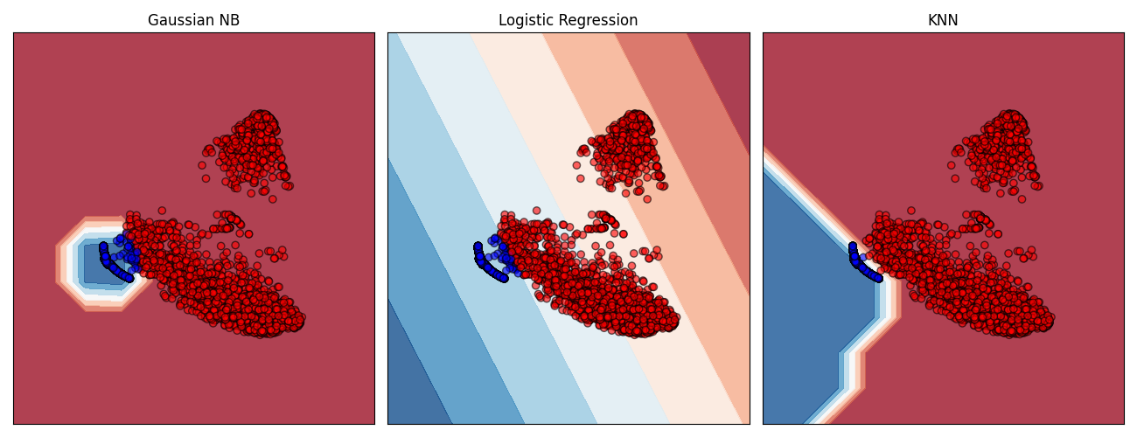

GNB AUC | 1.000
LogReg AUC | 0.997
KNN AUC | 1.000

2D PCA
PCA n_components | 2
KNN n_neighbors | 4

GNB AUC | 0.992
LogReg AUC | 0.993
KNN AUC | 1.000

Non-failures | 10845
Failures | 2

