fish(ニシン)
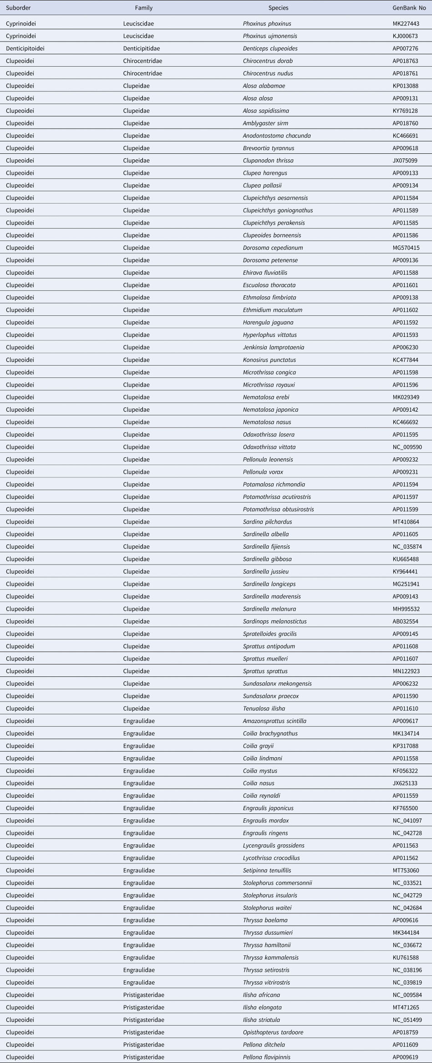

Cyprinoidei | Leuciscidae | Phoxinus phoxinus | MK227443
Cyprinoidei | Leuciscidae | Phoxinus ujmonensis | KJ006073
Denticiptoidei | Denticiptidae | Denticeps clupeoides | AP007276
Clupeoidei | Chirocentridae | Chirocentrus dorab | AP018763
Clupeoidei | Chirocentridae | Chirocentrus nudus | AP018761
Clupeoidei | Clupeidae | Alosa alabamae | KP013088
Clupeoidei | Clupeidae | Alosa alosa | AP009131
Clupeoidei | Clupeidae | Alosa sapidissima | KY769128
Clupeoidei | Clupeidae | Amblygaster sirm | AP018760
Clupeoidei | Clupeidae | Anodontostoma chacunda | KC466691
Clupeoidei | Clupeidae | Brevoortia tyrannus | AP009618
Clupeoidei | Clupeidae | Clupanodon thrissa | JX075099
Clupeoidei | Clupeidae | Clupea harengus | AP009133
Clupeoidei | Clupeidae | Clupea pallasii | AP009134
Clupeoidei | Clupeidae | Clupeichthys aesarnensis | AP011584
Clupeoidei | Clupeidae | Clupeichthys goniognathus | AP011589
Clupeoidei | Clupeidae | Clupeichthys perakensis | AP011585
Clupeoidei | Clupeidae | Clupeoides borneensis | AP011586
Clupeoidei | Clupeidae | Dorosoma cepedianum | MG570415
Clupeoidei | Clupeidae | Dorosoma petenense | AP009136
Clupeoidei | Clupeidae | Ehirava fluviatilis | AP011588
Clupeoidei | Clupeidae | Escualosa thoracata | AP011601
Clupeoidei | Clupeidae | Ethmalosa fimbriata | AP009138
Clupeoidei | Clupeidae | Etrumeus maculatus | AP011602
Clupeoidei | Clupeidae | Harengula jaguana | AP011592
Clupeoidei | Clupeidae | Hyperlophus vittatus | AP011593
Clupeoidei | Clupeidae | Jenkinsia lamprotaenia | AP006230
Clupeoidei | Clupeidae | Konosirus punctatus | KC477844
Clupeoidei | Clupeidae | Microthrissa congica | AP011598
Clupeoidei | Clupeidae | Microthrissa royauxi | AP011596
Clupeoidei | Clupeidae | Nematalosa erebi | MK029349
Clupeoidei | Clupeidae | Nematalosa japonica | AP009142
Clupeoidei | Clupeidae | Nematalosa nasus | KC466692
Clupeoidei | Clupeidae | Odaxothrissa losseni | AP011595
Clupeoidei | Clupeidae | Odaxothrissa vittata | NC_009590
Clupeoidei | Clupeidae | Pellonula leonensis | AP009232
Clupeoidei | Clupeidae | Pellonula vorax | AP009231
Clupeoidei | Clupeidae | Potamalosa richmondia | AP011594
Clupeoidei | Clupeidae | Potamothrissa acutirostris | AP011597
Clupeoidei | Clupeidae | Potamothrissa obtusirostris | AP011599
Clupeoidei | Clupeidae | Sardina pilchardus | MT410864
Clupeoidei | Clupeidae | Sardinella albella | AP011605
Clupeoidei | Clupeidae | Sardinella fijensis | NC_035874
Clupeoidei | Clupeidae | Sardinella gibbosa | KU665488
Clupeoidei | Clupeidae | Sardinella jussieu | KY964441
Clupeoidei | Clupeidae | Sardinella longiceps | MG251941
Clupeoidei | Clupeidae | Sardinella maderensis | AP009143
Clupeoidei | Clupeidae | Sardinella melanura | MH995532
Clupeoidei | Clupeidae | Sardinops melanostictus | AB033254
Clupeoidei | Clupeidae | Spratelloides gracilis | AP009145
Clupeoidei | Clupeidae | Sprattus antipodum | AP011608
Clupeoidei | Clupeidae | Sprattus muelleri | AP011607
Clupeoidei | Clupeidae | Sprattus sprattus | MN122923
Clupeoidei | Clupeidae | Sundasalanx mekongensis | AP006232
Clupeoidei | Clupeidae | Sundasalanx precox | AP011590
Clupeoidei | Clupeidae | Tenualosa ilisha | AP011610
Clupeoidei | Engraulidae | Amazonsprattus scintilla | AP009617
Clupeoidei | Engraulidae | Coilia brachygnathus | MK134741
Clupeoidei | Engraulidae | Coilia grayii | KP317088
Clupeoidei | Engraulidae | Coilia lindmani | AP011558
Clupeoidei | Engraulidae | Coilia mystus | KF065322
Clupeoidei | Engraulidae | Coilia nasus | JX625133
Clupeoidei | Engraulidae | Coilia reynaldi | AP011559
Clupeoidei | Engraulidae | Engraulis japonicus | KF755000
Clupeoidei | Engraulidae | Engraulis mordax | NC_041097
Clupeoidei | Engraulidae | Engraulis ringens | NC_042728
Clupeoidei | Engraulidae | Lycengraulis grossidens | AP011563
Clupeoidei | Engraulidae | Lycothrissa crocodilus | AP011562
Clupeoidei | Engraulidae | Setipinna tenuifilis | MT753060
Clupeoidei | Engraulidae | Stolephorus commersonnii | NC_033521
Clupeoidei | Engraulidae | Stolephorus insularis | NC_042729
Clupeoidei | Engraulidae | Stolephorus waitei | NC_042684
Clupeoidei | Engraulidae | Thryssa baelama | AP009416
Clupeoidei | Engraulidae | Thryssa dussumieri | MK344184
Clupeoidei | Engraulidae | Thryssa hamiltonii | NC_036672
Clupeoidei | Engraulidae | Thryssa kammalensis | KU761588
Clupeoidei | Engraulidae | Thryssa setiro
4o

https://www.cambridge.org/core/journals/journal-of-the-marine-biological-association-of-the-united-kingdom/article/comparative-analysis-of-the-complete-mitochondrial-genomes-of-two-species-of-clupeiformes-and-the-phylogenetic-implications-for-clupeiformes/D0C183E197126F93D63D95339AD27170

ウシ
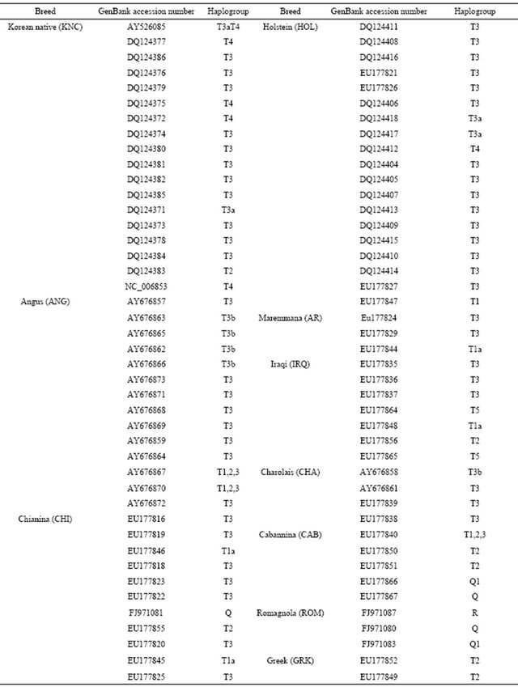

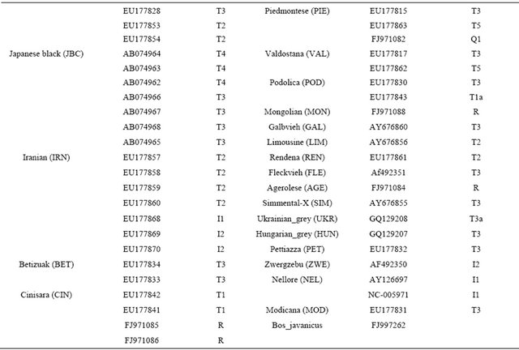

JX119192.1 | EFu | E. fuscguttatus | KX147236.1 | EMo | E. moara
HQ840452.1 | EHe | E. hexagonatus | KP009977.1 | EMo | E. moara
HQ840446.1 | EHe | E. hexagonatus | JQ518290.1 | EMo | E. moara
DQ067312.1 | EFu | E. fuscoguttatus | JX094008.1 | ECo | E. corallicola
AF297295.1 | ECi | E. cifuentesi | JN637834.1 | ECo | E. corallicola
AY947585.1 | ECa | E. caninus | LC127002.1 | EAr | E. areolatus
KC593373.1 | EEp | E. epistictus | KM077974.1 | ECo | E. coeruleopunctatus
DQ067306.1 | EAm | E. amblycephalus | AY947568.1 | ECo | E. corallicola
KM656827.1 | ELa | E. latifasciatus | DQ067303.2 | EMo | E. moara
KC480177.1 | ELa | E. latifasciatus | AF297314.1 | EAd | E. ascensionis
HQ840449.1 | EHe | E. hexagonatus | LC126985.1 | EBr | E. bruneus
DQ088044.1 | ELa | E. latifasciatus | LC126984.1 | EBr | E. bruneus
HQ840444.1 | EHe | E. hexagonatus | HQ840447.1 | EBr | E. bruneus
KM656834.1 | ESu | E. summana | KF556648.1 | EBl | E. bleekeri
KT835676.1 | ELa | E. latifasciatus | LC126988.1 | ECh | E. chlorostigma
DQ154106.1 | EHa | E. hexagonatus | KM077972.1 | EAr | E. areolatus
KM656824.1 | ECh | E. chabaudi | KC593374.1 | EAr | E. areolatus
EF503629.1 | ECo | E. coeruleopunctatus | KC460808.1 | EAr | E. areolatus
KT835678.1 | EUn | E. undulosus | DQ088038.1 | EAr | E. areolatus
LC127006.1 | EPo | E. poecilontotus | LC127001.1 | EAr | E. areolatus

https://www.scirp.org/journal/paperinformation?paperid=29004

fish（ハタ）
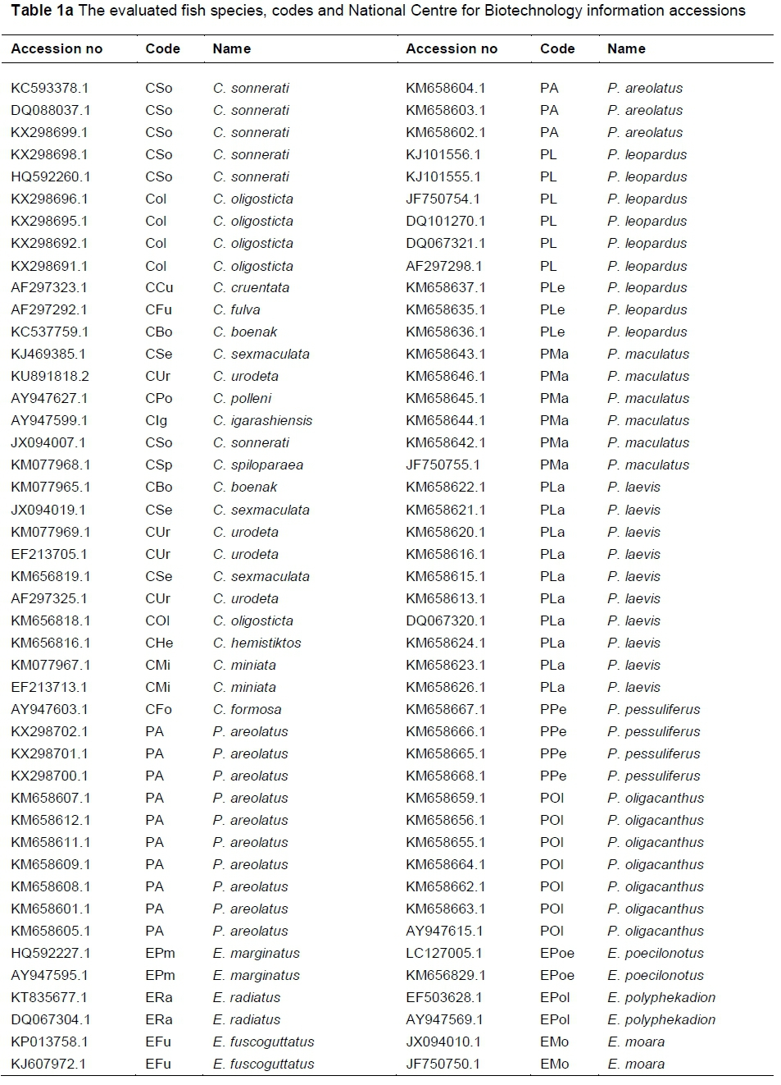

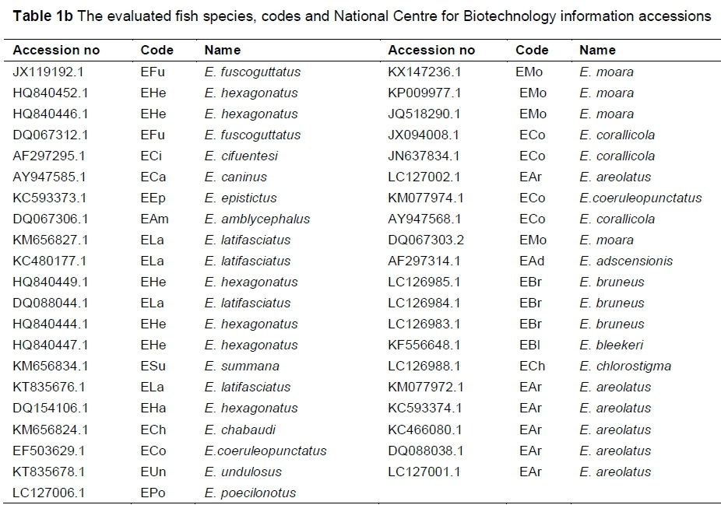

KC593378.1
DQ088037.1
KX298699.1
KX298698.1
HO592260.1
KX298696.1
KX298695.1
KX298692.1
KX298691.1
AF297323.1
AF297292.1
KC537759.1
KJ469385.1
KU891818 2
AY947627.1
AY947599.1
JX094007.1
KM077968.1
KM077965.1
JX094019.1
KM077969.1
EF213705.1
KM656819.1
AF297325 1
KM656818.1
KM656816.1
KM077967.1
EF213713.1
AY947603.1
KX298702.1
KX298701.1
KX298700.1
KM658607.1
KM658612.1
KM658611.1
KM658609.1
KM658608.1
KM658601.1
KM658605.1
HQ592227.1
AY947595.1
KT835677.1
DQ067304.1
KP013758.1
KJ607972.1
KM658604.1
KM658603.1
KM658602.1
KJ101556.1
KJ101555.1
JF750754.1
DQ101270.1
DQ067321.1
AF297298.1
KM658637.1
KM658635.1
KM658636.1
KM658643.1
KM658646.1
KM658645.1
KM658644.1
KM658642.1
JF750755.1
KM658622.1
KM658621.1
KM658620.1
KM658616.1
KM658615.1
KM658613.1
DQ067320.1
KM658624.1
KM658623.1
KM658626.1
KM658667.1
KM658666.1
KM658665.1
KM658668.1
KM658659.1
KM658656.1
KM658655.1
KM658664.1
KM658662.1
KM658663.1
AY947615.1
LC127005.1
KM656829.1
EF503628.1
AY947569.1
JX094010.1
JF750750.1
JX119192.1
HQ840452.1
HQ840446.1
DQ067312.1
AF297295.1
AY947585.1
KC593373.1
DQ067306.1
KM656827.1
KC480177.1
HQ840449.1
DQ088044.1
HQ840444.1
HQ840447.1
KM656834.1
KT835676.1
DQ154106.1
KM656824.1
EF503629.1
KT835678.1
LC127006.1
KX147236.1
KP009977.1
JQ518290.1
JX094008.1
JN637834.1
C127002.1
KM077974.1
AY947568.1
DQ067303.2
AF297314.1
LC126985.1
LC126984.1
LC126983.1
KF556648.1
LC126988.1
KM077972.1
KC593374.1
KC466080.1
DQ088038.1
LC127001.1

file:///C:/Users/omino/Downloads/09t1b.pdf

昆虫
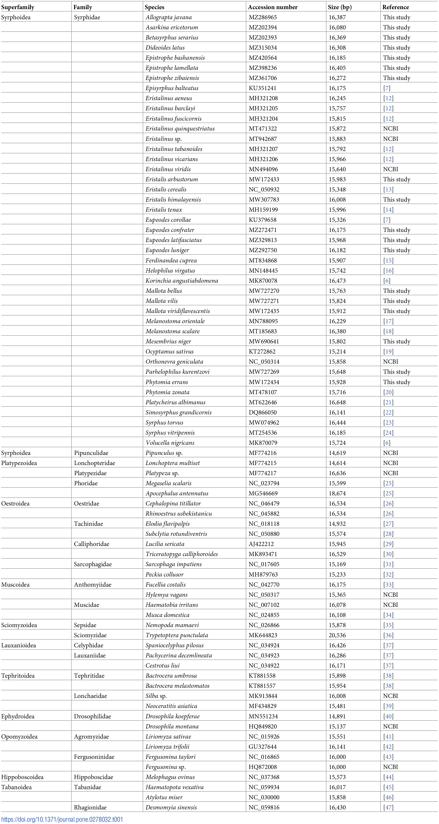

MZ286965
MZ202394
MZ202393
MZ315034
MZ420564
MZ398236
MZ361706
KU351241
MH321208
MH321205
MH321204
MT471322
MT942687
MH321207
MH321206
MN494096
MW172433
NC_050932
MW307783
MH159199
KU379658
MZ272471
MZ329813
MZ292750
MT834868
MN148445
MK870078
MW727270
MW727271
MW172435
MN788095
MT185683
MW690641
KT272862
NC_050314
MW727269
MW172434
MT478107
MT622646
DQ866050
MW074962
MT254536
MK870079
MF774216
MF774215
MF774217
NC 023794
MG546669
NC_046479
NC_045882
NC 018118
NC_050880
AJ422212
MK893471
NC_017605
MH879763
NC 042770
NC 050317
NC_007102
NC_024855
NC_026866
MK644823
NC 034924
NC_034923
NC_034922
KT881558
KT881557
MK913844
MF434829
MN551234
HQ849820
NC_015926
GU327644
NC 016865
HQ872008
NC_037368
NC 059934
NC 030000
NC_059816

