Bug report 1
Bug ID: | 1
Bug name: | Can't register with 9 digits mobile number
Description: | When we type in 9 digits phone number which is usual in state of Serbia we can't continue to end Student registration form succsessfully. Red margin and exclamation mark is visible on the label.
Steps to reproduce: | Open Google Chrome browser
 | Go to the following URL: "https://demoqa.com"
 | Click on "Forms" drop down menu
 | Click on "Practise Form" tab
 | Type in first name in the "First Name" label
 | Type in last name in the "Last Name" label
 | Type in email address in the "Email" label
 | Click on the "male" radio button in Gender area
Expected result: | Type in exactly 9 digit phone number in the "Mobile" label
Actual result: | Warning red margin and exclamation mark is visible on the label
Screenshot:

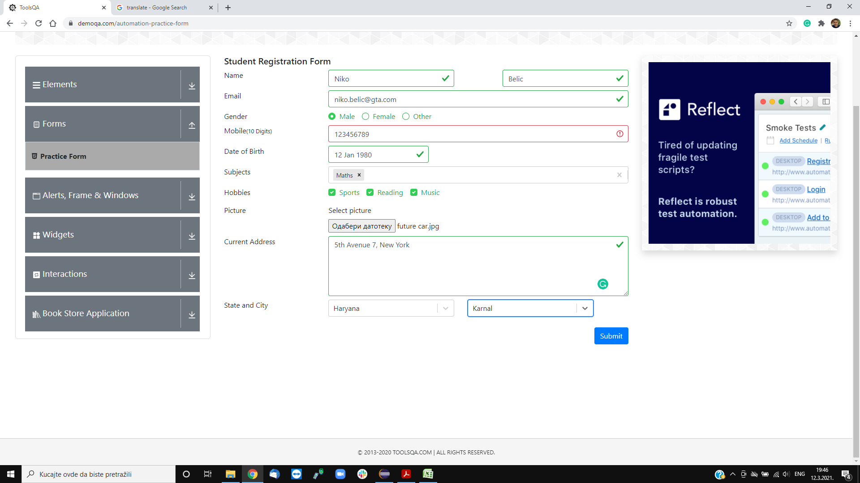

Assign to: | ESA Gaming
Repro rate: | 100%

Priority: | Low

Severity: | Low

Reporter: | Marko Miokovic

Bug Report 2
Bug ID: | 2
Bug name: | Date of birth is further than the current date
Description: | When we select year 2050 for example in calendar for date of birth while filling out Student registration form, we do not get warning or error message for that, and we can successfully finish registration with invalid date of birth
Steps to reproduce: | Open Google Chrome browser
 | Go to the following URL: "https://demoqa.com"
 | Click on "Forms" drop down menu
 | Click on "Practise Form" tab
 | Type in first name in the "First Name" label
 | Type in last name in the "Last Name" label
 | Type in email address in the "Email" label
 | Click on the "male" radio button in Gender area
 | Type in exactly 10 digit phone number in the "Mobile" label
 | Click on the date label in the "Date of birth" area
 | Click on the Month drop down menu
 | Click on the January in the drop down list
 | Click on the Year drop down menu
 | Click on the 2050 year in the drop down list
Expected result: | Error message "2050 year can't be selected as a date of birth"
Actual result: | 2050 year is successfully selected
Screenshot:

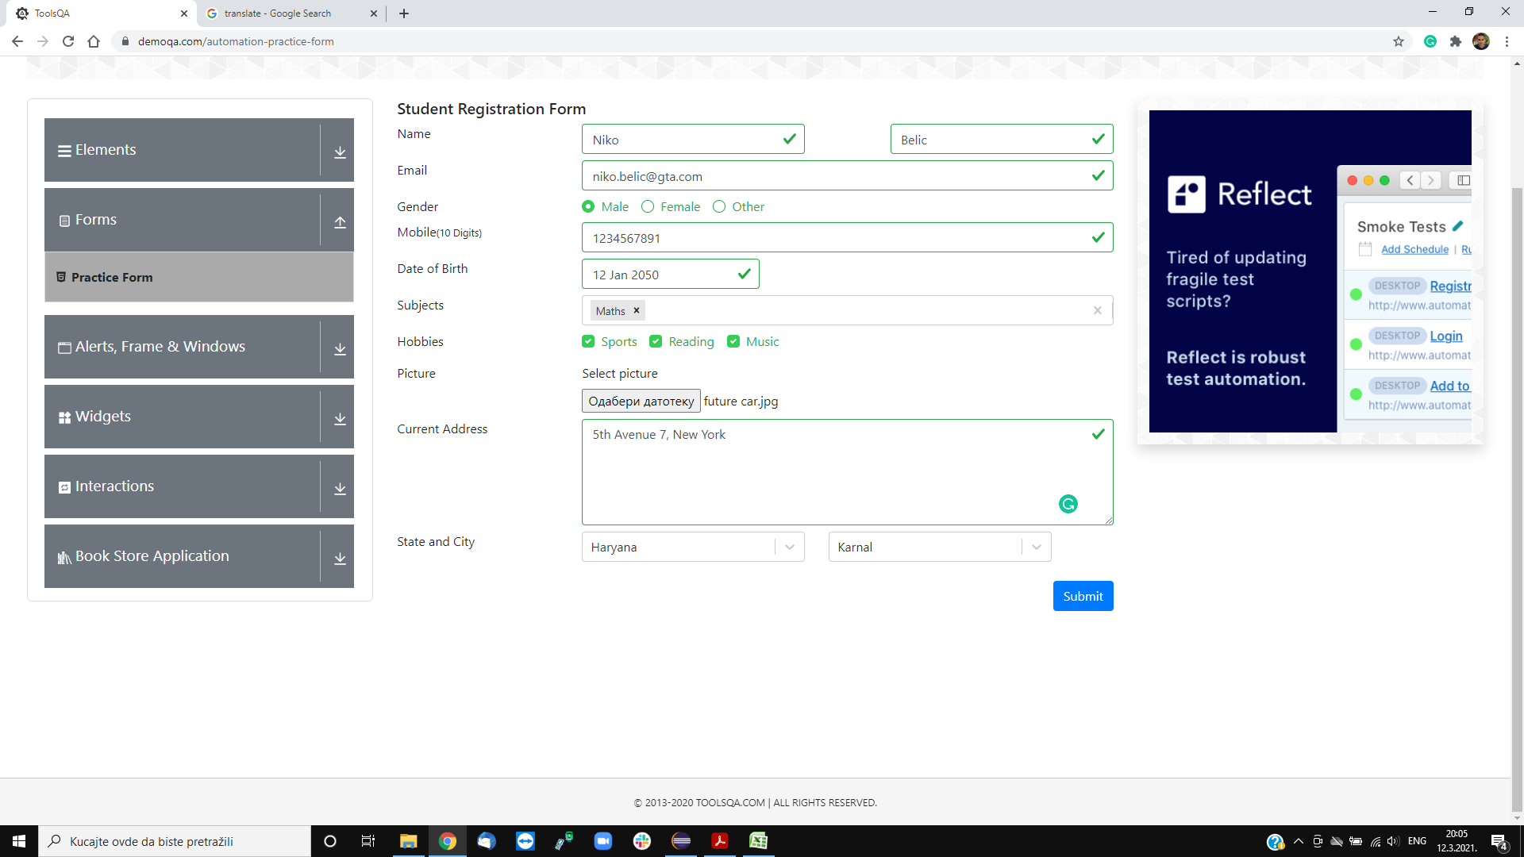

Assign to: | ESA Gaming
Repro rate: | 100%

Priority: | Low

Severity: | Low

Reporter: | Marko Miokovic

Bug report 3
Bug ID: | 3
Bug name: | Blanc screen when deleting one added subject in the label
Description: | When we add one subject in the subjects label, and want to delete it, if we delete subject with backspace or with small "x" icon in the upper right corner of the subject, the whole web page becomes blanc, and we need to refresh it ad start filling the Student registration form from the begining
Steps to reproduce: | Open Google Chrome browser
 | Go to the following URL: "https://demoqa.com"
 | Click on "Forms" drop down menu
 | Click on "Practise Form" tab
 | Type in first name in the "First Name" label
 | Type in last name in the "Last Name" label
 | Type in email address in the "Email" label
 | Click on the "male" radio button in Gender area
 | Type in exactly 10 digit phone number in the "Mobile" label
 | Click on the date label in the "Date of birth" area
 | Click on the Month drop down menu
 | Click on the January in the drop down list
 | Click on the Year drop down menu
 | Click on the 1980 year in the drop down list
 | Click on the "12" in the calendar
 | Type in correct subject name
 | Delete added subject with backspace button or click on the small "x" buuton in the right corner of the subject
Expected result: | Added one subject is successfully deleted, and we can now add other ones in the label
Actual result: | Whole web page becomes blanc, and has to be refreshed to be able to see it again
Screenshot:
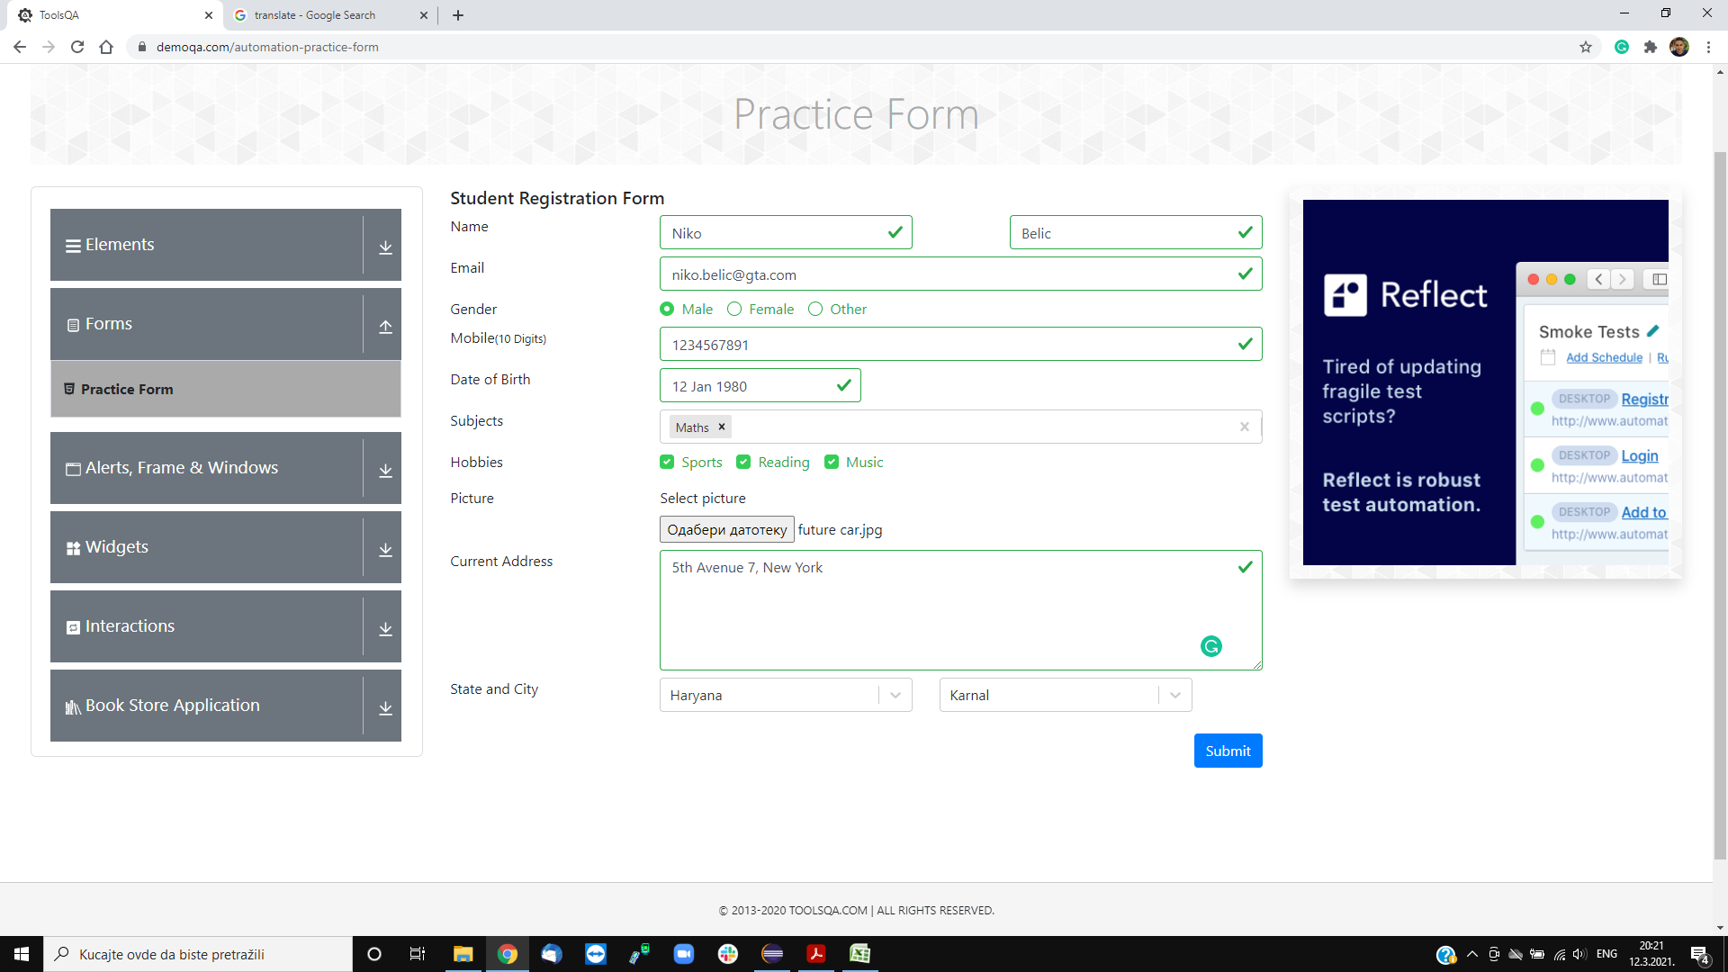


Assign to: | ESA Gaming

Repro rate: | 100%

Priority: | Low

Severity: | Low

Reporter: | Marko Miokovic

Bug report 4
Bug ID: | 4
Bug name: | Other format except picture format can be selected as a picture for upload
Description: | When we want to select picture for upload, and we choose another format for example ".txt", there is no warning or error message, and we can successfully upload not picture format.
Steps to reproduce: | Open Google Chrome browser
 | Go to the following URL: "https://demoqa.com"
 | Click on "Forms" drop down menu
 | Click on "Practise Form" tab
 | Type in first name in the "First Name" label
 | Type in last name in the "Last Name" label
 | Type in email address in the "Email" label
 | Click on the "male" radio button in Gender area
 | Type in exactly 10 digit phone number in the "Mobile" label
 | Click on the date label in the "Date of birth" area
 | Click on the Month drop down menu
 | Click on the January in the drop down list
 | Click on the Year drop down menu
 | Click on the 1980 year in the drop down list
 | Click on the "12" in the calendar
 | Type in correct subject name
 | Click on the Sports radio button in Hobbies area
 | Click on the Reading radio button in Hobbies area
 | Click on the Music radio button in Hobbies area
 | Click on the Select folder button in the Picture area
 | Click on the textual file
 | Click on the open button
Expected result: | Error message "Textual file can't be selected for a picture"
Actual result: | Textual file is uploaded succsessfully
Screenshot:

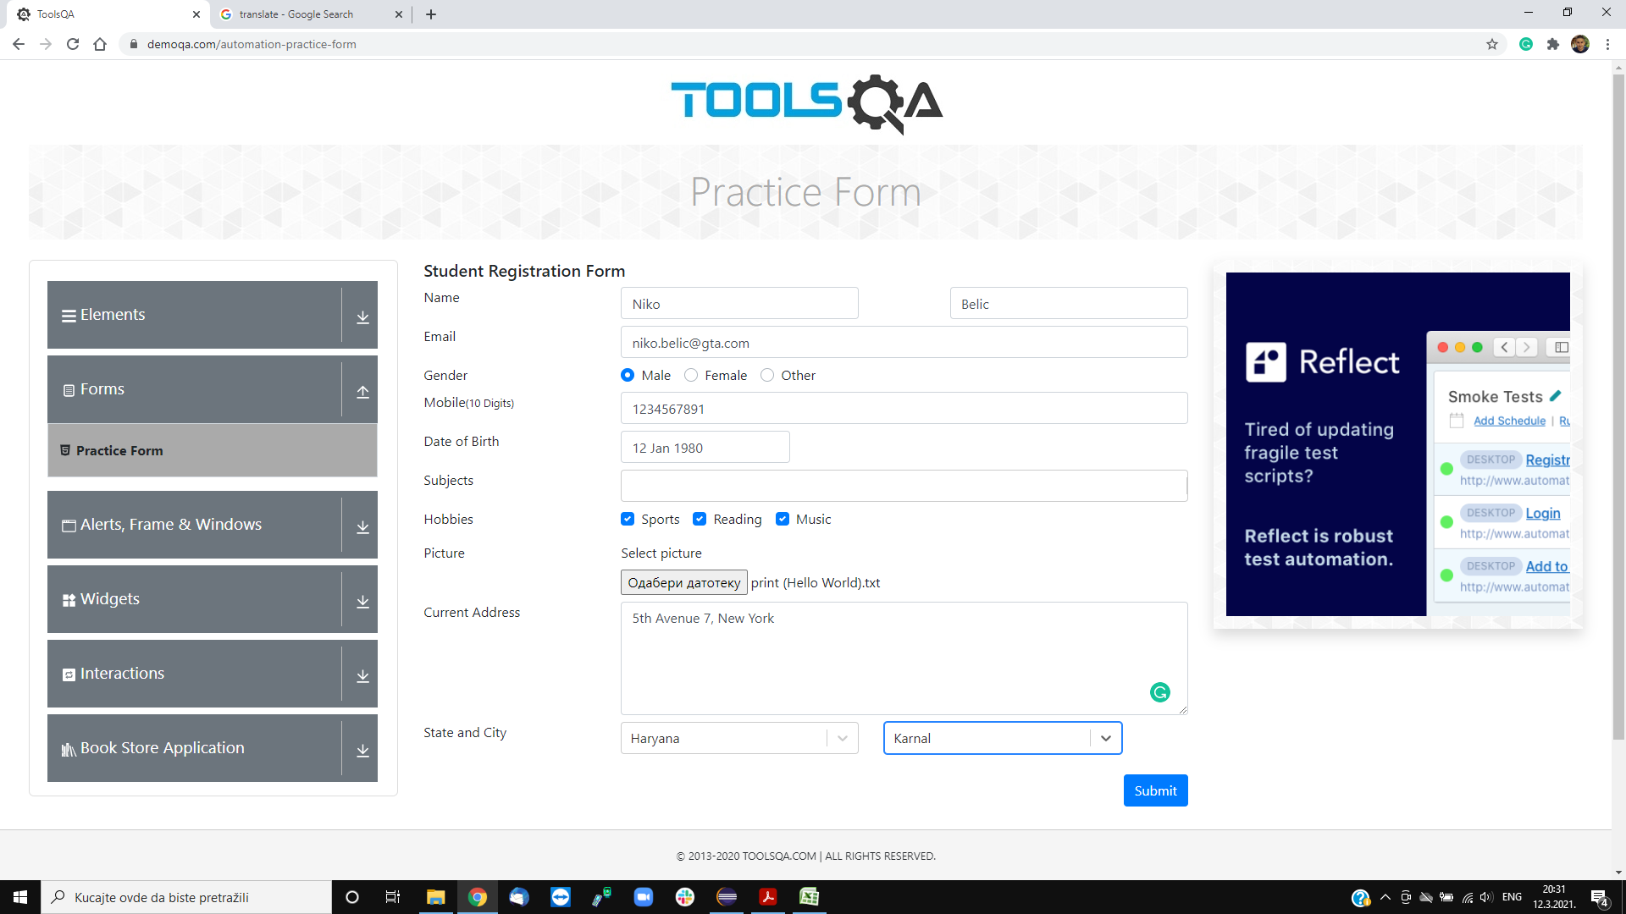

Assign to: | ESA Gaming

Repro rate: | 100%

Priority: | Low

Severity: | Low

Reporter: | Marko Miokovic

Bug report 5
Bug ID: | 5
Bug name: | After adding state and city, changing state will not automaticly reset city to choose from selected state
Description: | When we want to change added state, after we added state and a city in the "Select State" and "Select City" labels, if we change the state, city will still be selected and available from last selected state, and we can successfully finish Student registration form with invalid data.
Steps to reproduce: | Open Google Chrome browser
 | Go to the following URL: "https://demoqa.com"
 | Click on "Forms" drop down menu
 | Click on "Practise Form" tab
 | Type in first name in the "First Name" label
 | Type in last name in the "Last Name" label
 | Type in email address in the "Email" label
 | Click on the "male" radio button in Gender area
 | Type in exactly 10 digit phone number in the "Mobile" label
 | Click on the date label in the "Date of birth" area
 | Click on the Month drop down menu
 | Click on the January in the drop down list
 | Click on the Year drop down menu
 | Click on the 1980 year in the drop down list
 | Click on the "12" in the calendar
 | Type in correct subject name
 | Click on the Sports radio button in Hobbies area
 | Click on the Reading radio button in Hobbies area
 | Click on the Music radio button in Hobbies area
 | Click on the Select folder button in the Picture area
 | Click on the appropriate picture
 | Click on the open button
 | Type in the valid address in the "Current Address" text box
 | Click on the "Select State" drop down menu
 | Select "Haryana" from the drop down states list
 | Click on the "Select City" drop down menu
 | Select "Karnal" from the drop down cities list
 | Click on the "Select State" drop down menu
 | Select "Rajasthan" from the drop down states list
Expected result: | Rajasthan state is successfully selected, and "Select City" default text is in the city "Select City" label
Actual result: | "Karnal" is still selected as a city
Screenshot:

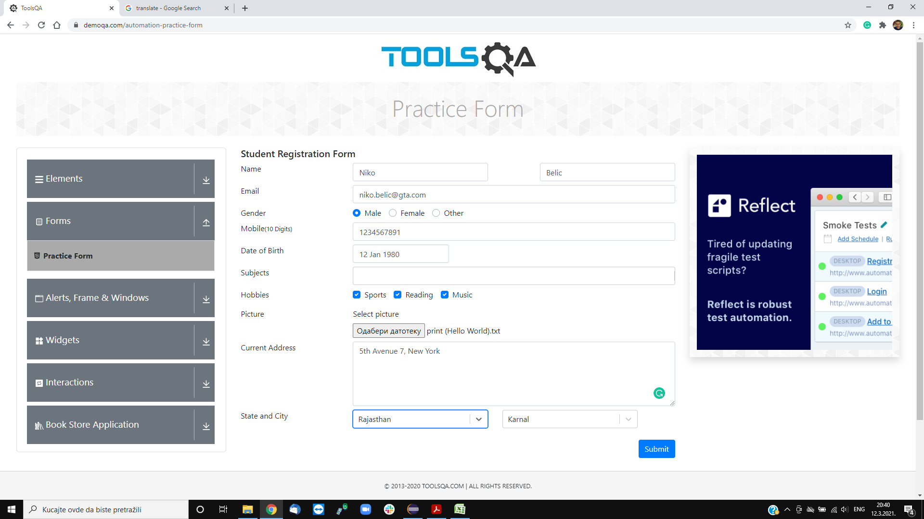

Assign to: | ESA Gaming

Repro rate: | 100%

Priority: | Low

Severity: | Low

Reporter: | Marko Miokovic

