Neural Network Parameters
Name of run, name of algorithm | Parameters of algorithm | Value | Test/Training Split | Precision/Class | Value | Confusion Matrix

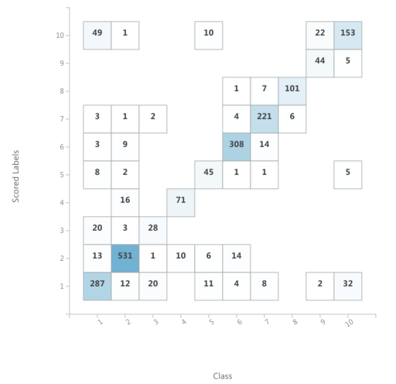
Neural Network Default Values | Hidden Nodes | 100 | 10-fold X-validation | Precision for Class "1" | 0.773417
Multi Class Neural Network | Learning Rate | 0.1 |  | Precision for Class "2" | 0.924275
 | Learning Iterations | 100 |  | Precision for Class "3" | 0.626667
Excercise: 4)a) "Parameters" | Initial learning weights diameter | 0.1 |  | Precision for Class "4" | 0.815274
 | Momentum | 0 |  | Precision for Class "5" | 0.732143
 | Normalization | Min-Max |  | Precision for Class "6" | 0.920841
 | Shuffle examples | FALSE |  | Precision for Class "7" | 0.925369
 | Random Number Seed | 42 |  | Precision for Class "8" | 0.923503
 |  |  |  | Precision for Class "9" | 0.92
 |  |  |  | Precision for Class "10" | 0.657024
 |  |  |  | meanPrecision | 0.821851
 |  |  |  | stdPrecision | 0.112

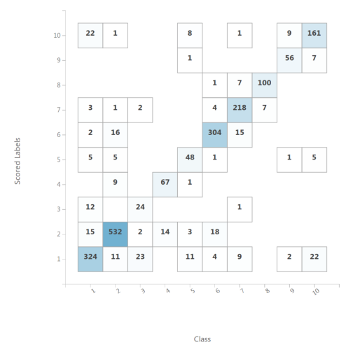
Neural Network Tuned Values | Hidden Nodes | 125 | 10-fold X-validation | Precision for Class "1" | 0.789396
Multi Class Neural Network | Learning Rate | 0.054096 |  | Precision for Class "2" | 0.914486
 | Learning Iterations | 363 |  | Precision for Class "3" | 0.720476
Excercise: 4)a) "Parameters" | Initial learning weights diameter | 0.1 |  | Precision for Class "4" | 0.84619
 | Momentum | 0.5 |  | Precision for Class "5" | 0.746389
 | Normalization | Min-Max |  | Precision for Class "6" | 0.895452
 | Shuffle examples | FALSE |  | Precision for Class "7" | 0.92034
 | Random Number Seed | 42 |  | Precision for Class "8" | 0.911355
 |  |  |  | Precision for Class "9" | 0.835354
 |  |  |  | Precision for Class "10" | 0.816687
 |  |  |  | meanPrecision | 0.839613
 |  |  |  | stdPrecision | 0.068104

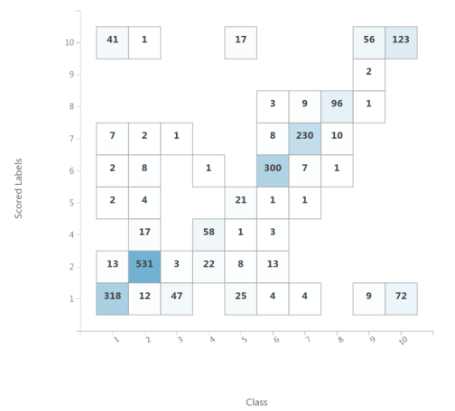
Neural Network Bad Values 1 | Hidden Nodes | 4 | 10-fold X-validation | Precision for Class "1" | 0.650047
Multi Class Neural Network | Learning Rate | 0.1 |  | Precision for Class "2" | 0.900285
bad parameter value: hidden nodes too low | Learning Iterations | 100 |  | Precision for Class "3" | 0
> even lower than amount of output classes | Initial learning weights diameter | 0.1 |  | Precision for Class "4" | 0.761825
 | Momentum | 0 |  | Precision for Class "5" | 0.584762
Excercise: 4)a) "Parameters" | Normalization | Min-Max |  | Precision for Class "6" | 0.93741
 | Shuffle examples | FALSE |  | Precision for Class "7" | 0.888398
 | Random Number Seed | 42 |  | Precision for Class "8" | 0.885119
 |  |  |  | Precision for Class "9" | 0.2
 |  |  |  | Precision for Class "10" | 0.5589
 |  |  |  | meanPrecision | 0.636675
 |  |  |  | stdPrecision | 0.30094

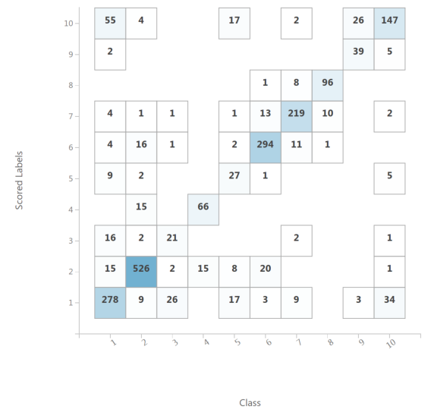
Neural Network Bad Values 2 | Hidden Nodes | 100 | 10-fold X-validation | Precision for Class "1" | 0.738954
Multi Class Neural Network | Learning Rate | 0.99999999 |  | Precision for Class "2" | 0.896405
bad parameter value: learning rate too high | Learning Iterations | 100 |  | Precision for Class "3" | 0.469087
> local minima problem | Initial learning weights diameter | 0.1 |  | Precision for Class "4" | 0.808669
 | Momentum | 0 |  | Precision for Class "5" | 0.675
Excercise: 4)a) "Parameters" | Normalization | Min-Max |  | Precision for Class "6" | 0.896238
 | Shuffle examples | FALSE |  | Precision for Class "7" | 0.868689
 | Random Number Seed | 42 |  | Precision for Class "8" | 0.917383
 |  |  |  | Precision for Class "9" | 0.858929
 |  |  |  | Precision for Class "10" | 0.594051
 |  |  |  | meanPrecision | 0.772341
 |  |  |  | stdPrecision | 0.142906

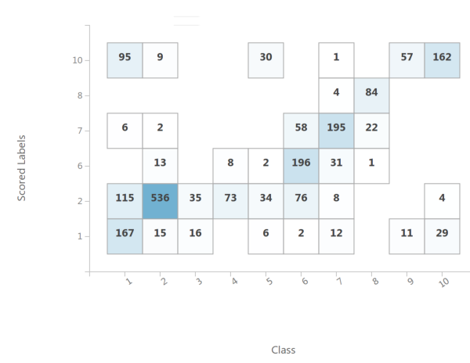
Neural Network Bad Values 3 | Hidden Nodes | 100 | 10-fold X-validation | Precision for Class "1" | 0.712124
Multi Class Neural Network | Learning Rate | 0.1 |  | Precision for Class "2" | 0.614628
bad parameter value: learning iterations too low | Learning Iterations | 3 |  | Precision for Class "3" | 0
> hardly any improvement | Initial learning weights diameter | 0.1 |  | Precision for Class "4" | 0
 | Momentum | 0 |  | Precision for Class "5" | 0
Excercise: 4)a) "Parameters" | Normalization | Min-Max |  | Precision for Class "6" | 0.810714
 | Shuffle examples | FALSE |  | Precision for Class "7" | 0.688626
 | Random Number Seed | 42 |  | Precision for Class "8" | 0.946389
 |  |  |  | Precision for Class "9" | 0
 |  |  |  | Precision for Class "10" | 0.473928
 |  |  |  | meanPrecision | 0.424641
 |  |  |  | stdPrecision | 0.365159

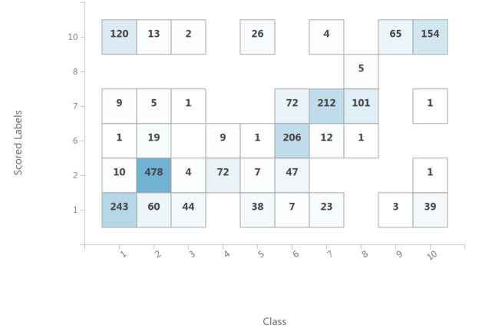
Neural Network Bad Values 4 | Hidden Nodes | 3 | 10-fold X-validation | Precision for Class "1" | 0.537006
Multi Class Neural Network | Learning Rate | 0.8 |  | Precision for Class "2" | 0.773863
a bad combination of the three factors above | Learning Iterations | 3 |  | Precision for Class "3" | 0
-> result even worse | Initial learning weights diameter | 0.1 |  | Precision for Class "4" | 0
 | Momentum | 0 |  | Precision for Class "5" | 0
Excercise: 4)a) "Parameters" | Normalization | Min-Max |  | Precision for Class "6" | 0.90676
 | Shuffle examples | FALSE |  | Precision for Class "7" | 0.531135
 | Random Number Seed | 42 |  | Precision for Class "8" | 0.1
 |  |  |  | Precision for Class "9" | 0
 |  |  |  | Precision for Class "10" | 0.398968
 |  |  |  | meanPrecision | 0.324773
 |  |  |  | stdPrecision | 0.332559

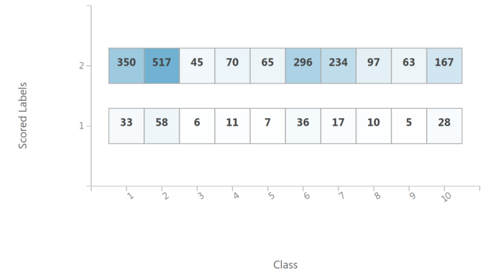
Neural Network Bad Values 5 | Hidden Nodes | 100 | 10-fold X-validation | Precision for Class "1" | 0.01564
Multi Class Neural Network | Learning Rate | 0.1 |  | Precision for Class "2" | 0.244369
no normalization used | Learning Iterations | 100 |  | Precision for Class "3" | 0
 | Initial learning weights diameter | 0.1 |  | Precision for Class "4" | 0
Excercise: 4)a) "Parameters" | Momentum | 0 |  | Precision for Class "5" | 0
 | Normalization | None |  | Precision for Class "6" | 0
 | Shuffle examples | FALSE |  | Precision for Class "7" | 0
 | Random Number Seed | 42 |  | Precision for Class "8" | 0
 |  |  |  | Precision for Class "9" | 0
 |  |  |  | Precision for Class "10" | 0
 |  |  |  | meanPrecision | 0.026001
 |  |  |  | stdPrecision | 0.072938

Neural Network Scaling
Name of run, name of algorithm | Parameters of algorithm | Value | Test/Training Split | Precision/Class | Value | Confusion Matrix

Neural Network Best From A) | Hidden Nodes | 125 | 10-fold X-validation | Precision for Class "1" | 0.789396
Multi Class Neural Network | Learning Rate | 0.054096 |  | Precision for Class "2" | 0.914486
 | Learning Iterations | 363 |  | Precision for Class "3" | 0.720476
Excercise: 4)a) "Parameters" | Initial learning weights diameter | 0.1 |  | Precision for Class "4" | 0.84619
 | Momentum | 0.5 |  | Precision for Class "5" | 0.746389
 | Normalization | Min-Max |  | Precision for Class "6" | 0.895452
 | Shuffle examples | FALSE |  | Precision for Class "7" | 0.92034
 | Random Number Seed | 42 |  | Precision for Class "8" | 0.911355
 |  |  |  | Precision for Class "9" | 0.835354
 |  |  |  | Precision for Class "10" | 0.816687
 |  |  |  | meanPrecision | 0.839613
 |  |  |  | stdPrecision | 0.068104

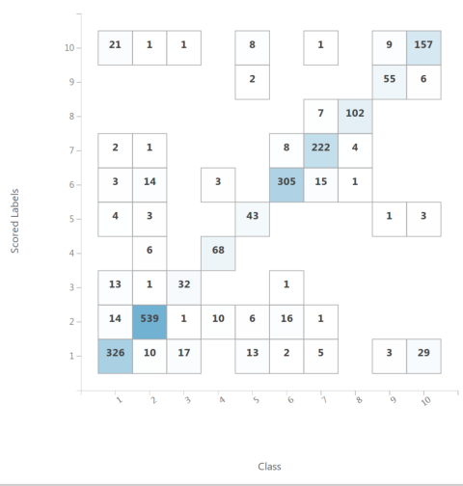
Neural Network Best Scaling | Hidden Nodes | 125 | 10-fold X-validation | Precision for Class "1" | 0.808169
Multi Class Neural Network | Learning Rate | 0.054096 |  | Precision for Class "2" | 0.918656
 | Learning Iterations | 363 |  | Precision for Class "3" | 0.742143
 | Initial learning weights diameter | 0.1 |  | Precision for Class "4" | 0.919689
 | Momentum | 0.5 |  | Precision for Class "5" | 0.807857
Excercise: 4)b) "Scaling" | Normalization | Min-Max |  | Precision for Class "6" | 0.897916
 | Shuffle examples | FALSE |  | Precision for Class "7" | 0.932791
Best found combination of scaling methods: | Random Number Seed | 42 |  | Precision for Class "8" | 0.932102
Normalization techniques used: |  |  |  | Precision for Class "9" | 0.851742
MinMax: LB, AC, UC, ASTV, MSTV, ALTV, MLTV, DL, DP, Width, Min, Max, Mode, Nmax, Nzeroes, Mean, Tendency, Median |  |  |  | Precision for Class "10" | 0.794738
LogNormal: Variance, DS_DR |  |  |  | meanPrecision | 0.86058
TanH: FM |  |  |  | stdPrecision | 0.065236

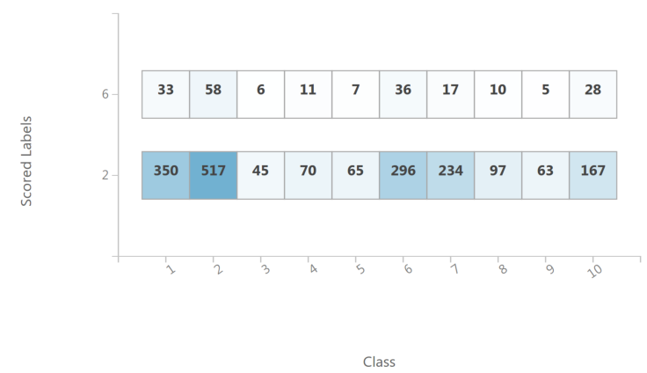
Neural Network No Scaling | Hidden Nodes | 125 | 10-fold X-validation | Precision for Class "1" | 0
Multi Class Neural Network | Learning Rate | 0.054096 |  | Precision for Class "2" | 0.244369
no scaling used for Neural Network | Learning Iterations | 363 |  | Precision for Class "3" | 0
 | Initial learning weights diameter | 0.1 |  | Precision for Class "4" | 0
 | Momentum | 0.5 |  | Precision for Class "5" | 0
Excercise: 4)b) "Scaling" | Normalization | Min-Max |  | Precision for Class "6" | 0.017062
 | Shuffle examples | FALSE |  | Precision for Class "7" | 0
 | Random Number Seed | 42 |  | Precision for Class "8" | 0
 |  |  |  | Precision for Class "9" | 0
 |  |  |  | Precision for Class "10" | 0
 |  |  |  | meanPrecision | 0.026143
 |  |  |  | stdPrecision | 0.07292

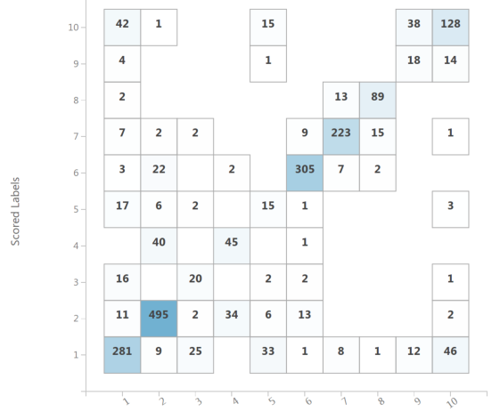
Neural Network Bad Scaling 1 | Hidden Nodes | 125 | 10-fold X-validation | Precision for Class "1" | 0.675894
Multi Class Neural Network | Learning Rate | 0.054096 |  | Precision for Class "2" | 0.880139
apply tanh transformation on all values instead | Learning Iterations | 363 |  | Precision for Class "3" | 0.466667
of min/max | Initial learning weights diameter | 0.1 |  | Precision for Class "4" | 0.508926
 | Momentum | 0.5 |  | Precision for Class "5" | 0.38881
Excercise: 4)b) "Scaling" | Normalization | Min-Max |  | Precision for Class "6" | 0.890859
 | Shuffle examples | FALSE |  | Precision for Class "7" | 0.861307
 | Random Number Seed | 42 |  | Precision for Class "8" | 0.868157
 |  |  |  | Precision for Class "9" | 0.570238
 |  |  |  | Precision for Class "10" | 0.573845
 |  |  |  | meanPrecision | 0.668484
 |  |  |  | stdPrecision | 0.182858


Neural Network Bad Scaling 2 | Hidden Nodes | 125 | 10-fold X-validation | Precision for Class "1" | 0.821178
Multi Class Neural Network | Learning Rate | 0.054096 |  | Precision for Class "2" | 0.909702
zscore normalization (zero mean/unit variance) | Learning Iterations | 363 |  | Precision for Class "3" | 0.677857
 | Initial learning weights diameter | 0.1 |  | Precision for Class "4" | 0.868498
 | Momentum | 0.5 |  | Precision for Class "5" | 0.606944
Excercise: 4)b) "Scaling" | Normalization | Min-Max |  | Precision for Class "6" | 0.917539
 | Shuffle examples | FALSE |  | Precision for Class "7" | 0.878456
 | Random Number Seed | 42 |  | Precision for Class "8" | 0.924048
 |  |  |  | Precision for Class "9" | 0.771429
 |  |  |  | Precision for Class "10" | 0.832347
 |  |  |  | meanPrecision | 0.8208
 |  |  |  | stdPrecision | 0.101123

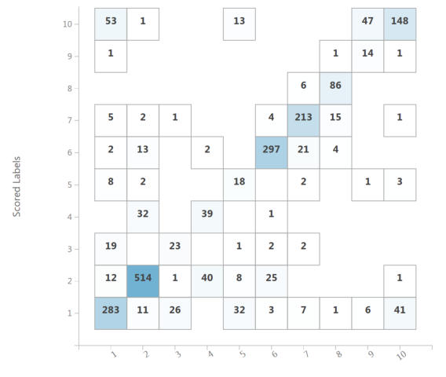
Neural Network Bad Scaling 3 | Hidden Nodes | 125 | 10-fold X-validation | Precision for Class "1" | 0.693091
Multi Class Neural Network | Learning Rate | 0.054096 |  | Precision for Class "2" | 0.854831
logistic normalization used | Learning Iterations | 363 |  | Precision for Class "3" | 0.507955
 | Initial learning weights diameter | 0.1 |  | Precision for Class "4" | 0.552695
Excercise: 4)b) "Scaling" | Momentum | 0.5 |  | Precision for Class "5" | 0.556667
 | Normalization | Min-Max |  | Precision for Class "6" | 0.875107
 | Shuffle examples | FALSE |  | Precision for Class "7" | 0.887718
 | Random Number Seed | 42 |  | Precision for Class "8" | 0.930909
 |  |  |  | Precision for Class "9" | 0.7
 |  |  |  | Precision for Class "10" | 0.572381
 |  |  |  | meanPrecision | 0.713135
 |  |  |  | stdPrecision | 0.153924

Neural Network TestTrainSplits
Name of run, name of algorithm | Parameters of algorithm | Value | Test/Training Split | Precision/Class | Value | Confusion Matrix

NN Best Result from B) with 10x | Hidden Nodes | 125 | 10-fold X-validation | Precision for Class "1" | 0.808169
Multi Class Neural Network | Learning Rate | 0.054096 |  | Precision for Class "2" | 0.918656
 | Learning Iterations | 363 |  | Precision for Class "3" | 0.742143
 | Initial learning weights diameter | 0.1 |  | Precision for Class "4" | 0.919689
 | Momentum | 0.5 |  | Precision for Class "5" | 0.807857
Excercise: 4)b) "Scaling" | Normalization | Min-Max |  | Precision for Class "6" | 0.897916
 | Shuffle examples | FALSE |  | Precision for Class "7" | 0.932791
Best found combination of scaling methods: | Random Number Seed | 42 |  | Precision for Class "8" | 0.932102
Normalization techniques used: |  |  |  | Precision for Class "9" | 0.851742
MinMax: LB, AC, UC, ASTV, MSTV, ALTV, MLTV, DL, DP, Width, Min, Max, Mode, Nmax, Nzeroes, Mean, Tendency, Median |  |  |  | Precision for Class "10" | 0.794738
LogNormal: Variance, DS_DR |  |  |  | meanPrecision | 0.86058
TanH: FM |  |  |  | stdPrecision | 0.065236

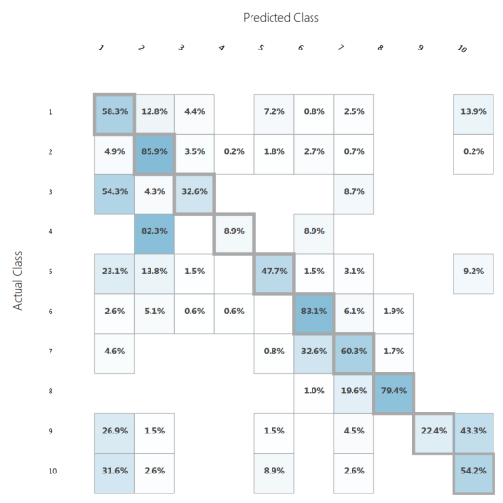
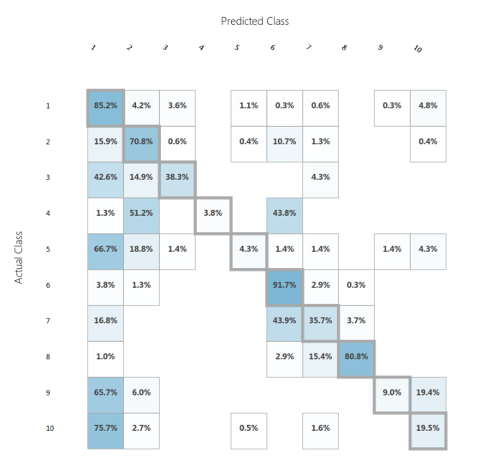
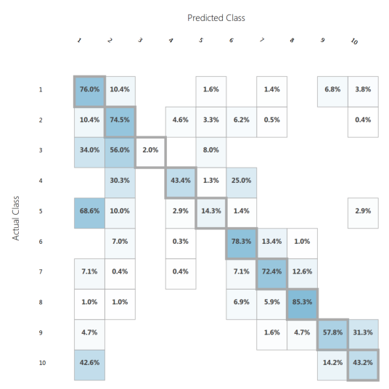
Training/Test split: 5% / 95% | Hidden Nodes | 125 | 5% / 95% | Run 1 Micro-avg. precision | 0.665505 | Run 2 Micro-avg. precision | 0.603783 | Run 3 Micro-avg. precision | 0.671976
Multi Class Neural Network | Learning Rate | 0.054096 |  | Run 1 Macro-avg. precision | 0.649982 | Run 2 Macro-avg. precision | 0.648341 | Run 3 Macro-avg. precision | 0.643175
 | Learning Iterations | 363
 | Initial learning weights diameter | 0.1
 | Momentum | 0.5
Excercise: 4)C) "Training / Test set splits" | Normalization | Min-Max
 | Shuffle examples | FALSE
 | Random Number Seed | 42

Normalization used as above

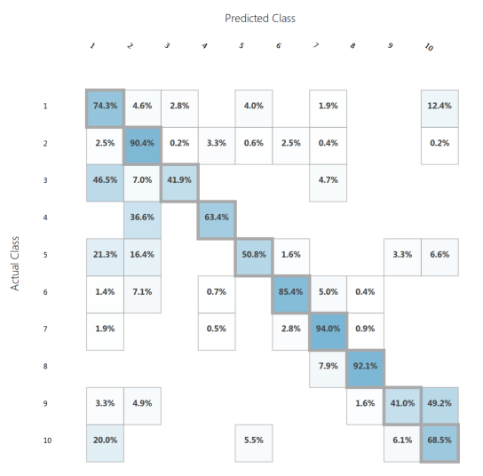
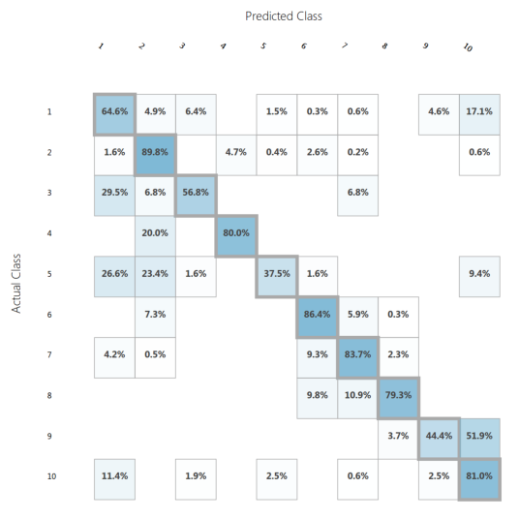
Training/Test split: 15% / 85% | Hidden Nodes | 125 | 15% / 85% | Run 1 Micro-avg. precision | 0.796997 | Run 2 Micro-avg. precision | 0.799778 | Run 3 Micro-avg. precision | 0.782536
Multi Class Neural Network | Learning Rate | 0.054096 |  | Run 1 Macro-avg. precision | 0.767398 | Run 2 Macro-avg. precision | 0.750672 | Run 3 Macro-avg. precision | 0.723784
 | Learning Iterations | 363
 | Initial learning weights diameter | 0.1
 | Momentum | 0.5
Excercise: 4)C) "Training / Test set splits" | Normalization | Min-Max
 | Shuffle examples | FALSE
 | Random Number Seed | 42

Normalization used as above

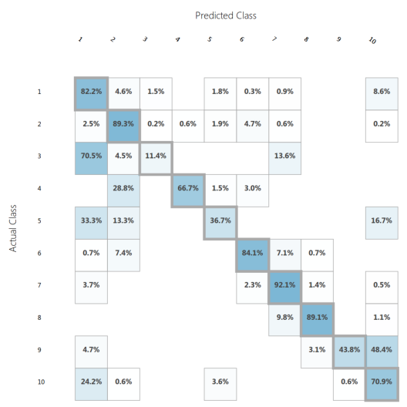
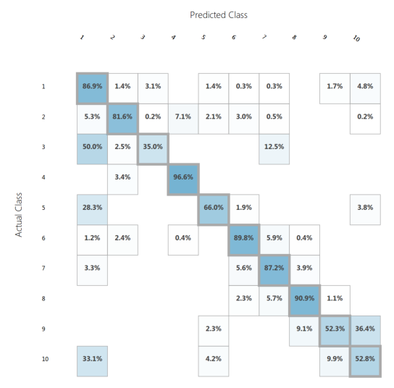
Training/Test split: 25% / 75% | Hidden Nodes | 125 | 25% / 75% | Run 1 Micro-avg. precision | 0.801387 | Run 2 Micro-avg. precision | 0.781211 | Run 3 Micro-avg. precision | 0.80517
Multi Class Neural Network | Learning Rate | 0.054096 |  | Run 1 Macro-avg. precision | 0.758399 | Run 2 Macro-avg. precision | 0.738575 | Run 3 Macro-avg. precision | 0.735617
 | Learning Iterations | 363
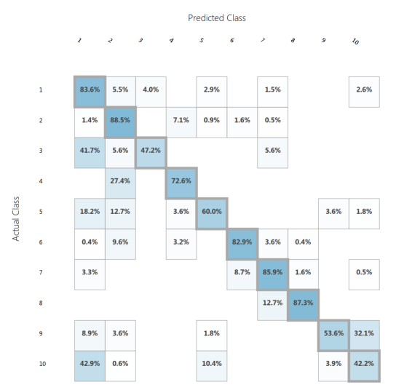
 | Initial learning weights diameter | 0.1
 | Momentum | 0.5
Excercise: 4)C) "Training / Test set splits" | Normalization | Min-Max
 | Shuffle examples | FALSE
 | Random Number Seed | 42

Normalization used as above

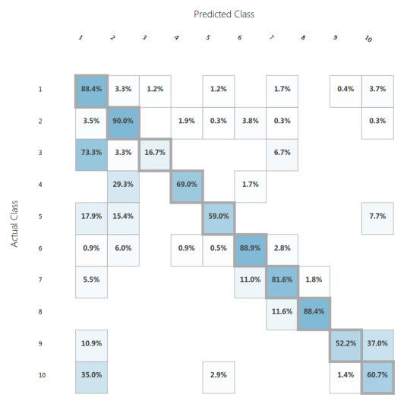
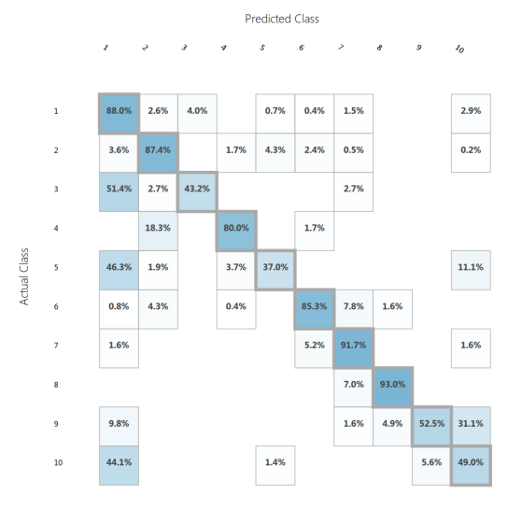
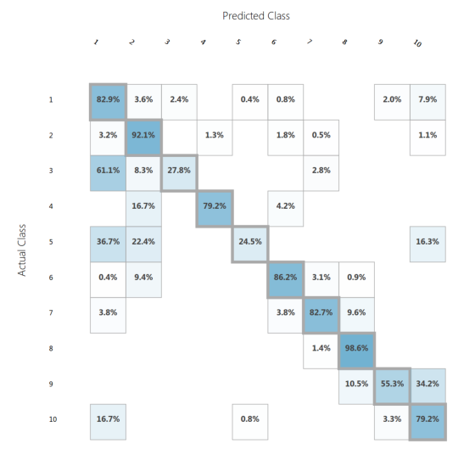
Training/Test split: 35% / 65% | Hidden Nodes | 125 | 35% / 65% | Run 1 Micro-avg. precision | 0.822545 | Run 2 Micro-avg. precision | 0.808727 | Run 3 Micro-avg. precision | 0.820364
Multi Class Neural Network | Learning Rate | 0.054096 |  | Run 1 Macro-avg. precision | 0.803835 | Run 2 Macro-avg. precision | 0.800677 | Run 3 Macro-avg. precision | 0.795512
 | Learning Iterations | 363
 | Initial learning weights diameter | 0.1
 | Momentum | 0.5
Excercise: 4)C) "Training / Test set splits" | Normalization | Min-Max
 | Shuffle examples | FALSE
 | Random Number Seed | 42

Normalization used as above

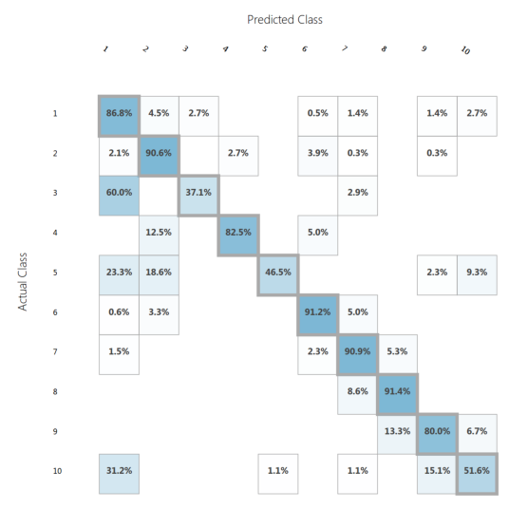
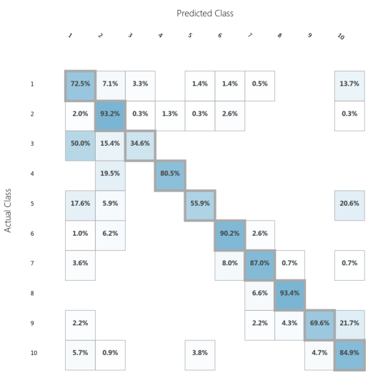
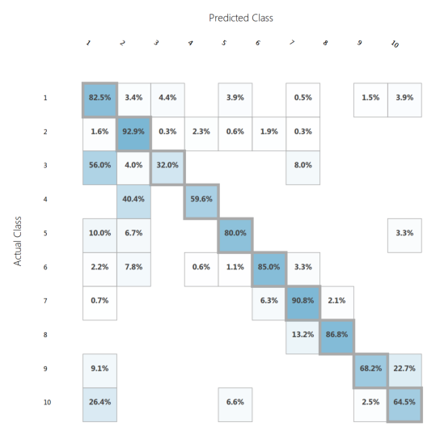
Training/Test split: 45% / 55% | Hidden Nodes | 125 | 45% / 55% | Run 1 Micro-avg. precision | 0.836629 | Run 2 Micro-avg. precision | 0.822872 | Run 3 Micro-avg. precision | 0.83147
Multi Class Neural Network | Learning Rate | 0.054096 |  | Run 1 Macro-avg. precision | 0.806466 | Run 2 Macro-avg. precision | 0.774976 | Run 3 Macro-avg. precision | 0.800611
 | Learning Iterations | 363
 | Initial learning weights diameter | 0.1
 | Momentum | 0.5
Excercise: 4)C) "Training / Test set splits" | Normalization | Min-Max
 | Shuffle examples | FALSE
 | Random Number Seed | 42

Normalization used as above

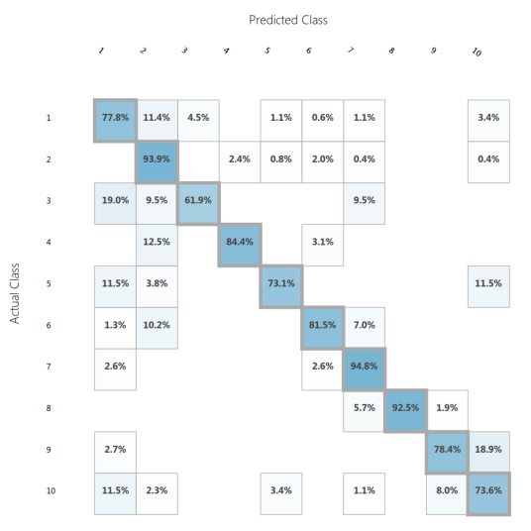
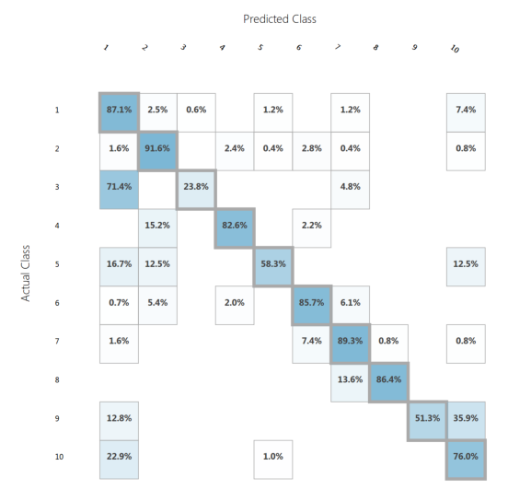
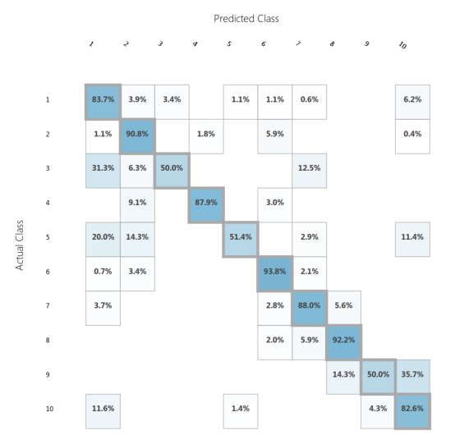
Training/Test split: 55% / 45% | Hidden Nodes | 125 | 55% / 45% | Run 1 Micro-avg. precision | 0.848739 | Run 2 Micro-avg. precision | 0.834034 | Run 3 Micro-avg. precision | 0.84979
Multi Class Neural Network | Learning Rate | 0.054096 |  | Run 1 Macro-avg. precision | 0.820939 | Run 2 Macro-avg. precision | 0.846246 | Run 3 Macro-avg. precision | 0.825259
 | Learning Iterations | 363
 | Initial learning weights diameter | 0.1
 | Momentum | 0.5
Excercise: 4)C) "Training / Test set splits" | Normalization | Min-Max
 | Shuffle examples | FALSE
 | Random Number Seed | 42

Normalization used as above

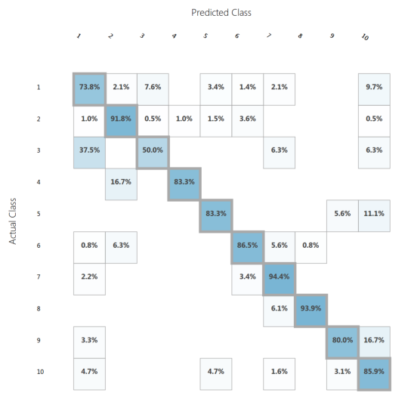
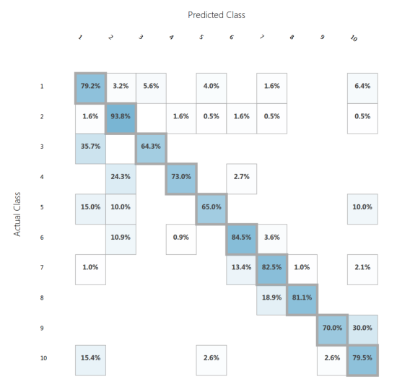
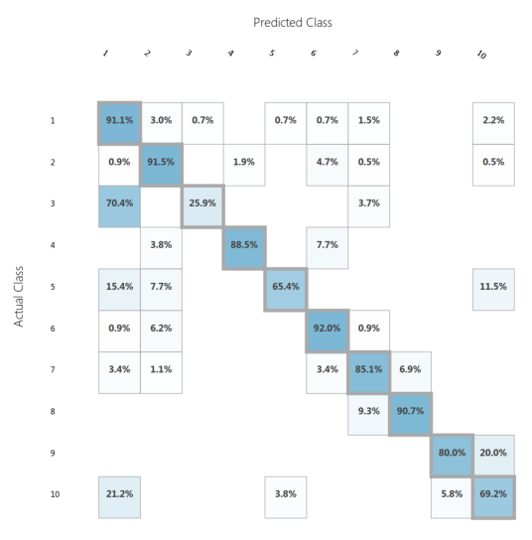
Training/Test split: 65% / 35% | Hidden Nodes | 125 | 65% / 35% | Run 1 Micro-avg. precision | 0.854054 | Run 2 Micro-avg. precision | 0.82973 | Run 3 Micro-avg. precision | 0.854054
Multi Class Neural Network | Learning Rate | 0.054096 |  | Run 1 Macro-avg. precision | 0.800648 | Run 2 Macro-avg. precision | 0.804236 | Run 3 Macro-avg. precision | 0.84923
 | Learning Iterations | 363
 | Initial learning weights diameter | 0.1
 | Momentum | 0.5
Excercise: 4)C) "Training / Test set splits" | Normalization | Min-Max
 | Shuffle examples | FALSE
 | Random Number Seed | 42

Normalization used as above

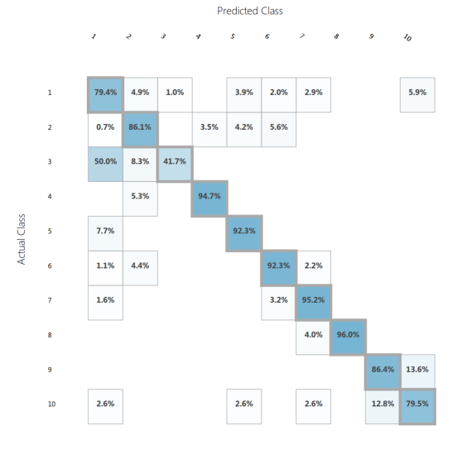
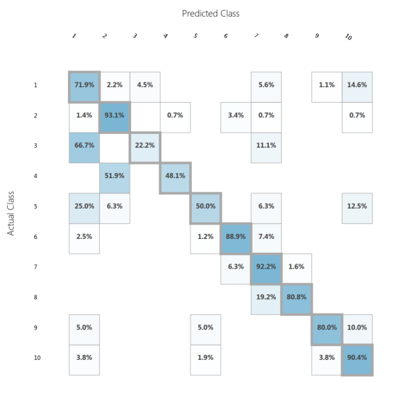
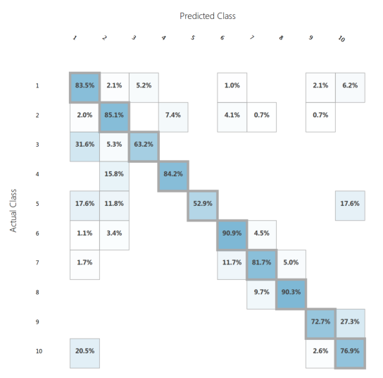
Training/Test split: 75% / 25% | Hidden Nodes | 125 | 75% / 25% | Run 1 Micro-avg. precision | 0.863894 | Run 2 Micro-avg. precision | 0.826087 | Run 3 Micro-avg. precision | 0.829868
Multi Class Neural Network | Learning Rate | 0.054096 |  | Run 1 Macro-avg. precision | 0.827224 | Run 2 Macro-avg. precision | 0.783249 | Run 3 Macro-avg. precision | 0.799948
 | Learning Iterations | 363
 | Initial learning weights diameter | 0.1
 | Momentum | 0.5
Excercise: 4)C) "Training / Test set splits" | Normalization | Min-Max
 | Shuffle examples | FALSE
 | Random Number Seed | 42

Normalization used as above

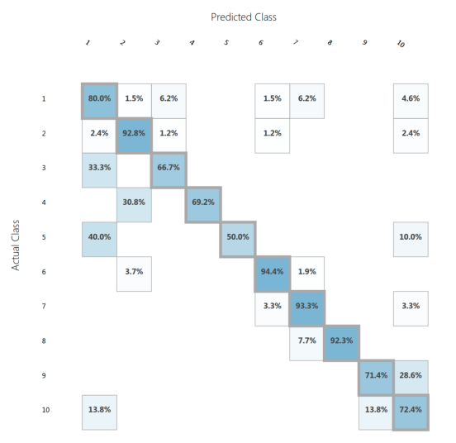
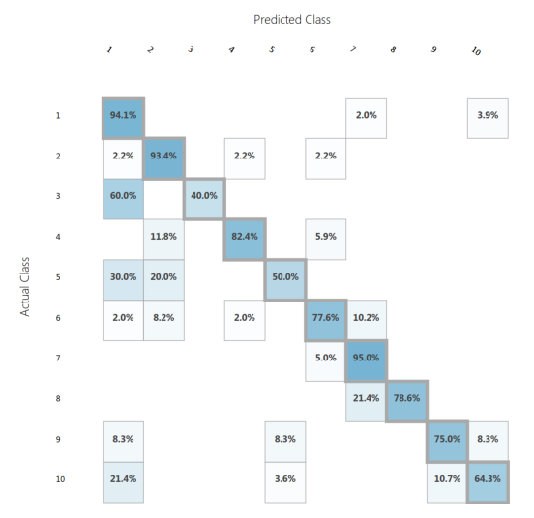
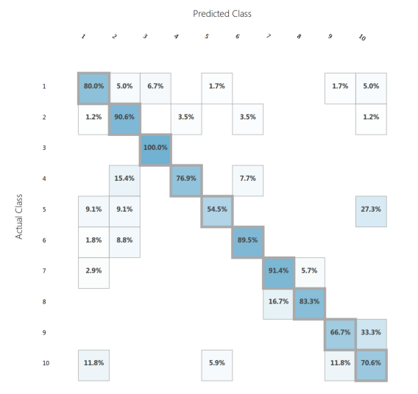
Training/Test split: 85% / 15% | Hidden Nodes | 125 | 85% / 15% | Run 1 Micro-avg. precision | 0.84858 | Run 2 Micro-avg. precision | 0.845426 | Run 3 Micro-avg. precision | 0.84858
Multi Class Neural Network | Learning Rate | 0.054096 |  | Run 1 Macro-avg. precision | 0.831212 | Run 2 Macro-avg. precision | 0.850117 | Run 3 Macro-avg. precision | 0.784354
 | Learning Iterations | 363
 | Initial learning weights diameter | 0.1
 | Momentum | 0.5
Excercise: 4)C) "Training / Test set splits" | Normalization | Min-Max
 | Shuffle examples | FALSE
 | Random Number Seed | 42

Normalization used as above

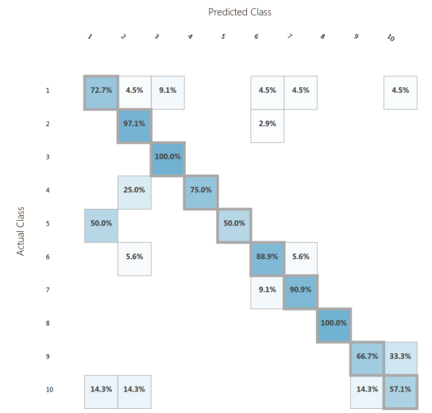
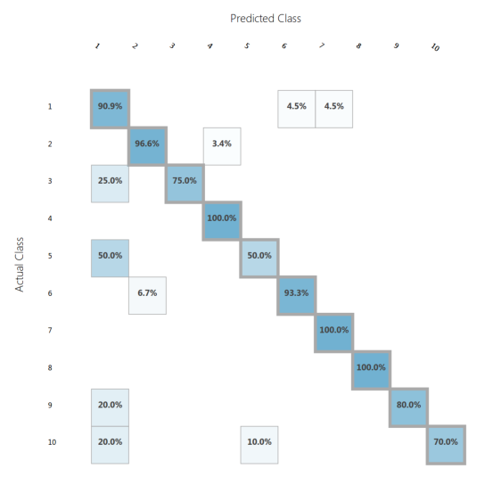
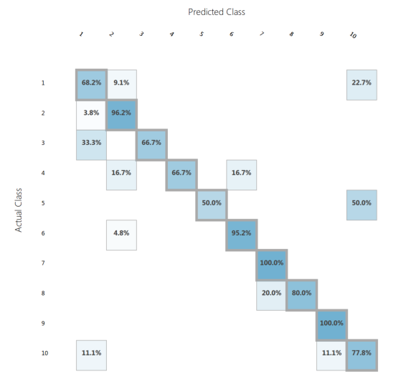
Training/Test split: 95% / 5% | Hidden Nodes | 125 | 95% / 5% | Run 1 Micro-avg. precision | 0.849057 | Run 2 Micro-avg. precision | 0.90566 | Run 3 Micro-avg. precision | 0.839623
Multi Class Neural Network | Learning Rate | 0.054096 |  | Run 1 Macro-avg. precision | 0.812289 | Run 2 Macro-avg. precision | 0.862742 | Run 3 Macro-avg. precision | 0.843624
 | Learning Iterations | 363
 | Initial learning weights diameter | 0.1
 | Momentum | 0.5
Excercise: 4)C) "Training / Test set splits" | Normalization | Min-Max
 | Shuffle examples | FALSE
 | Random Number Seed | 42

Normalization used as above

Decision Forest Parameters
Name of run, name of algorithm | Parameters of algorithm | Value | Test/Training Split | Precision/Class | Value | Confusion Matrix

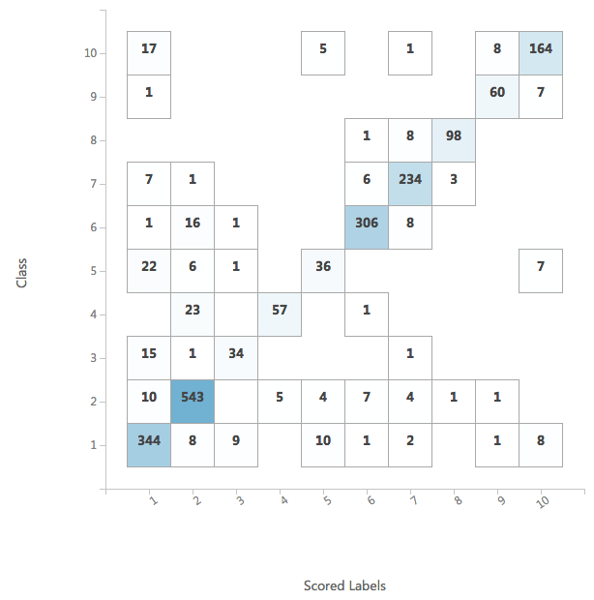
Decision Forest Bagging Default | Resampling method | Bagging | 10-fold Cross-Validation | Precision for Class "1" | 0.82744890615
Multiclass Decision Forest | Create trainer mode | Single Parameter |  | Precision for Class "2" | 0.90892852959
 |  |  |  | Precision for Class "3" | 0.719524
 | Number of decision drees | 8 |  | Precision for Class "4" | 0.911667
 | Maximum depth of the decision trees | 32 |  | Precision for Class "5" | 0.655
 | Number of random splits per node | 128 |  | Precision for Class "6" | 0.950107
 | Minimum number of samples per leaf node | 1 |  | Precision for Class "7" | 0.906054
 | Allow unknown values for categorical features | TRUE |  | Precision for Class "8" | 0.956074
 |  |  |  | Precision for Class "9" | 0.829413
 |  |  |  | Precision for Class "10" | 0.878801
 |  |  |  | meanPrecision | 0.854302
 |  |  |  | stdPrecision | 0.093977

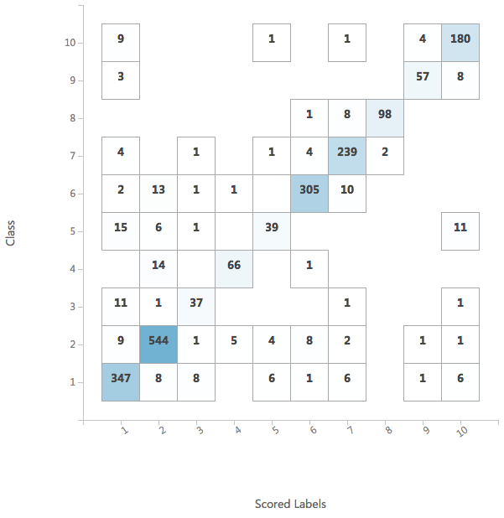
Decision Forest Bagging Tuned 1 | Resampling method | Bagging | 10-fold Cross-Validation | Precision for Class "1" | 0.86924226992
Multiclass Decision Forest | Create trainer mode | Single Parameter |  | Precision for Class "2" | 0.92783688517
 |  |  |  | Precision for Class "3" | 0.76583333333
 | Number of decision drees | 32 |  | Precision for Class "4" | 0.91455988456
 | Maximum depth of the decision trees | 64 |  | Precision for Class "5" | 0.76571428571
 | Number of random splits per node | 1024 |  | Precision for Class "6" | 0.95616570736
 | Minimum number of samples per leaf node | 1 |  | Precision for Class "7" | 0.89261408905
 | Allow unknown values for categorical features | TRUE |  | Precision for Class "8" | 0.97166666667
 |  |  |  | Precision for Class "9" | 0.91070707071
 |  |  |  | Precision for Class "10" | 0.8711565705
 |  |  |  | meanPrecision | 0.8845496763
 |  |  |  | stdPrecision | 0.066985802315

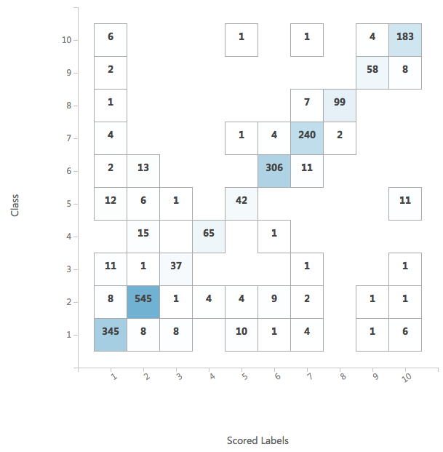
Decision Forest Bagging Tuned 2 | Resampling method | Bagging | 10-fold Cross-Validation | Precision for Class "1" | 0.88441787057
Multiclass Decision Forest | Create trainer mode | Single Parameter |  | Precision for Class "2" | 0.92753480641
 |  |  |  | Precision for Class "3" | 0.77833333333
 | Number of decision drees | 256 |  | Precision for Class "4" | 0.93793650794
 | Maximum depth of the decision trees | 32 |  | Precision for Class "5" | 0.73119047619
 | Number of random splits per node | 2048 |  | Precision for Class "6" | 0.95609567935
 | Minimum number of samples per leaf node | 1 |  | Precision for Class "7" | 0.89807772677
 | Allow unknown values for categorical features | TRUE |  | Precision for Class "8" | 0.97166666667
 |  |  |  | Precision for Class "9" | 0.8747979798
 |  |  |  | Precision for Class "10" | 0.87329463831
 |  |  |  | meanPrecision | 0.88333456853
 |  |  |  | stdPrecision | 0.072523833086

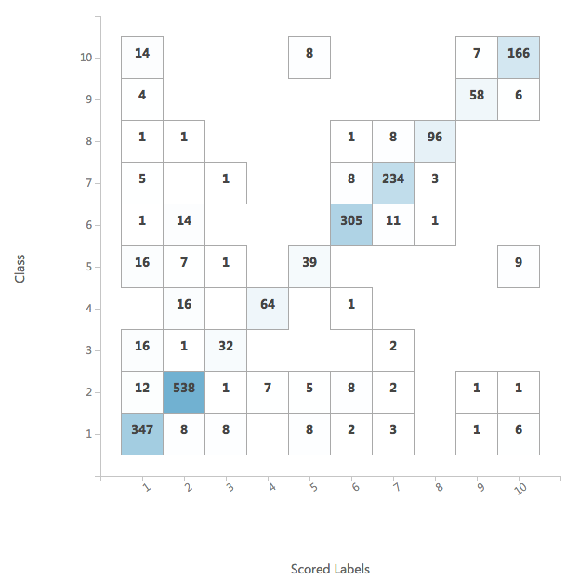
Decision Forest Replicate Default | Resampling method | Replicate | 10-fold Cross-Validation | Precision for Class "1" | 0.83186104351
Multiclass Decision Forest | Create trainer mode | Single Parameter |  | Precision for Class "2" | 0.91879922135
 |  |  |  | Precision for Class "3" | 0.7580952381
 | Number of decision drees | 8 |  | Precision for Class "4" | 0.90099206349
 | Maximum depth of the decision trees | 32 |  | Precision for Class "5" | 0.67055555556
 | Number of random splits per node | 128 |  | Precision for Class "6" | 0.93785650482
 | Minimum number of samples per leaf node | 1 |  | Precision for Class "7" | 0.89622885987
 | Allow unknown values for categorical features | TRUE |  | Precision for Class "8" | 0.95488344988
 |  |  |  | Precision for Class "9" | 0.8817027417
 |  |  |  | Precision for Class "10" | 0.89090578866
 |  |  |  | meanPrecision | 0.86418804669
 |  |  |  | stdPrecision | 0.08356499908

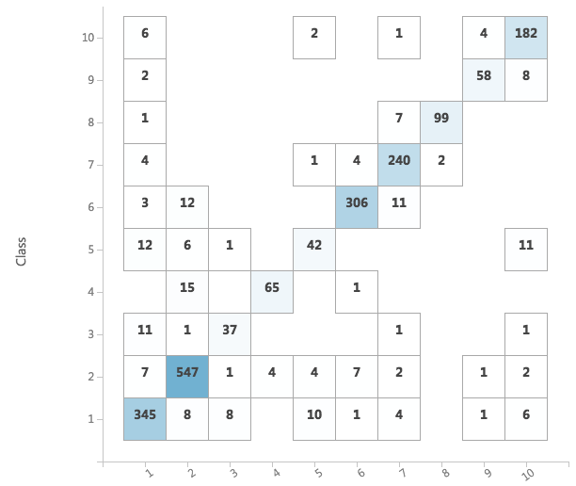
Decision Forest Bagging Overlearning | Resampling method | Bagging | 10-fold Cross-Validation | Precision for Class "1" | 0.88454006944
Multiclass Decision Forest | Create trainer mode | Single Parameter |  | Precision for Class "2" | 0.92932315804
 |  |  |  | Precision for Class "3" | 0.77833333333
 | Number of decision drees | 512 |  | Precision for Class "4" | 0.93793650794
 | Maximum depth of the decision trees | 256 |  | Precision for Class "5" | 0.715
 | Number of random splits per node | 4096 |  | Precision for Class "6" | 0.96163680489
 | Minimum number of samples per leaf node | 1 |  | Precision for Class "7" | 0.89807772677
 | Allow unknown values for categorical features | TRUE |  | Precision for Class "8" | 0.97166666667
 |  |  |  | Precision for Class "9" | 0.8747979798
 |  |  |  | Precision for Class "10" | 0.86811627574
 |  |  |  | meanPrecision | 0.88194285226
 |  |  |  | stdPrecision | 0.076743614246

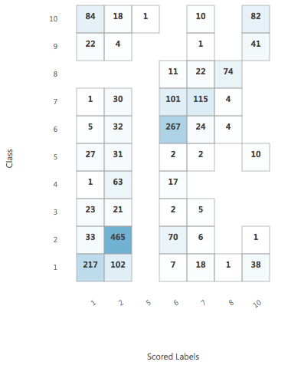
Decision Forest Bagging Too Low | Resampling method | Bagging | 10-fold Cross-Validation | Precision for Class "1" | 0.54005406776
Multiclass Decision Forest | Create trainer mode | Single Parameter |  | Precision for Class "2" | 0.61936971425
 |  |  |  | Precision for Class "3" | 0
 | Number of decision drees | 2 |  | Precision for Class "4" | 0
 | Maximum depth of the decision trees | 4 |  | Precision for Class "5" | 0
 | Number of random splits per node | 8 |  | Precision for Class "6" | 0.5573912804
 | Minimum number of samples per leaf node | 1 |  | Precision for Class "7" | 0.61966285086
 | Allow unknown values for categorical features | TRUE |  | Precision for Class "8" | 0.81087801088
 |  |  |  | Precision for Class "9" | 0
 |  |  |  | Precision for Class "10" | 0.36237787798
 |  |  |  | meanPrecision | 0.35097338021
 |  |  |  | stdPrecision | 0.30446051731

Decision Forest Scaling
Ranking | Name of run, name of algorithm | Parameters of algorithm | Value | Test/Training Split | Scaling | Precision/Class | Value | Confusion Matrix

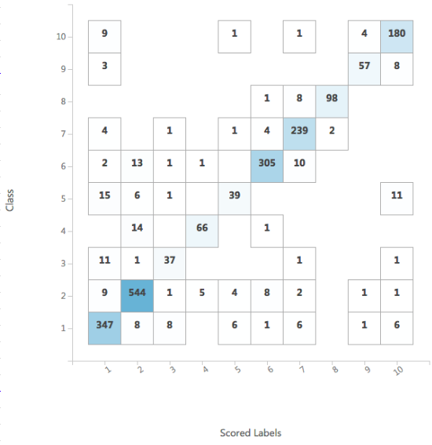
INITIAL SOLUTION | Decision Forest Bagging Best From A) | Resampling method | Bagging | 10-fold Cross-Validation | No-scaling | Precision for Class "1" | 0.86924226992
 | Multiclass Decision Forest | Create trainer mode | Single Parameter |  |  | Precision for Class "2" | 0.92783688517
 |  |  |  |  |  | Precision for Class "3" | 0.76583333333
 |  | Number of decision drees | 32 |  |  | Precision for Class "4" | 0.91455988456
 |  | Maximum depth of the decision trees | 64 |  |  | Precision for Class "5" | 0.76571428571
 |  | Number of random splits per node | 1024 |  |  | Precision for Class "6" | 0.95616570736
 |  | Minimum number of samples per leaf node | 1 |  |  | Precision for Class "7" | 0.89261408905
 |  | Allow unknown values for categorical features | TRUE |  |  | Precision for Class "8" | 0.97166666667
 |  |  |  |  |  | Precision for Class "9" | 0.91070707071
 |  |  |  |  |  | Precision for Class "10" | 0.8711565705
 |  |  |  |  |  | meanPrecision | 0.8845496763
 |  |  |  |  |  | stdPrecision | 0.066985802315

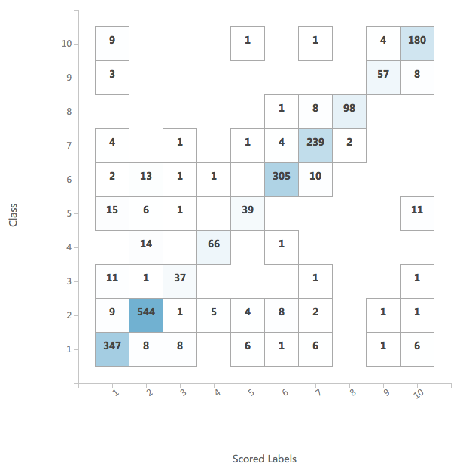
 | Decision Forest Bagging ZScore | Resampling method | Bagging | 10-fold Cross-Validation | ZScore | Precision for Class "1" | 0.86924226992
 | Multiclass Decision Forest | Create trainer mode | Single Parameter |  |  | Precision for Class "2" | 0.92783688517
 |  |  |  |  |  | Precision for Class "3" | 0.76583333333
 |  | Number of decision drees | 32 |  |  | Precision for Class "4" | 0.91455988456
 |  | Maximum depth of the decision trees | 64 |  |  | Precision for Class "5" | 0.76571428571
 |  | Number of random splits per node | 1024 |  |  | Precision for Class "6" | 0.95616570736
 |  | Minimum number of samples per leaf node | 1 |  |  | Precision for Class "7" | 0.89261408905
 |  | Allow unknown values for categorical features | TRUE |  |  | Precision for Class "8" | 0.97166666667
 |  |  |  |  |  | Precision for Class "9" | 0.91070707071
 |  |  |  |  |  | Precision for Class "10" | 0.8711565705
 |  |  |  |  |  | meanPrecision | 0.8845496763
 |  |  |  |  |  | stdPrecision | 0.066985802315

 | Decision Forest Bagging MinMax | Resampling method | Bagging | 10-fold Cross-Validation | MinMax | Precision for Class "1" | 0.86924226992
 | Multiclass Decision Forest | Create trainer mode | Single Parameter |  |  | Precision for Class "2" | 0.92783688517
 |  |  |  |  |  | Precision for Class "3" | 0.76583333333
 |  | Number of decision drees | 32 |  |  | Precision for Class "4" | 0.91455988456
 |  | Maximum depth of the decision trees | 64 |  |  | Precision for Class "5" | 0.76571428571
 |  | Number of random splits per node | 1024 |  |  | Precision for Class "6" | 0.95616570736
 |  | Minimum number of samples per leaf node | 1 |  |  | Precision for Class "7" | 0.89261408905
 |  | Allow unknown values for categorical features | TRUE |  |  | Precision for Class "8" | 0.97166666667
 |  |  |  |  |  | Precision for Class "9" | 0.91070707071
 |  |  |  |  |  | Precision for Class "10" | 0.8711565705
 |  |  |  |  |  | meanPrecision | 0.8845496763
 |  |  |  |  |  | stdPrecision | 0.066985802315

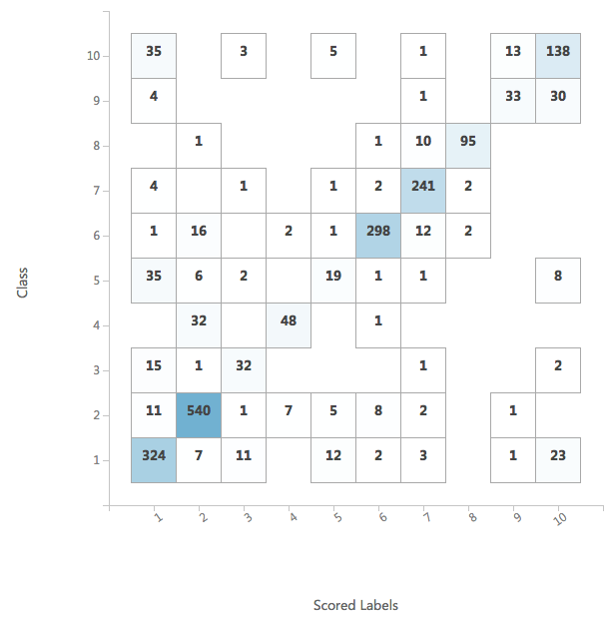
 | Decision Forest Bagging Logistic | Resampling method | Bagging | 10-fold Cross-Validation | Logistic | Precision for Class "1" | 0.75616450528
 | Multiclass Decision Forest | Create trainer mode | Single Parameter |  |  | Precision for Class "2" | 0.89475515582
 |  |  |  |  |  | Precision for Class "3" | 0.64
 |  | Number of decision drees | 32 |  |  | Precision for Class "4" | 0.87027777778
 |  | Maximum depth of the decision trees | 64 |  |  | Precision for Class "5" | 0.46214285714
 |  | Number of random splits per node | 1024 |  |  | Precision for Class "6" | 0.95046967525
 |  | Minimum number of samples per leaf node | 1 |  |  | Precision for Class "7" | 0.88652330371
 |  | Allow unknown values for categorical features | TRUE |  |  | Precision for Class "8" | 0.96590909091
 |  |  |  |  |  | Precision for Class "9" | 0.68035714286
 |  |  |  |  |  | Precision for Class "10" | 0.68443576839
 |  |  |  |  |  | meanPrecision | 0.77910352771
 |  |  |  |  |  | stdPrecision | 0.1537994201

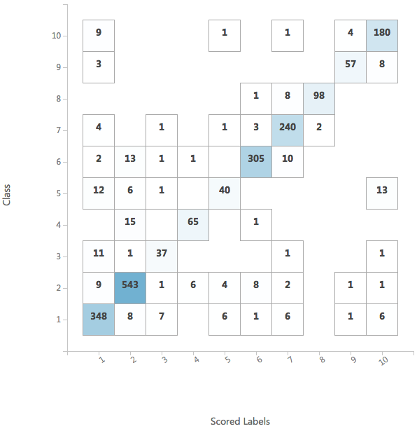
BEST | Decision Forest Bagging LogNormal | Resampling method | Bagging | 10-fold Cross-Validation | LogNormal | Precision for Class "1" | 0.87610521311
 | Multiclass Decision Forest | Create trainer mode | Single Parameter |  |  | Precision for Class "2" | 0.92615115317
 |  |  |  |  |  | Precision for Class "3" | 0.77119047619
 |  | Number of decision drees | 32 |  |  | Precision for Class "4" | 0.90344877345
 |  | Maximum depth of the decision trees | 64 |  |  | Precision for Class "5" | 0.77380952381
 |  | Number of random splits per node | 1024 |  |  | Precision for Class "6" | 0.95872616255
 |  | Minimum number of samples per leaf node | 1 |  |  | Precision for Class "7" | 0.89281570195
 |  | Allow unknown values for categorical features | TRUE |  |  | Precision for Class "8" | 0.97166666667
 |  |  |  |  |  | Precision for Class "9" | 0.91070707071
 |  |  |  |  |  | Precision for Class "10" | 0.86501289234
 |  |  |  |  |  | meanPrecision | 0.88496336339
 |  |  |  |  |  | stdPrecision | 0.064418079353


WORST | Decision Forest Bagging Tanh | Resampling method | Bagging | 10-fold Cross-Validation | Tanh | Precision for Class "1" | 0.74097511485
 | Multiclass Decision Forest | Create trainer mode | Single Parameter |  |  | Precision for Class "2" | 0.90096807656
 |  |  |  |  |  | Precision for Class "3" | 0.63952380952
 |  | Number of decision drees | 32 |  |  | Precision for Class "4" | 0.81226190476
 |  | Maximum depth of the decision trees | 64 |  |  | Precision for Class "5" | 0.44166666667
 |  | Number of random splits per node | 1024 |  |  | Precision for Class "6" | 0.9334309953
 |  | Minimum number of samples per leaf node | 1 |  |  | Precision for Class "7" | 0.88942019695
 |  | Allow unknown values for categorical features | TRUE |  |  | Precision for Class "8" | 0.93904040404
 |  |  |  |  |  | Precision for Class "9" | 0.67226190476
 |  |  |  |  |  | Precision for Class "10" | 0.6715034965
 |  |  |  |  |  | meanPrecision | 0.76410525699
 |  |  |  |  |  | stdPrecision | 0.15266312982


 | Decision Forest Bagging Split ZScore/MinMax | Resampling method | Bagging | 10-fold Cross-Validation | Split data and normalize | Precision for Class "1" | 0.86924226992
 | Multiclass Decision Forest | Create trainer mode | Single Parameter |  | in the following way: | Precision for Class "2" | 0.92783688517
 |  |  |  |  | ZScore | Precision for Class "3" | 0.76583333333
 |  | Number of decision drees | 32 |  | AC, FM, UC, MSTV, ALTV, | Precision for Class "4" | 0.91455988456
 |  | Maximum depth of the decision trees | 64 |  | MLTV, DL, DS_DR, DP, Nmax, | Precision for Class "5" | 0.76571428571
 |  | Number of random splits per node | 1024 |  | Nzeroes, Mean, Tendency | Precision for Class "6" | 0.95616570736
 |  | Minimum number of samples per leaf node | 1 |  | MinMax | Precision for Class "7" | 0.89261408905
 |  | Allow unknown values for categorical features | TRUE |  | Variance, LB, ASTV, Width, | Precision for Class "8" | 0.97166666667
 |  |  |  |  | Min, Max, Mode, Median | Precision for Class "9" | 0.91070707071
 |  |  |  |  |  | Precision for Class "10" | 0.8711565705
 |  |  |  |  |  | meanPrecision | 0.8845496763
 |  |  |  |  |  | stdPrecision | 0.066985802315


2nd BEST | Decision Forest Bagging Split LogNormal/Tanh/MinMax | Resampling method | Bagging | 10-fold Cross-Validation | Split data and normalize | Precision for Class "1" | 0.86924226992
 | Multiclass Decision Forest | Create trainer mode | Single Parameter |  | in the following way: | Precision for Class "2" | 0.93120077672
 |  |  |  |  | LogNormal: | Precision for Class "3" | 0.76583333333
 |  | Number of decision drees | 32 |  | DS_DR, Variance | Precision for Class "4" | 0.91455988456
 |  | Maximum depth of the decision trees | 64 |  | Tanh: | Precision for Class "5" | 0.76571428571
 |  | Number of random splits per node | 1024 |  | FM | Precision for Class "6" | 0.95639093258
 |  | Minimum number of samples per leaf node | 1 |  | MinMax: | Precision for Class "7" | 0.89261408905
 |  | Allow unknown values for categorical features | TRUE |  | (all the rest) | Precision for Class "8" | 0.97166666667
 |  |  |  |  |  | Precision for Class "9" | 0.91070707071
 |  |  |  |  |  | Precision for Class "10" | 0.8711565705
 |  |  |  |  |  | meanPrecision | 0.88490858798
 |  |  |  |  |  | stdPrecision | 0.067234322976

Decision Forest TestTrain Splits

Best From B) | Resampling method | Bagging | 10-fold Cross-Validation | LogNormal | No test split | Precision for Class "1" | 0.87610521311
Multiclass Decision Forest | Create trainer mode | Single Parameter |  |  |  | Precision for Class "2" | 0.92615115317
 |  |  |  |  |  | Precision for Class "3" | 0.77119047619
 | Number of decision drees | 32 |  |  |  | Precision for Class "4" | 0.90344877345
 | Maximum depth of the decision trees | 64 |  |  |  | Precision for Class "5" | 0.77380952381
 | Number of random splits per node | 1024 |  |  |  | Precision for Class "6" | 0.95872616255
 | Minimum number of samples per leaf node | 1 |  |  |  | Precision for Class "7" | 0.89281570195
 | Allow unknown values for categorical features | TRUE |  |  |  | Precision for Class "8" | 0.97166666667
 |  |  |  |  |  | Precision for Class "9" | 0.91070707071
 |  |  |  |  |  | Precision for Class "10" | 0.86501289234
 |  |  |  |  |  | meanPrecision | 0.88496336339
 |  |  |  |  |  | stdPrecision | 0.064418079353

Split seeds: 42, 123, 666

Training/Test split: 5% / 95% | Resampling method | Bagging | 10-fold Cross-Validation | LogNormal | Training: 5% | Run 1 Micro-avg. precision | 0.765057 | Run 2 Micro-avg. precision | 0.785963 | Run 3 Micro-avg. precision | 0.444998
Multiclass Decision Forest | Create trainer mode | Single Parameter |  |  | Test: 95% | Run 1 Macro-avg. precision | 0.585973 | Run 2 Macro-avg. precision | 0.755698 | Run 3 Macro-avg. precision | NaN



 | Number of decision drees | 32
 | Maximum depth of the decision trees | 64
 | Number of random splits per node | 1024
 | Minimum number of samples per leaf node | 1
 | Allow unknown values for categorical features | TRUE

Training/Test split: 15% / 85% | Resampling method | Bagging | 10-fold Cross-Validation | LogNormal | Training: 15% | Run 1 Micro-avg. precision | 0.837041 | Run 2 Micro-avg. precision | 0.819244 | Run 3 Micro-avg. precision | 0.790879
Multiclass Decision Forest | Create trainer mode | Single Parameter |  |  | Test: 85% | Run 1 Macro-avg. precision | 0.795854 | Run 2 Macro-avg. precision | 0.764701 | Run 3 Macro-avg. precision | 0.765633



 | Number of decision drees | 32
 | Maximum depth of the decision trees | 64
 | Number of random splits per node | 1024
 | Minimum number of samples per leaf node | 1
 | Allow unknown values for categorical features | TRUE

Training/Test split: 25% / 75% | Resampling method | Bagging | 10-fold Cross-Validation | LogNormal | Training: 25% | Run 1 Micro-avg. precision | 0.837041 | Run 2 Micro-avg. precision | 0.843632 | Run 3 Micro-avg. precision | 0.856873
Multiclass Decision Forest | Create trainer mode | Single Parameter |  |  | Test: 75% | Run 1 Macro-avg. precision | 0.795854 | Run 2 Macro-avg. precision | 0.817507 | Run 3 Macro-avg. precision | 0.868088



 | Number of decision drees | 32
 | Maximum depth of the decision trees | 64
 | Number of random splits per node | 1024
 | Minimum number of samples per leaf node | 1
 | Allow unknown values for categorical features | TRUE

Training/Test split: 35% / 65% | Resampling method | Bagging | 10-fold Cross-Validation | LogNormal | Training: 35% | Run 1 Micro-avg. precision | 0.875636 | Run 2 Micro-avg. precision | 0.862545 | Run 3 Micro-avg. precision | 0.869091
Multiclass Decision Forest | Create trainer mode | Single Parameter |  |  | Test: 65% | Run 1 Macro-avg. precision | 0.852505 | Run 2 Macro-avg. precision | 0.846992 | Run 3 Macro-avg. precision | 0.871431



 | Number of decision drees | 32
 | Maximum depth of the decision trees | 64
 | Number of random splits per node | 1024
 | Minimum number of samples per leaf node | 1
 | Allow unknown values for categorical features | TRUE

Training/Test split: 45% / 55% | Resampling method | Bagging | 10-fold Cross-Validation | LogNormal | Training: 45% | Run 1 Micro-avg. precision | 0.871023 | Run 2 Micro-avg. precision | 0.861565 | Run 3 Micro-avg. precision | 0.879622
Multiclass Decision Forest | Create trainer mode | Single Parameter |  |  | Test: 55% | Run 1 Macro-avg. precision | 0.860949 | Run 2 Macro-avg. precision | 0.839709 | Run 3 Macro-avg. precision | 0.873027



 | Number of decision drees | 32
 | Maximum depth of the decision trees | 64
 | Number of random splits per node | 1024
 | Minimum number of samples per leaf node | 1
 | Allow unknown values for categorical features | TRUE

Training/Test split: 55% / 45% | Resampling method | Bagging | 10-fold Cross-Validation | LogNormal | Training: 55% | Run 1 Micro-avg. precision | 0.870798 | Run 2 Micro-avg. precision | 0.858193 | Run 3 Micro-avg. precision | 0.879202
Multiclass Decision Forest | Create trainer mode | Single Parameter |  |  | Test: 45% | Run 1 Macro-avg. precision | 0.859269 | Run 2 Macro-avg. precision | 0.84265 | Run 3 Macro-avg. precision | 0.861039



 | Number of decision drees | 32
 | Maximum depth of the decision trees | 64
 | Number of random splits per node | 1024
 | Minimum number of samples per leaf node | 1
 | Allow unknown values for categorical features | TRUE

Training/Test split: 65% / 35% | Resampling method | Bagging | 10-fold Cross-Validation | LogNormal | Training: 65% | Run 1 Micro-avg. precision | 0.874324 | Run 2 Micro-avg. precision | 0.871622 | Run 3 Micro-avg. precision | 0.875676
Multiclass Decision Forest | Create trainer mode | Single Parameter |  |  | Test: 35% | Run 1 Macro-avg. precision | 0.861772 | Run 2 Macro-avg. precision | 0.859396 | Run 3 Macro-avg. precision | 0.860551



 | Number of decision drees | 32
 | Maximum depth of the decision trees | 64
 | Number of random splits per node | 1024
 | Minimum number of samples per leaf node | 1
 | Allow unknown values for categorical features | TRUE

Training/Test split: 75% / 25% | Resampling method | Bagging | 10-fold Cross-Validation | LogNormal | Training: 75% | Run 1 Micro-avg. precision | 0.909263 | Run 2 Micro-avg. precision | 0.867675 | Run 3 Micro-avg. precision | 0.890359
Multiclass Decision Forest | Create trainer mode | Single Parameter |  |  | Test: 25% | Run 1 Macro-avg. precision | 0.881176 | Run 2 Macro-avg. precision | 0.815216 | Run 3 Macro-avg. precision | 0.86949



 | Number of decision drees | 32
 | Maximum depth of the decision trees | 64
 | Number of random splits per node | 1024
 | Minimum number of samples per leaf node | 1
 | Allow unknown values for categorical features | TRUE

Training/Test split: 85% / 15% | Resampling method | Bagging | 10-fold Cross-Validation | LogNormal | Training: 85% | Run 1 Micro-avg. precision | 0.927445 | Run 2 Micro-avg. precision | 0.864353 | Run 3 Micro-avg. precision | 0.911672
Multiclass Decision Forest | Create trainer mode | Single Parameter |  |  | Test: 15% | Run 1 Macro-avg. precision | 0.940623 | Run 2 Macro-avg. precision | 0.79465 | Run 3 Macro-avg. precision | 0.891185



 | Number of decision drees | 32
 | Maximum depth of the decision trees | 64
 | Number of random splits per node | 1024
 | Minimum number of samples per leaf node | 1
 | Allow unknown values for categorical features | TRUE

Training/Test split: 95% / 5% | Resampling method | Bagging | 10-fold Cross-Validation | LogNormal | Training: 95% | Run 1 Micro-avg. precision | 0.924528 | Run 2 Micro-avg. precision | 0.886792 | Run 3 Micro-avg. precision | 0.896226
Multiclass Decision Forest | Create trainer mode | Single Parameter |  |  | Test: 5% | Run 1 Macro-avg. precision | NaN | Run 2 Macro-avg. precision | 0.839772 | Run 3 Macro-avg. precision | 0.856832



 | Number of decision drees | 32
 | Maximum depth of the decision trees | 64
 | Number of random splits per node | 1024
 | Minimum number of samples per leaf node | 1
 | Allow unknown values for categorical features | TRUE

