CAN IC
CAN Rref Resistances to Slew Rate
MCP2551 |  |  |  |  | SN65HVD23x
0 | 682 | pixels | m | -0.040916530278 | 0 | 738 | pixels | m | -0.043252595156
25 | 71 | pixels | c | -27.90507365 | 25 | 160 | pixels | c | -31.920415225

Resistance (kΩ) | Pixel | Slew Rate (V/µs) |  |  | Resistance (kΩ) | Pixel | Slew Rate (V/µs)
-100 |  | 23.48608838 |  |  | -100 |  | 19.939446367
10 | 108 | 23.48608838 |  |  | 0 | 277 | 19.939446367
20 | 258 | 17.348608838 |  |  | 4.7 | 300 | 18.944636678
30 | 342 | 13.911620295 |  |  | 6.8 | 346 | 16.955017301
40 | 412 | 11.047463175 |  |  | 10 | 407 | 14.316608997
49 | 458 | 9.1653027823 |  |  | 15 | 474 | 11.418685121
60 | 498 | 7.5286415712 |  |  | 22 | 538 | 8.6505190311
70 | 537 | 5.9328968903 |  |  | 33 | 599 | 6.0121107266
76 | 566 | 4.7463175123 |  |  | 47 | 646 | 3.9792387543
90 | 580 | 4.1734860884 |  |  | 68 | 675 | 2.7249134948
100 | 583 | 4.0507364975 |  |  | 100 | 675 | 2.7249134948
110 | 584 | 4.0098199673 |  |  | 500 |  | 2.7249134948
120 | 587 | 3.8870703764

SN65HVD23x |  |  |  |  | SN65HVD23x
4.7 | kΩ | 23.48608838 | V/µs |  | 7.5 | kΩ | 16.377865484 | V/µs

Recessive Voltage | 2.5 | V |  |  | Recessive Voltage | 2.3 | V
Dominant (CANH) | 4.5 | V |  |  | Dominant (CANH) | 3.3 | V
Dominant (CANL) | 0.5 | V |  |  | Dominant (CANL) | 0.5 | V
Max Step | 4 | V |  |  | Max Step | 2.8 | V
Change Time | 0.17031358885 | µs |  |  | Change Time | 0.17096244945 | µs

CAN Frequency | 1 | MHz
 | 1 | µs

AnalogInputs-Volt (STEPPER-REF)
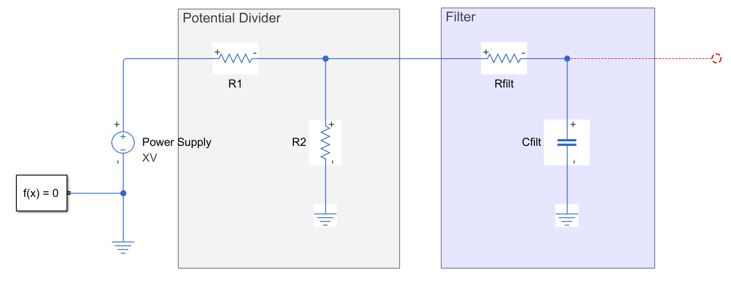
Parameter Settings
Source Voltage | 3.3 | V |  |  |  | Maximum current sunk | 5 | mA
 | Value | Scaler |  |  |  | ADC Sample time | 0.001 | s
R1 Selector | 97.6 | 2 | ± | 1 | % | Sampling cycle | 247.5
R2 Selector | 43.2 | 2 | ± | 1 | % | Resolution | 12 | bits
Rfilt Selector | 0 | 0 | ± | 1 | %
Cfilt Selector | 100 | -9 | ± | 5 | % | Voltage Input Good? | TRUE
 |  |  |  |  |  | Current Draw Good? | TRUE
ADC Max Voltage | 3.3 | V |  |  |  | Input impedance Good? | TRUE
Resolution | 12 | bits
 |  |  |  |  |  | Acceptable? | TRUE
Potential Divider
Resolution (Source) | 2.6258680556 | mV/bit
Max Source | 10.755555556 | V
 |  |  | Upper | Lower
R1 | 9760 | Ohm | 9857.6 | 9662.4 | Ohm |  | 1.013 | V
R2 | 4320 | Ohm | 4363.2 | 4276.8 | Ohm |  | 1.013 | V | Circuit Diagram
 |  |  |  |  |  |  | 1.027 | V
 |  |  |  |  |  |  | 0.999 | V
 | Upper | Nominal | Lower
ADC Input range | 1.027 | 1.013 | 0.999 | V
Current Draw | 0.338 | 0.338 | 0.338 | mA

Filter
Sample Freq | 1000 | Hz
Target Frequency | 500 | Hz | 200 | Hz | * Sample frequency is to be 2->5 times the cut-off frequency (STM - AN2834, Section 4.2.3)
 |  |  | Upper | Lower
Rfilt | 0 | Ohm | 0 | 0 | Ohm
Cfilt | 0.0000001 | Henry | 0.000000105 | 0.000000095 | Henry

RC Time constant | 0.000976 |  | 0.001035048 | 0.000917928
Cut-off Frequency | 163.06858923 | Hz | 153.76576071 | 173.38499653 | Hz

Input Impedance | 9760 | Ohm | 9857.6 | 9662.4 | Ohm
ADC Impedance | 10000 | Ohm

