size
elem face max size | Nb. Elem | Von Miss stress (max) | Von Miss x=-150 ; y= -53; z = 88 | 1st principal | Max distance | Mean distance | std deviation | median |  | Max | Mean | std deviation | Median
5 | 94941
7 | 30850 | 0.00057 | 0.00013 | 0.00066 |  |  |  |  |  | 3.23000 | 0.59000 | 0.63000 | 0.34000
10 | 11181 | 0.00052 | 0.00012 | 0.00063 | 2.31000 | 0.36000 | 0.36000 | 0.24000 | = | 4.57000 | 0.85000 | 0.87000 | 0.51000
13 | 5132 | 0.00039 | 0.00009 | 0.00048 | 3.67000 | 0.44000 | 0.56000 | 0.25000 |  | 5.39000 | 0.71000 | 0.80000 | 0.44000
15 | 4946 | 0.00037 | 0.00009 | 0.00060 | 3.53000 | 0.54000 | 0.62000 | 0.33000 |  | 5.34000 | 0.79000 | 0.85000 | 0.45000
17 | 4083 | 0.00054 | 0.00043 | 0.00061 | 2.79000 | 0.54000 | 0.59000 | 0.31000 |  | 5.42000 | 0.76000 | 0.84000 | 0.45000
20 | 3702 | 0.00054 | 0.00013 | 0.00069 | 4.44000 | 0.69000 | 0.88000 | 0.35000 |  | 5.35000 | 0.82000 | 0.89000 | 0.48000

Node to surface distance for different element size. Reference: mesh of 7mm face size
Node to surface distance for different element face size. Reference: mesh of 5mm face size.
 | Nb. Elem | Max | Mean | Median
5 | 94941
7 | 30850 | 3.23000 | 0.59000 | 0.34000
10 | 11181 | 4.57000 | 0.85000 | 0.51000
13 | 5132 | 5.39000 | 0.71000 | 0.44000
15 | 4946 | 5.34000 | 0.79000 | 0.45000
17 | 4083 | 5.42000 | 0.76000 | 0.45000
20 | 3702 | 5.35000 | 0.82000 | 0.48000

breast
Breast elastic parameters
 |  | Young's modulus | Maximal displacement | median | Mean displacement | std deviation | max % | median % | Mean change rate ( % ) relative to S1 | Mean change rate (%) relative to Si-1 | 0,4-20kPa | 10%=1,96
1 | 0.13793103448 | 0.4 | 23.27 | 12.83 | 12.52 | 5.16 | 0 | 0 | 0
Mean change rate depending on variation of NH parameter of breast tissues material model
 | Mean change rate (%) relative to Si-1 | Mean change rate ( % ) relative to S1
 |  | 0
 | 44.821658788 | 35.942492013
 | 1.4611087237 | 42.332268371
 | 18.607649334 | 61.022364217
 | 3.1370863773 | 65.015974441
 | 1.5470562957 | 67.971246006
 | 1.1602922217 | 70.047923323
 |  | 72.044728435
 |  | 73.482428115
 |  | 74.760383387
2 | 0.81379310345 | 2.36 | 12.84 | 8.4 | 8.02 | 2.84 | 44.821658788 | 34.528448948 | 35.942492013 | 44.821658788
3 | 1.4896551724 | 4.32 | 12.5 | 7.47 | 7.22 | 2.58 | 46.282767512 | 41.777084957 | 42.332268371 | 1.4611087237
4 | 2.1655172414 | 6.28 | 8.17 | 5.17 | 4.88 | 1.81 | 64.890416846 | 59.703819174 | 61.022364217 | 18.607649334
5 | 2.8413793103 | 8.24 | 7.44 | 4.61 | 4.38 | 1.63 | 68.027503223 | 64.068589244 | 65.015974441 | 3.1370863773
6 | 3.5172413793 | 10.2 | 7.08 | 4.21 | 4.01 | 1.5 | 69.574559519 | 67.186282151 | 67.971246006 | 1.5470562957
7 | 4.1931034483 | 12.16 | 6.81 | 3.91 | 3.75 | 1.4 | 70.73485174 | 69.524551832 | 70.047923323 | 1.1602922217
8 | 4.8689655172 | 14.12 | 6.59 | 3.65 | 3.5 | 1.32 | 71.680275032 | 71.551052221 | 72.044728435 | 0.94542329179
9 | 5.5448275862 | 16.08 | 6.4 | 3.44 | 3.32 | 1.25 | 72.496776966 | 73.187840998 | 73.482428115 | 0.81650193382
10 | 6.2206896552 | 18.04 | 6.23 | 3.27 | 3.16 | 1.2 | 73.227331328 | 74.512860483 | 74.760383387 | 0.73055436184

Node displacement depending on variation of NH parameter for breast tissue material model

 |  |  |  |  |  |  |  |  |  |  |  |  | optimiation |  | 0.4
 |  |  |  |  |  |  |  |  |  |  |  |  | 0.4 | 0.13793103448
 |  |  |  |  |  |  |  |  |  |  |  |  | 0.8 | 0.27586206897
 |  |  |  |  |  |  |  |  |  |  |  |  | 1.2 | 0.41379310345
 |  |  |  |  |  |  |  |  |  |  |  |  | 1.6 | 0.55172413793
 |  |  |  |  |  |  |  |  |  |  |  |  | 2 | 0.68965517241
 |  |  |  |  |  |  |  |  |  |  |  |  | 2.4 | 0.8275862069
 |  |  |  |  |  |  |  |  |  |  |  |  | 4.7 | 1.6206896552
 |  |  |  |  |  |  |  |  |  |  |  |  | 7 | 2.4137931034 | 2.3

skin
Skin elastic parameters |  |  |  |  |  |  |  |  |  |  | 10-100 | 10% = 10

Mean change rate depending on variation of NH parameter of skin tissues material model
 | Mean change rate relative to Si-1 (%) | Mean change rate relative to S1 (%)
 |  | 0
 | 14.349593496 | 6.4882400649
 | 3.6991869919 | 5.9205190592
 | 12.642276423 | 21.167883212
 | 2.3170731707 | 26.763990268
 | 2.0731707317 | 30.332522303
 | 1.9512195122 | 33.252230333
 | 0.69105691057 | 34.630981346
 | 1.7886178862 | 36.820762368
 | 1.5853658537 | 38.686131387
 | Young's modulus |  | Maximal displacement | Mean displacement | median |  | max % | Mean change rate relative to S1 (%) | median% | Mean change rate relative to Si-1 (%)
 | 5 | 1.724137931 | 24.6 | 12.33 | 12.39 | 5.33 | 0 | 0 | 0
 | 10 | 3.4482758621 | 21.07 | 11.53 | 11.83 | 4.58 | 14.349593496 | 6.4882400649 | 4.5197740113 | 14.349593496
 | 20 | 6.8965517241 | 20.16 | 11.6 | 12.29 | 4.45 | 18.048780488 | 5.9205190592 | 0.80710250202 | 3.6991869919
 | 30 | 10.344827586 | 17.05 | 9.72 | 10.05 | 3.73 | 30.691056911 | 21.167883212 | 18.886198547 | 12.642276423
 | 40 | 13.793103448 | 16.48 | 9.03 | 9.13 | 3.57 | 33.008130081 | 26.763990268 | 26.311541566 | 2.3170731707
 | 50 | 17.24137931 | 15.97 | 8.59 | 8.67 | 3.39 | 35.081300813 | 30.332522303 | 30.024213075 | 2.0731707317
 | 60 | 20.689655172 | 15.49 | 8.23 | 8.26 | 3.24 | 37.032520325 | 33.252230333 | 33.333333333 | 1.9512195122
 | 70 | 24.137931034 | 15.32 | 8.06 | 8.2 | 3.11 | 37.723577236 | 34.630981346 | 33.817594835 | 0.69105691057
 | 80 | 27.586206897 | 14.88 | 7.79 | 7.87 | 3 | 39.512195122 | 36.820762368 | 36.481033091 | 1.7886178862
 | 90 | 31.034482759 | 14.49 | 7.56 | 7.58 | 2.9 | 41.097560976 | 38.686131387 | 38.821630347 | 1.5853658537

Node displacement depending on variation of NH parameter for skin tissue material model
 |  |  |  |  |  |  |  |  |  |  |  | optimization
 |  |  |  |  |  |  |  |  |  |  |  | 5 | 1.724137931
 |  |  |  |  |  |  |  |  |  |  |  | 7.5 | 2.5862068966
 |  |  |  |  |  |  |  |  |  |  |  | 10 | 3.4482758621
 |  |  |  |  |  |  |  |  |  |  |  | 20 | 6.8965517241
 |  |  |  |  |  |  |  |  |  |  |  | 30 | 10.344827586
 |  |  |  |  |  |  |  |  |  |  |  | 40 | 13.793103448

P ratio
Poisson Ratio

pR | Max | Mean | median | std Dev | max % | Mean change rate ( % ) relative to S1 | median % | Mean change rate ( % ) relative to S1-1
0.45 | 22.35 | 12.35 | 12.63 | 4.75 | 0 | 0 | 0
0.455 | 22.16 | 12.23 | 12.52 | 4.73 | 0.85011185682 | 0.97165991903 | 0.87094220111 | 0.85011185682
0.46 | 22.06 | 12.11 | 12.42 | 4.75 | 1.2975391499 | 1.9433198381 | 1.6627078385 | 0.44742729306
0.465 | 21.78 | 11.99 | 12.29 | 4.69 | 2.5503355705 | 2.9149797571 | 2.6920031671 | 1.2527964206
0.47 | 21.5 | 11.85 | 12.14 | 4.64 | 3.8031319911 | 4.048582996 | 3.8796516231 | 1.2527964206
0.475 | 21.26 | 11.7 | 11.9 | 4.6 | 4.8769574944 | 5.2631578947 | 5.7798891528 | 1.0738255034
0.48 | 21.07 | 11.53 | 11.83 | 4.58 | 5.7270693512 | 6.6396761134 | 6.334125099 | 0.85011185682
0.485 | 20.76 | 11.36 | 11.6 | 4.51 | 7.1140939597 | 8.016194332 | 8.1551860649 | 1.3870246085
0.49 | 20.48 | 11.16 | 11.39 | 4.46 | 8.3668903803 | 9.6356275304 | 9.8178939034 | 1.2527964206
0.495 | 20.16 | 10.94 | 11.13 | 4.39 | 9.7986577181 | 11.417004049 | 11.876484561 | 1.4317673378
 |  |  |  |  | 0

Node displacement depending on variation of Poisson ration of breast tissues
Mean change rate depending on variation of Poisson ration of breast tissues.

 |  |  |  |  |  |  |  |  | pR = 0,47

fascia
Mean change rate depending on variation of NH parameter of skin tissues material model
 | Mean change rate relative to Si-1 (%) | Mean change rate relative to S1 (%)
3.4482758621 |  | 0
6.8965517241 | 15.092073659 | 17.737430168
10.344827586 | 9.3274619696 | 27.583798883
13.793103448 | 5.164131305 | 33.659217877
17.24137931 | 3.8030424339 | 38.198324022
20.689655172 | 2.9223378703 | 41.759776536
24.137931034 | 2.4019215372 | 44.69273743
27.586206897 | 1.9615692554 | 47.136871508
31.034482759 | 1.6413130504 | 49.231843575
34.482758621 | 1.3610888711 | 51.117318436
Fascia elastic parameters
 | Young's modulus kPa |  | Maximal displacement | Mean displacement | std dev | median | max % | Mean change rate relative to S1 (%) |  | Mean change rate relative to Si-1 (%)
 | 10 | 3.4482758621 | 24.98 | 14.32 | 5.33 | 14.91 | 0 | 0 | 0
 | 20 | 6.8965517241 | 21.21 | 11.78 | 4.76 | 12.35 | 15.092073659 | 17.737430168 | 10.694183865 | 15.092073659
 | 30 | 10.344827586 | 18.88 | 10.37 | 4.39 | 10.85 | 24.419535629 | 27.583798883 | 17.636022514 | 9.3274619696
 | 40 | 13.793103448 | 17.59 | 9.5 | 4.18 | 9.92 | 29.583666934 | 33.659217877 | 21.575984991 | 5.164131305
 | 50 | 17.24137931 | 16.64 | 8.85 | 4.02 | 9.21 | 33.386709367 | 38.198324022 | 24.577861163 | 3.8030424339
 | 60 | 20.689655172 | 15.91 | 8.34 | 3.87 | 8.65 | 36.309047238 | 41.759776536 | 27.392120075 | 2.9223378703
 | 70 | 24.137931034 | 15.31 | 7.92 | 3.74 | 8.19 | 38.710968775 | 44.69273743 | 29.831144465 | 2.4019215372
 | 80 | 27.586206897 | 14.82 | 7.57 | 3.62 | 7.8 | 40.67253803 | 47.136871508 | 32.082551595 | 1.9615692554
 | 90 | 31.034482759 | 14.41 | 7.27 | 3.52 | 7.47 | 42.313851081 | 49.231843575 | 33.958724203 | 1.6413130504
 | 100 | 34.482758621 | 14.07 | 7 | 3.43 | 7.17 | 43.674939952 | 51.117318436 | 35.64727955 | 1.3610888711

Node displacement depending on variation of NH parameter for fascia tissue material model
 |  |  |  |  |  |  |  |  |  |  | optimizatio
 |  |  |  |  |  |  |  |  |  |  | 10 | 40 | 3.4482758621
 |  |  |  |  |  |  |  |  |  |  | 15 | 80 | 5.1724137931
 |  |  |  |  |  |  |  |  |  |  | 20 | 120 | 6.8965517241
 |  |  |  |  |  |  |  |  |  |  | 30 | 160 | 10.344827586
 |  |  |  |  |  |  |  |  |  |  | 50 |  | 17.24137931

Sheet1
Young's modulus kPa |  | Maximal displacement | Mean displacement | std dev | median | max % | Mean change rate relative to S1 (%) |  | Mean change rate relative to Si-1 (%)
40 | 13.793103448 | 24.64 | 13.13 | 5.68 | 13.63 | 0 | 0 | 0
80 | 27.586206897 | 22.02 | 11.47 | 5.28 | 11.96 | 10.633116883 | 12.642802742 | 7.0422535211 | 10.633116883
120 | 41.379310345 | 20.49 | 10.55 | 5.04 | 11 | 16.842532468 | 19.649657273 | 11.267605634 | 6.2094155844
160 | 55.172413793 | 19.31 | 9.82 | 4.81 | 10.23 | 21.631493506 | 25.209444021 | 15.316901408 | 4.788961039
200 | 68.965517241 | 18.46 | 9.3 | 4.63 | 9.67 | 25.081168831 | 29.169840061 | 18.485915493 | 3.4496753247
240 | 82.75862069 | 17.78 | 8.89 | 4.47 | 9.18 | 27.840909091 | 32.292460015 | 21.302816901 | 2.7597402597
280 | 96.551724138 | 17.26 | 8.58 | 4.34 | 8.82 | 29.951298701 | 34.653465347 | 23.591549296 | 2.1103896104
320 | 110.34482759 | 16.83 | 8.3 | 4.23 | 8.53 | 31.696428571 | 36.785986291 | 25.528169014 | 1.7451298701
360 | 124.13793103 | 16.47 | 8.06 | 4.14 | 8.26 | 33.157467532 | 38.613861386 | 27.112676056 | 1.461038961
400 | 137.93103448 | 16.15 | 7.85 | 4.06 | 8.03 | 34.456168831 | 40.213252094 | 28.521126761 | 1.2987012987
Mean change rate depending on variation of NH parameter of fascia tissues material model
 | Mean change rate relative to Si-1 (%) | Mean change rate relative to S1 (%)
13.793103448 |  | 0
27.586206897 | 10.633116883 | 12.642802742
41.379310345 | 6.2094155844 | 19.649657273
55.172413793 | 4.788961039 | 25.209444021
68.965517241 | 3.4496753247 | 29.169840061
82.75862069 | 2.7597402597 | 32.292460015
96.551724138 | 2.1103896104 | 34.653465347
110.34482759 | 1.7451298701 | 36.785986291
124.13793103 | 1.461038961 | 38.613861386
137.93103448 | 1.2987012987 | 40.213252094
Node displacement depending on variation of NH parameter for fascia tissue material model

 | 40 | 13.793103448
 | 80 | 27.586206897
 | 120 | 41.379310345
 | 160 | 55.172413793

bounds
Bounds ligaments elastic modulus
 |  |  |  |  |  |  |  |  |  | compared to fixed
 | Young's modulus |  | max | mean | std dev | median | max % | mean % | median % | max | mean | std dev | median
 | 10 | 3.4482758621 | 26.23 | 14.25 | 6.03 | 15.4 | 0 | 0 | 0 | 18.1 | 6.55 | 4.15 | 6.06
 | 20 | 6.8965517241 | 23.4 | 13.35 | 5.32 | 14.2 | 0.10789172703 | 0.063157894737 | 0.11774461028 | 13.83 | 5.43 | 3.36 | 5.18
 | 30 | 10.344827586 | 22.67 | 12.77 | 4.98 | 13.32 | 0.1357224552 | 0.10385964912 | 0.17412935323 | 12.16 | 4.77 | 2.98 | 4.5
 | 40 | 13.793103448 | 22.26 | 12.42 | 4.8 | 12.78 | 0.15135341212 | 0.12842105263 | 0.2039800995 | 11.36 | 4.37 | 2.77 | 4.11
 | 50 | 17.24137931 | 21.99 | 12.18 | 4.68 | 12.37 | 0.16164696912 | 0.14526315789 | 0.22388059701 | 10.84 | 4.09 | 2.63 | 3.83
 | 60 | 20.689655172 | 21.8 | 12.01 | 4.6 | 12.19 | 0.1688905833 | 0.15719298246 | 0.23714759536 | 10.46 | 3.89 | 2.53 | 3.63

 | fixed |  | 18.13 | 8.71 | 3.7 | 8.14 | 30.880670987 | 38.877192982 | 38.64013267
young's modulus
young's modulus
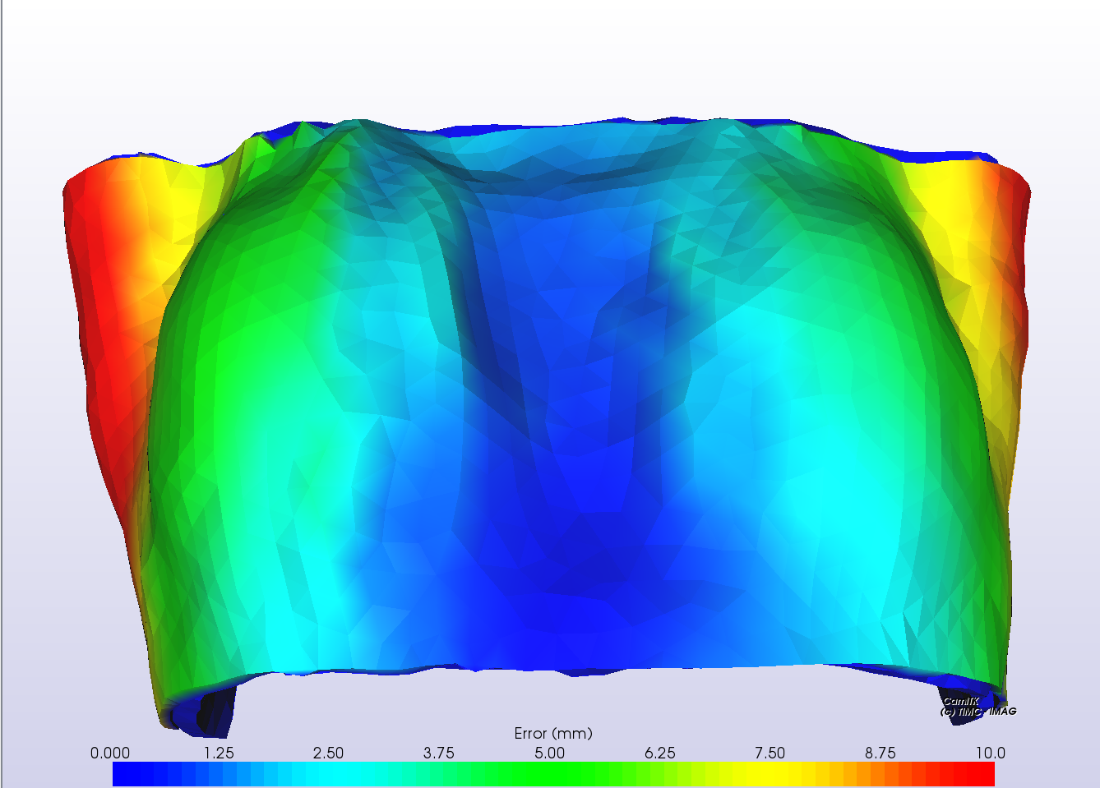

Node displacement depending on variation of initial state of boundary ligaments
 | max | mean
0.1 | 7.55 | 2.62
0.2 | 8.95 | 3.23
0.3 | 9.92 | 3.66
0.4 | 10.95 | 4.13
0.5 | 11.98 | 4.59
0.6 | 13.17 | 5
0.7 | 14.66 | 5.47
0.8 | 16.23 | 5.93

initial state
elongation | max |  | mean | std dev | median | Mean change rate ( % ) relative to S1 | Mean change rate ( % ) relative to S1-1
0.1 | 7.55 |  | 2.62 | 1.56 | 2.18
0.2 | 8.95 |  | 3.23 | 2.1 | 2.84 | 0.61 | 0.61
0.3 | 9.92 |  | 3.66 | 2.35 | 3.26 | 1.04 | 0.43
0.4 | 10.95 |  | 4.13 | 2.62 | 3.73 | 1.51 | 0.47
0.5 | 11.98 |  | 4.59 | 2.91 | 4.16 | 1.97 | 0.46
0.6 | 13.17 |  | 5 | 3.16 | 4.54 | 2.38 | 0.41
0.7 | 14.66 |  | 5.47 | 3.46 | 5 | 2.85 | 0.47
0.8 | 16.23 |  | 5.93 | 3.76 | 5.47 | 3.31 | 0.46

