DASHBOARD
INTERAKTIF DASHBOARD PENJUALAN

TOTAL SALES
 | Total
2014 | 207415
2015 | 221268
2016 | 311969
2017 | 355968
TOTAL SALES BY REGION
 | Total
South | 190733
Central | 256573
East | 290807
West | 358507

TOTAL SALES BY SEGMENT
 | Total
Home Office | 198475
Corporate | 341710
Consumer | 556435
TOP 5 PRODUCT BY SALES
 | Sum of quantity | Sum of sales
GBC DocuBind P400 Electric Binding System | 16 | 9253
HON 5400 Series Task Chairs for Big and Tall | 27 | 15629
HP Designjet T520 Inkjet Large Format Printer - 24" Color | 9 | 15748
GBC Ibimaster 500 Manual ProClick Binding System | 40 | 16433
Canon imageCLASS 2200 Advanced Copier | 11 | 30097

TREND SALES BY MONTHS
 | Total
Jan | 50810
Feb | 36313
Mar | 74596
Apr | 70383
May | 85528
Jun | 84330
Jul | 59888
Aug | 81063
Sep | 120423
Oct | 88094
Nov | 172914
Dec | 172278
TOTAL PROFIT
 | Total
2014 | 5553
2015 | 5517
2016 | 4551
2017 | 14967
2014 | 6332
2015 | 9125
2016 | 13412
2017 | 5240
2014 | 8604
2015 | 9554
2016 | 24075
2017 | 23856

QUERY POSTGREE
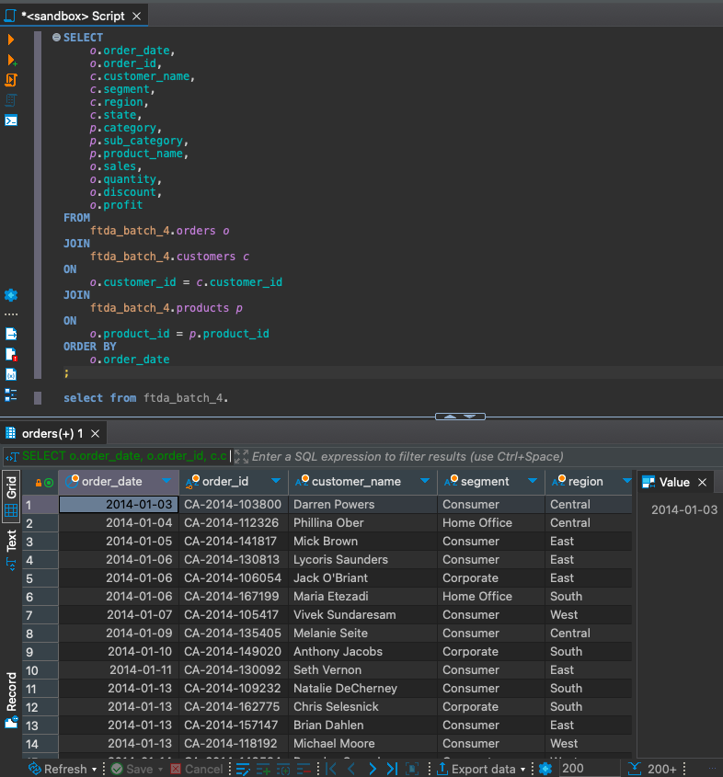

TOTAL SALES
TOTAL SALES
Row Labels | Sum of sales
2014 | 207415
2015 | 221268
2016 | 311969
2017 | 355968
Grand Total | 1096620

TOTAL PROFIT
TOTAL PROFIT
Row Labels | Sum of profit
Home Office | 30588
2014 | 5553
2015 | 5517
2016 | 4551
2017 | 14967
Corporate | 34109
2014 | 6332
2015 | 9125
2016 | 13412
2017 | 5240
Consumer | 66089
2014 | 8604
2015 | 9554
2016 | 24075
2017 | 23856
Grand Total | 130786

SALES BY REGION
TOTAL SALES BY REGION
Row Labels | Sum of sales
South | 190733
Central | 256573
East | 290807
West | 358507
Grand Total | 1096620

SALES BY SEGMENT
TOTAL SALES BY SEGMENT
Row Labels | Sum of sales
Home Office | 198475
Corporate | 341710
Consumer | 556435
Grand Total | 1096620

TOP 5 PRODUCT
Row Labels | Sum of quantity | Sum of sales
GBC DocuBind P400 Electric Binding System | 16 | 9253
HON 5400 Series Task Chairs for Big and Tall | 27 | 15629
HP Designjet T520 Inkjet Large Format Printer - 24" Color | 9 | 15748
GBC Ibimaster 500 Manual ProClick Binding System | 40 | 16433
Canon imageCLASS 2200 Advanced Copier | 11 | 30097
Grand Total | 103 | 87160
TOP 5 PRODUCT BY SALES

TREND SALES
TREND SALES BY MONTHS
Row Labels | Sum of sales
Jan | 50810
Feb | 36313
Mar | 74596
Apr | 70383
May | 85528
Jun | 84330
Jul | 59888
Aug | 81063
Sep | 120423
Oct | 88094
Nov | 172914
Dec | 172278
Grand Total | 1096620

