3
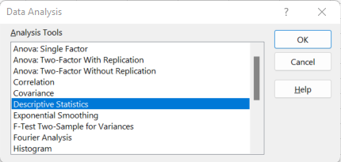
Month | LA | Descriptive Summary
January | 106
February | 123 | Mean | 140.75
March | 134 | Standard Error | 10.553704649
April | 104 | Median | 128.5
May | 123 | Mode | 123
June | 108 | Standard Deviation | 36.55910532
July | 112 | Sample Variance | 1336.5681818
August | 134 | Kurtosis | -0.48221133476
September | 165 | Skewness | 0.87770582156
October | 178 | Range | 109
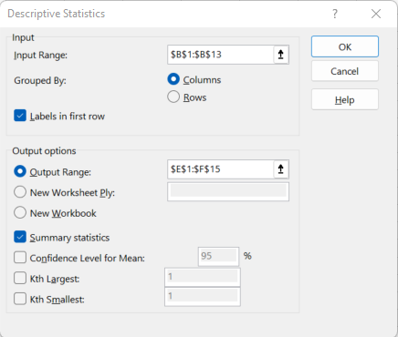
November | 213 | Minimum | 104
December | 189 | Maximum | 213
 |  | Sum | 1689
Coffee shares |  | Count | 12

Mean | 140.75
Standard Error | 10.553704649
Median | 128.5
Mode | 123
Standard Deviation | 36.55910532
Sample Variance | 1336.5681818
Kurtosis | -0.48221133476
Skewness | 0.87770582156
Range | 109
Minimum | 104
Maximum | 213
Sum | 1689
Count | 12

4
Weddings

Couple's Income | Bride's age | Payor | Wedding cost | Attendance | Value Rating | Correlation (Manual) | Data Analysis tool - Correlation
$130,000 | 22 | Bride's Parents | $60,700.00 | 300 | 3 | 0.73329291503 |  | Wedding cost | Attendance
$157,000 | 23 | Bride's Parents | $52,000.00 | 350 | 1 |  | Wedding cost | 1
$98,000 | 27 | Bride & Groom | $47,000.00 | 150 | 3 |  | Attendance | 0.73329291503 | 1
$72,000 | 29 | Bride & Groom | $42,000.00 | 200 | 5
$86,000 | 25 | Bride's Parents | $34,000.00 | 250 | 3
$90,000 | 28 | Bride & Groom | $30,500.00 | 150 | 3
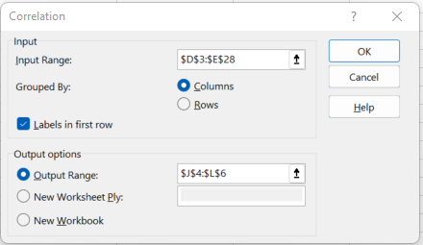
$43,000 | 19 | Bride & Groom | $30,000.00 | 250 | 3
$100,000 | 30 | Bride & Groom | $30,000.00 | 300 | 3
$65,000 | 24 | Bride's Parents | $28,000.00 | 250 | 3
$78,000 | 35 | Bride & Groom | $26,000.00 | 200 | 5
$73,000 | 25 | Bride's Parents | $25,000.00 | 150 | 5
$75,000 | 27 | Bride & Groom | $24,000.00 | 200 | 5
$64,000 | 25 | Bride's Parents | $24,000.00 | 200 | 1
$67,000 | 27 | Groom's Parents | $22,000.00 | 200 | 5
$75,000 | 25 | Bride's Parents | $20,000.00 | 200 | 5
$67,000 | 30 | Bride's Parents | $20,000.00 | 200 | 5
$62,000 | 21 | Groom's Parents | $20,000.00 | 100 | 1
$75,000 | 19 | Bride's Parents | $19,000.00 | 150 | 3
$52,000 | 23 | Bride's Parents | $19,000.00 | 200 | 1
$64,000 | 22 | Bride's Parents | $18,000.00 | 150 | 1
$55,000 | 28 | Bride's Parents | $16,000.00 | 100 | 5
$53,000 | 31 | Bride & Groom | $14,000.00 | 100 | 1
$62,000 | 24 | Bride's Parents | $13,000.00 | 150 | 1
$40,000 | 26 | Bride's Parents | $7,000.00 | 50 | 3
$45,000 | 32 | Bride & Groom | $5,000.00 | 50 | 5

5
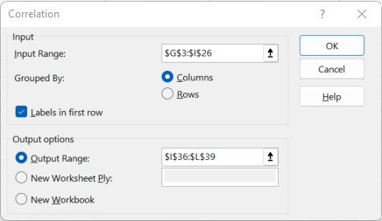

Rin's Gym

Gender | Body Type | BMI Classification | BMI Calculation | Time Spent in Gym | Pant size (inches) | Weight | Height (inches) | Weight Lift (Days) | Lifiting Session (Mins) | Running Times (Hours) | Distance of Run (Miles)
F | Thin | Obese | 18.54 | 0 | 25 | 108 | 64 | 0 | 0 | 0.67 | 3
M | Muscular | Obese | 23.40 | 198 | 30 | 145 | 66 | 3 | 60 | 0.50 | 3
M | Athletic | Obese | 21.79 | 198 | 30 | 135 | 66 | 3 | 60 | 0.50 | 4
F | Athletic | Obese | 27.46 | 128 | 32 | 160 | 64 | 2 | 30 | 0.67 | 4
M | Muscular | Muscular | 28.29 | 363.75 | 33 | 213 | 73 | 5 | 150 | 0.12 | 1
F | Athletic | Obese | 21.16 | 305 | 23 | 112 | 61 | 5 | 90 | 0.33 | 2
M | Average | Obese | 30.42 | 207 | 35 | 206 | 69 | 3 | 60 | 0.00 | 0
M | Average | Obese | 24.22 | 345 | 31 | 164 | 69 | 5 | 75 | 0.00 | 0
F | Average | Obese | 21.92 | 0 | 27 | 116 | 61 | 0 | 0 | 0.00 | 0
M | Muscular | Muscular | 33.47 | 71 | 36 | 240 | 71 | 1 | 60 | 0.50 | 1
M | Athletic | Obese | 23.12 | 300 | 33 | 185 | 75 | 4 | 75 | 0.50 | 5
M | Average | Obese | 27.98 | 140 | 32 | 195 | 70 | 2 | 60 | 0.50 | 4
M | Muscular | Muscular | 25.09 | 204 | 32 | 165 | 68 | 3 | 75 | 0.00 | 0
F | Round | Obese | 26.58 | 207 | 34 | 180 | 69 | 3 | 30 | 0.25 | 1.5
F | Average | Obese | 22.80 | 136 | 30 | 150 | 68 | 2 | 45 | 0.75 | 3
M | Round | Obese | 35.73 | 136 | 39 | 235 | 68 | 2 | 45 | 0.58 | 1
M | Muscular | Muscular | 25.10 | 276 | 32 | 170 | 69 | 4 | 75 | 0.50 | 2
F | Athletic | Obese | 19.84 | 122 | 26 | 105 | 61 | 2 | 30 | 0.67 | 2
F | Thin | Obese | 18.30 | 130 | 25 | 110 | 65 | 2 | 30 | 0.67 | 4
F | Average | Obese | 21.38 | 0 | 30 | 149 | 70 | 0 | 0 | 0.50 | 3
M | Average | Obese | 29.29 | 0 | 34 | 210 | 71 | 0 | 0 | 0.00 | 0
M | Athletic | Obese | 22.50 | 136 | 31 | 148 | 68 | 2 | 60 | 0.25 | 2
F | Average | Obese | 24.13 | 130 | 28 | 145 | 65 | 2 | 30 | 0.42 | 2

 |  | Manual |  |  |  |  | Manual
 |  | Covariances | BMI Calculation | Weight | Height (inches) |  | Correlations | BMI Calculation | Weight | Height (inches)
 |  | BMI Calculation | 19.219436269 | 160.80840333 | 7.7446977864 |  | BMI Calculation | 1 | 0.9328627296 | 0.4878034203
 |  | Weight | 160.80840333 | 1546.1134216 | 109.01323251 |  | Weight | 0.9328627296 | 1 | 0.76554236749
 |  | Height (inches) | 7.7446977864 | 109.01323251 | 13.115311909 |  | Height (inches) | 0.4878034203 | 0.76554236749 | 1

 |  | Data Analysis tool - Covariance |  |  |  |  | Data Analysis tool - Correlation
 |  |  | BMI Calculation | Weight | Height (inches) |  |  | BMI Calculation | Weight | Height (inches)
 |  | BMI Calculation | 19.219436269 |  |  |  | BMI Calculation | 1
 |  | Weight | 160.80840333 | 1546.1134216 |  |  | Weight | 0.9328627296 | 1
 |  | Height (inches) | 7.7446977864 | 109.01323251 | 13.115311909 |  | Height (inches) | 0.4878034203 | 0.76554236749 | 1

