Summary
Content Intelligence Report · Marketing Summary
Generated: 09 June 2026 | Based on 300 posts (2023–2026)

Key Metrics
Total Posts | Avg Value Score | Median Score | Top 25% (≥) | Top 10% (≥)
300 | 58.3 | 58.6 | 69.8 | 77.8

Tier Breakdown
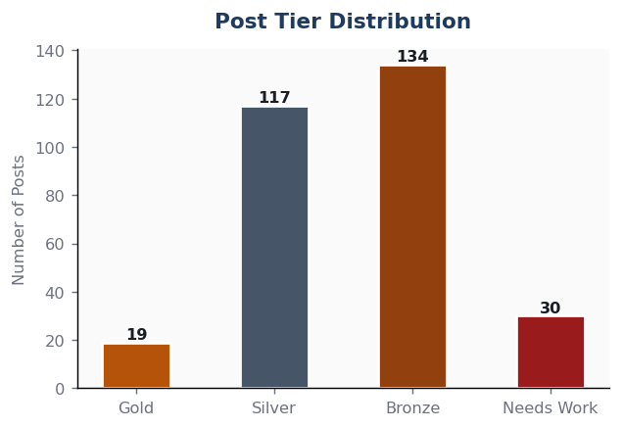

Top 3 Insights
🏆 Best performing category | Programs & Enrolments
⚠️ Needs most attention | Equipment Upgrades
📅 Content gap month | September — below-average post volume historically

What's Working
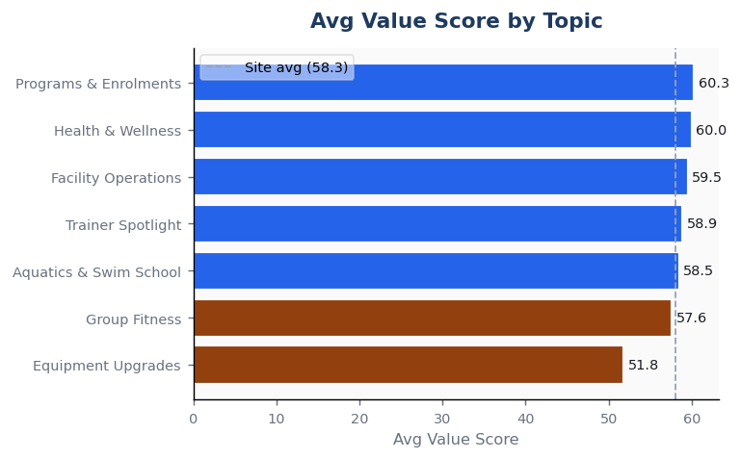
What's Working — Top Performers

Top 10 Posts by Value Score
Title | Category | Tier | Score | Read (min)
Winter Facility Opening Hours Schedule | Facility Operations | Gold | 89.4 | 3
Swim School Enrolments Now Open for Term 2 | Aquatics & Swim School | Gold | 87.8 | 2
Spring Facility Opening Hours Schedule | Facility Operations | Gold | 87.4 | 4
School Holiday Activity Program - Bookings Open! | Programs & Enrolments | Gold | 86.2 | 2
Why You Should Add Senior Functional Fitness to Your Weekly Routine | Group Fitness | Gold | 84.8 | 3
Upcoming Temporary Closure: 25m Indoor Heated Pool Maintenance | Aquatics & Swim School | Gold | 84.5 | 2
New Upgrade: Brand New Concept2 Rowers Arriving Soon! | Equipment Upgrades | Gold | 84.4 | 2
Group Fitness Timetable Update - Effective December 2025 | Group Fitness | Gold | 83.6 | 2
The Surprising Health Benefits of Aqua Aerobics | Health & Wellness | Gold | 82.8 | 2
Summer Facility Opening Hours Schedule | Facility Operations | Gold | 82.7 | 2

Average Value Score by Topic Category

Content Gaps
Content Gaps — Where to Focus Next

Monthly Publishing Volume
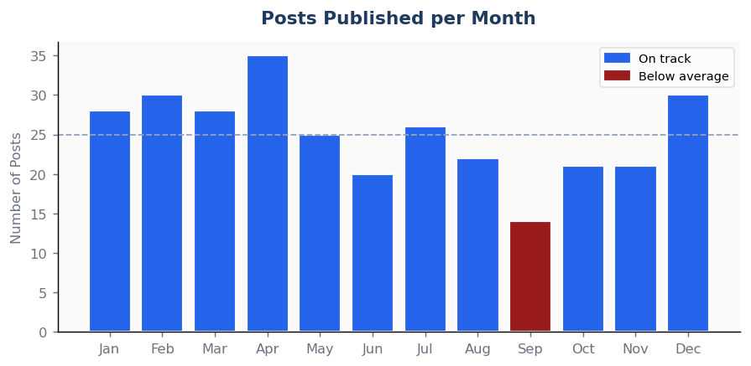

Underperforming Topic Categories
Topic Category | Avg Score | vs Site Avg | Suggested Action
Equipment Upgrades | 51.8 | -6.3 | Below-average pillar — review SEO quality and content depth.
Group Fitness | 57.6 | -0.5 | Below-average pillar — review SEO quality and content depth.

Seasonal Content Gaps
September | 14 posts (avg 25) | Content volume below average — plan 1–2 extra posts this month.

