ImportantDisclosures
1585 Broadway
New York, NY 10036-8293
United States
Tel: +1 (1)212 761 4000

Authors: Matthew Harrison
Date: 13 Apr 2018

Ticker: REGN.O
Stock Rating: Equal-Weight
Industry: Biotechnology
Industry View: In-Line
Price as of 13 Apr 2018: 323.22
Target Price: 400

e = Morgan Stanley Research estimates unless otherwise noted

Source: Morgan Stanley Research unless otherwise noted

Stocks ratings are relative to the analyst's industry coverage universe.

Morgan Stanley does and seeks to do business with companies covered in Morgan Stanley Research. As a
result, investors should be aware that the firm may have a conflict of interest that could affect the
objectivity of Morgan Stanley Research. Investors should consider Morgan Stanley Research as only a
single factor in making their investment decision.

The information and opinions in Morgan Stanley Research were prepared by Morgan Stanley & Co. LLC,
and/or Morgan Stanley C.T.V.M. S.A., and/or Morgan Stanley Mexico, Casa de Bolsa, S.A. de C.V., and/or
Morgan Stanley Canada Limited. As used in this disclosure section, "Morgan Stanley" includes Morgan
Stanley & Co. LLC, Morgan Stanley C.T.V.M. S.A., Morgan Stanley Mexico, Casa de Bolsa, S.A. de C.V.,
Morgan Stanley Canada Limited and their affiliates as necessary.

For important disclosures, stock price charts and equity rating histories regarding companies that are
the subject of this report, please see the Morgan Stanley Research Disclosure Website at
www.morganstanley.com/researchdisclosures, or contact your investment representative or Morgan Stanley
Research at 1585 Broadway, (Attention: Research Management), New York, NY, 10036 USA.

For valuation methodology and risks associated with any recommendation, rating or price target
referenced in this research report, please contact the Client Support Team as follows: US/Canada +1 800
303-2495; Hong Kong +852 2848-5999; Latin America +1 718 754-5444 (U.S.); London +44 (0)20-7425-8169;
Singapore +65 6834-6860; Sydney +61 (0)2-9770-1505; Tokyo +81 (0)3-6836-9000. Alternatively you may
contact your investment representative or Morgan Stanley Research at 1585 Broadway, (Attention: Research
Management), New York, NY 10036 USA.

Analyst Certification

The following analysts hereby certify that their views about the companies and their securities
discussed in this report are accurately expressed and that they have not received and will not receive
direct or indirect compensation in exchange for expressing specific recommendations or views in this
report: Matthew Harrison.

Unless otherwise stated, the individuals listed on the cover page of this report are research analysts.

Global Research Conflict Management Policy

Morgan Stanley Research has been published in accordance with our conflict management policy, which is
available at www.morganstanley.com/institutional/research/conflictpolicies.

Important US Regulatory Disclosures on Subject Companies

In the next 3 months, Morgan Stanley expects to receive or intends to seek compensation for investment
banking services from Regeneron Pharmaceuticals Inc..

Within the last 12 months, Morgan Stanley has provided or is providing investment banking services to,
or has an investment banking client relationship with, the following company: Regeneron Pharmaceuticals
Inc..

Within the last 12 months, Morgan Stanley has either provided or is providing non-investment banking,
securities-related services to and/or in the past has entered into an agreement to provide services or
has a client relationship with the following company: Regeneron Pharmaceuticals Inc..

Morgan Stanley & Co. LLC makes a market in the securities of Regeneron Pharmaceuticals Inc..

The equity research analysts or strategists principally responsible for the preparation of Morgan
Stanley Research have received compensation based upon various factors, including quality of research,
investor client feedback, stock picking, competitive factors, firm revenues and overall investment
banking revenues. Equity Research analysts' or strategists' compensation is not linked to investment
banking or capital markets transactions performed by Morgan Stanley or the profitability or revenues of
particular trading desks.

Morgan Stanley and its affiliates do business that relates to companies/instruments covered in Morgan
Stanley Research, including market making, providing liquidity, fund management, commercial banking,
extension of credit, investment services and investment banking. Morgan Stanley sells to and buys from
customers the securities/instruments of companies covered in Morgan Stanley Research on a principal
basis. Morgan Stanley may have a position in the debt of the Company or instruments discussed in this
report. Morgan Stanley trades or may trade as principal in the debt securities (or in related
derivatives) that are the subject of the debt research report.

Certain disclosures listed above are also for compliance with applicable regulations in non-US
jurisdictions.

STOCK RATINGS

Morgan Stanley uses a relative rating system using terms such as Overweight, Equal-weight, Not-Rated or
Underweight (see definitions below). Morgan Stanley does not assign ratings of Buy, Hold or Sell to the
stocks we cover. Overweight, Equal-weight, Not-Rated and Underweight are not the equivalent of buy, hold
and sell. Investors should carefully read the definitions of all ratings used in Morgan Stanley
Research. In addition, since Morgan Stanley Research contains more complete information concerning the
analyst's views, investors should carefully read Morgan Stanley Research, in its entirety, and not infer
the contents from the rating alone. In any case, ratings (or research) should not be used or relied upon
as investment advice. An investor's decision to buy or sell a stock should depend on individual
circumstances (such as the investor's existing holdings) and other considerations.

Global Stock Ratings Distribution
(as of March 31, 2018)

The Stock Ratings described below apply to Morgan Stanley's Fundamental Equity Research and do not apply
to Debt Research produced by the Firm.

For disclosure purposes only (in accordance with NASD and NYSE requirements), we include the category
headings of Buy, Hold, and Sell alongside our ratings of Overweight, Equal-weight, Not-Rated and
Underweight. Morgan Stanley does not assign ratings of Buy, Hold or Sell to the stocks we cover.
Overweight, Equal-weight, Not-Rated and Underweight are not the equivalent of buy, hold, and sell but
represent recommended relative weightings (see definitions below). To satisfy regulatory requirements,
we correspond Overweight, our most positive stock rating, with a buy recommendation; we correspond
Equal-weight and Not-Rated to hold and Underweight to sell recommendations, respectively.

 | Coverage Universe |  | Investment Banking Clients (IBC) |  |  | Other Material Investment Services Clients (MISC)
Stock Rating Category | Count | % of Total | Count | % of Total IBC | % of Rating Category | Count | % of Total Other MISC
Overweight/Buy | 1189 | 38% | 315 | 41% | 26% | 555 | 39%
Equal-weight/Hold | 1355 | 43% | 364 | 47% | 27% | 644 | 45%
Not-Rated/Hold | 53 | 2% | 4 | 1% | 8% | 7 | 0%
Underweight/Sell | 545 | 17% | 84 | 11% | 15% | 214 | 15%
Total | 3,142 |  | 767 |  |  | 1420

Data include common stock and ADRs currently assigned ratings. Investment Banking Clients are companies
from whom Morgan Stanley received investment banking compensation in the last 12 months. Due to rounding
off of decimals, the percentages provided in the "% of total" column may not add up to exactly 100
percent.

Analyst Stock Ratings

Overweight (O). The stock's total return is expected to exceed the average total return of the analyst's
industry (or industry team's) coverage universe, on a risk-adjusted basis, over the next 12-18 months.

Equal-weight (E). The stock's total return is expected to be in line with the average total return of
the analyst's industry (or industry team's) coverage universe, on a risk-adjusted basis, over the next
12-18 months.

Not-Rated (NR). Currently the analyst does not have adequate conviction about the stock's total return
relative to the average total return of the analyst's industry (or industry team's) coverage universe,
on a risk-adjusted basis, over the next 12-18 months.

Underweight (U). The stock's total return is expected to be below the average total return of the
analyst's industry (or industry team's) coverage universe, on a risk-adjusted basis, over the next 12-18
months.

Unless otherwise specified, the time frame for price targets included in Morgan Stanley Research is 12
to 18 months.

Analyst Industry Views

Attractive (A): The analyst expects the performance of his or her industry coverage universe over the
next 12-18 months to be attractive vs. the relevant broad market benchmark, as indicated below.

In-Line (I): The analyst expects the performance of his or her industry coverage universe over the next
12-18 months to be in line with the relevant broad market benchmark, as indicated below.

Cautious (C): The analyst views the performance of his or her industry coverage universe over the next
12-18 months with caution vs. the relevant broad market benchmark, as indicated below.

Benchmarks for each region are as follows: North America - S&P 500; Latin America - relevant MSCI
country index or MSCI Latin America Index; Europe - MSCI Europe; Japan - TOPIX; Asia - relevant MSCI
country index or MSCI sub-regional index or MSCI AC Asia Pacific ex Japan Index.

.

Stock Price, Price Target and Rating History (See Rating Definitions)

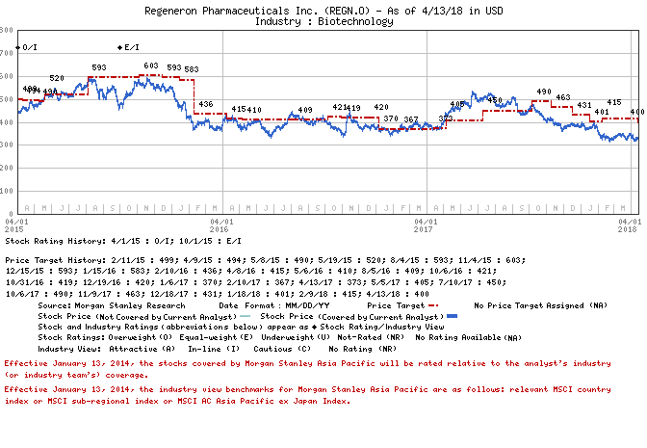

Important Disclosures for Morgan Stanley Smith Barney LLC Customers

Important disclosures regarding the relationship between the companies that are the subject of Morgan
Stanley Research and Morgan Stanley Smith Barney LLC or Morgan Stanley or any of their affiliates, are
available on the Morgan Stanley Wealth Management disclosure website at
www.morganstanley.com/online/researchdisclosures. For Morgan Stanley specific disclosures, you may refer
to www.morganstanley.com/researchdisclosures.

Each Morgan Stanley Equity Research report is reviewed and approved on behalf of Morgan Stanley Smith
Barney LLC. This review and approval is conducted by the same person who reviews the Equity Research
report on behalf of Morgan Stanley. This could create a conflict of interest.
Other Important Disclosures

Morgan Stanley & Co. International PLC and its affiliates have a significant financial interest in the
debt securities of Regeneron Pharmaceuticals Inc..

Morgan Stanley Research policy is to update research reports as and when the Research Analyst and
Research Management deem appropriate, based on developments with the issuer, the sector, or the market
that may have a material impact on the research views or opinions stated therein. In addition, certain
Research publications are intended to be updated on a regular periodic basis
(weekly/monthly/quarterly/annual) and will ordinarily be updated with that frequency, unless the
Research Analyst and Research Management determine that a different publication schedule is appropriate
based on current conditions.

Morgan Stanley is not acting as a municipal advisor and the opinions or views contained herein are not
intended to be, and do not constitute, advice within the meaning of Section 975 of the Dodd-Frank Wall
Street Reform and Consumer Protection Act.

Morgan Stanley produces an equity research product called a "Tactical Idea." Views contained in a
"Tactical Idea" on a particular stock may be contrary to the recommendations or views expressed in
research on the same stock. This may be the result of differing time horizons, methodologies, market
events, or other factors. For all research available on a particular stock, please contact your sales
representative or go to Matrix at http://www.morganstanley.com/matrix.

Morgan Stanley Research is provided to our clients through our proprietary research portal on Matrix and
also distributed electronically by Morgan Stanley to clients. Certain, but not all, Morgan Stanley
Research products are also made available to clients through third-party vendors or redistributed to
clients through alternate electronic means as a convenience. For access to all available Morgan Stanley
Research, please contact your sales representative or go to Matrix at
http://www.morganstanley.com/matrix.

Any access and/or use of Morgan Stanley Research is subject to Morgan Stanley's Terms of Use
(http://www.morganstanley.com/terms.html). By accessing and/or using Morgan Stanley Research, you are
indicating that you have read and agree to be bound by our Terms of Use
(http://www.morganstanley.com/terms.html). In addition you consent to Morgan Stanley processing your
personal data and using cookies in accordance with our Privacy Policy and our Global Cookies Policy
(http://www.morganstanley.com/privacy_pledge.html), including for the purposes of setting your
preferences and to collect readership data so that we can deliver better and more personalized service
and products to you. To find out more information about how Morgan Stanley processes personal data, how
we use cookies and how to reject cookies see our Privacy Policy and our Global Cookies Policy
(http://www.morganstanley.com/privacy_pledge.html).

If you do not agree to our Terms of Use and/or if you do not wish to provide your consent to Morgan
Stanley processing your personal data or using cookies please do not access our research.

Morgan Stanley Research does not provide individually tailored investment advice. Morgan Stanley
Research has been prepared without regard to the circumstances and objectives of those who receive it.
Morgan Stanley recommends that investors independently evaluate particular investments and strategies,
and encourages investors to seek the advice of a financial adviser. The appropriateness of an investment
or strategy will depend on an investor's circumstances and objectives. The securities, instruments, or
strategies discussed in Morgan Stanley Research may not be suitable for all investors, and certain
investors may not be eligible to purchase or participate in some or all of them. Morgan Stanley Research
is not an offer to buy or sell or the solicitation of an offer to buy or sell any security/instrument or
to participate in any particular trading strategy. The value of and income from your investments may
vary because of changes in interest rates, foreign exchange rates, default rates, prepayment rates,
securities/instruments prices, market indexes, operational or financial conditions of companies or other
factors. There may be time limitations on the exercise of options or other rights in
securities/instruments transactions. Past performance is not necessarily a guide to future performance.
Estimates of future performance are based on assumptions that may not be realized. If provided, and
unless otherwise stated, the closing price on the cover page is that of the primary exchange for the
subject company's securities/instruments.

The fixed income research analysts, strategists or economists principally responsible for the
preparation of Morgan Stanley Research have received compensation based upon various factors, including
quality, accuracy and value of research, firm profitability or revenues (which include fixed income
trading and capital markets profitability or revenues), client feedback and competitive factors. Fixed
Income Research analysts', strategists' or economists' compensation is not linked to investment banking
or capital markets transactions performed by Morgan Stanley or the profitability or revenues of
particular trading desks.

The "Important US Regulatory Disclosures on Subject Companies" section in Morgan Stanley Research lists
all companies mentioned where Morgan Stanley owns 1% or more of a class of common equity securities of
the companies. For all other companies mentioned in Morgan Stanley Research, Morgan Stanley may have an
investment of less than 1% in securities/instruments or derivatives of securities/instruments of
companies and may trade them in ways different from those discussed in Morgan Stanley Research.
Employees of Morgan Stanley not involved in the preparation of Morgan Stanley Research may have
investments in securities/instruments or derivatives of securities/instruments of companies mentioned
and may trade them in ways different from those discussed in Morgan Stanley Research. Derivatives may be
issued by Morgan Stanley or associated persons.

With the exception of information regarding Morgan Stanley, Morgan Stanley Research is based on public
information. Morgan Stanley makes every effort to use reliable, comprehensive information, but we make
no representation that it is accurate or complete. We have no obligation to tell you when opinions or
information in Morgan Stanley Research change apart from when we intend to discontinue equity research
coverage of a subject company. Facts and views presented in Morgan Stanley Research have not been
reviewed by, and may not reflect information known to, professionals in other Morgan Stanley business
areas, including investment banking personnel.

Morgan Stanley Research personnel may participate in company events such as site visits and are
generally prohibited from accepting payment by the company of associated expenses unless pre-approved by
authorized members of Research management.

Morgan Stanley may make investment decisions that are inconsistent with the recommendations or views in
this report.

To our readers based in Taiwan or trading in Taiwan securities/instruments: Information on
securities/instruments that trade in Taiwan is distributed by Morgan Stanley Taiwan Limited ("MSTL").
Such information is for your reference only. The reader should independently evaluate the investment
risks and is solely responsible for their investment decisions. Morgan Stanley Research may not be
distributed to the public media or quoted or used by the public media without the express written
consent of Morgan Stanley. Any non-customer reader within the scope of Article 7-1 of the Taiwan Stock
Exchange Recommendation Regulations accessing and/or receiving Morgan Stanley Research is not permitted
to provide Morgan Stanley Research to any third party (including but not limited to related parties,
affiliated companies and any other third parties) or engage in any activities regarding Morgan Stanley
Research which may create or give the appearance of creating a conflict of interest. Information on
securities/instruments that do not trade in Taiwan is for informational purposes only and is not to be
construed as a recommendation or a solicitation to trade in such securities/instruments. MSTL may not
execute transactions for clients in these securities/instruments.

Morgan Stanley is not incorporated under PRC law and the research in relation to this report is
conducted outside the PRC. Morgan Stanley Research does not constitute an offer to sell or the
solicitation of an offer to buy any securities in the PRC. PRC investors shall have the relevant
qualifications to invest in such securities and shall be responsible for obtaining all relevant
approvals, licenses, verifications and/or registrations from the relevant governmental authorities
themselves. Neither this report nor any part of it is intended as, or shall constitute, provision of any
consultancy or advisory service of securities investment as defined under PRC law. Such information is
provided for your reference only.

Morgan Stanley Research is disseminated in Brazil by Morgan Stanley C.T.V.M. S.A.; in Mexico by Morgan
Stanley México, Casa de Bolsa, S.A. de C.V which is regulated by Comision Nacional Bancaria y de
Valores. Paseo de los Tamarindos 90, Torre 1, Col. Bosques de las Lomas Floor 29, 05120 Mexico City; in
Japan by Morgan Stanley MUFG Securities Co., Ltd. and, for Commodities related research reports only,
Morgan Stanley Capital Group Japan Co., Ltd; in Hong Kong by Morgan Stanley Asia Limited (which accepts
responsibility for its contents) and by Morgan Stanley Asia International Limited, Hong Kong Branch; in
Singapore by Morgan Stanley Asia (Singapore) Pte. (Registration number 199206298Z) and/or Morgan Stanley
Asia (Singapore) Securities Pte Ltd (Registration number 200008434H), regulated by the Monetary
Authority of Singapore (which accepts legal responsibility for its contents and should be contacted with
respect to any matters arising from, or in connection with, Morgan Stanley Research) and by Morgan
Stanley Asia International Limited, Singapore Branch (Registration number T11FC0207F); in Australia to
"wholesale clients" within the meaning of the Australian Corporations Act by Morgan Stanley Australia
Limited A.B.N. 67 003 734 576, holder of Australian financial services license No. 233742, which accepts
responsibility for its contents; in Australia to "wholesale clients" and "retail clients" within the
meaning of the Australian Corporations Act by Morgan Stanley Wealth Management Australia Pty Ltd (A.B.N.
19 009 145 555, holder of Australian financial services license No. 240813, which accepts responsibility
for its contents; in Korea by Morgan Stanley & Co International plc, Seoul Branch; in India by Morgan
Stanley India Company Private Limited; in Indonesia by PT. Morgan Stanley Sekuritas Indonesia; in Canada
by Morgan Stanley Canada Limited, which has approved of and takes responsibility for its contents in
Canada; in Germany by Morgan Stanley Bank AG, Frankfurt am Main and Morgan Stanley Private Wealth
Management Limited, Niederlassung Deutschland, regulated by Bundesanstalt fuer
Finanzdienstleistungsaufsicht (BaFin); in Spain by Morgan Stanley, S.V., S.A., a Morgan Stanley group
company, which is supervised by the Spanish Securities Markets Commission (CNMV) and states that Morgan
Stanley Research has been written and distributed in accordance with the rules of conduct applicable to
financial research as established under Spanish regulations; in the US by Morgan Stanley & Co. LLC,
which accepts responsibility for its contents. Morgan Stanley & Co. International plc, authorized by the
Prudential Regulatory Authority and regulated by the Financial Conduct Authority and the Prudential
Regulatory Authority, disseminates in the UK research that it has prepared, and approves solely for the
purposes of section 21 of the Financial Services and Markets Act 2000, research which has been prepared
by any of its affiliates. RMB Morgan Stanley Proprietary Limited is a member of the JSE Limited and
regulated by the Financial Services Board in South Africa. RMB Morgan Stanley Proprietary Limited is a
joint venture owned equally by Morgan Stanley International Holdings Inc. and RMB Investment Advisory
(Proprietary) Limited, which is wholly owned by FirstRand Limited. The information in Morgan Stanley
Research is being disseminated by Morgan Stanley Saudi Arabia, regulated by the Capital Market Authority
in the Kingdom of Saudi Arabia , and is directed at Sophisticated investors only.

The information in Morgan Stanley Research is being communicated by Morgan Stanley & Co. International
plc (DIFC Branch), regulated by the Dubai Financial Services Authority (the DFSA), and is directed at
Professional Clients only, as defined by the DFSA. The financial products or financial services to which
this research relates will only be made available to a customer who we are satisfied meets the
regulatory criteria to be a Professional Client.

The information in Morgan Stanley Research is being communicated by Morgan Stanley & Co. International
plc (QFC Branch), regulated by the Qatar Financial Centre Regulatory Authority (the QFCRA), and is
directed at business customers and market counterparties only and is not intended for Retail Customers
as defined by the QFCRA.

As required by the Capital Markets Board of Turkey, investment information, comments and recommendations
stated here, are not within the scope of investment advisory activity. Investment advisory service is
provided exclusively to persons based on their risk and income preferences by the authorized firms.
Comments and recommendations stated here are general in nature. These opinions may not fit to your
financial status, risk and return preferences. For this reason, to make an investment decision by
relying solely to this information stated here may not bring about outcomes that fit your expectations.

The trademarks and service marks contained in Morgan Stanley Research are the property of their
respective owners. Third-party data providers make no warranties or representations relating to the
accuracy, completeness, or timeliness of the data they provide and shall not have liability for any
damages relating to such data. The Global Industry Classification Standard (GICS) was developed by and
is the exclusive property of MSCI and S&P.

Morgan Stanley Research, or any portion thereof may not be reprinted, sold or redistributed without the
written consent of Morgan Stanley.

© Copyright 2018 Morgan Stanley

Eosinophilic Asthma
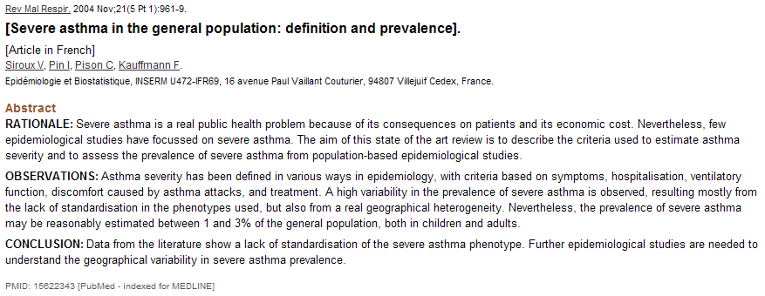
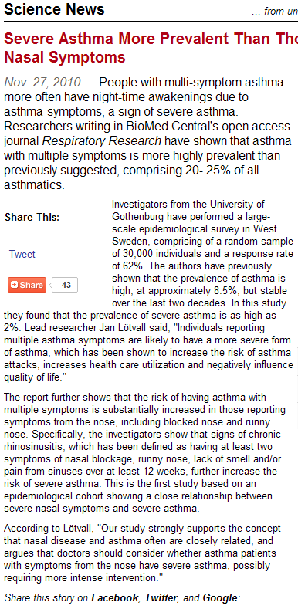
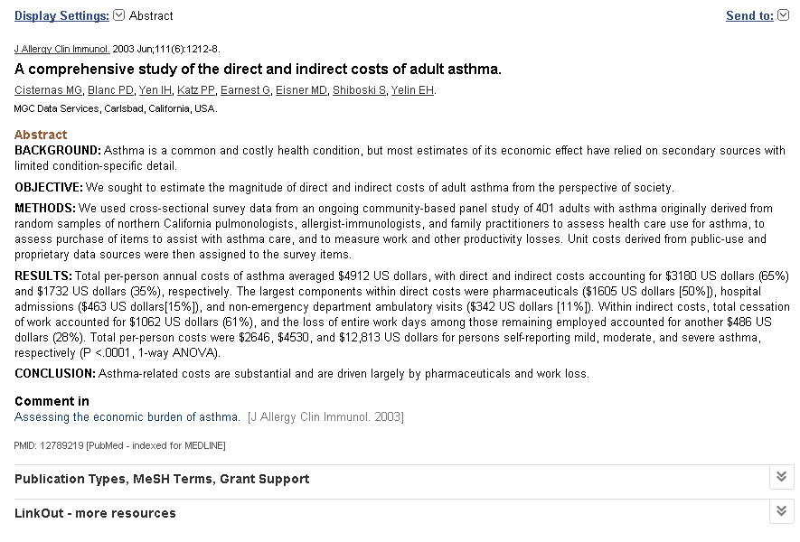
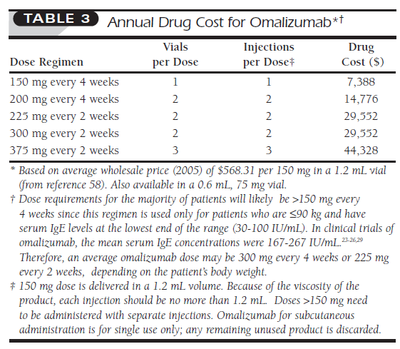
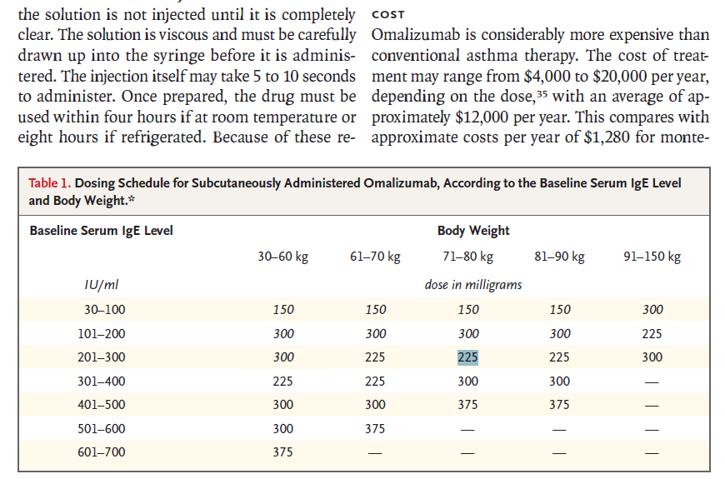
 |  | 2018 | 2019 | 2020 | 2021 | 2022 | 2023 | 2024 | 2025
 | US Population (MM) | 332 | 336 | 339 | 342 | 345 | 348 | 351 | 355
 | Prevalence of Asthma (MM) | 28 | 29 | 29 | 29 | 29 | 30 | 30 | 30
 | Prevalence of Severe Asthma (MM) | 7.1 | 7.1 | 7.2 | 7.3 | 7.3 | 7.4 | 7.5 | 7.5
 | Prevalence of chronic eosinophilic asthma uncontrolled by ICS (MM) | 2.5 | 2.5 | 2.5 | 2.5 | 2.6 | 2.6 | 2.6 | 2.6
 | % w / chronic eosinophilic disease uncontrolled by ICS | 35% | 35% | 35% | 35% | 35% | 35% | 35% | 35%
 | Dupilumab Patients (K) | 4 | 10 | 23 | 38 | 51 | 62 | 71 | 77
 |  | 0.7 | 1 | 1.4 | 1.8 | 2.2 | 2.6 | 3 | 3.4 | Hill Coeff | 3 | Range | 8 | Peak | 4%
 |  | 0% | 1% | 2% | 3% | 4% | 5% | 5% | 6%
 |  | 0% | 0% | 1% | 1% | 2% | 2% | 3% | 3%
 |  | 0% | 0% | 1% | 1% | 1% | 2% | 2% | 2%
X | Dupilumab Penetration | 0.1% | 0.4% | 0.9% | 1.5% | 2.0% | 2.4% | 2.7% | 2.9%
 | Price / pt / year | $26,000 | $27,300 | $28,665 | $30,098 | $31,603 | $33,183 | $34,842 | $36,585
 | Price Increases | 5% | 5% | 5% | 5% | 5% | 5% | 5% | 5%
 | Dupilumab EA Revenue ($MM) | $92.5 | $265 | $645 | $1,129 | $1,621 | $2,067 | $2,459 | $2,807

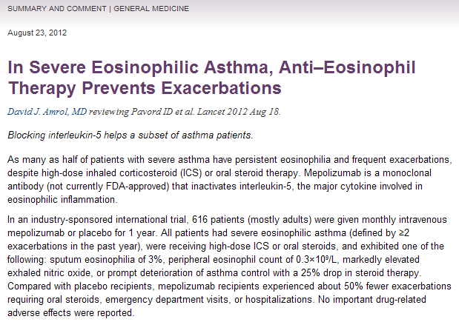
 |  | 2003 | 2004 | 2005 | 2006 | 2007 | 2008 | 2009
 |  | $25 | $189 | $328 | $427 | $472 | $517 | $571 |  |  |  |  |  |  |  | 3505 | $747.12 |  | 2013-04-02 | 180
 |  |  |  |  |  |  |  |  |  |  |  |  |  |  |  | 3325 | $718.38 |  | 2012-10-02 | 179
 |  |  |  |  |  |  |  |  |  |  |  |  |  |  |  | 3146 | $690.75 |  | 2012-04-03 | 179
 |  |  |  |  |  |  |  |  |  |  |  |  |  |  |  | 2967 | $664.18 |  | 2011-10-04 | 169
 |  |  |  |  |  |  |  |  |  |  |  |  |  |  |  | 2798 | $638.63 |  | 2011-04-15 | 194
 |  |  |  |  |  |  |  |  |  |  |  |  |  |  |  | 2604 | $614.07 |  | 2010-10-01 | 180
 |  |  |  |  |  |  |  |  |  |  |  |  |  |  |  | 2424 | $596.18 |  | 2010-04-01 | 180
 |  |  |  |  |  |  |  |  |  |  |  |  |  |  |  | 2244 | $578.82 |  | 2009-10-01 | 180
 |  |  |  |  |  |  |  |  |  |  |  |  |  |  |  | 2064 | $561.96 |  | 2009-04-01 | 180
 |  |  |  |  |  |  |  |  |  |  |  |  |  |  |  | 1884 | $542.96 |  | 2008-10-01 | 180
 |  |  |  |  |  |  |  |  |  |  |  |  |  |  |  | 1704 | $532.31 |  | 2008-04-01 | 172
 |  |  |  |  |  |  |  |  |  |  |  |  |  |  |  | 1532 | $519.33 |  | 2007-10-09 | 158
 |  |  |  |  |  |  |  |  |  |  |  |  |  |  |  | 1374 | $509.15 |  | 2007-05-01 | 194
 |  |  |  |  |  |  |  |  |  |  |  |  |  |  |  | 1180 | $496.73 |  | 2006-10-17 | 193
 |  |  |  |  |  |  |  |  |  |  |  |  |  |  |  | 987 | $486.99 |  | 2006-04-04 | 253
 |  |  |  |  |  |  |  |  |  |  |  |  |  |  |  | 734 | $475.11 |  | 2005-07-21 | 320
 |  |  |  |  |  |  |  |  |  |  |  |  |  |  |  | 414 | $454.65 |  | 2004-09-01 | 414
 |  |  |  |  |  |  |  |  |  |  |  |  |  |  |  | 0 | $433.00 |  | 2003-07-07 | 0
 |  |  |  |  |  |  |  |  |  |  |  |  |  |  |  | 14.284931507 |  | 6.6%

Atopic Dermatitis
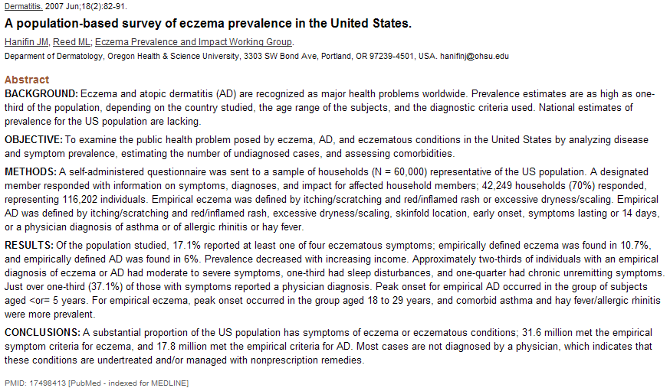
 |  | 2000 | 2010 | 2011 | 2012 | 2013 | 2014 | 2015 | 2016 | 2017 | 2018 | 2019 | 2020 | 2021 | 2022 | 2023 | 2024 | 2025
 | US Population (MM) | 281 | 309 | 312 | 314 | 317 | 320 | 323 | 326 | 329 | 332 | 336 | 339 | 342 | 345 | 348 | 351 | 355
 | Prevalence of Atopic Dermatitis (MM) | 17 | 19 | 19 | 19 | 19 | 19 | 19 | 20 | 20 | 20 | 20 | 20 | 21 | 21 | 21 | 21 | 21
 | % w / atopic dermatitis | 6% | 6% | 6% | 6% | 6% | 6% | 6% | 6% | 6% | 6% | 6% | 6% | 6% | 6% | 6% | 6% | 6%
 | Seeking Treatment | 6 | 6 | 6 | 6 | 6 | 6 | 6 | 6 | 7 | 7 | 7 | 7 | 7 | 7 | 7 | 7 | 7
 | % seeking treatment | 33% | 33% | 33% | 33% | 33% | 33% | 33% | 33% | 33% | 33% | 33% | 33% | 33% | 33% | 33% | 33% | 33%
 | AD uncontrolled by topicals | 1.4 | 1.5 | 1.5 | 1.6 | 1.6 | 1.6 | 1.6 | 1.6 | 1.6 | 1.6 | 1.7 | 1.7 | 1.7 | 1.7 | 1.7 | 1.7 | 1.8
 | % w / chronic unremitting symptoms | 25% | 25% | 25% | 25% | 25% | 25% | 25% | 25% | 25% | 25% | 25% | 25% | 25% | 25% | 25% | 25% | 25%
 | Dupilumab Patients (K) | 0 | 0 | 0 | 0 | 0 | 0 | 0 | 0 | 9 | 22 | 34 | 47 | 57 | 63 | 68 | 71 | 74
 |  |  |  |  |  |  |  |  | 0 | 1.065 | 1.565 | 1.965 | 2.465 | 2.965 | 3.465 | 3.965 | 4.465 | 4.965 | Hill Coeff | 3 | Range | 9 | Peak | 5%
 |  |  |  |  |  |  |  |  | 1% | 3% | 4% | 6% | 7% | 7% | 8% | 8% | 8% | 9%
 |  |  |  |  |  |  |  |  | 0% | 1% | 1% | 2% | 3% | 3% | 4% | 4% | 4% | 4%
 |  |  |  |  |  |  |  |  | 0% | 0% | 1% | 1% | 2% | 2% | 2% | 3% | 3% | 3%
X | Dupilumab Penetration |  |  |  |  |  |  |  | 0.0% | 0.5% | 1.3% | 2.1% | 2.8% | 3.3% | 3.7% | 3.9% | 4.1% | 4.2%
 | Price / pt / year |  |  |  |  |  |  |  | $26,000 | $27,300 | $28,665 | $30,098 | $31,603 | $33,183 | $34,842 | $36,585 | $38,414 | $40,335
 | Price Increases |  |  |  |  |  |  |  |  | 5% | 5% | 5% | 5% | 5% | 5% | 5% | 5% | 5%
 | Dupilumab AD Revenue ($MM) |  |  |  |  |  |  |  | $0 | $237 | $634 | $1,029 | $1,489 | $1,878 | $2,201 | $2,479 | $2,731 | $2,968

