Guidelines
IP5 Functional Requirements Library Template

Purpose:
The Functional Requirement template will be used to capture the required information needed for the IP5 Functional Requirement library in a format that can be used to import the objects into IP5.

Instructions:
1.) Use the guidelines below to populate the Functional Requirements template tab.

Template guidelines:
The table below details what information needs to be captured in the template. The columns in the table are explained below:
 | Required attributes: lists the attributes that are required for Functional Requirement objects
 | Field type: identifies how data is entered into the field (e.g. text, list, checkbox)
 | Placed: identifies which attributes are displayed visibly on the object
 | Required information: describes the necessary information required to populate the attribute and, where applicable, the naming convention

 | IndustryPrint 5 Attribute Information
 | Required attributes: | Field type: | Placed: | Required information:
 | Name | Text | Yes | Enter the Functional Requirement name in the following format: first 2 digits should represent the Team followed by a few key words. If there are a large number of Functional Requirements it may be helpful to follow the 2 digit team abbreviation with a second set of 2 digits for the Subteam.
 | Description | Text | No | Short description of the Functional Requirement without repeating words from the Name attribute unless necessary.
 | Author | Text | No | Name of the QA Lead who submitted the object to be added to the Functional Requirements library.
 | Team | Text | No | Name of the team responsible for meeting the Functional Requirement. For data consistency purposes make sure all team members are populating this field using identical names.
 | Gap Decision Solution Status | List | No | For your gap solution select one of the following from the dropdown: - Proposed - Approved - Rejected Depending on the gap solution and cost involved, approval may come from one or more levels of the project - team members, team leads, and/or PMO.
 | Fit/Gap | List | Yes | To indicate if standard SAP functionality meets the Functional Requirement select one of the following from the dropdown: - Fit - Gap
 | Gap Resolution Type | List | No | Please ONLY select one of the following values from the dropdown to indicate how the gap will be resolved: - Report - Interface - Conversion - Enhancement - Form - Workflow - Workaround - Process Change
 | Gap Resolution Description | Text | No | Short description of the proposed solution to meet the identified gap.
 | Project Scope | List | No | To reflect when in the project implementation timeline the requirement will be met/implemented select one of the following from the dropdown: - Release (Release 1-10) - Not In Scope - Undefined
 | Requirement ID | Text | Yes | Attribute will be autopopulated with the number of the Functional Requirement.
 | IP Code | Text | No | Enter the Task IP Code that is linked to the Functional Requirement. This will allow Functional Requirements to be automatically uploaded to the right location in ARIS.
 | Gap Description | Text | No | Describe how the Functional Requirement cannot be met with standard SAP functionality.
 | Gap Resolution Complexity | List | No | To indicate the complexity of the gap resolution select one of the following from the dropdown: - Very high - High - Average - Low - Very low For consistency purposes the complexities of all team gaps should be validated by Team Leads.
 | Priority | List | No | To indicate the priority of the gap being resolved in the manner proposed, select one from the dropdown: - Very high - High - Average - Low - Very low For consistency purposes the priorities of all team gaps should be validated by Team Leads.

 | The model / group information below will be used to direct the Librarian on how to structure the objects in the Functional Requirements library. The recommended approach is below. Discuss with your Method Coach and IP Lead if there is a required change to the structure of the project library (e.g. quantity of Functional Requirements means models need to be broken down further into subteams).
 | Library Structure
 | Required Information: | Structure Type: | Required information:
 | Process | Model | Dropdown value should be the Team and Subteam combination that the Functional Requirement should be grouped with in the library (e.g. SCIM - Supply Chain Inventory Management, HRPA - Human Resouces Personnel Administration, etc.).
 | Subprocess * | Model | If required, the Subprocess areas should be designated using Role types on the model (e.g. Purchasing, Benefits, Accounts Payable, etc.).
 | * Use if required

 | The tracking information below will be used to monitor when objects are imported into IP5 or what change have been made to existing objects. This info will not be uploaded to IP5.
 | Tracking Information
 | Required fields: | Required information:
 | Imported date | The date that the object was added to IP5. This will help differentiate what has and what has not been imported into IP5.
 | Requested Changes to Functional Requirement | Description of the requested changes for any previously imported Business Roles. Please only make these changes in this column; do not change any preexisting data.
 | Change Accepted? | Yes or No; have requested changes been accepted by the team (e.g. IP5 QA Leads)?
 | Change Import Date | The date the changes to the object were made in IP5. This will help differentiate what has and has not been modified in IP5.

Template mapping:

The template mapping shows how the information captured in the template translates over to the attributes in IP5.

 | How the information appears in the template:

 | How the information will appear in IP5:

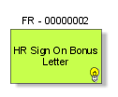

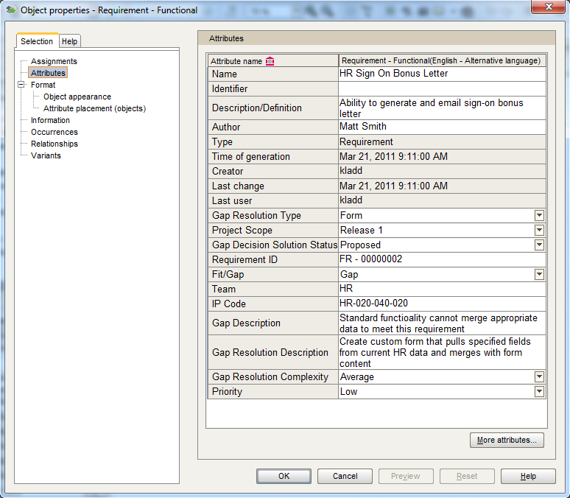

 |  |  |  |  |  |  |  |  |  |  |  |  |  | Subteam
 |  |  |  |  |  |  |  |  |  |  |  |  |  | FIDS – Decision Support
 |  |  |  |  |  |  |  |  |  |  |  |  |  | FIFA – Fixed Assets
 |  |  |  |  |  |  |  |  |  |  |  |  |  | FIGL – Financial Reporting
 |  |  |  |  | Author | Status | FG | Requirement | GRT | Scope | Complexity | Priority | Team | FIGR – General Reporting | Accepted
 |  |  |  |  | Anup Maheshwari | Proposed | Fit | Software | Report | Release 1 | Very high | Very high | FI – Finance | FIMB – Miscellaneous Billing | Yes
 |  |  |  |  | Patty Lam | Approved | Gap | Technology | Interface | Release 2 | High | High | HR – Human Resources | FIPA – Plant Accounting | No
 |  |  |  |  | Matt Mills | Rejected |  | Security | Conversion | Release 3 | Average | Average | P – Procurement | FIPL – Planning
 |  |  |  |  |  |  |  | Controls | Enhancement | Release 4 | Low | Low | SC – Supply Chain | FIPS – Project System
 |  |  |  |  |  |  |  | Training | Form | Release 5 | Very low | Very low | SM – Sales and Marketing | FIRR – Regulatory Reporting
 |  |  |  |  |  |  |  | Documentation | Workflow | Release 6 |  |  |  | FITR – Treasury and Cash Management
 |  |  |  |  |  |  |  |  | Workaround | Release 7 |  |  |  | FITX – Direct and Indirect Taxes
 |  |  |  |  |  |  |  |  | Process Change | Release 8 |  |  |  | HRBN – Benefits
 |  |  |  |  |  |  |  |  |  | Release 9 |  |  |  | HRCM – Compensation
 |  |  |  |  |  |  |  |  |  | Release 10 |  |  |  | HRER – Recruiting
 |  |  |  |  |  |  |  |  |  | Not in scope |  |  |  | HRGR – General Reporting
 |  |  |  |  |  |  |  |  |  | Undefined |  |  |  | HRLN – Learning and Development
 |  |  |  |  |  |  |  |  |  |  |  |  |  | HROM – Organizational Management
 |  |  |  |  |  |  |  |  |  |  |  |  |  | HRPA – Personnel Administration
 |  |  |  |  |  |  |  |  |  |  |  |  |  | HRPF – Performance
 |  |  |  |  |  |  |  |  |  |  |  |  |  | HRPY – Payroll
 |  |  |  |  |  |  |  |  |  |  |  |  |  | HRSP – Succession Planning
 |  |  |  |  |  |  |  |  |  |  |  |  |  | HRSS – ESS/MSS
 |  |  |  |  |  |  |  |  |  |  |  |  |  | HRTM – Time
 |  |  |  |  |  |  |  |  |  |  |  |  |  | SCAP – Accounts Payable
 |  |  |  |  |  |  |  |  |  |  |  |  |  | SCFL – Fleet Management
 |  |  |  |  |  |  |  |  |  |  |  |  |  | SCGR – General Reporting
 |  |  |  |  |  |  |  |  |  |  |  |  |  | SCIM – Inventory Management
 |  |  |  |  |  |  |  |  |  |  |  |  |  | SCPR – Purchasing
 |  |  |  |  |  |  |  |  |  |  |  |  |  | SCWM – Supply Chain
 |  |  |  |  |  |  |  |  |  |  |  |  |  | BWGR – General Reporting

