Tabelle1
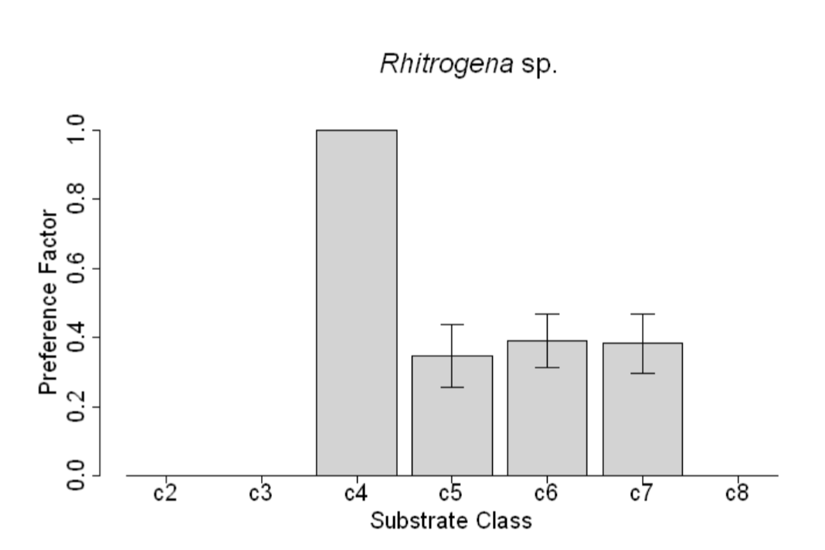
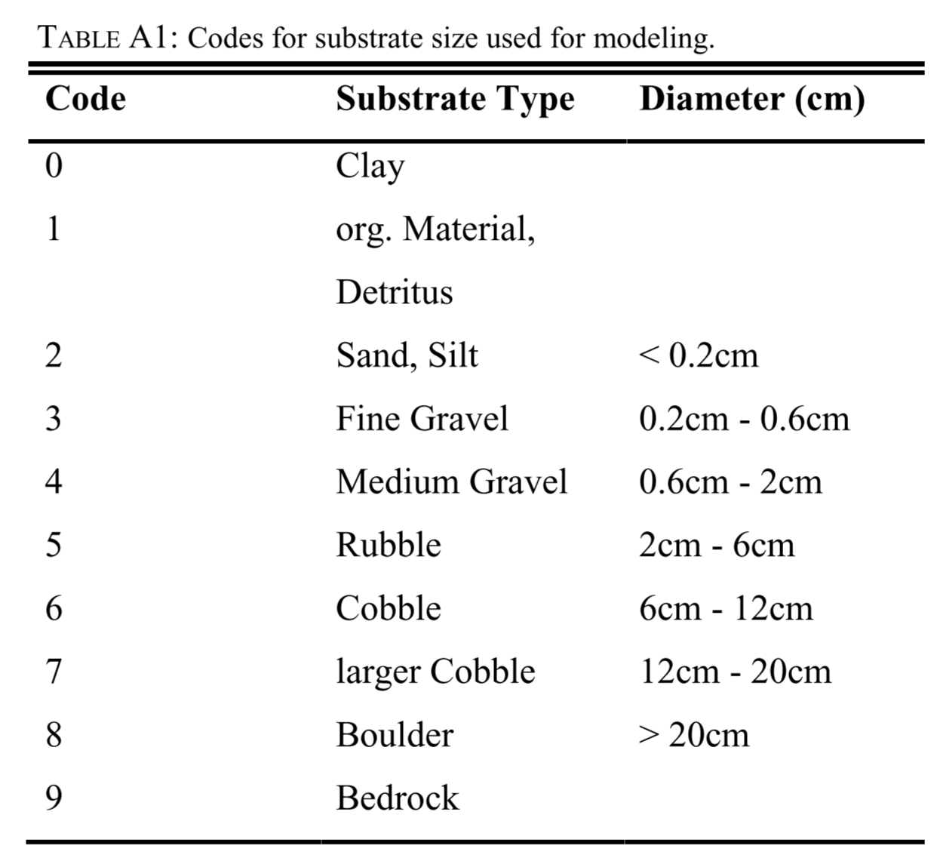
Substrate class | Abundance
c2 | 0
c3 | 0
c8 | 0
 | 0.1
 | 0.2
 | 0.3
c5 | 0.35
c7 | 0.375
c6 | 0.4
 | 0.5
 | 0.6
 | 0.7
 | 0.8
 | 0.9
c4 | 1

