Tabelle1
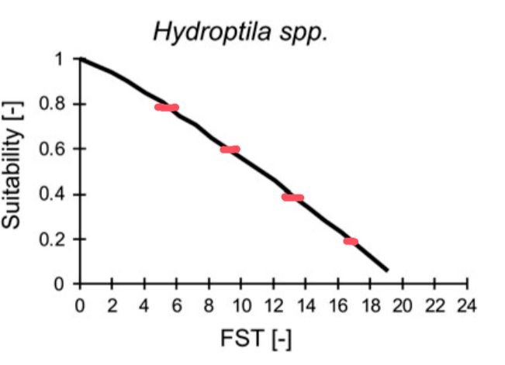
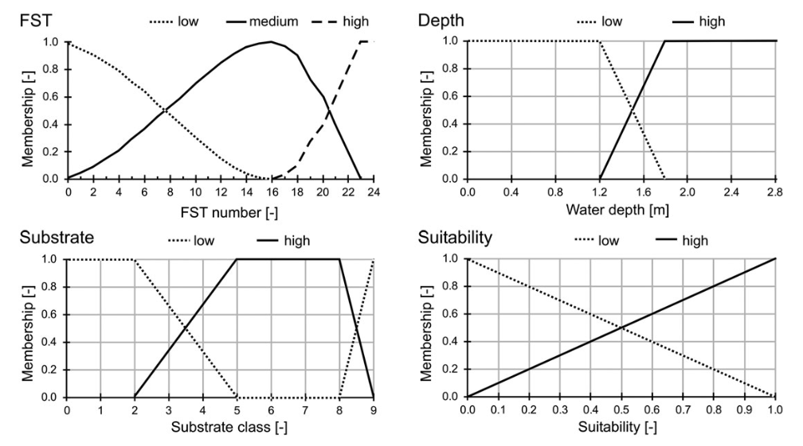
FST [-] | Suitability [-] | Fuzzy rules from Schneider 2017
 | 0
19 | 0.05
 | 0.1
17 | 0.2
 | 0.3
13 | 0.4
 | 0.5
9 | 0.6
 | 0.7
5 | 0.8
 | 0.9
0 | 1

