Tabelle1
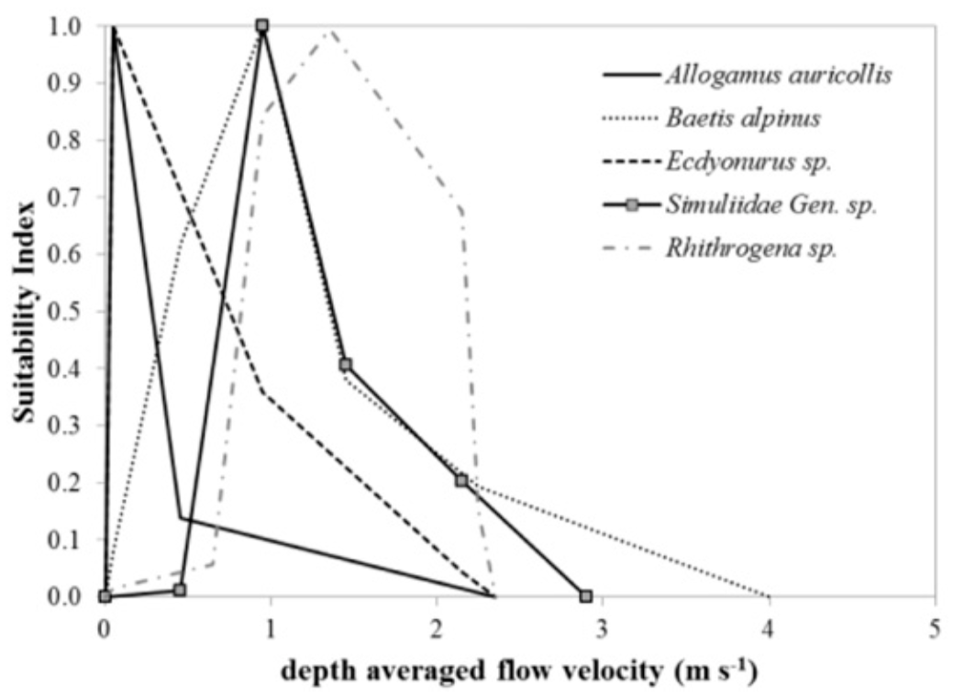
Depth averaged flow velocity (m/s) | Suitability Index
0 | 0
2.3 | 0
 | 0.1
0.4 | 0.13
 | 0.2
 | 0.3
 | 0.4
 | 0.5
 | 0.6
 | 0.7
 | 0.8
 | 0.9
0.1 | 1

