Tabelle1
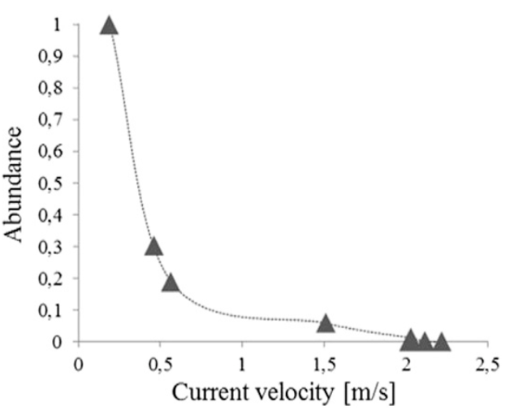
Current velocity (m/s) | Abundance
2 | 0
1.5 | 0.05
 | 0.1
0.55 | 0.2
0.45 | 0.3
 | 0.4
 | 0.5
 | 0.6
 | 0.7
 | 0.8
 | 0.9
0.2 | 1

