Tabelle1
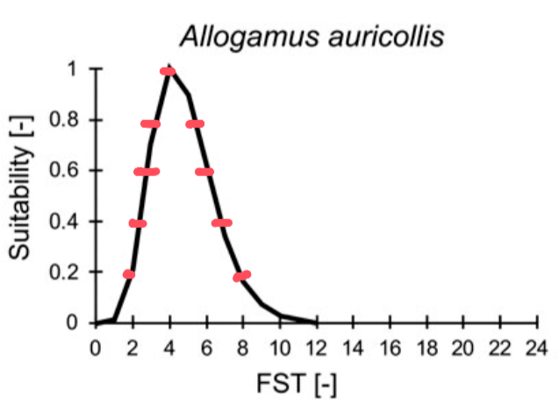
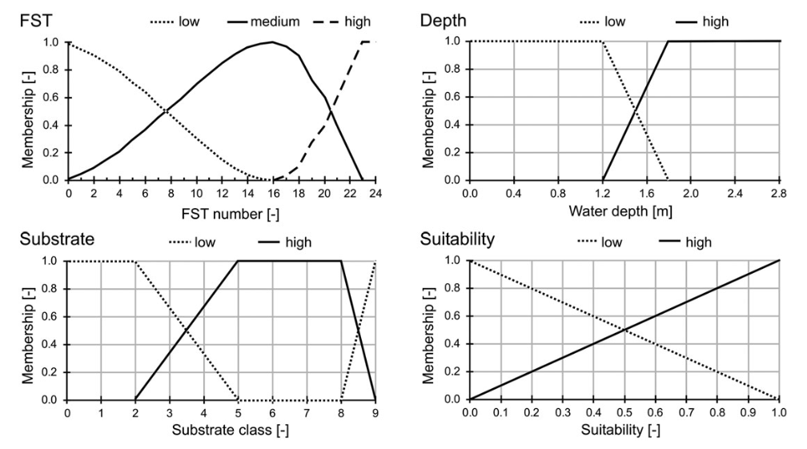
FST [-] | Suitability [-] | Fuzzy rules from Schneider 2017
0 | 0
12 | 0
10 | 0.05
9 | 0.1
2 | 0.2
8 | 0.2
 | 0.3
2.5 | 0.4
7 | 0.4
 | 0.5
3 | 0.6
6 | 0.6
 | 0.7
3.5 | 0.8
5.5 | 0.8
 | 0.9
4 | 1

