Tabelle1
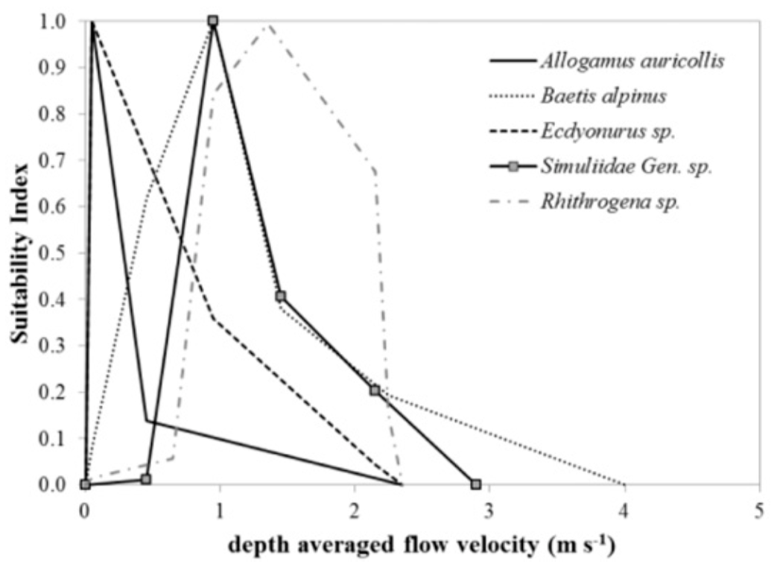
Depth averaged flow velocity (m/s) | Suitability Index
0 | 0
4 | 0
 | 0.1
2.2 | 0.2
 | 0.3
1.4 | 0.4
 | 0.5
 | 0.6
0.4 | 0.63
 | 0.7
 | 0.8
 | 0.9
1 | 1

