Tabelle1
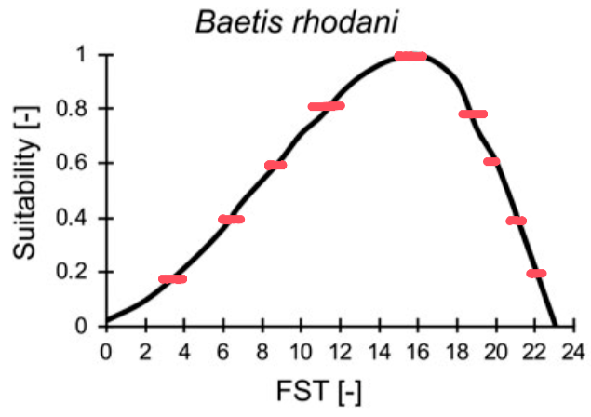
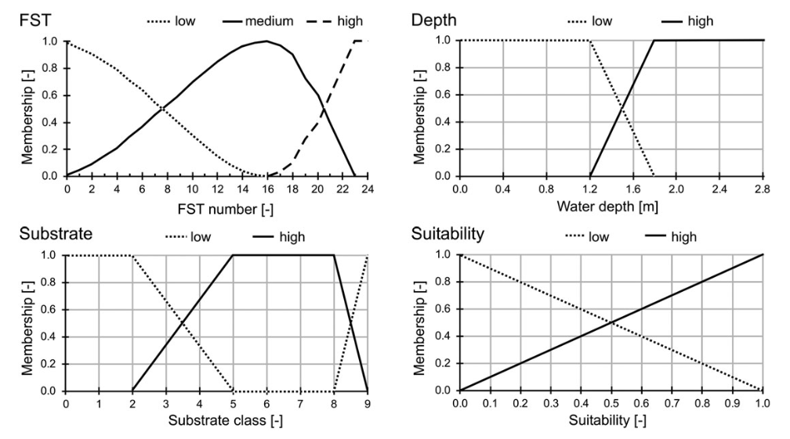
FST [-] | Abundance | Fuzzy rules from Schneider 2017
0 | 0
23 | 0
 | 0.1
3 | 0.2
22 | 0.2
 | 0.3
6 | 0.4
21 | 0.4
 | 0.5
9 | 0.6
20 | 0.6
 | 0.7
11 | 0.8
19 | 0.8
 | 0.9
13 | 1
16 | 1

