Tabelle1
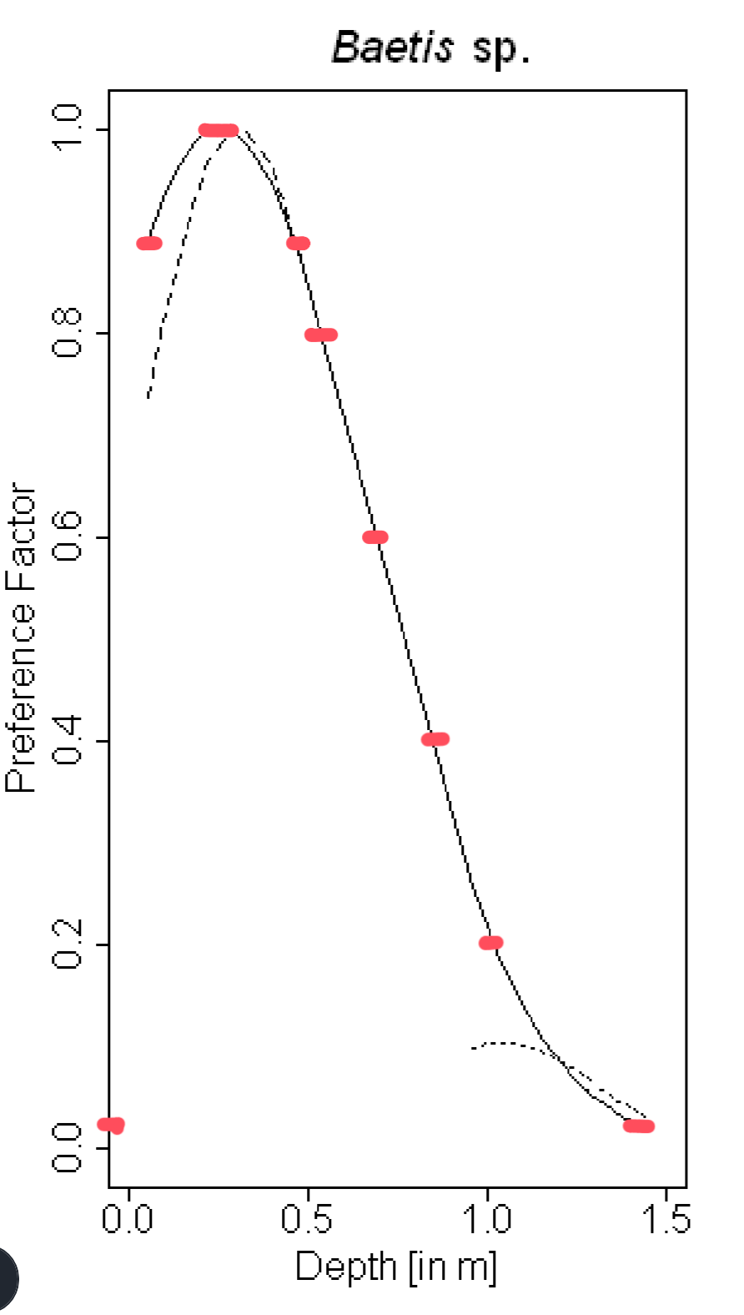
depth (m) | Abundance
1.4 | 0
 | 0.1
1 | 0.2
 | 0.3
0.85 | 0.4
 | 0.5
0.7 | 0.6
 | 0.7
0.55 | 0.8
0.5 | 0.9
0.05 | 0.9
0.2 | 1
0.25 | 1

