Tabelle1
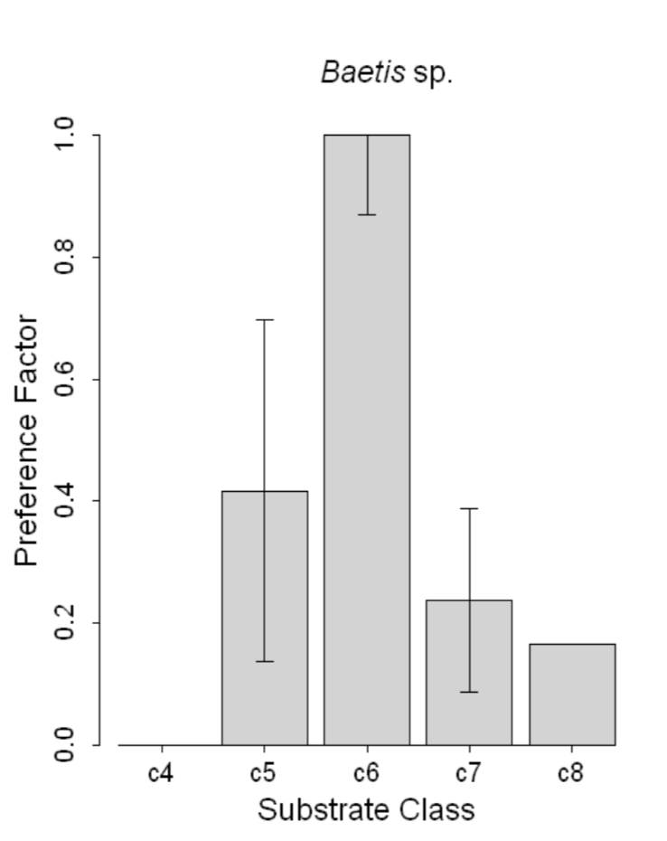
substrate class | Abundance
c4 | 0
c8 | 0.15
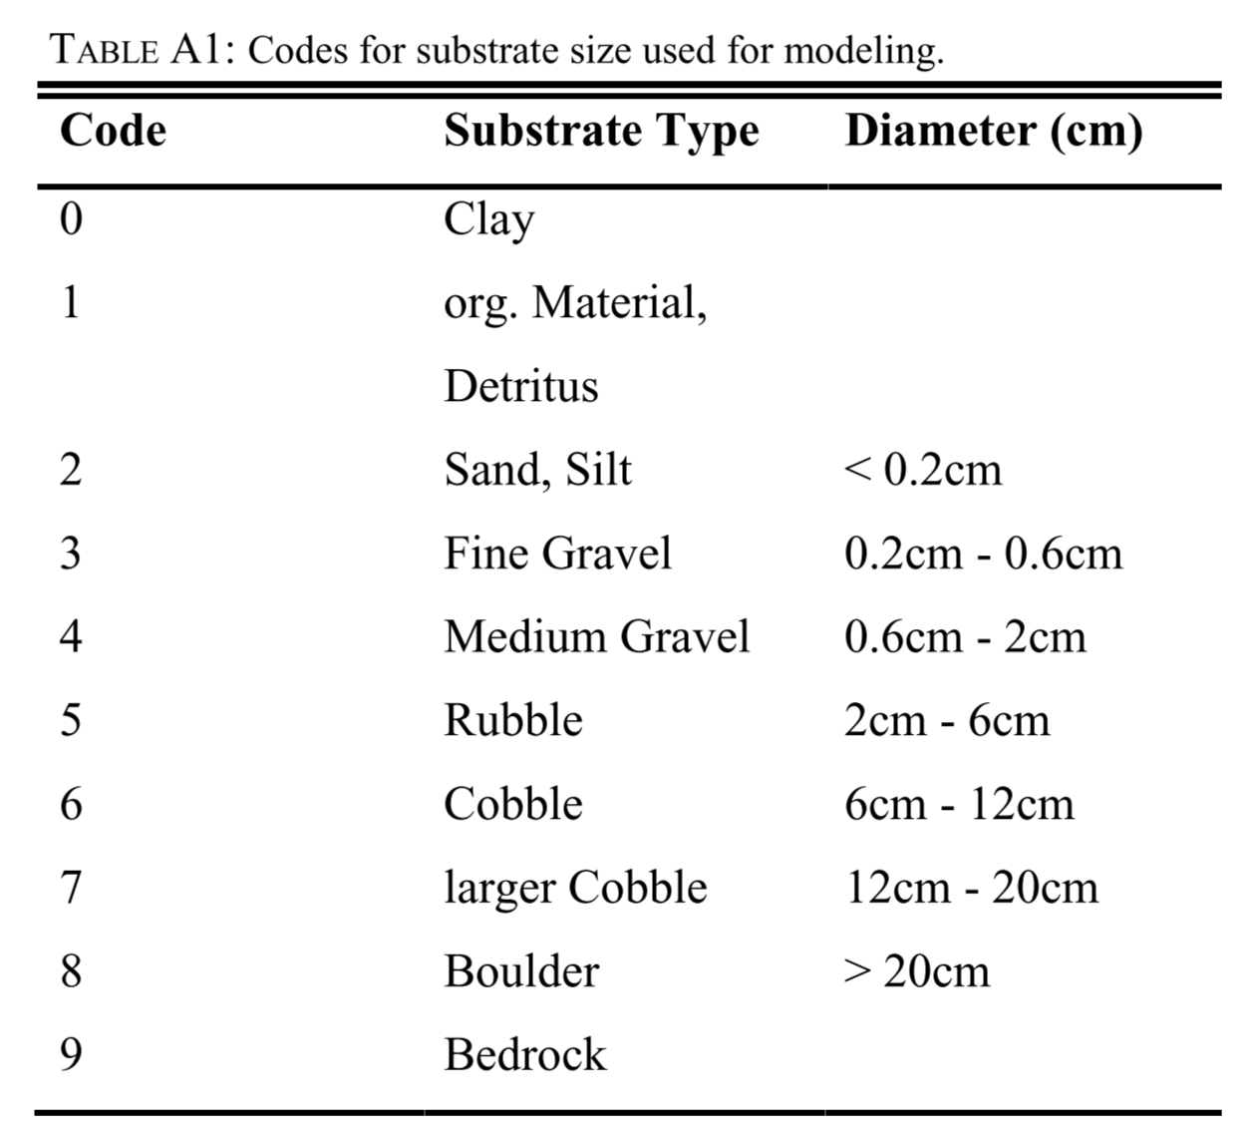
 | 0.2
c7 | 0.23
 | 0.3
c5 | 0.41
 | 0.4
 | 0.5
 | 0.6
 | 0.7
 | 0.8
 | 0.9
c6 | 1

