Tabelle1
substrate class | Abundance
 | 0
c4 | 0.1
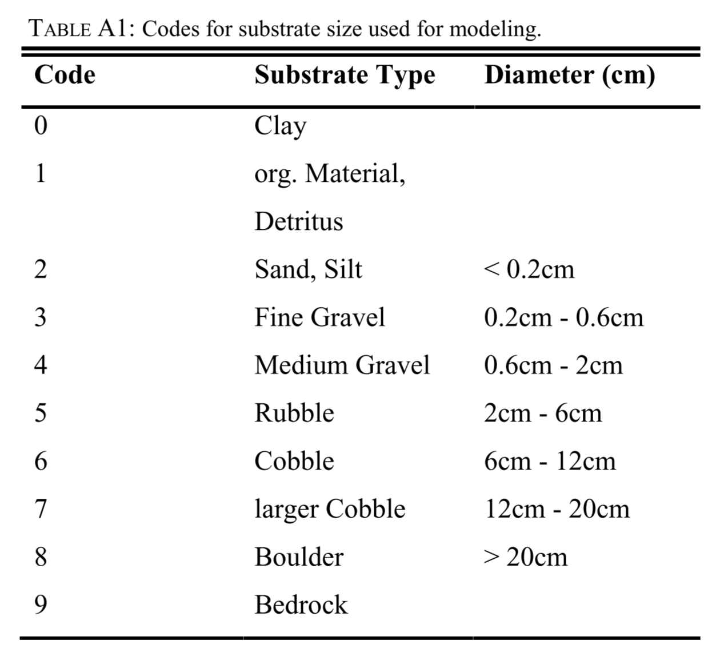
 | 0.2
c2 | 0.25
 | 0.3
 | 0.4
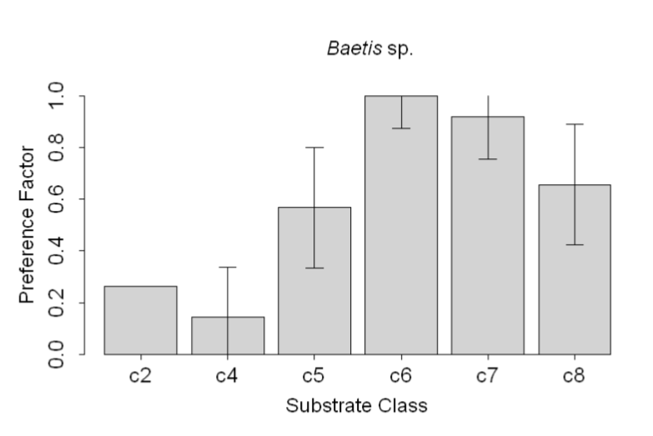
 | 0.5
c5 | 0.55
 | 0.6
c8 | 0.65
 | 0.7
 | 0.8
c7 | 0.9
c6 | 1

