Tabelle1
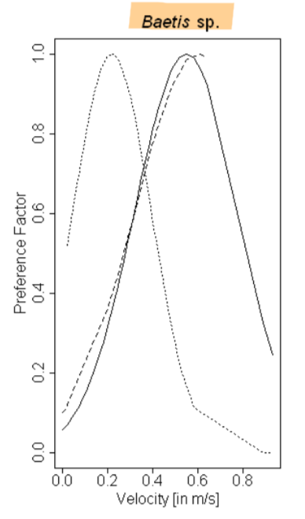
Velocity (m/s) | Abundance
 | 0
0 | 0.05
 | 0.1
0.15 | 0.2
0.95 | 0.2
 | 0.3
0.25 | 0.4
0.85 | 0.4
 | 0.5
0.3 | 0.6
0.8 | 0.6
 | 0.7
0.4 | 0.8
0.7 | 0.8
 | 0.9
0.55 | 1

