Tabelle1
Velocity (m/s) | Abundance
0 | 0
0.5 | 0.1
0.625 | 0.2
 | 0.3
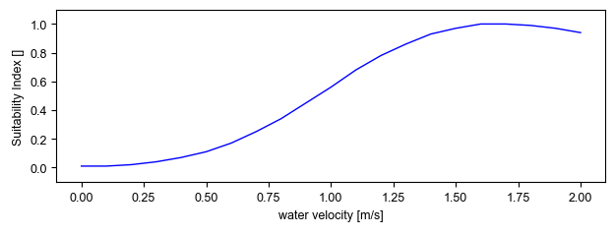
0.825 | 0.4
 | 0.5
1.1 | 0.6
 | 0.7
1.2 | 0.8
2 | 0.9
1.6 | 1

