Tabelle1
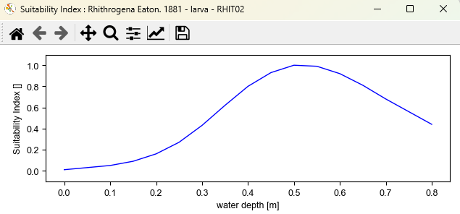
depth (m) | Abundance
0 | 0
 | 0.1
0.21 | 0.2
 | 0.3
0.28 | 0.4
0.8 | 0.5
0.34 | 0.6
7.3 | 0.6
 | 0.7
0.4 | 0.8
6.5 | 0.8
 | 0.9
0.5 | 1
0.55 | 1

