Tabelle1
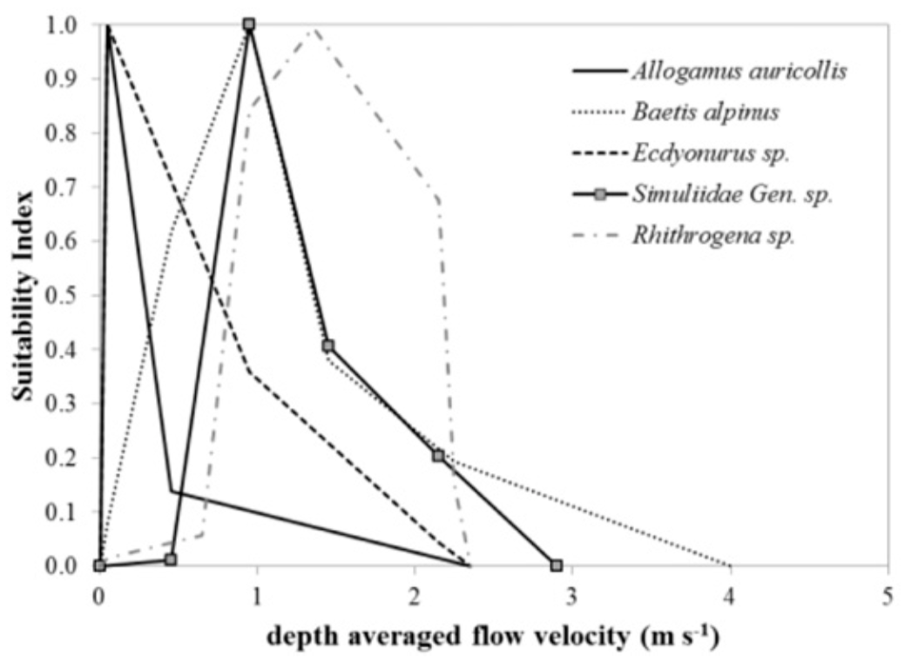
Depth averaged flow velocity (m/s) | Suitability Index
0 | 0
2.3 | 0
0.6 | 0.05
 | 0.1
2.2 | 0.12
 | 0.2
 | 0.3
 | 0.4
 | 0.5
 | 0.6
2.1 | 0.65
 | 0.7
 | 0.8
0.9 | 0.83
 | 0.9
1.3 | 1

