Tabelle1
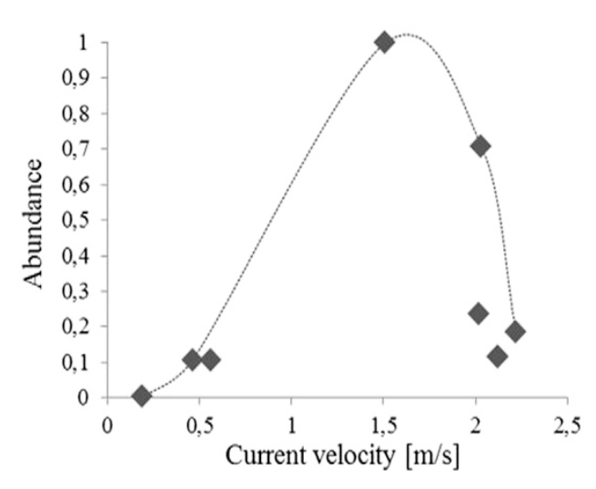
Current velocity (m/s) | Abundance
0.2 | 0
0.45 | 0.1
0.55 | 0.1
2.2 | 0.1
2.25 | 0.15
2 | 0.2
 | 0.3
 | 0.4
 | 0.5
 | 0.6
2 | 0.7
 | 0.8
 | 0.9
1.5 | 1

