Tabelle1
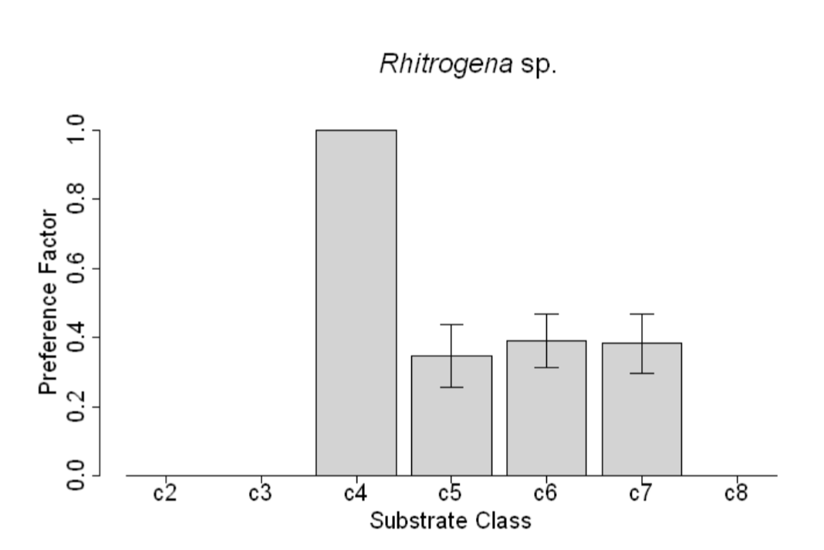
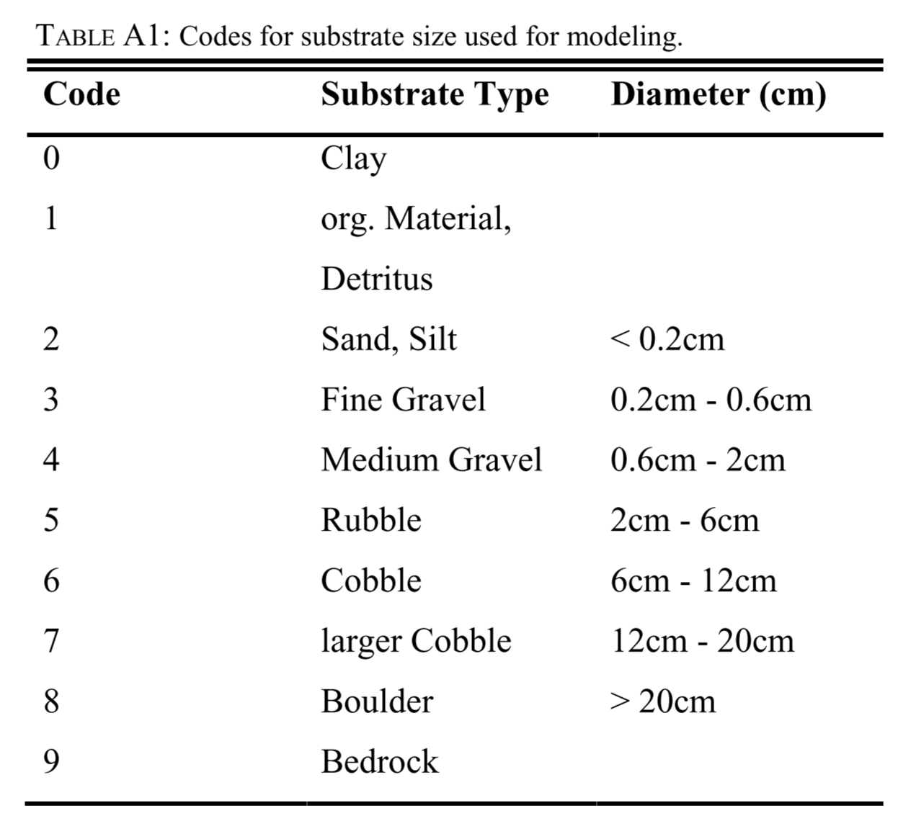
Substrate class | Abundance
2 | 0
3 | 0
8 | 0
 | 0.1
 | 0.2
 | 0.3
5 | 0.35
7 | 0.375
6 | 0.4
 | 0.5
 | 0.6
 | 0.7
 | 0.8
 | 0.9
4 | 1

