Tabelle1
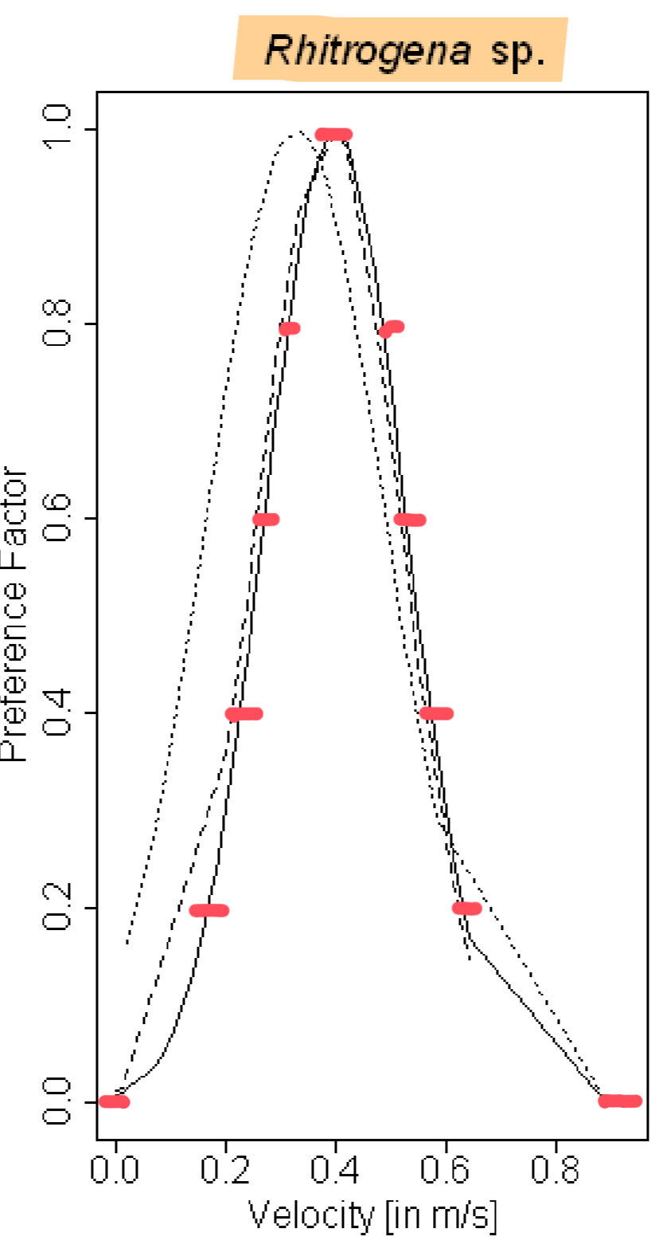
Velocity (m/s) | Abundance
0 | 0
0.9 | 0
1 | 0
 | 0.1
0.15 | 0.2
0.65 | 0.2
 | 0.3
0.21 | 0.4
0.58 | 0.4
 | 0.5
0.25 | 0.6
0.52 | 0.6
 | 0.7
0.3 | 0.8
0.5 | 0.8
 | 0.9
0.4 | 1

