Tabelle1
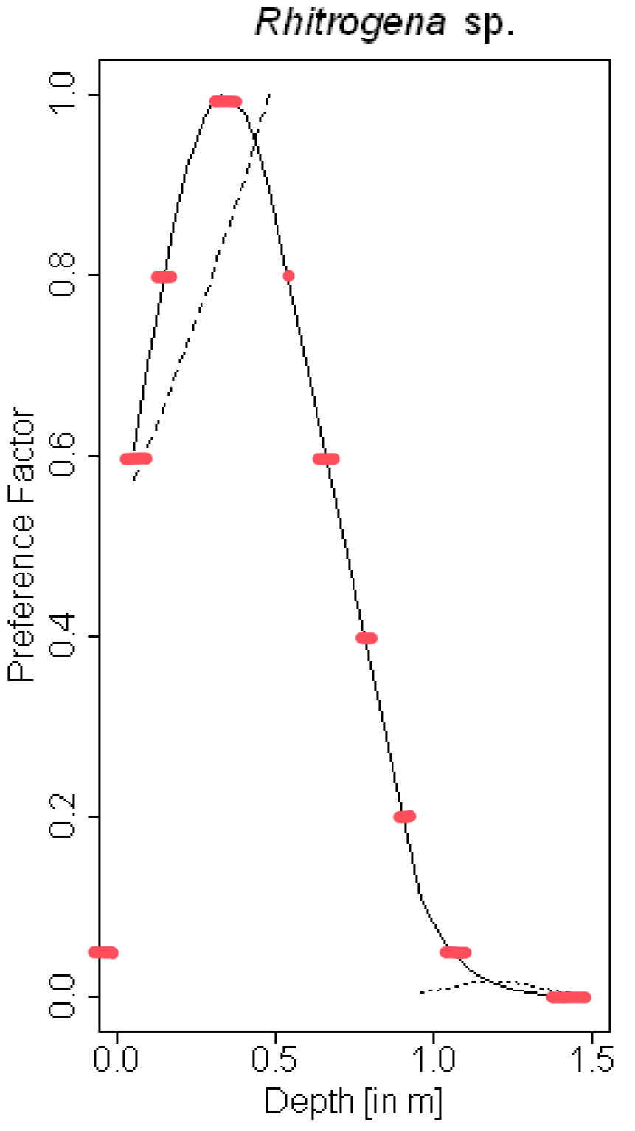
depth (m) | Abundance
1.4 | 0
1.5 | 0
1 | 0.05
 | 0.1
0.9 | 0.2
 | 0.3
0.75 | 0.4
 | 0.5
0.05 | 0.6
0.65 | 0.6
 | 0.7
0.1 | 0.8
0.5 | 0.8
 | 0.9
0.25 | 1

