Tabelle1
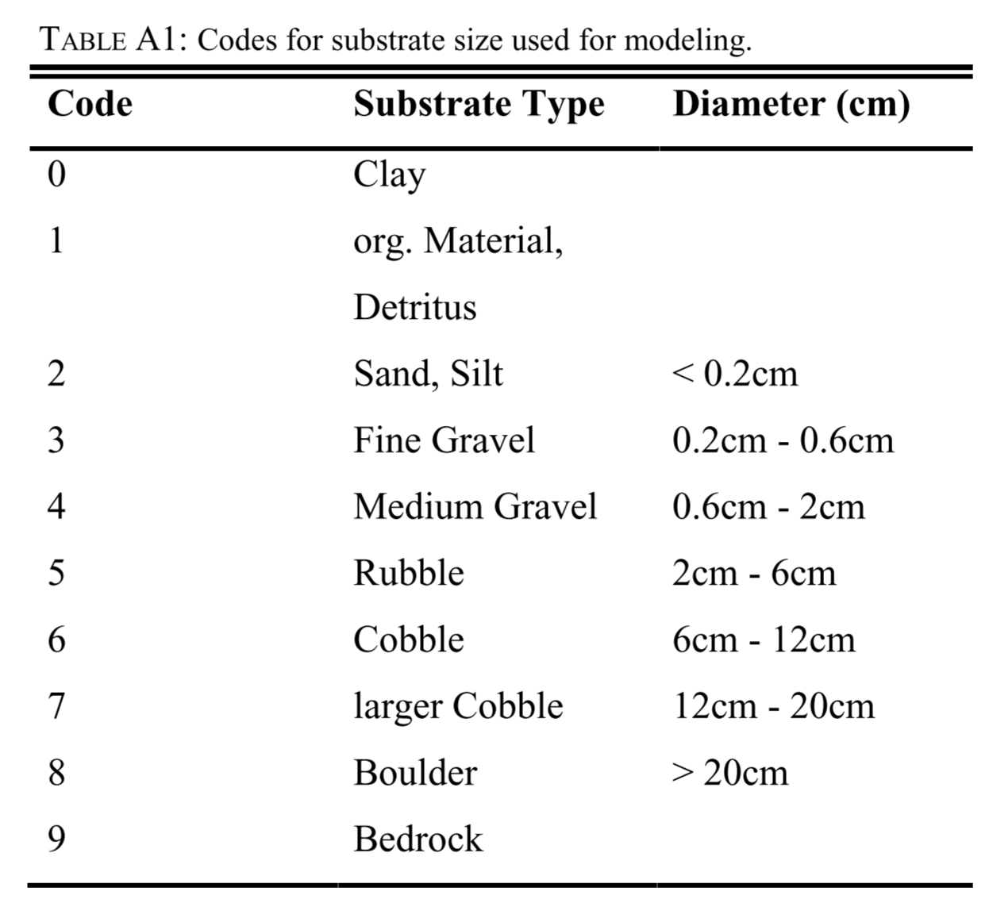
Substrate class | Abundance
c2 | 0
 | 0.1
c4 | 0.175
 | 0.2
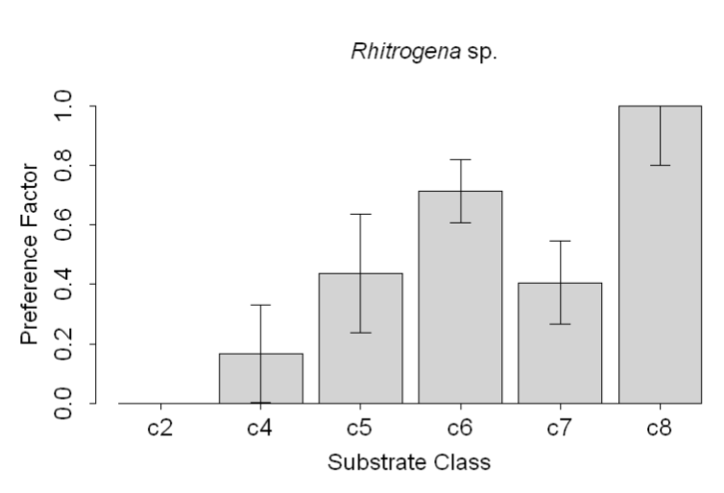
 | 0.3
c7 | 0.4
c5 | 0.41
 | 0.5
 | 0.6
c6 | 0.7
 | 0.8
 | 0.9
c8 | 1

