Index
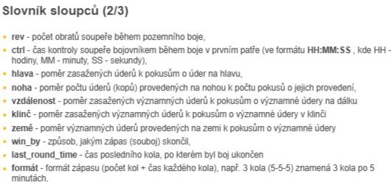
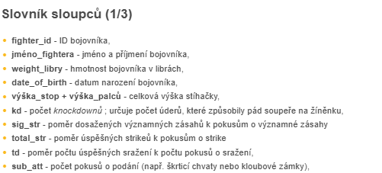
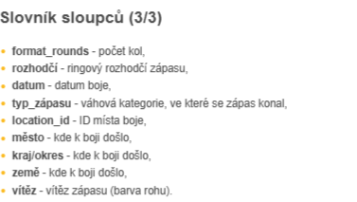
Kolik bojovníků alespoň jednou zápasilo v UFC?
Kolik let bylo nejstaršímu bojovníkovi v době zápasu? Kolik akcí bylo dosud uspořádáno? Ve kterém městě byl uspořádán největší počet akcí?

Kolik zápasů se konalo v rámci organizace UFC, rozděleno podle váhových kategorií?
Kolik zápasů skončilo knokautem, rozhodnutím rozhodčích, submissionem nebo jinak? Jaké procento všech zápasů skončilo knokautem (KO) nebo technickým knokautem (TKO)?
Kteří bojovníci jsou nejlepší v historii federace UFC? Uveďte TOP 10 bojovníků (s nejvyšším počtem vítězství). U bojovníků se stejným počtem vítězství je pořadí určeno abecedně (na základě proměnné jména bojovníka).
Kteří bojovníci se dají označit za nejlepší útočníky s nejvyšším počtem zaznamenaných knockoutů?

