Tabellenblatt1
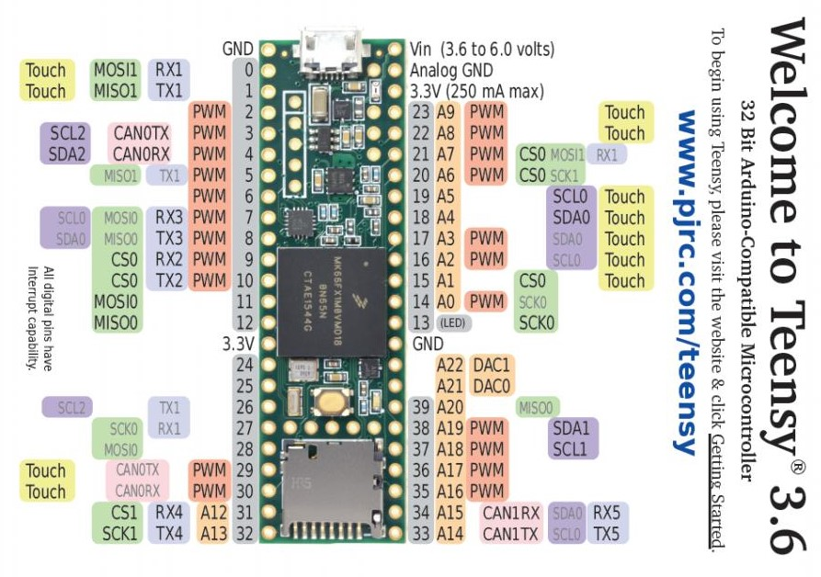

 |  |  | GND | Vin
dynamixel ax-12+ | RX1 | Serial1 | 0 | GND A
dynamixel ax-12+ | TX1 | Serial1 | 1 | 3.3V
dynamixel ax-12+ | Pin2 | directionPin | 2 | 23
 |  |  | 3 | 22
 |  |  | 4 | 21
 |  |  | 5 | 20
 |  |  | 6 | 19
 |  |  | 7 | 18
 |  |  | 8 | 17
 |  |  | 9 | 16
 |  |  | 10 | 15
 |  |  | 11 | 14
 |  |  | 12 | 13
 |  |  | 3.3V | GND
 |  |  | 24
 |  |  | 25
 |  |  | 26 | 39
 |  |  | 27 | 38
 |  |  | 28 | 37
 |  |  | 29 | 36
 |  |  | 30 | 35
FunkModul | RX4 | Serial4 | 31 | 34
FunkModul | TX4 | Serial4 | 32 | 33

