Лист1
Bug ID | Bug name | Priority | Description | Environment | Pre steps | Steps to reproduce | Expected result | Actual result | Attachments
1 | The Classic pizza image is missing from the homepage | Middle | When viewing the home page, the third background image of the Classic pizza is missing. A white background appears instead of the pizza image. | OS - Windows 10, browser - Google Chrome version 93.0.4577.63 | Open the page: http://test.it-online-school.ru/index.html | 1. Wait until the third image with Classic pizza appears automatically or click on the third button with Classic pizza | The Classic pizza image appears | The Classic pizza image is missing | 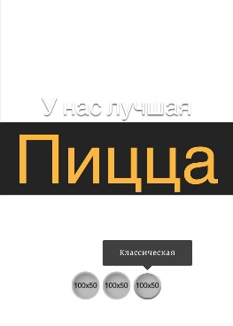
2 | Pizza icons (Mexican, Margarita, Classic) are missing on the home page | Middle | When viewing the home page, there are no pizza icons (Mexican, Margarita, Classic) in the center of the home page | OS - Windows 10, browser - Google Chrome version 93.0.4577.63 | Open the page: http://test.it-online-school.ru/index.html | 1. Look at the icons in the center of the home page under the slogan "У нас лучшая Пицца" | There are pizza icons | There are no pizza icons
3 | Misprint "Пиицы" in a menu item on the home page | Middle |  | OS - Windows 10, browser - Google Chrome version 93.0.4577.63 | Open the page: http://test.it-online-school.ru/index.html | 1. Look at the third item in the menu on the left | The word "Пиццы" is spelled right | The word "Пиццы" is spelled wrong | 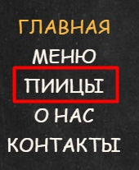
4 | Error 404 when opening page "Меню" | High | The page "Меню" is not found | OS - Windows 10, browser - Google Chrome version 93.0.4577.63 | Open the page: http://test.it-online-school.ru/index.html | 1. Open the page "Меню" (http://test.it-online-school.ru/menu1.html) | The page should work | Status code 404
5 | Social media buttons lead to home page | Low |  | OS - Windows 10, browser - Google Chrome version 93.0.4577.63 | Open the page: http://test.it-online-school.ru/index.html | 1. Click on the social media buttons at the bottom of the page | Social media buttons should open social media pages in a new tab | Social media buttons open home page in a new tab
6 | Same images for Hawaiian pizza and Margarita pizza on the page "Пиццы" | Low |  | OS - Windows 10, browser - Google Chrome version 93.0.4577.63 | Open the page: http://test.it-online-school.ru/index.html | 1. Click on the third menu item "Пиццы" 2. Compare images of the first pizza and last pizza | Hawaiian pizza and Margarita pizza should have right images | Hawaiian pizza and Margarita pizza have wrong images | 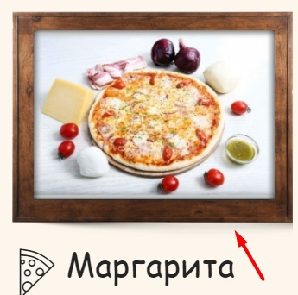 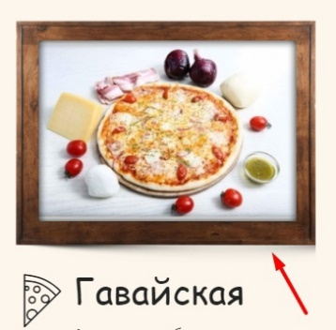
7 | There is no second image on the page "О нас" | Low |  | OS - Windows 10, browser - Google Chrome version 93.0.4577.63 | Open the page: http://test.it-online-school.ru/index.html | 1. Click on the fourth menu item "О нас" 2. Scroll down the page | The correct image is loaded on the page "О нас" | The correct image isn't loaded on the page "О нас" | 