Sheet1
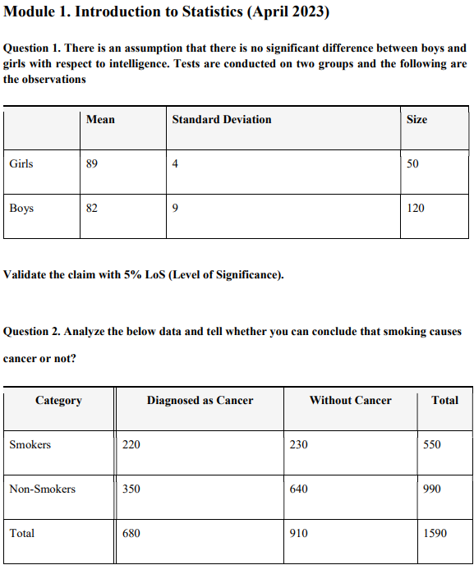
Que 1

Group | Mean | SD | SD^2 | n
Girls | 89 | 4 | 16 | 50
Boys | 82 | 9 | 81 | 120

Mean Diff = | 7
s1^2/n1= | 0.320 |  |  | Answer :↓
s2^2/n2= | 0.675 |  |  | Z = | 7.02
Total= | 0.995
Root value= | 0.997

Critical Z (5%) | 1.96
Conclusion | Reject H0 (Significant difference)

Que 2

Chi-Square Test: Smoking and Cancer

 | Cancer | No Cancer | Total
Smokers | 220 | 230 | 450
Non-Smokers | 350 | 640 | 990
Total | 570 | 870 | 1440

 | O | E | X^2
Smokers | 220 | 178.125 | 9.844
 | 230 | 271.875 | 6.450
Non-Smokers | 350 | 391.875 | 4.475
 | 640 | 598.125 | 2.932

Chi Square | 23.700
df | 1
Conclusion | Reject H0 (Significant difference)

