Sheet1
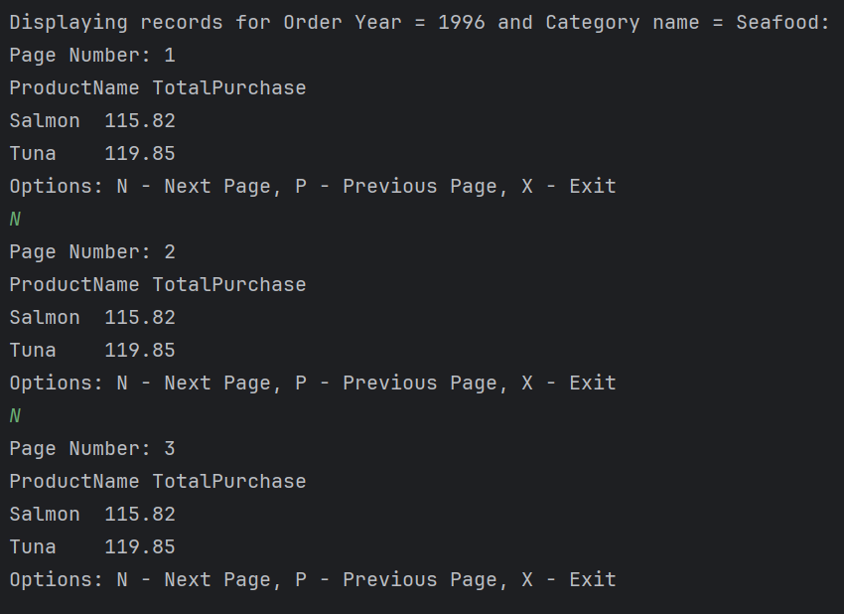
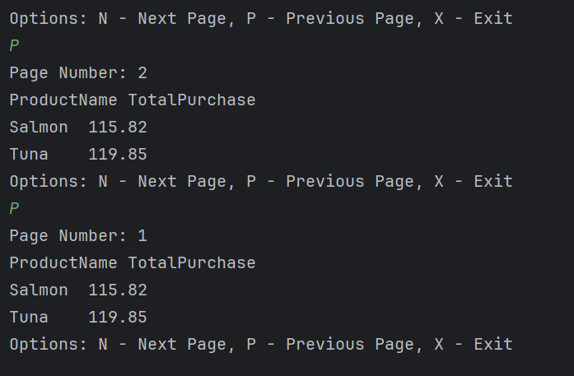
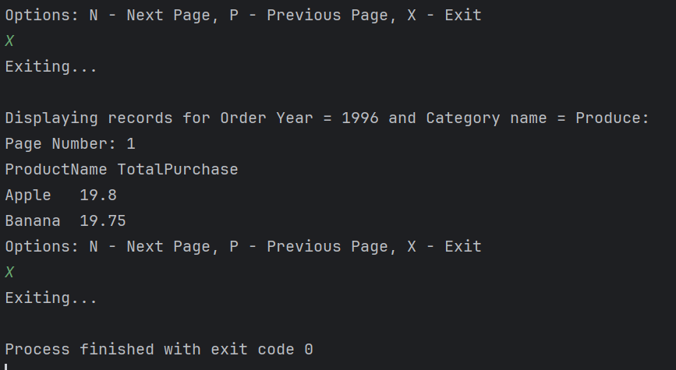
Assignment - 1 | Displaying records in Per Page Fashion | 3
Requirement | 1. Class name: EmpData
 | 2. Properties: employeeId, name, title, address and homePhone
 | 3. All the properties should be encapsulated.
 | 4. Class name: RowsFetcher
 | 5. The class works on the already opened Connection (specified by the caller class)
 | 6. Properties: rowsPerPage (default is 5),
 | 7. Method (1): getRowsPerPage()
 | 8. The method returns the collection of objects (EmpData) after fetching the records from the database for the specified page number.
 | 9. Hint: Use Scrollable Resultset to achieve this.
 | 10. Class name: DisplayUI
 | 11. The class uses PropertyUtil class (made in Assignment-3 of Day2) for reading the database settings and make the connection to the database.
 | 12. The connection is then used to send to the RowsFetcher for every user request.
 | 13. Method (1): displayRowsPerPage() - static method
 | 14. Create an object of RowsFetcher by providing connection object and 7 rows per page.
 | 15. Display the records in pages (7 rows per page). Next page or Previous Page should be shown if user select "N" or "P" respectively from the keyboard.
 | 16. User should have to select "X" for exit.
 | 17. The column header should be repeated for each page of records.
 | 18. Call the DisplayUI and display logic from main method.

Here is Sql Query

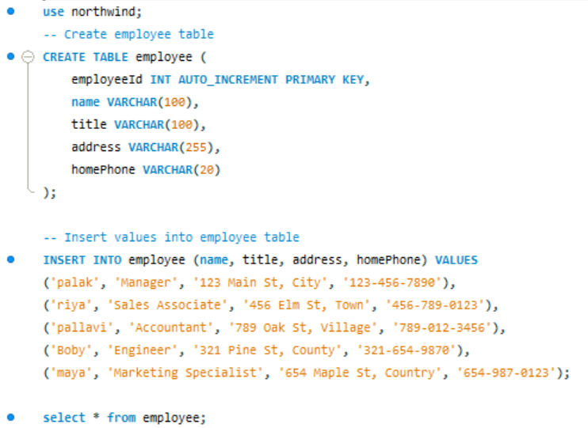

Here Used EmpData class

// EmpData.java
package com.pengwin.palak.jdbc.day2;

public class EmpData {
private int employeeId;
private String name;
private String title;
private String address;
private String homePhone;

// Constructor
public EmpData(int employeeId, String name, String title, String address, String homePhone) {
this.employeeId = employeeId;
this.name = name;
this.title = title;
this.address = address;
this.homePhone = homePhone;
}

// Getters and Setters
public int getEmployeeId() {
return employeeId;
}

public void setEmployeeId(int employeeId) {
this.employeeId = employeeId;
}

public String getName() {
return name;
}

public void setName(String name) {
this.name = name;
}

public String getTitle() {
return title;
}

public void setTitle(String title) {
this.title = title;
}

public String getAddress() {
return address;
}

public void setAddress(String address) {
this.address = address;
}

public String getHomePhone() {
return homePhone;
}

public void setHomePhone(String homePhone) {
this.homePhone = homePhone;
}
}

Here used RowsFetcher Class

// RowsFetcher.java
package com.pengwin.palak.jdbc.day2;

import java.sql.Connection;
import java.sql.PreparedStatement;
import java.sql.ResultSet;
import java.sql.SQLException;
import java.util.ArrayList;
import java.util.List;

public class RowsFetcher {
private int rowsPerPage = 5;

// Constructor
public RowsFetcher() {
}

public RowsFetcher(int rowsPerPage) {
this.rowsPerPage = rowsPerPage;
}

public int getRowsPerPage() {
return rowsPerPage;
}

public void setRowsPerPage(int rowsPerPage) {
this.rowsPerPage = rowsPerPage;
}

public List<EmpData> getRowsPerPage(Connection connection, int pageNumber) throws SQLException {
List<EmpData> empDataList = new ArrayList<>();
int startRow = (pageNumber - 1) * rowsPerPage;

String query = "SELECT * FROM employee LIMIT ?, ?";
try (PreparedStatement preparedStatement = connection.prepareStatement(query)) {
preparedStatement.setInt(1, startRow);
preparedStatement.setInt(2, rowsPerPage);

try (ResultSet resultSet = preparedStatement.executeQuery()) {
while (resultSet.next()) {
EmpData empData = new EmpData(
resultSet.getInt("employeeId"),
resultSet.getString("name"),
resultSet.getString("title"),
resultSet.getString("address"),
resultSet.getString("homePhone")
);
empDataList.add(empData);
}
}
}

return empDataList;
}
}

Here Used DisplayUI Class

// DisplayUI.java
package com.pengwin.palak.jdbc.day2;

import java.sql.Connection;
import java.sql.DriverManager;
import java.sql.SQLException;
import java.util.InputMismatchException;
import java.util.List;
import java.util.Scanner;

public class DisplayUI {
public static void displayRowsPerPage(Connection connection) {
try (Scanner scanner = new Scanner(System.in)) {
RowsFetcher rowsFetcher = new RowsFetcher(7);
int pageNumber = 1;
while (true) {
System.out.println("Page Number: " + pageNumber);
List<EmpData> empDataList = rowsFetcher.getRowsPerPage(connection, pageNumber);
if (empDataList.isEmpty()) {
System.out.println("No more records to display.");
break;
}

System.out.println("EmployeeId\tName\tTitle\tAddress\tHomePhone");
for (EmpData empData : empDataList) {
System.out.println(empData.getEmployeeId() + "\t" + empData.getName() + "\t" +
empData.getTitle() + "\t" + empData.getAddress() + "\t" + empData.getHomePhone());
}

System.out.println("Options: N - Next Page, P - Previous Page, X - Exit");
String option = scanner.nextLine().toUpperCase();

switch (option) {
case "N":
pageNumber++;
break;
case "P":
if (pageNumber > 1) {
pageNumber--;
} else {
System.out.println("Already at the first page.");
}
break;
case "X":
System.out.println("Exiting...");
return;
default:
System.out.println("Invalid option. Please try again.");
}
}
} catch (SQLException | InputMismatchException e) {
e.printStackTrace();
}
}

public static void main(String[] args) {
String url = "jdbc:mysql://localhost:3306/Northwind";
String username = "root";
String password = "9812134298"; // Consider using more secure methods for storing passwords

try (Connection connection = DriverManager.getConnection(url, username, password)) {
displayRowsPerPage(connection);
} catch (SQLException e) {
e.printStackTrace();
}
}
}

Otput

C:\Program Files\Java\jdk-22\bin\java.exe "-javaagent:C:\Program Files\JetBrains\IntelliJ IDEA Community Edition 2024.1.1\lib\idea_rt.jar=51755:C:\Program Files\JetBrains\IntelliJ IDEA Community Edition 2024.1.1\bin" -Dfile.encoding=UTF-8 -Dsun.stdout.encoding=UTF-8 -Dsun.stderr.encoding=UTF-8 -classpath C:\Users\Palak\IdeaProjects\JDBC_Assignment\out\production\JDBC_Assignment;C:\Users\Palak\Downloads\mysql-connector-j-8.4.0\mysql-connector-j-8.4.0\mysql-connector-j-8.4.0.jar com.pengwin.palak.jdbc.day2.DisplayUI

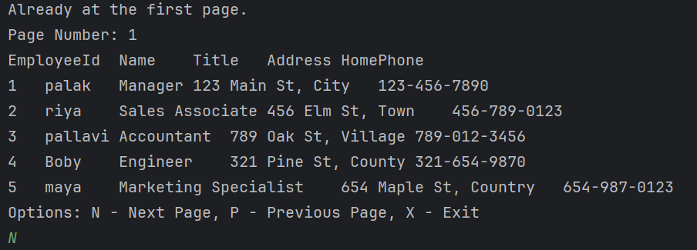

Assignment - 2 | Getting records from Stored Procedure
Requirement | 1. Class name: SalesByCategoryRunner
 | 2. Properties: rowsPerPage (default is 5),
 | 3. Method name: fetchRecords(category name, order year)
 | 4. It will call the stored procedure "SalesByCategory" by passing the specified category name and order year and returns the collections of SalesByCatData (Described later)
 | 5. Class name: SalesByCatData
 | 6. Properties: ProductName, TotalPurchase (double)
 | 7. Class name: DataDisplayer
 | 8. The class uses PropertyUtil class (made in Assignment-3 of Day2) for reading the database settings and make the connection to the database.
 | 9. The connection is then used to send to the SalesByCategoryRunner for every user request.
 | 10. Method (1): displayRowsPerPage() - static method
 | 11. Create an object of SalesByCategoryRunner by providing connection object and 7 rows per page.
 | 12. Display the records in pages (7 rows per page). Next page or Previous Page should be shown if user select "N" or "P" respectively from the keyboard.
 | 13. User should have to select "X" for exit.
 | 14. The column header should be repeated for each page of records.
 | 15. Call the DisplayUI and display logic from main method.
 | 16. Display the records for "Order Year = 1996" and Category name = Seafood"
 | 17. Display the records for "Order Year = 1996" and Category name = Produce"

SQL Query
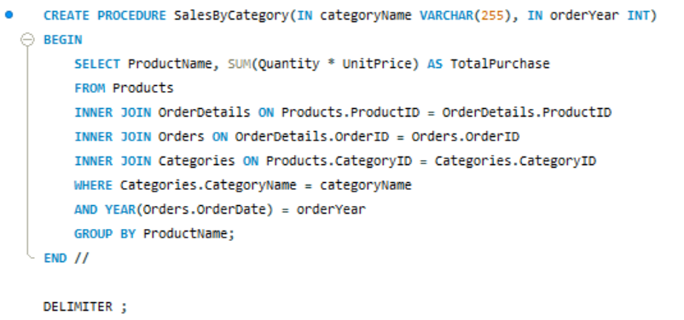

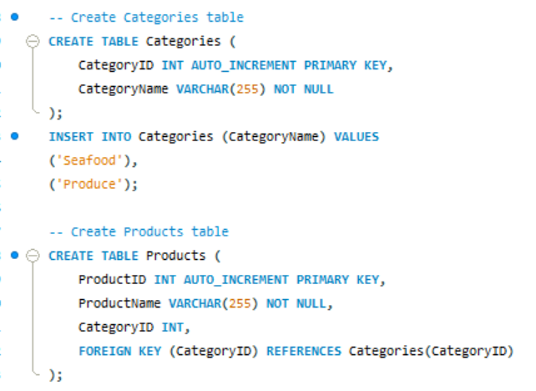

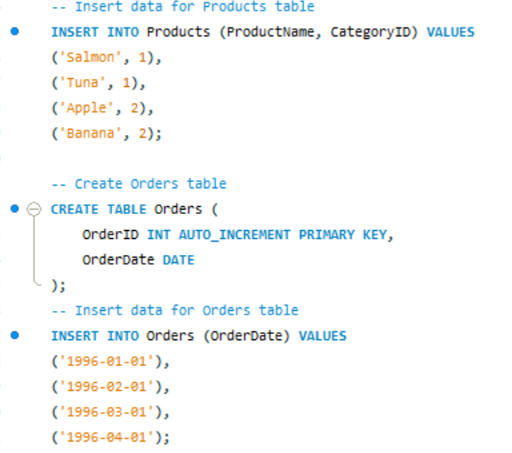

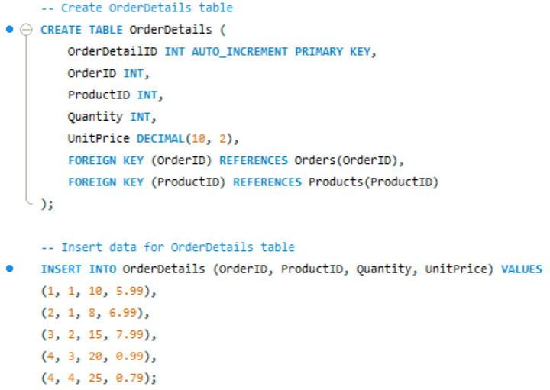

Result

Java Code

// SalesByCategoryRunner.java
package com.pengwin.palak.jdbc.day2;

import java.sql.CallableStatement;
import java.sql.Connection;
import java.sql.ResultSet;
import java.sql.SQLException;
import java.util.ArrayList;
import java.util.List;

public class SalesByCategoryRunner {
private int rowsPerPage = 5;

// Constructor
public SalesByCategoryRunner() {
}

public SalesByCategoryRunner(int rowsPerPage) {
this.rowsPerPage = rowsPerPage;
}

public int getRowsPerPage() {
return rowsPerPage;
}

public void setRowsPerPage(int rowsPerPage) {
this.rowsPerPage = rowsPerPage;
}

public List<SalesByCatData> fetchRecords(Connection connection, String categoryName, int orderYear) throws SQLException {
List<SalesByCatData> salesByCatDataList = new ArrayList<>();

try (CallableStatement callableStatement = connection.prepareCall("{call SalesByCategory(?, ?)}")) {
callableStatement.setString(1, categoryName);
callableStatement.setInt(2, orderYear);
try (ResultSet resultSet = callableStatement.executeQuery()) {
while (resultSet.next()) {
SalesByCatData data = new SalesByCatData(
resultSet.getString("ProductName"),
resultSet.getDouble("TotalPurchase")
);
salesByCatDataList.add(data);
}
}
}
return salesByCatDataList;
}
}

// SalesByCatData.java
package com.pengwin.palak.jdbc.day2;

public class SalesByCatData {
private String productName;
private double totalPurchase;

// Constructor
public SalesByCatData(String productName, double totalPurchase) {
this.productName = productName;
this.totalPurchase = totalPurchase;
}

// Getters and Setters
public String getProductName() {
return productName;
}

public void setProductName(String productName) {
this.productName = productName;
}

public double getTotalPurchase() {
return totalPurchase;
}

public void setTotalPurchase(double totalPurchase) {
this.totalPurchase = totalPurchase;
}
}

// DataDisplayer.java
package com.pengwin.palak.jdbc.day2;

import java.sql.Connection;
import java.sql.DriverManager;
import java.sql.SQLException;
import java.util.InputMismatchException;
import java.util.List;
import java.util.Scanner;

public class DataDisplayer {
public static void displayRowsPerPage(Connection connection) {
try (Scanner scanner = new Scanner(System.in)) {
SalesByCategoryRunner runner = new SalesByCategoryRunner(7);
System.out.println("Displaying records for Order Year = 1996 and Category name = Seafood:");
displayRecords(runner, connection, "Seafood", 1996, scanner);

System.out.println("\nDisplaying records for Order Year = 1996 and Category name = Produce:");
displayRecords(runner, connection, "Produce", 1996, scanner);
} catch (SQLException | InputMismatchException e) {
e.printStackTrace();
}
}

private static void displayRecords(SalesByCategoryRunner runner, Connection connection, String categoryName, int orderYear, Scanner scanner) throws SQLException {
int pageNumber = 1;
while (true) {
System.out.println("Page Number: " + pageNumber);
List<SalesByCatData> salesByCatDataList = runner.fetchRecords(connection, categoryName, orderYear);
if (salesByCatDataList.isEmpty()) {
System.out.println("No more records to display.");
break;
}

System.out.println("ProductName\tTotalPurchase");
for (SalesByCatData data : salesByCatDataList) {
System.out.println(data.getProductName() + "\t" + data.getTotalPurchase());
}

System.out.println("Options: N - Next Page, P - Previous Page, X - Exit");
String option = scanner.nextLine().toUpperCase();

switch (option) {
case "N":
pageNumber++;
break;
case "P":
if (pageNumber > 1) {
pageNumber--;
} else {
System.out.println("Already at the first page.");
}
break;
case "X":
System.out.println("Exiting...");
return;
default:
System.out.println("Invalid option. Please try again.");
}
}
}

public static void main(String[] args) {
String url = "jdbc:mysql://localhost:3306/Northwind";
String username = "root";
String password = "9812134298"; // Consider using more secure methods for storing passwords

try (Connection connection = DriverManager.getConnection(url, username, password)) {
displayRowsPerPage(connection);
} catch (SQLException e) {
e.printStackTrace();
}
}
}

Output

C:\Program Files\Java\jdk-22\bin\java.exe "-javaagent:C:\Program Files\JetBrains\IntelliJ IDEA Community Edition 2024.1.1\lib\idea_rt.jar=54440:C:\Program Files\JetBrains\IntelliJ IDEA Community Edition 2024.1.1\bin" -Dfile.encoding=UTF-8 -Dsun.stdout.encoding=UTF-8 -Dsun.stderr.encoding=UTF-8 -classpath C:\Users\Palak\IdeaProjects\JDBC_Assignment\out\production\JDBC_Assignment;C:\Users\Palak\Downloads\mysql-connector-j-8.4.0\mysql-connector-j-8.4.0\mysql-connector-j-8.4.0.jar com.pengwin.palak.jdbc.day2.DataDisplayer

