Sheet1
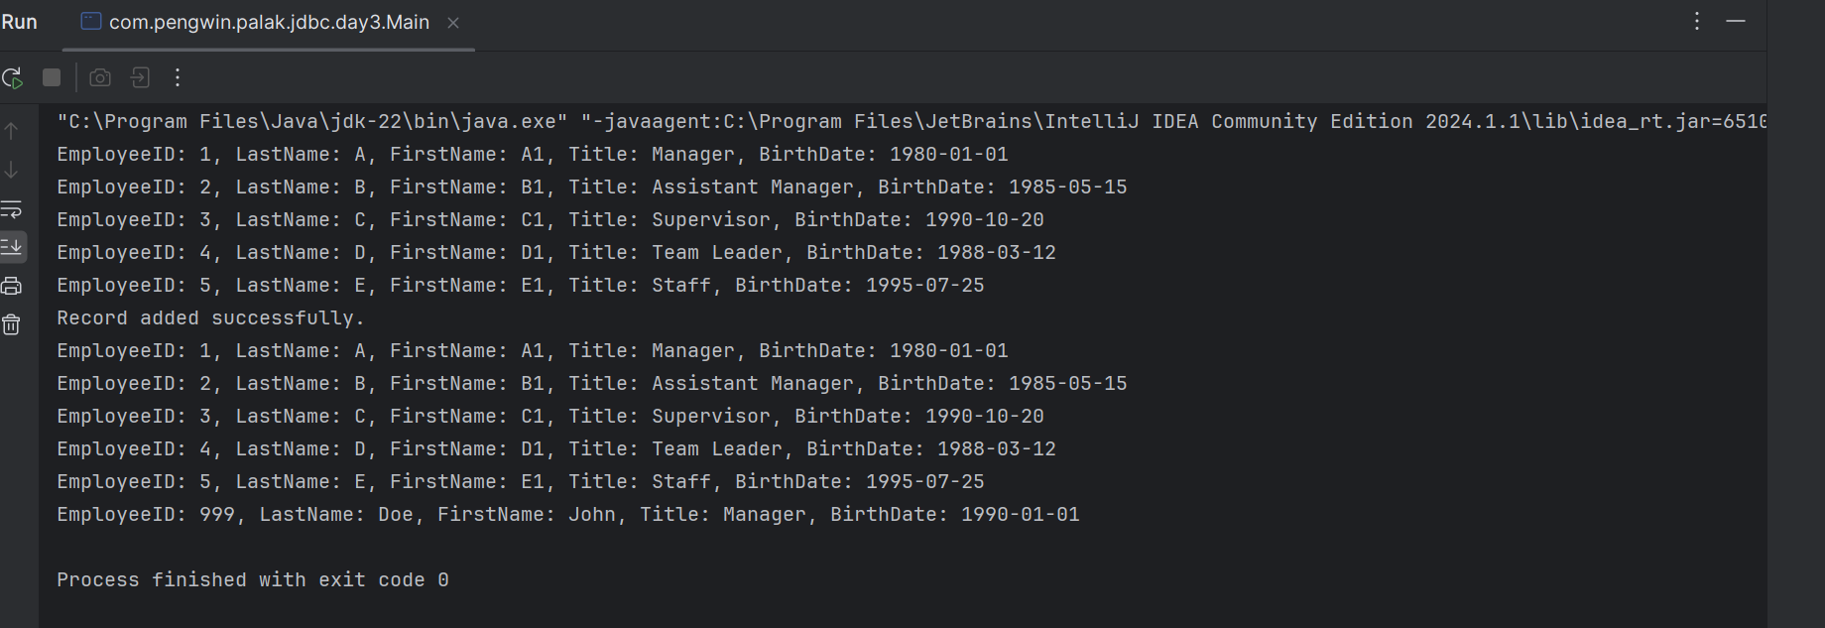
Assignment - 1 | Understanding RowSet
Requirement | 1. Class name: DataFetcher
 | 2. Properties: command, dataSourceName
 | 3. Method (1): connect
 | 4. Read the settings about Driver, connectionURL, Username and Password using PropertyUtil class and make a connection with the database.
 | 5. Method (2): executeInCached()
 | 6. This executes the command and returns the result in CachedRowSet. Before returning the result, it closes the connection.
 | 7. Method (3): executeInXML()
 | 8. This executes the command and returns the result in WebRowSet. Before returning the result, it closes the connection.
 | 9. Class name: RowSetDisplayer
 | 10. Properties: NONE
 | 11. Method (1): DisplayEmpData (int typeOfRowSet) ==> 1 for Cached, 2 for XML others values should be considered as ERROR.
 | 12. It creates an object of DataFetcher and invokes connect(), executeInCached() OR executeInXML() (based on the parameter value)
 | 13. The command for the object is "select EmployeeID, LastName, FirstName, Title, BirthDate from Employees"
 | 14. dataSourceName for the object is "Northwind"
 | 15. Print the result sent by DataFetcher object on the console.
 | 16. Invoke the logic from Main() Method.
 | 17. Hint: com.sun package in rt.jar have the package for rowset implementation.
 | 18. Observation: Add one or method to DataFetcher for JdbcRowSet execution and try closing the connection before returning the result.

SQL Query

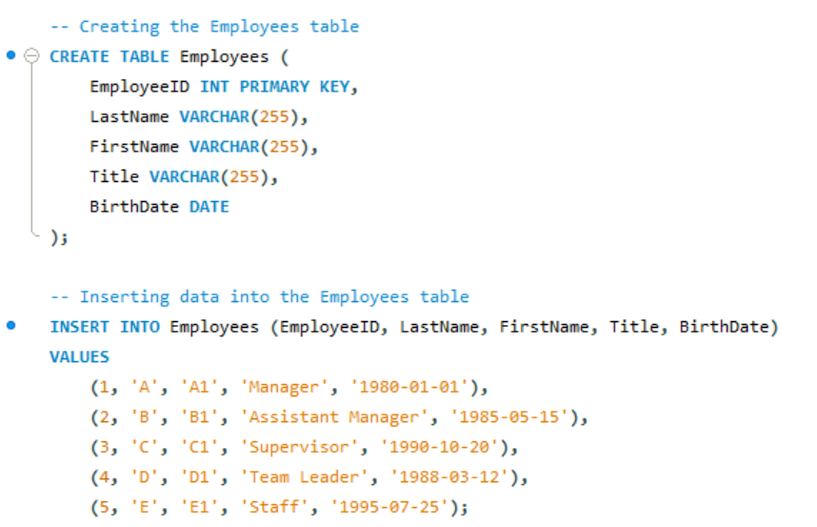

Exwcution Sql Query

Result

Lets Create Classes DataFetcher, RowSetDisplayer and Main class to invoke the logic:

Java Code

package com.pengwin.palak.jdbc.day3;

import javax.sql.rowset.CachedRowSet;
import javax.sql.rowset.JdbcRowSet;
import javax.sql.rowset.WebRowSet;
import java.sql.*;

public class DataFetcher {
private String command;
private String dataSourceName;
private String url;
private String username;
private String password;

public DataFetcher(String command, String dataSourceName) {
this.command = command;
this.dataSourceName = dataSourceName;
this.url = "jdbc:mysql://localhost:3306/" + dataSourceName;
this.username = "root";
this.password = "9812134298";
}

public void connect() {
try {
Class.forName("com.mysql.cj.jdbc.Driver");
} catch (ClassNotFoundException e) {
e.printStackTrace();
}
}

public CachedRowSet executeInCached() {
connect();
try (Connection connection = DriverManager.getConnection(url, username, password);
PreparedStatement statement = connection.prepareStatement(command);
ResultSet resultSet = statement.executeQuery()) {

CachedRowSet cachedRowSet = javax.sql.rowset.RowSetProvider.newFactory().createCachedRowSet();
cachedRowSet.populate(resultSet);
return cachedRowSet;
} catch (SQLException e) {
e.printStackTrace();
return null;
}
}

public WebRowSet executeInXML() {
connect();
try (Connection connection = DriverManager.getConnection(url, username, password);
PreparedStatement statement = connection.prepareStatement(command);
ResultSet resultSet = statement.executeQuery()) {

WebRowSet webRowSet = javax.sql.rowset.RowSetProvider.newFactory().createWebRowSet();
webRowSet.populate(resultSet);
return webRowSet;
} catch (SQLException e) {
e.printStackTrace();
return null;
}
}

public JdbcRowSet executeInJdbc() {
connect();
try (Connection connection = DriverManager.getConnection(url, username, password)) {
JdbcRowSet jdbcRowSet = javax.sql.rowset.RowSetProvider.newFactory().createJdbcRowSet();
jdbcRowSet.setUrl(url);
jdbcRowSet.setUsername(username);
jdbcRowSet.setPassword(password);
jdbcRowSet.setCommand(command);
jdbcRowSet.execute();
return jdbcRowSet;
} catch (SQLException e) {
e.printStackTrace();
return null;
}
}
}

package com.pengwin.palak.jdbc.day3;

import javax.sql.rowset.CachedRowSet;
import javax.sql.rowset.WebRowSet;
import java.sql.SQLException;

public class RowSetDisplayer {
public void displayEmpData(int typeOfRowSet) {
DataFetcher dataFetcher = new DataFetcher("select EmployeeID, LastName, FirstName, Title, BirthDate from Employees", "Northwind");

switch (typeOfRowSet) {
case 1:
CachedRowSet cachedRowSet = dataFetcher.executeInCached();
displayResultSet(cachedRowSet);
break;
case 2:
WebRowSet webRowSet = dataFetcher.executeInXML();
displayResultSet(webRowSet);
break;
default:
System.out.println("ERROR: Invalid row set type.");
}
}

private void displayResultSet(CachedRowSet rowSet) {
try {
while (rowSet.next()) {
System.out.println("EmployeeID: " + rowSet.getString("EmployeeID") +
", LastName: " + rowSet.getString("LastName") +
", FirstName: " + rowSet.getString("FirstName") +
", Title: " + rowSet.getString("Title") +
", BirthDate: " + rowSet.getString("BirthDate"));
}
} catch (SQLException e) {
e.printStackTrace();
}
}

private void displayResultSet(WebRowSet rowSet) {
try {
while (rowSet.next()) {
System.out.println("EmployeeID: " + rowSet.getString("EmployeeID") +
", LastName: " + rowSet.getString("LastName") +
", FirstName: " + rowSet.getString("FirstName") +
", Title: " + rowSet.getString("Title") +
", BirthDate: " + rowSet.getString("BirthDate"));
}
} catch (SQLException e) {
e.printStackTrace();
}
}
}

package com.pengwin.palak.jdbc.day3;

public class Main {
public static void main(String[] args) {
RowSetDisplayer displayer = new RowSetDisplayer();
displayer.displayEmpData(1); // Display using CachedRowSet
displayer.displayEmpData(2); // Display using WebRowSet
}
}

Output

"C:\Program Files\Java\jdk-22\bin\java.exe" "-javaagent:C:\Program Files\JetBrains\IntelliJ IDEA Community Edition 2024.1.1\lib\idea_rt.jar=58795:C:\Program Files\JetBrains\IntelliJ IDEA Community Edition 2024.1.1\bin" -Dfile.encoding=UTF-8 -Dsun.stdout.encoding=UTF-8 -Dsun.stderr.encoding=UTF-8 -classpath C:\Users\Palak\IdeaProjects\JDBC_Assignment\out\production\JDBC_Assignment;C:\Users\Palak\Downloads\mysql-connector-j-8.4.0\mysql-connector-j-8.4.0\mysql-connector-j-8.4.0.jar com.pengwin.palak.jdbc.day3.Main

Assignment - 2 | Insert the records to the ResultSet
Requirement | 1. Class name: FetcherAndAdder
 | 2. Properties: command, dataSourceName
 | 3. Method (1): connect
 | 4. Read the settings about Driver, connectionURL, Username and Password using PropertyUtil class and make a connection with the database.

 | 13. The command for the object is "select EmployeeID, LastName, FirstName, Title, BirthDate from Employees"
 | 14. dataSourceName for the object is "Northwind"

Java Code

package com.pengwin.palak.jdbc.day3;

import javax.sql.rowset.CachedRowSet;
import java.sql.Date;
import java.sql.SQLException;

public class Main {
public static void main(String[] args) {
// Fetch records
FetcherAndAdder fetcherAndAdder = new FetcherAndAdder("select EmployeeID, LastName, FirstName, Title, BirthDate from Employees", "Northwind");
CachedRowSet cachedRowSet = fetcherAndAdder.fetchRecords();
displayResultSet(cachedRowSet);

// Add a new record
fetcherAndAdder.addRecord(999, "Doe", "John", "Manager", Date.valueOf("1990-01-01"));

// Display records after adding
cachedRowSet = fetcherAndAdder.fetchRecords();
displayResultSet(cachedRowSet);
}

private static void displayResultSet(CachedRowSet rowSet) {
try {
while (rowSet.next()) {
System.out.println("EmployeeID: " + rowSet.getString("EmployeeID") +
", LastName: " + rowSet.getString("LastName") +
", FirstName: " + rowSet.getString("FirstName") +
", Title: " + rowSet.getString("Title") +
", BirthDate: " + rowSet.getString("BirthDate"));
}
} catch (SQLException e) {
e.printStackTrace();
}
}
}

package com.pengwin.palak.jdbc.day3;

import javax.sql.rowset.CachedRowSet;
import java.sql.*;

public class FetcherAndAdder {
private String command;
private String dataSourceName;
private String url;
private String username;
private String password;

public FetcherAndAdder(String command, String dataSourceName) {
this.command = command;
this.dataSourceName = dataSourceName;
this.url = "jdbc:mysql://localhost:3306/" + dataSourceName;
this.username = "root";
this.password = "9812134298";
}

public void connect() {
try {
Class.forName("com.mysql.cj.jdbc.Driver");
} catch (ClassNotFoundException e) {
e.printStackTrace();
}
}

public CachedRowSet fetchRecords() {
connect();
try (Connection connection = DriverManager.getConnection(url, username, password);
PreparedStatement statement = connection.prepareStatement(command);
ResultSet resultSet = statement.executeQuery()) {

CachedRowSet cachedRowSet = javax.sql.rowset.RowSetProvider.newFactory().createCachedRowSet();
cachedRowSet.populate(resultSet);
return cachedRowSet;
} catch (SQLException e) {
e.printStackTrace();
return null;
}
}

public void addRecord(int employeeID, String lastName, String firstName, String title, Date birthDate) {
connect();
try (Connection connection = DriverManager.getConnection(url, username, password);
PreparedStatement statement = connection.prepareStatement("INSERT INTO Employees (EmployeeID, LastName, FirstName, Title, BirthDate) VALUES (?, ?, ?, ?, ?)")) {
statement.setInt(1, employeeID);
statement.setString(2, lastName);
statement.setString(3, firstName);
statement.setString(4, title);
statement.setDate(5, birthDate);
statement.executeUpdate();
System.out.println("Record added successfully.");
} catch (SQLException e) {
e.printStackTrace();
}
}
}

Output

