Sheet1
Assignment - 1 | Displaying records | 1.5
Requirement | 1. Class name: RecordDisplay
 | 2. Make a connection to the database "Northwind" (MySQL) by using Type1 Driver
 |  | 4. Following columns should be fetched and displayed a. EmployeeID, b. Name (i.e. combination of FirstName & LastName like "Rakesh Mehta"), c. Title, d. Address (i.e. combination of Address, City & Country like "Goregaon, Mumbai, India") and e. HomePhone

 | 5. Separate methods should be defined for making a connection, closing a connection and display the data. (Method name: connect(), disconnect(), displayRecords())
 | 6. The class is taking all the parameters needed to fulfill the requirements. (like Database name, username and Password)
 | 7. The column header should be print first and then the data will be printed.
 | 8. Main class is used to call the logic.

Query | Create Employee Table

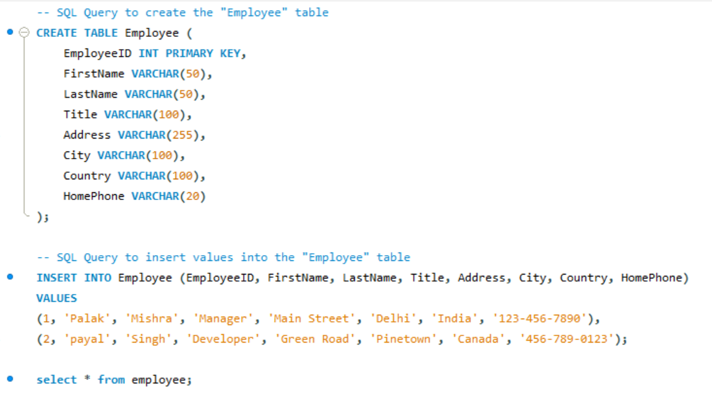

Output

Java Code For Assignment 1 , Includede 1 to 8 question .
package com.pengwin.palak.jdbc.day1;
import java.sql.*;
// Class name: RecordDisplay
public class RecordDisplay {
private Connection conn;

// Method to establish connection to the database
public void connect(String dbName, String username, String password) {
try {
// Update to use the new MySQL JDBC driver class
Class.forName("com.mysql.cj.jdbc.Driver");
String url = "jdbc:mysql://localhost:3306/" + dbName + "?useSSL=false&serverTimezone=UTC";
// Establish connection using DriverManager
conn = DriverManager.getConnection(url, username, password);
System.out.println("Connected to database successfully.");
} catch (Exception e) {
e.printStackTrace();
}
}

// Method to close the connection
public void disconnect() {
try {
if (conn != null) {
conn.close();
System.out.println("Connection closed successfully.");
}
} catch (Exception e) {
e.printStackTrace();
}
}

// Method to display records
public void displayRecords() {
try {
Statement stmt = conn.createStatement();
ResultSet rs = stmt.executeQuery("SELECT EmployeeID, CONCAT(FirstName, ' ', LastName) AS Name, Title, CONCAT(Address, ', ', City, ', ', Country) AS Address, HomePhone FROM Employee");

// Print column headers
System.out.println("EmployeeID\tName\tTitle\tAddress\tHomePhone");

// Print each record
while (rs.next()) {
System.out.println(rs.getInt("EmployeeID") + "\t" +
rs.getString("Name") + "\t" +
rs.getString("Title") + "\t" +
rs.getString("Address") + "\t" +
rs.getString("HomePhone"));
}
rs.close();
stmt.close();
} catch (Exception e) {
e.printStackTrace();
}
}

// Main class is used to call the logic.
public static void main(String[] args) {
RecordDisplay recordDisplay = new RecordDisplay();
// Connect to the "Northwind" database with provided credentials
recordDisplay.connect("northwind", "root", "9812134298");
// Display records from the "Employee" table
recordDisplay.displayRecords();
// Disconnect from the database
recordDisplay.disconnect();
}
}

Output

"C:\Program Files\Java\jdk-22\bin\java.exe" "-javaagent:C:\Program Files\JetBrains\IntelliJ IDEA Community Edition 2024.1.1\lib\idea_rt.jar=50732:C:\Program Files\JetBrains\IntelliJ IDEA Community Edition 2024.1.1\bin" -Dfile.encoding=UTF-8 -Dsun.stdout.encoding=UTF-8 -Dsun.stderr.encoding=UTF-8 -classpath C:\Users\Palak\IdeaProjects\mysql\out\production\mysql;C:\Users\Palak\Downloads\mysql-connector-j-8.4.0\mysql-connector-j-8.4.0\mysql-connector-j-8.4.0.jar RecordDisplay

Assignment - 2 | Displaying the records by using Type 4 Drivers | 1
Requirement | 1. Modify the above program for using Type4 Driver of MySQL.
 | 2. Get the drivers for MySQL from the File Server (under wdgmys\Development Tools; mysql-connector-java-5.1.26-bin.jar) and configure it to the build path of the project.
 | 3. Modify the logic of displaying the data (method: displayRecords) to support the filtering of records.
 | 4. Only employeeID is used in the filtering criteria
 | 5. If the input does not contain the employeeID, no filtering will be done (same as in the Assignment - 1)
 | 6. The class is taking all the parameters needed to fulfill the requirements. (like Database name, username and Password)
 | 7. The column header should be print first and then the data will be printed.
 | 8. Main class is used to call the logic.

Java Code, Include all 8 question.

package com.pengwin.palak.jdbc.day1;
import java.sql.*;

public class RecordDisplay {
private Connection conn;

// Method to establish connection to the database
public void connect(String dbName, String username, String password) {
try {
Class.forName("com.mysql.cj.jdbc.Driver");
String url = "jdbc:mysql://localhost:3306/" + dbName + "?useSSL=false&serverTimezone=UTC";
conn = DriverManager.getConnection(url, username, password);
System.out.println("Connected to database successfully.");
} catch (Exception e) {
e.printStackTrace();
}
}

// Method to close the connection
public void disconnect() {
try {
if (conn != null) {
conn.close();
System.out.println("Connection closed successfully.");
}
} catch (Exception e) {
e.printStackTrace();
}
}

// Method to display records, with optional employeeID for filtering
public void displayRecords(Integer employeeID) {
try {
// Create SQL query, with WHERE clause if employeeID is provided
String query = "SELECT EmployeeID, CONCAT(FirstName, ' ', LastName) AS Name, Title, CONCAT(Address, ', ', City, ', ', Country) AS Address, HomePhone FROM Employee";
if (employeeID != null) {
query += " WHERE EmployeeID = " + employeeID;
}

Statement stmt = conn.createStatement();
ResultSet rs = stmt.executeQuery(query);

// Print column headers
System.out.println("EmployeeID\tName\tTitle\tAddress\tHomePhone");

// Print each record
while (rs.next()) {
System.out.println(rs.getInt("EmployeeID") + "\t" +
rs.getString("Name") + "\t" +
rs.getString("Title") + "\t" +
rs.getString("Address") + "\t" +
rs.getString("HomePhone"));
}
rs.close();
stmt.close();
} catch (Exception e) {
e.printStackTrace();
}
}

// Main class is used to call the logic.
public static void main(String[] args) {
RecordDisplay recordDisplay = new RecordDisplay();
// Connect to the "Northwind" database with provided credentials
recordDisplay.connect("northwind", "root", "9812134298");
// Display records from the "Employee" table
recordDisplay.displayRecords(null); // Display all records
recordDisplay.displayRecords(1); // Display record for employee with ID 1
// Disconnect from the database
recordDisplay.disconnect();
}
}

Output

C:\Program Files\Java\jdk-22\bin\java.exe "-javaagent:C:\Program Files\JetBrains\IntelliJ IDEA Community Edition 2024.1.1\lib\idea_rt.jar=51252:C:\Program Files\JetBrains\IntelliJ IDEA Community Edition 2024.1.1\bin" -Dfile.encoding=UTF-8 -Dsun.stdout.encoding=UTF-8 -Dsun.stderr.encoding=UTF-8 -classpath C:\Users\Palak\IdeaProjects\mysql\out\production\mysql;C:\Users\Palak\Downloads\mysql-connector-j-8.4.0\mysql-connector-j-8.4.0\mysql-connector-j-8.4.0.jar RecordDisplay

Assignment - 3 | Connection from properties file. | 1.5
Requirement | 1. Class: PropertyUtil
 | 2. The class is used to read the property file and provides the value of the specified key.
 | 3. Take the property file from the same location of this skillup. (settings.properties)
 | 4. You can change the values of the file depending upon the database server settings
 | 5. Class: TableRowPrinter
 | 6. The PropertyUtil class is then used by TableRowPrinter class for connecting to the database.
 | 7. The method is present to connect to the database using the setting present in the property file.
 | 8. Only Type4 Driver is used to connect to the database
 | 9. When the visible method (public method) of this class is called, it will connect to DB, fetch the record from Employee table and display it on the console in the same format as described in Assignment - 1

Java Code, Include all 9 question.

For this need to create two classes: PropertyUtil and TableRowPrinter,

package com.pengwin.palak.jdbc.day1;
import java.io.FileInputStream;
import java.io.IOException;
import java.util.Properties;

public class PropertyUtil {
private static final String PROPERTY_FILE = "settings.properties";

public static String getProperty(String key) {
Properties properties = new Properties();
try {
properties.load(new FileInputStream(PROPERTY_FILE));
return properties.getProperty(key);
} catch (IOException e) {
e.printStackTrace();
return null;
}
}
}

Another Class

package com.pengwin.palak.jdbc.day1;
import java.sql.Connection;
import java.sql.DriverManager;
import java.sql.ResultSet;
import java.sql.Statement;

public class TableRowPrinter {
private Connection conn;

public void connect() {
String url = PropertyUtil.getProperty("db.url");
String username = PropertyUtil.getProperty("db.username");
String password = PropertyUtil.getProperty("db.password");

try {
Class.forName("com.mysql.cj.jdbc.Driver");
conn = DriverManager.getConnection(url, username, password);
System.out.println("Connected to database successfully.");
} catch (Exception e) {
e.printStackTrace();
}
}

public void disconnect() {
try {
if (conn != null) {
conn.close();
System.out.println("Connection closed successfully.");
}
} catch (Exception e) {
e.printStackTrace();
}
}

public void displayRecords() {
try {
Statement stmt = conn.createStatement();
ResultSet rs = stmt.executeQuery("SELECT EmployeeID, CONCAT(FirstName, ' ', LastName) AS Name, Title, CONCAT(Address, ', ', City, ', ', Country) AS Address, HomePhone FROM Employee");

System.out.println("EmployeeID\tName\tTitle\tAddress\tHomePhone");

while (rs.next()) {
System.out.println(rs.getInt("EmployeeID") + "\t" +
rs.getString("Name") + "\t" +
rs.getString("Title") + "\t" +
rs.getString("Address") + "\t" +
rs.getString("HomePhone"));
}
rs.close();
stmt.close();
} catch (Exception e) {
e.printStackTrace();
}
}

public static void main(String[] args) {
TableRowPrinter printer = new TableRowPrinter();
printer.connect();
printer.displayRecords();
printer.disconnect();
}
}

Output

C:\Program Files\Java\jdk-22\bin\java.exe "-javaagent:C:\Program Files\JetBrains\IntelliJ IDEA Community Edition 2024.1.1\lib\idea_rt.jar=51848:C:\Program Files\JetBrains\IntelliJ IDEA Community Edition 2024.1.1\bin" -Dfile.encoding=UTF-8 -Dsun.stdout.encoding=UTF-8 -Dsun.stderr.encoding=UTF-8 -classpath C:\Users\Palak\IdeaProjects\mysql\out\production\mysql;C:\Users\Palak\Downloads\mysql-connector-j-8.4.0\mysql-connector-j-8.4.0\mysql-connector-j-8.4.0.jar RecordDisplay

