pγ(新)
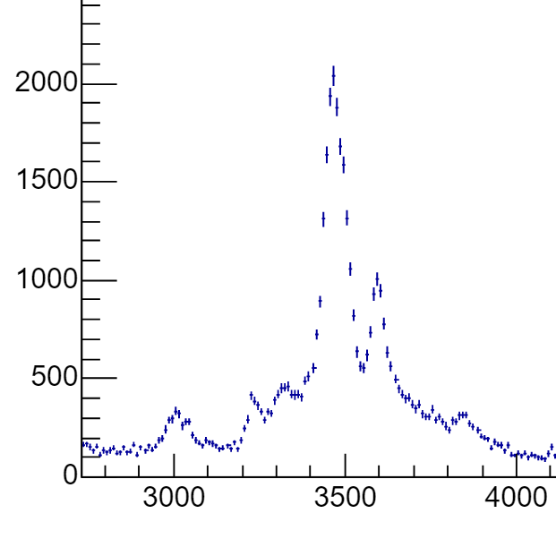
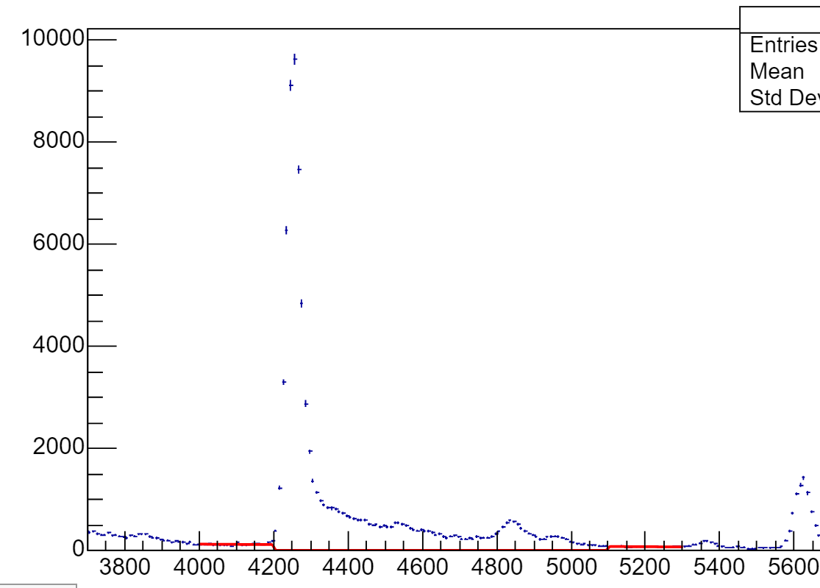
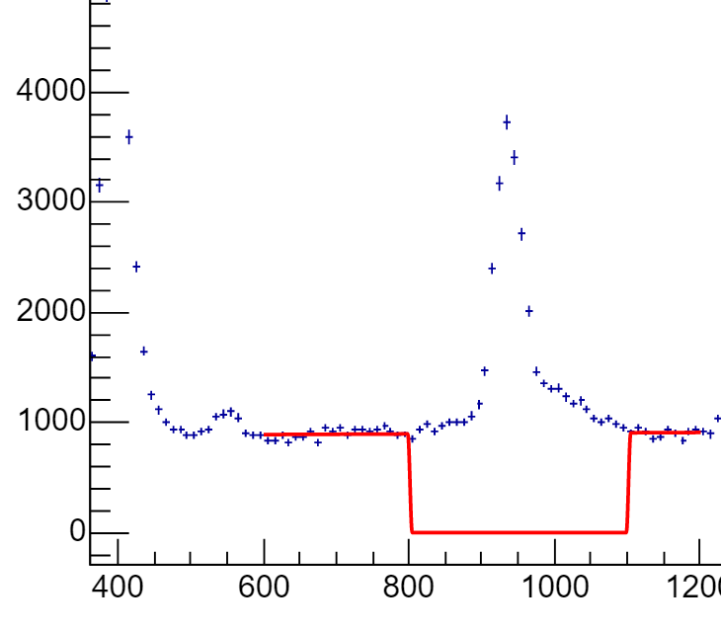
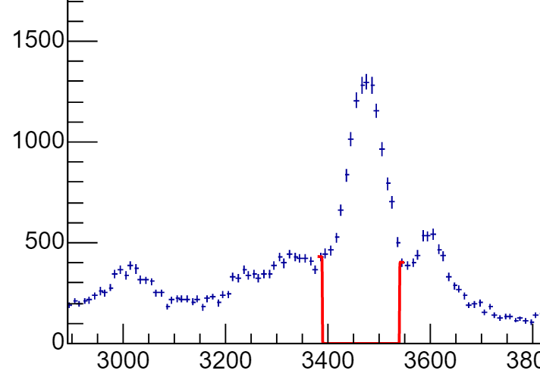
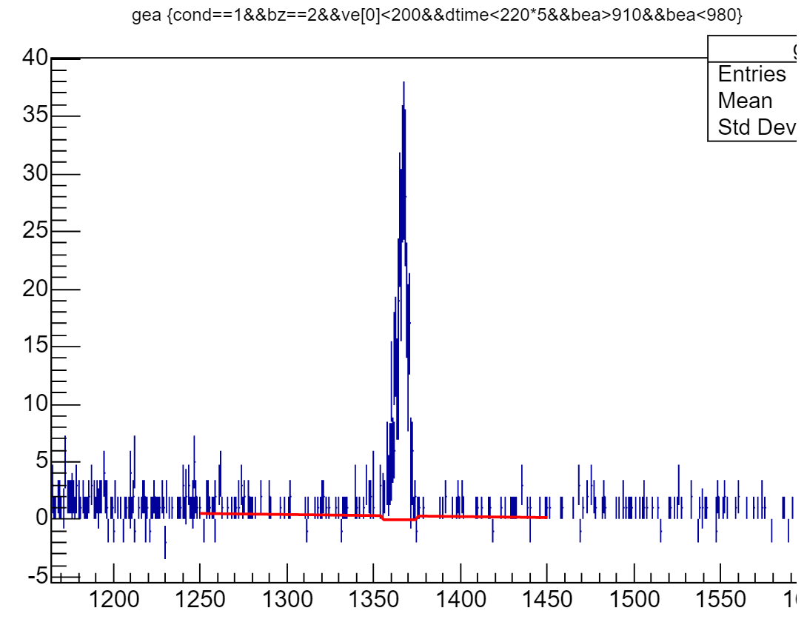
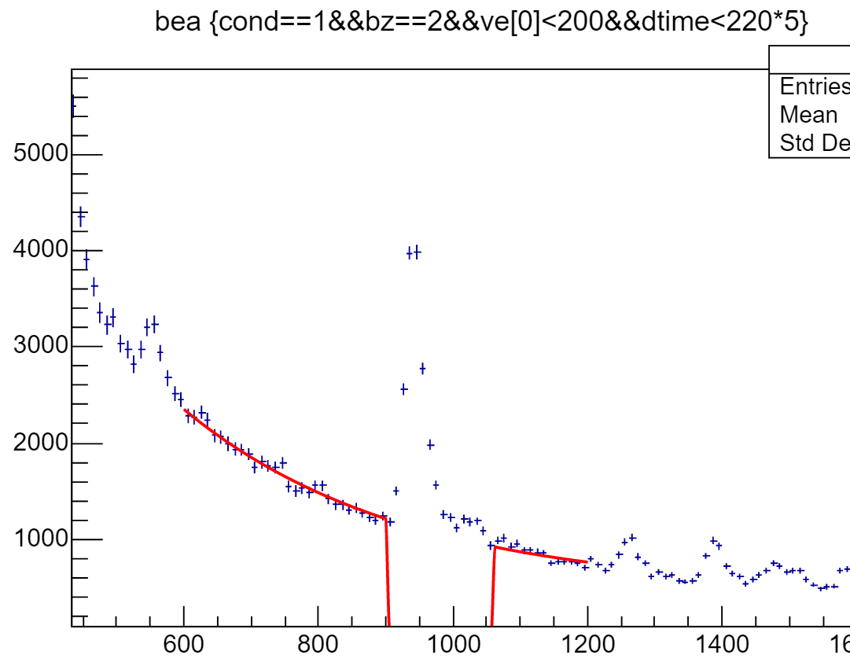
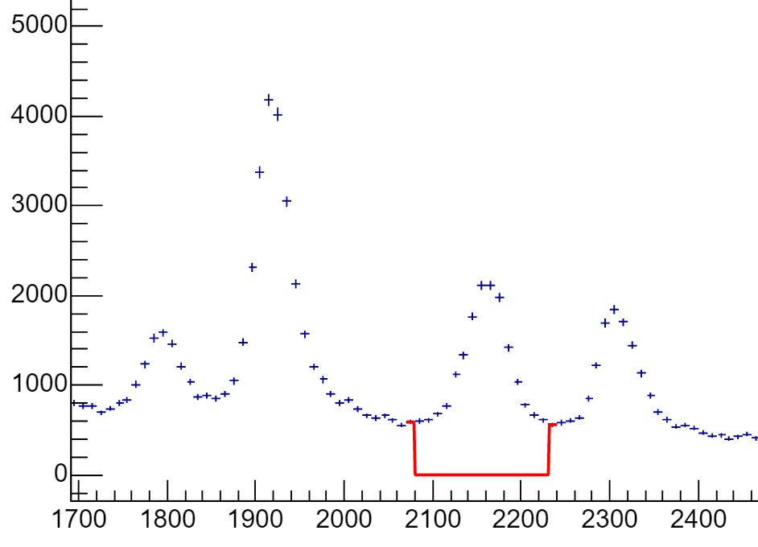
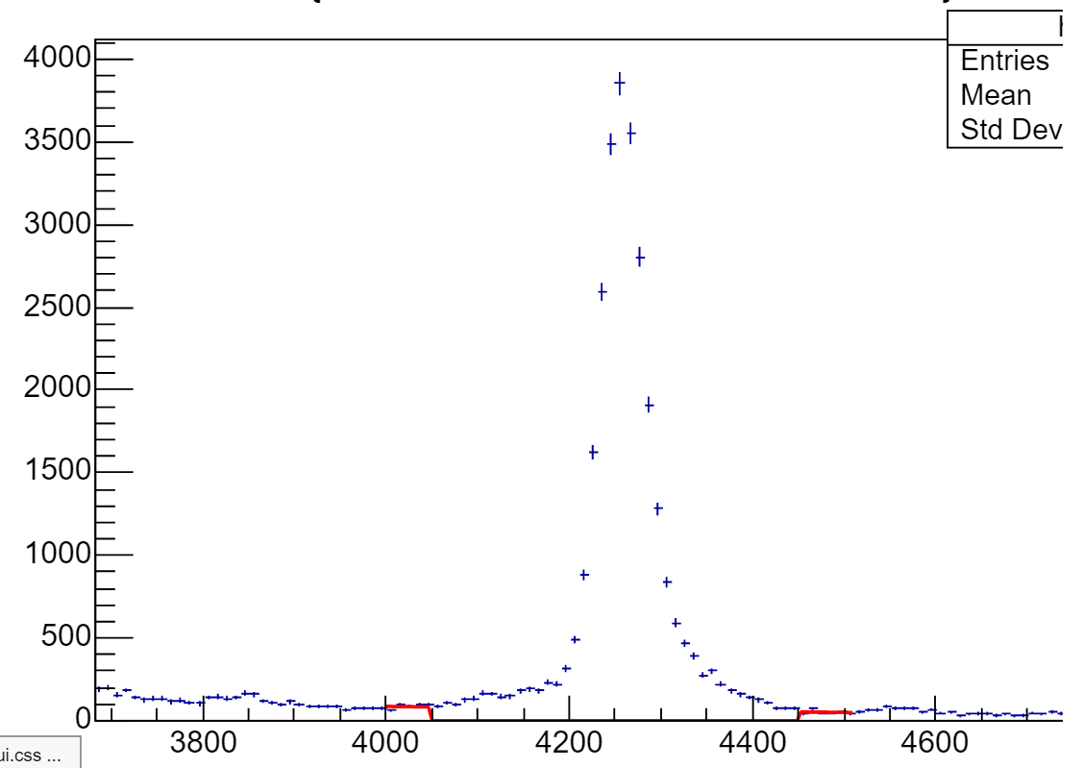
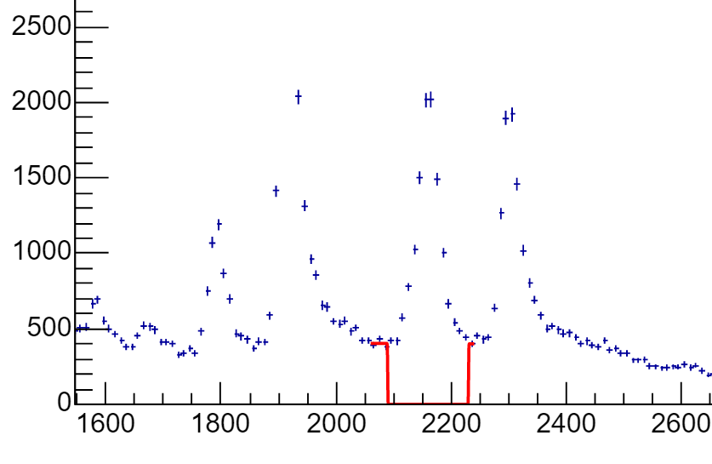
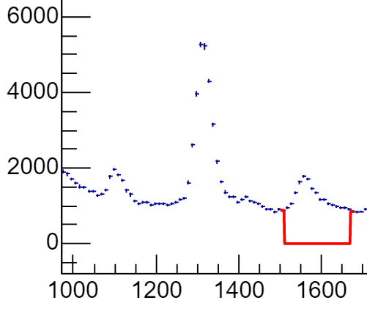
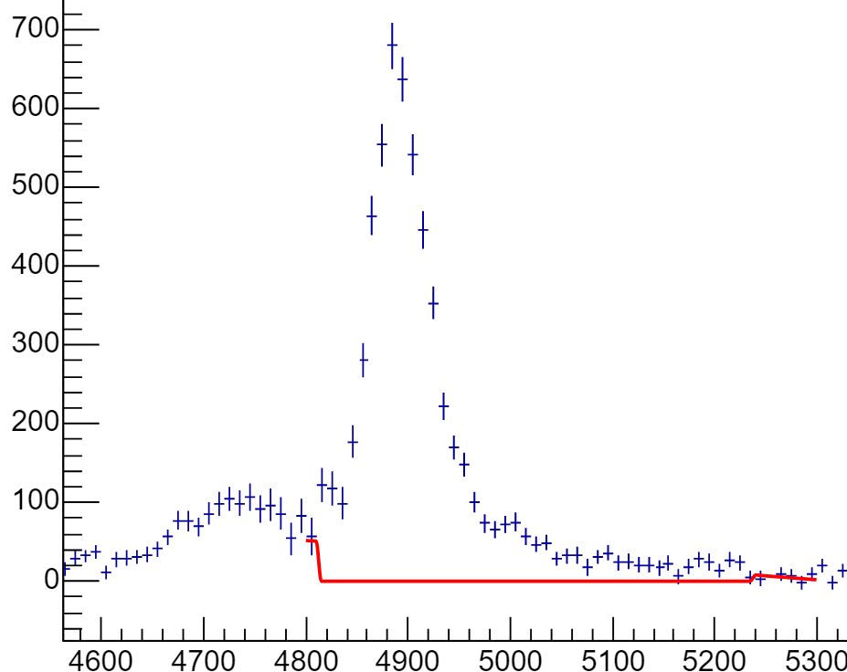
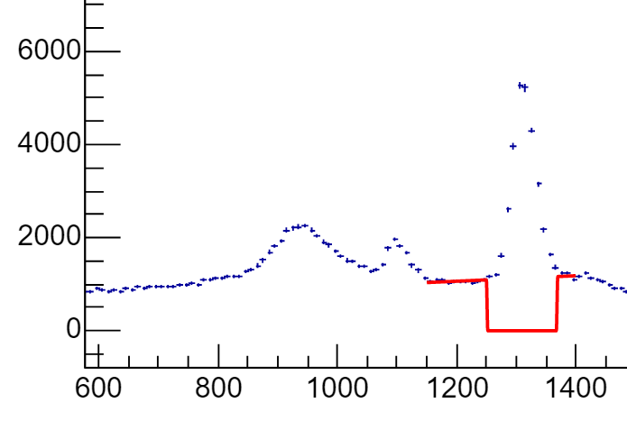
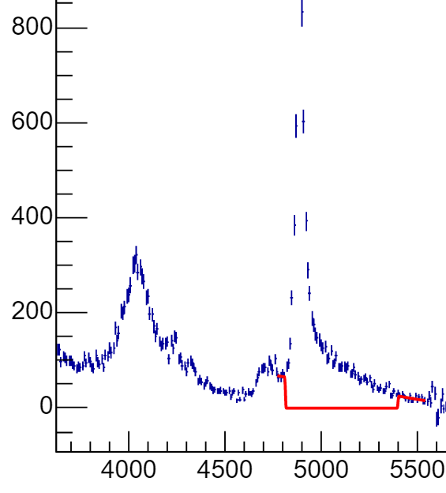
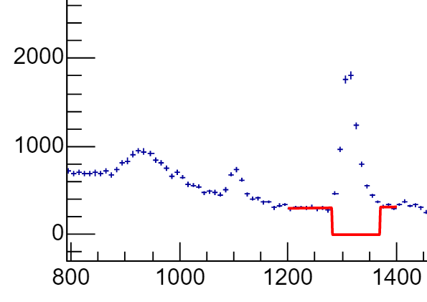
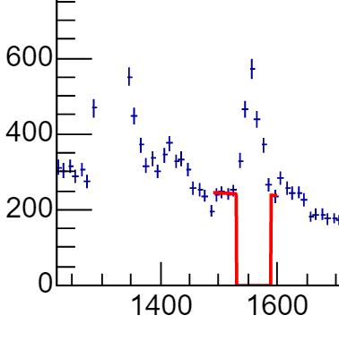
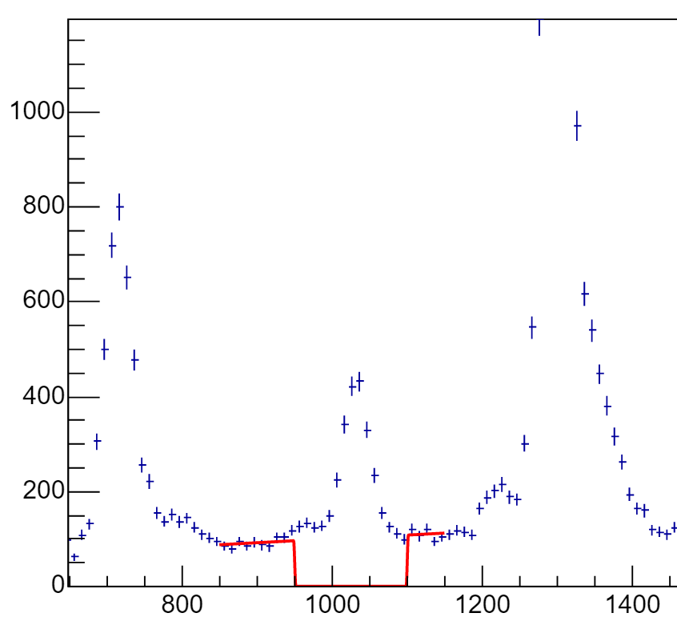
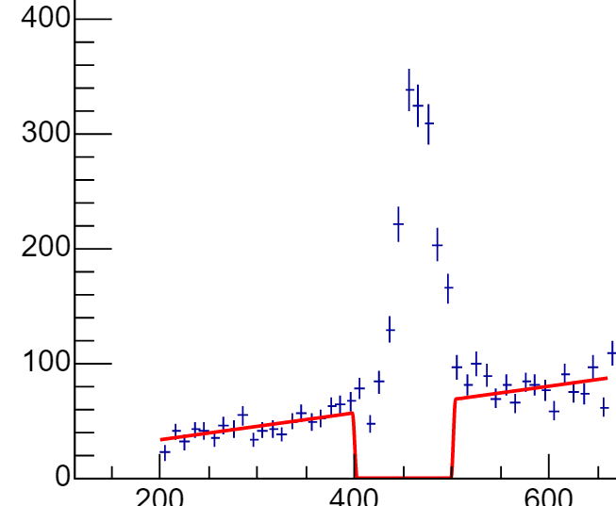
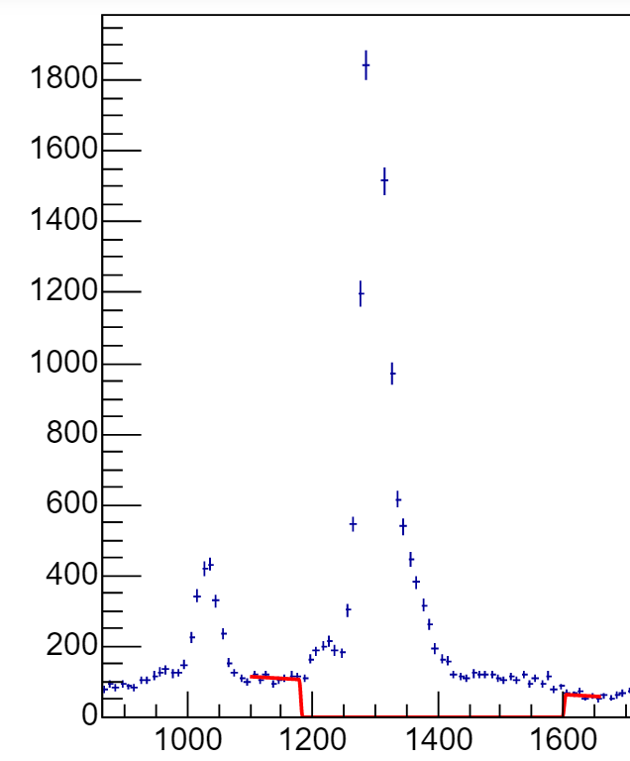
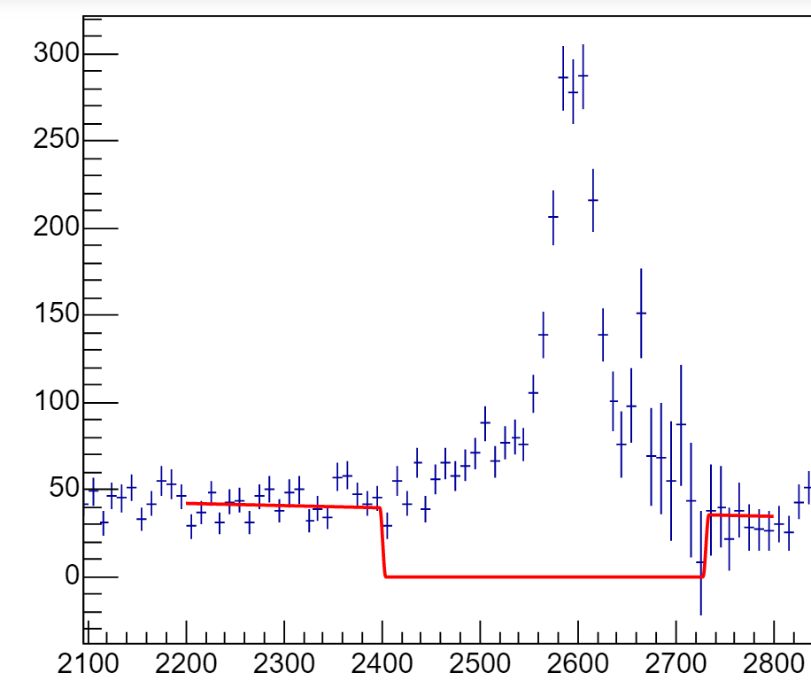
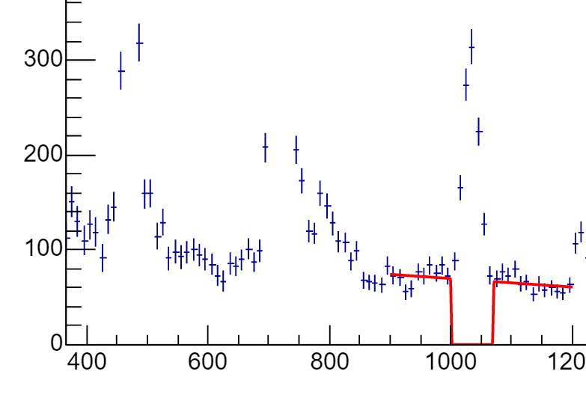
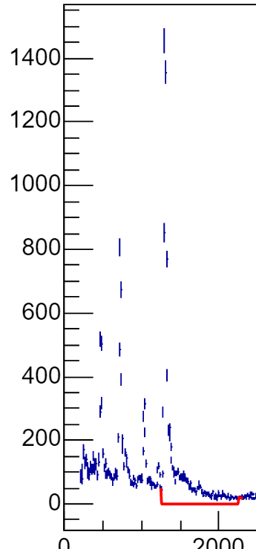
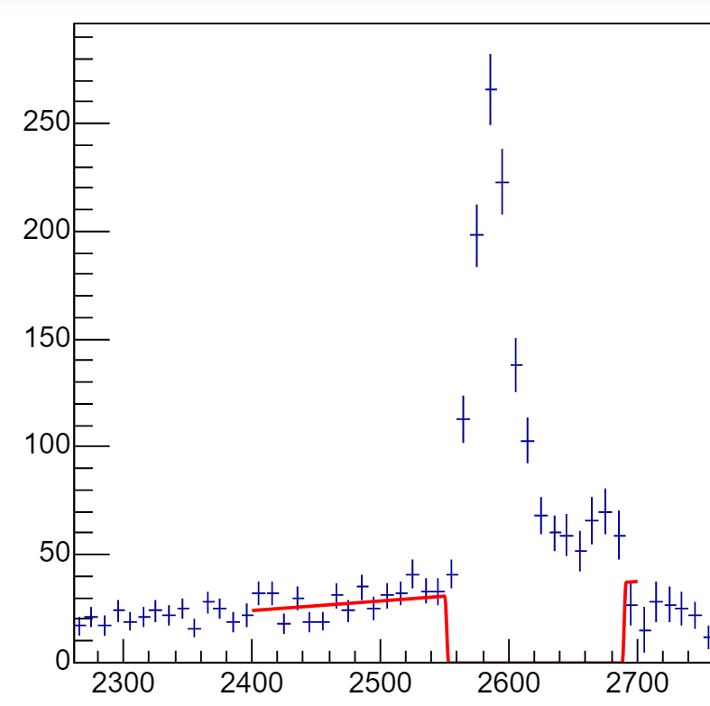
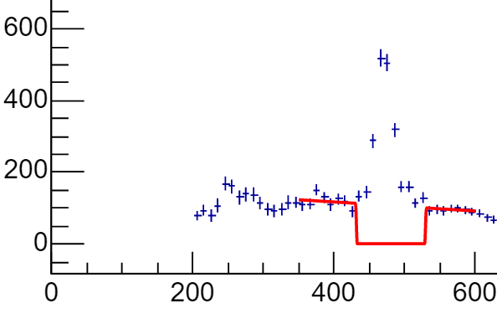
Eγ/keV | Ep/keV | Np all | Np bkg | Np | Np err | Nγ all | Nγ bkg | Nγ | Nγ err | Iγ | Iγ err |  | Np all | Np bkg | Np | Np err |  |  | Nγ | Nγ err | Iγ | Iγ err
 |  | DSSD2 |  |  |  |  |  |  |  |  |  |  | DSSD1
25Si | 940 | 18346 | 3916.74 | 14429.26 | 149.20703737 | 442 | 14.079 | 427.921 | 21.356006181 | 2.97% | 0.15% |  | 18910 | 6317.52 | 12592.48 | 158.83173486 | 538 | 14.2013 | 523.7987 | 23.194827009 | 4.16% | 0.19%
1368 | 2160 | 11078 | 3611.17 | 7466.83 | 121.19888613 | 354 | 8.82949 | 345.17051 | 19.048083631 | 4.62% | 0.27% | smartfit | 13644 | 5167.12 | 8476.88 | 137.15363648 | 405 | 9.35305 | 395.64695 | 20.124611797 | 4.67% | 0.25%
 |  | 11078 | 2462.24 | 8615.76 | 116.36253693 | 354 | 8.82949 | 345.1705 | 19.04808 | 4.01% | 0.23% | showbackground
 | 3460 | 16063 | 6226 | 9837 | 149.29500996 | 489 | 13.952 | 475.048 | 22.426591359 | 4.83% | 0.24% |  | 11020 | 4577.43 | 6442.57 | 124.88967131 | 314 | 6.74764 | 307.25236 | 17.720045147 | 4.77% | 0.29% | 4.01% | 0.23%
 | 4260 | 47073 | 1111.19 | 45961.81 | 219.50897476 | 1603 | 39.1978 | 1563.8022 | 40.524039779 | 3.40% | 0.09% |  | 26193 | 1342.03 | 24850.97 | 165.93682533 | 776 | 18.3232 | 757.6768 | 27.856776554 | 3.05% | 0.11%

21Mg | 1310 | 7587 | 2156.45 | 5430.55 | 98.708915504 | 200 | 4.28231 | 195.71769 | 14.292736267 | 3.60% | 0.27% |  | 26702 | 7957.21 | 18744.79 | 186.16984181 | 744 | 21.0594 | 722.9406 | 27.276363394 | 3.86% | 0.15%
1633 | 1550 | 2174 | 1202.66 | 971.34 | 58.109035442 | 49 | 1.83651 | 47.16349 | 7.1299726507 | 4.86% | 0.79% |  | 9297 | 5244.69 | 4052.31 | 120.58892984 | 194 | 7.17434 | 186.82566 | 13.928388277 | 4.61% | 0.37%
 | 4880 | 6551 | 984.447 | 5566.553 | 86.806952487 | 181 | 5.46637 | 175.53363 | 13.655268946 | 3.15% | 0.25% |  | 4676 | 512.729 | 4163.271 | 72.032832792 | 155 | 4.44157 | 150.55843 | 12.449899598 | 3.62% | 0.31% | 3.86% | 0.15%

22Al | 470 | 2226 | 856.158 | 1369.842 | 55.517186528 | 140 | 36.1988 | 103.8012 | 13.273989604 | 7.58% | 1.02% |  | 1695 | 455.325 | 1239.675 | 46.37159691 | 143 | 23.5205 | 119.4795 | 11.958260743 | 9.64% | 1.03%
332 | 1033 | 1193 | 408.093 | 784.907 | 40.013660167 | 68 | 19.7017 | 48.2983 | 9.3649185795 | 6.15% | 1.23% |  | 1987 | 615.963 | 1371.037 | 51.019241468 | 149 | 28.4129 | 120.5871 | 12.206555616 | 8.80% | 0.95%
 | 1300 | 5223 | 338.836 | 4884.164 | 74.577717852 | 350 | 76.5664 | 273.4336 | 20.653483968 | 5.60% | 0.43% |  | 10588 | 663.23 | 9924.77 | 106.0718153 | 854 | 150.372 | 703.628 | 29.223278392 | 7.09% | 0.30% | 7.58% | 1.02%
 | 2580 | 1269 | 335.203 | 933.797 | 40.052503043 | 100 | 18.0006 | 81.9994 | 10.862808108 | 8.78% | 1.22% |  | 1833 | 371.607 | 1461.393 | 46.9532427 | 147 | 28.042 | 118.958 | 12.124355653 | 8.14% | 0.87%

