Chart and Publication Inventory
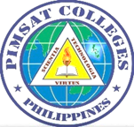
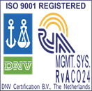
PIMSAT COLLEGES, INC.
McArthur Highway, Bolosan Dist., Dagupan City
COLLEGE OF MARITIME EDUCATION
Bachelor of Science in Marine Transportation
FINAL PRACTICAL EXAM
NAV 2 - Terrestrial and Coastal Navigation 2
Group No: |  |  |  | Year & Section:
Members: |  |  |  | Date:
1
2
3
4
5
Voyage:
Product Type |  | Chart Number | Product Title |  |  |  | Scale/Usage

Prepared by: |  |  |  |  | Assessed by:

 | 2/M CHRISTIAN PAUL R. FERNANDEZ |  |  |  |  | CAPT. ARTURO NICOMEDEZ
 | Instructor |  |  |  |  | Assessor

