Vonn Questions
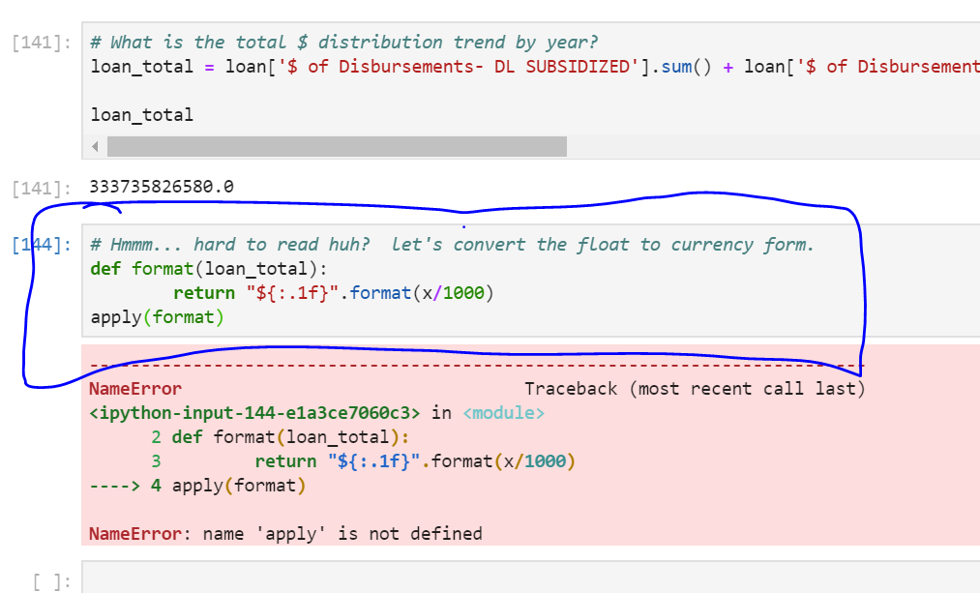
Question 1: How to convert object to str data type?

Question 1: How to convert a number to show currency format.

