3A_top_revenue_products
Back to Index
1. Top Revenue Products (3A)

 | Insight:
 | Revenue is heavily concentrated in a small set of high‑value products. The top 5 products contribute a disproportionately large share of total revenue.

 | Issue:
 | Over‑reliance on a narrow product range increases risk if demand shifts.

 | Recommendation:
 | -Diversify product strategy by promoting mid‑tier products.
 | -Review pricing and bundling opportunities for underperforming SKUs.

 | Results:
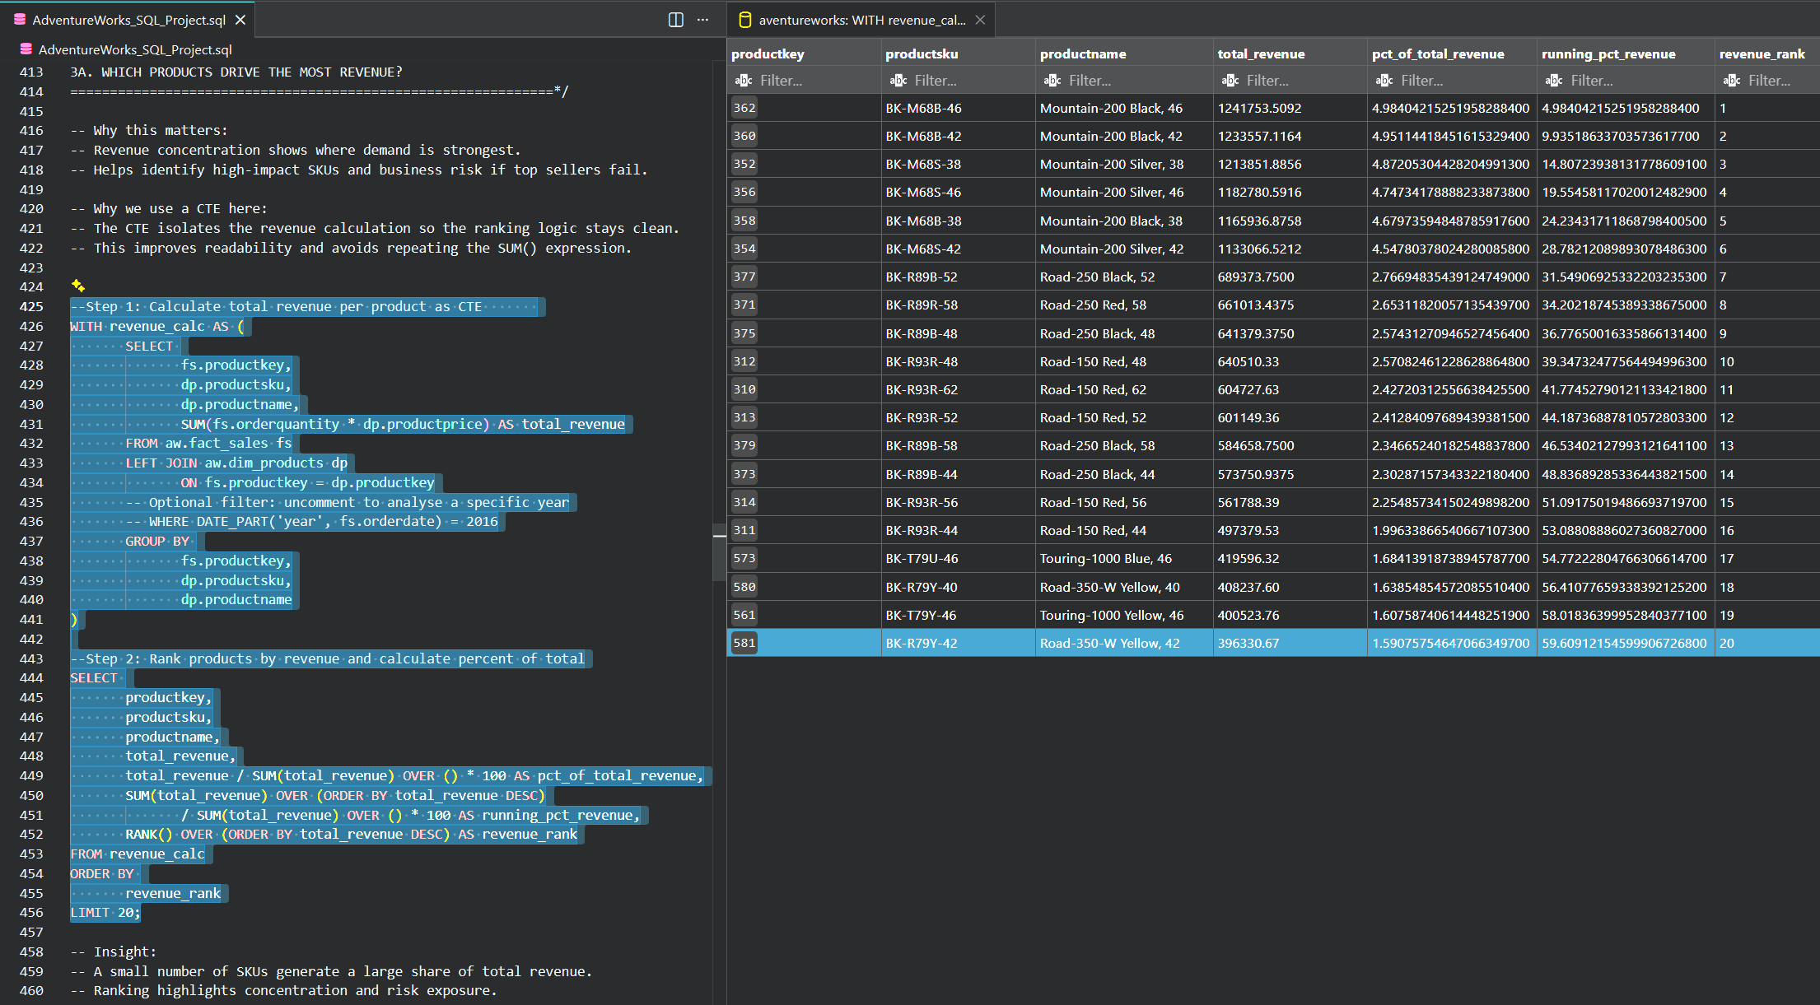
 | productkey | productsku | productname | total_revenue | pct_of_total_revenue | running_pct_revenue | revenue_rank
 | 362 | BK-M68B-46 | Mountain-200 Black, 46 | $1,241,753.51 | 4.9840421525 | 4.9840421525 | 1
 | 360 | BK-M68B-42 | Mountain-200 Black, 42 | $1,233,557.12 | 4.9511441845 | 9.935186337 | 2
 | 352 | BK-M68S-38 | Mountain-200 Silver, 38 | $1,213,851.89 | 4.8720530443 | 14.807239381 | 3
 | 356 | BK-M68S-46 | Mountain-200 Silver, 46 | $1,182,780.59 | 4.7473417889 | 19.55458117 | 4
 | 358 | BK-M68B-38 | Mountain-200 Black, 38 | $1,165,936.88 | 4.6797359485 | 24.234317119 | 5
 | 354 | BK-M68S-42 | Mountain-200 Silver, 42 | $1,133,066.52 | 4.5478037802 | 28.782120899 | 6
 | 377 | BK-R89B-52 | Road-250 Black, 52 | $689,373.75 | 2.7669483544 | 31.549069253 | 7
 | 371 | BK-R89R-58 | Road-250 Red, 58 | $661,013.44 | 2.6531182006 | 34.202187454 | 8
 | 375 | BK-R89B-48 | Road-250 Black, 48 | $641,379.38 | 2.5743127095 | 36.776500163 | 9
 | 312 | BK-R93R-48 | Road-150 Red, 48 | $640,510.33 | 2.5708246123 | 39.347324776 | 10
 | 310 | BK-R93R-62 | Road-150 Red, 62 | $604,727.63 | 2.4272031256 | 41.774527901 | 11
 | 313 | BK-R93R-52 | Road-150 Red, 52 | $601,149.36 | 2.4128409769 | 44.187368878 | 12
 | 379 | BK-R89B-58 | Road-250 Black, 58 | $584,658.75 | 2.3466524018 | 46.53402128 | 13
 | 373 | BK-R89B-44 | Road-250 Black, 44 | $573,750.94 | 2.3028715734 | 48.836892853 | 14
 | 314 | BK-R93R-56 | Road-150 Red, 56 | $561,788.39 | 2.2548573415 | 51.091750195 | 15
 | 311 | BK-R93R-44 | Road-150 Red, 44 | $497,379.53 | 1.9963386654 | 53.08808886 | 16
 | 573 | BK-T79U-46 | Touring-1000 Blue, 46 | $419,596.32 | 1.6841391874 | 54.772228048 | 17
 | 580 | BK-R79Y-40 | Road-350-W Yellow, 40 | $408,237.60 | 1.6385485457 | 56.410776593 | 18
 | 561 | BK-T79Y-46 | Touring-1000 Yellow, 46 | $400,523.76 | 1.6075874061 | 58.018364 | 19
 | 581 | BK-R79Y-42 | Road-350-W Yellow, 42 | $396,330.67 | 1.5907575465 | 59.609121546 | 20

3B_top_profit_products
Back to Index
2. Top Profit Products (3B)

 | Insight:
 | High‑revenue products are not always the most profitable. Several mid‑volume products deliver stronger margins.

 | Issue:
 | Marketing and sales efforts may be misaligned — pushing revenue instead of profit.

 | Recommendation:
 | -Shift promotional spend toward high‑margin SKUs.
 | -Re‑evaluate discounting strategies on low‑margin bestsellers.

 | Results:

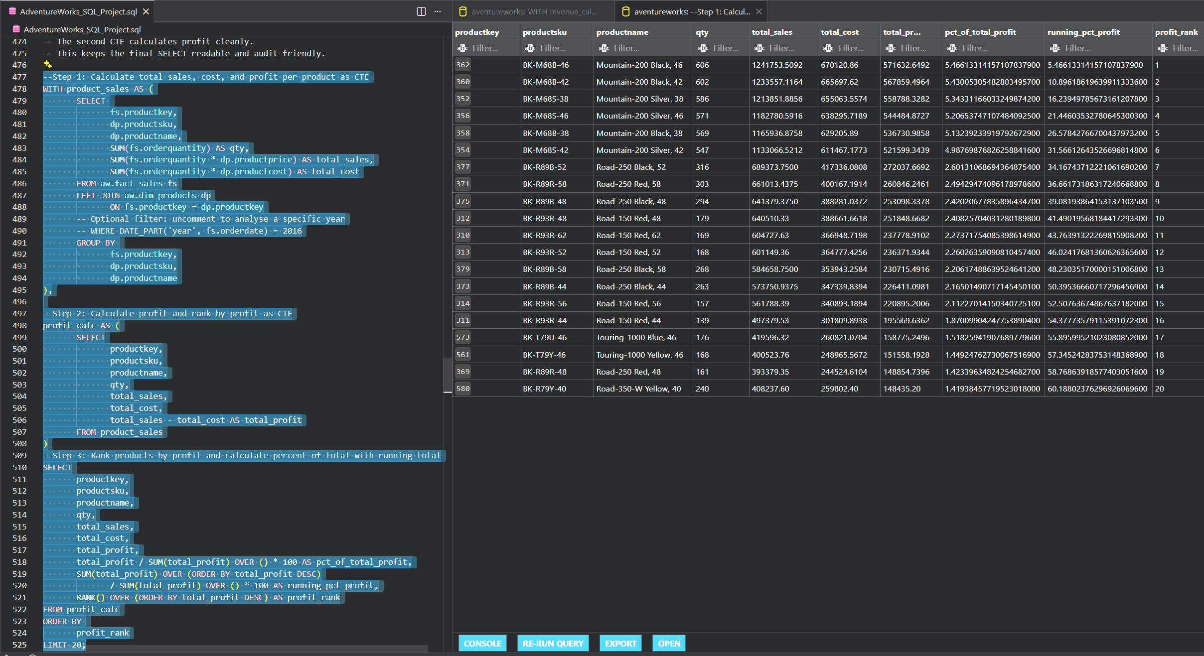
 | productkey | productsku | productname | qty | total_sales | total_cost | total_profit | pct_of_total_profit | running_pct_profit | profit_rank
 | 362 | BK-M68B-46 | Mountain-200 Black, 46 | 606 | $1,241,753.51 | $670,120.86 | $571,632.65 | 5.4661331416 | 5.4661331416 | 1
 | 360 | BK-M68B-42 | Mountain-200 Black, 42 | 602 | $1,233,557.12 | $665,697.62 | $567,859.50 | 5.4300530548 | 10.896186196 | 2
 | 352 | BK-M68S-38 | Mountain-200 Silver, 38 | 586 | $1,213,851.89 | $655,063.56 | $558,788.33 | 5.3433116603 | 16.239497857 | 3
 | 356 | BK-M68S-46 | Mountain-200 Silver, 46 | 571 | $1,182,780.59 | $638,295.72 | $544,484.87 | 5.2065374711 | 21.446035328 | 4
 | 358 | BK-M68B-38 | Mountain-200 Black, 38 | 569 | $1,165,936.88 | $629,205.89 | $536,730.99 | 5.1323923392 | 26.578427667 | 5
 | 354 | BK-M68S-42 | Mountain-200 Silver, 42 | 547 | $1,133,066.52 | $611,467.18 | $521,599.34 | 4.9876987683 | 31.566126435 | 6
 | 377 | BK-R89B-52 | Road-250 Black, 52 | 316 | $689,373.75 | $417,336.08 | $272,037.67 | 2.6013106869 | 34.167437122 | 7
 | 371 | BK-R89R-58 | Road-250 Red, 58 | 303 | $661,013.44 | $400,167.19 | $260,846.25 | 2.494294741 | 36.661731863 | 8
 | 375 | BK-R89B-48 | Road-250 Black, 48 | 294 | $641,379.38 | $388,281.04 | $253,098.34 | 2.4202067784 | 39.081938642 | 9
 | 312 | BK-R93R-48 | Road-150 Red, 48 | 179 | $640,510.33 | $388,661.66 | $251,848.67 | 2.4082570403 | 41.490195682 | 10
 | 310 | BK-R93R-62 | Road-150 Red, 62 | 169 | $604,727.63 | $366,948.72 | $237,778.91 | 2.2737175409 | 43.763913223 | 11
 | 313 | BK-R93R-52 | Road-150 Red, 52 | 168 | $601,149.36 | $364,777.43 | $236,371.93 | 2.2602635909 | 46.024176814 | 12
 | 379 | BK-R89B-58 | Road-250 Black, 58 | 268 | $584,658.75 | $353,943.26 | $230,715.49 | 2.2061748864 | 48.2303517 | 13
 | 373 | BK-R89B-44 | Road-250 Black, 44 | 263 | $573,750.94 | $347,339.84 | $226,411.10 | 2.1650149072 | 50.395366607 | 14
 | 314 | BK-R93R-56 | Road-150 Red, 56 | 157 | $561,788.39 | $340,893.19 | $220,895.20 | 2.1122701415 | 52.507636749 | 15
 | 311 | BK-R93R-44 | Road-150 Red, 44 | 139 | $497,379.53 | $301,809.89 | $195,569.64 | 1.8700990425 | 54.377735791 | 16
 | 573 | BK-T79U-46 | Touring-1000 Blue, 46 | 176 | $419,596.32 | $260,821.07 | $158,775.25 | 1.5182594191 | 55.89599521 | 17
 | 561 | BK-T79Y-46 | Touring-1000 Yellow, 46 | 168 | $400,523.76 | $248,965.57 | $151,558.19 | 1.4492476273 | 57.345242838 | 18
 | 369 | BK-R89R-48 | Road-250 Red, 48 | 161 | $393,379.35 | $244,524.61 | $148,854.74 | 1.4233963482 | 58.768639186 | 19
 | 580 | BK-R79Y-40 | Road-350-W Yellow, 40 | 240 | $408,237.60 | $259,802.40 | $148,435.20 | 1.4193845772 | 60.188023763 | 20

3C_declining_product_trends
Back to Index
3. Declining Product Trends (3C)

 | Insight:
 | A subset of products shows consistent month‑over‑month decline.

 | Issue:
 | Potential causes include market saturation, competitor pressure, or outdated product features.

 | Recommendation:
 | -Conduct root‑cause analysis (pricing, competitor launches, seasonality).
 | -Refresh or retire declining SKUs.
 | -Introduce targeted campaigns to revive demand.

 | Results:

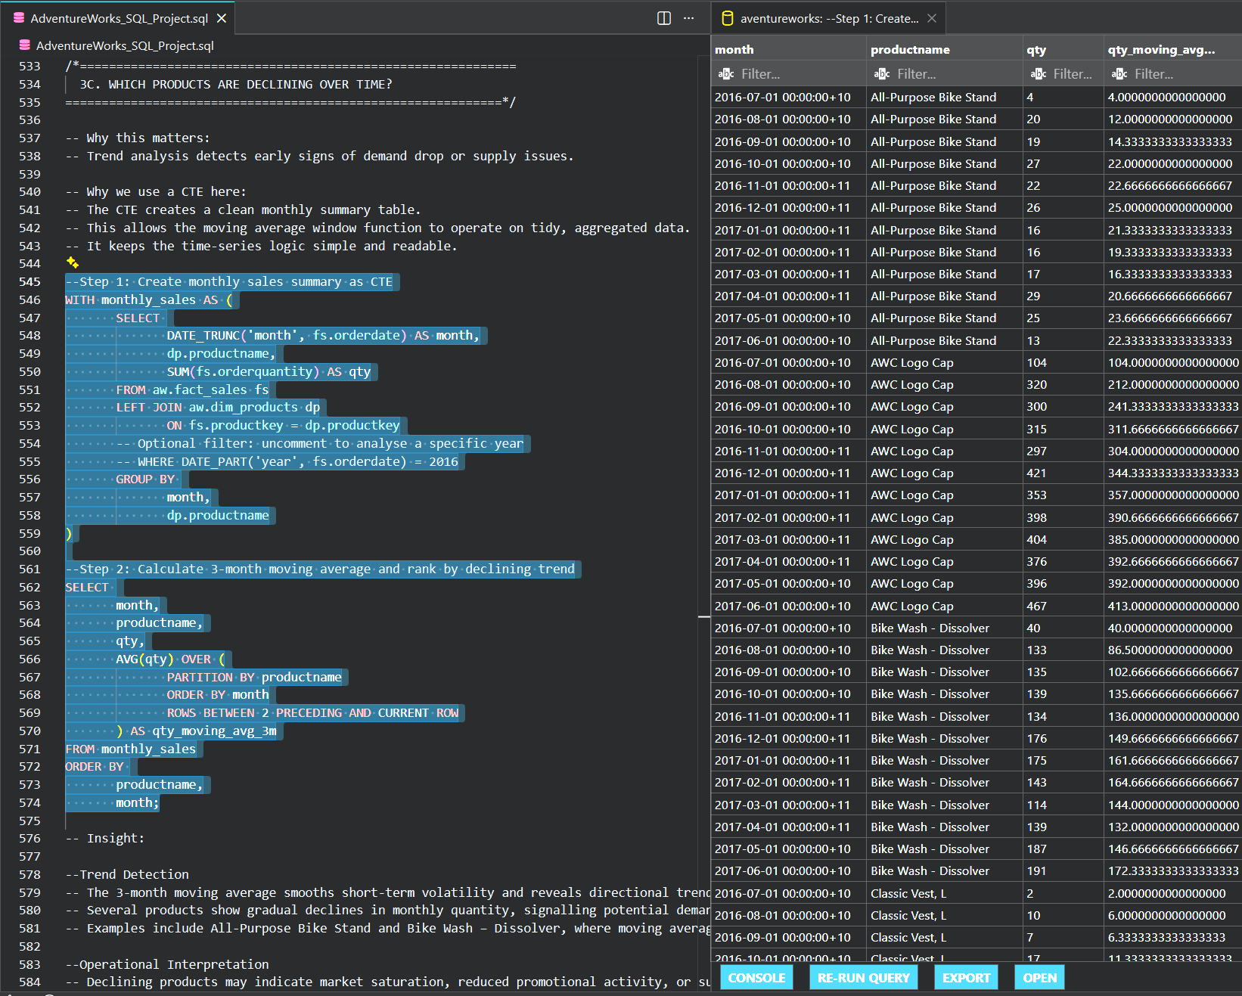
 | month | productname | qty | qty_moving_avg_3m
 | 2016-07-01 00:00:00+10 | All-Purpose Bike Stand | 4 | 4
 | 2016-08-01 00:00:00+10 | All-Purpose Bike Stand | 20 | 12
 | 2016-09-01 00:00:00+10 | All-Purpose Bike Stand | 19 | 14
 | 2016-10-01 00:00:00+10 | All-Purpose Bike Stand | 27 | 22
 | 2016-11-01 00:00:00+11 | All-Purpose Bike Stand | 22 | 23
 | 2016-12-01 00:00:00+11 | All-Purpose Bike Stand | 26 | 25
 | 2017-01-01 00:00:00+11 | All-Purpose Bike Stand | 16 | 21
 | 2017-02-01 00:00:00+11 | All-Purpose Bike Stand | 16 | 19
 | 2017-03-01 00:00:00+11 | All-Purpose Bike Stand | 17 | 16
 | 2017-04-01 00:00:00+11 | All-Purpose Bike Stand | 29 | 21
 | 2017-05-01 00:00:00+10 | All-Purpose Bike Stand | 25 | 24
 | 2017-06-01 00:00:00+10 | All-Purpose Bike Stand | 13 | 22
 | 2016-07-01 00:00:00+10 | AWC Logo Cap | 104 | 104
 | 2016-08-01 00:00:00+10 | AWC Logo Cap | 320 | 212
 | 2016-09-01 00:00:00+10 | AWC Logo Cap | 300 | 241
 | 2016-10-01 00:00:00+10 | AWC Logo Cap | 315 | 312
 | 2016-11-01 00:00:00+11 | AWC Logo Cap | 297 | 304
 | 2016-12-01 00:00:00+11 | AWC Logo Cap | 421 | 344
 | 2017-01-01 00:00:00+11 | AWC Logo Cap | 353 | 357
 | 2017-02-01 00:00:00+11 | AWC Logo Cap | 398 | 391
 | 2017-03-01 00:00:00+11 | AWC Logo Cap | 404 | 385
 | 2017-04-01 00:00:00+11 | AWC Logo Cap | 376 | 393
 | 2017-05-01 00:00:00+10 | AWC Logo Cap | 396 | 392
 | 2017-06-01 00:00:00+10 | AWC Logo Cap | 467 | 413
 | 2016-07-01 00:00:00+10 | Bike Wash - Dissolver | 40 | 40
 | 2016-08-01 00:00:00+10 | Bike Wash - Dissolver | 133 | 87
 | 2016-09-01 00:00:00+10 | Bike Wash - Dissolver | 135 | 103
 | 2016-10-01 00:00:00+10 | Bike Wash - Dissolver | 139 | 136
 | 2016-11-01 00:00:00+11 | Bike Wash - Dissolver | 134 | 136
 | 2016-12-01 00:00:00+11 | Bike Wash - Dissolver | 176 | 150
 | 2017-01-01 00:00:00+11 | Bike Wash - Dissolver | 175 | 162
 | 2017-02-01 00:00:00+11 | Bike Wash - Dissolver | 143 | 165
 | 2017-03-01 00:00:00+11 | Bike Wash - Dissolver | 114 | 144
 | 2017-04-01 00:00:00+11 | Bike Wash - Dissolver | 139 | 132
 | 2017-05-01 00:00:00+10 | Bike Wash - Dissolver | 187 | 147
 | 2017-06-01 00:00:00+10 | Bike Wash - Dissolver | 191 | 172
 | 2016-07-01 00:00:00+10 | Classic Vest, L | 2 | 2
 | 2016-08-01 00:00:00+10 | Classic Vest, L | 10 | 6
 | 2016-09-01 00:00:00+10 | Classic Vest, L | 7 | 6
 | 2016-10-01 00:00:00+10 | Classic Vest, L | 17 | 11
 | 2016-11-01 00:00:00+11 | Classic Vest, L | 18 | 14
 | 2016-12-01 00:00:00+11 | Classic Vest, L | 13 | 16
 | 2017-01-01 00:00:00+11 | Classic Vest, L | 17 | 16
 | 2017-02-01 00:00:00+11 | Classic Vest, L | 19 | 16
 | 2017-03-01 00:00:00+11 | Classic Vest, L | 21 | 19
 | 2017-04-01 00:00:00+11 | Classic Vest, L | 24 | 21
 | 2017-05-01 00:00:00+10 | Classic Vest, L | 13 | 19
 | 2017-06-01 00:00:00+10 | Classic Vest, L | 21 | 19
 | 2016-07-01 00:00:00+10 | Classic Vest, M | 7 | 7
 | 2016-08-01 00:00:00+10 | Classic Vest, M | 12 | 10
 | 2016-09-01 00:00:00+10 | Classic Vest, M | 9 | 9
 | 2016-10-01 00:00:00+10 | Classic Vest, M | 15 | 12
 | 2016-11-01 00:00:00+11 | Classic Vest, M | 13 | 12
 | 2016-12-01 00:00:00+11 | Classic Vest, M | 15 | 14
 | 2017-01-01 00:00:00+11 | Classic Vest, M | 20 | 16
 | 2017-02-01 00:00:00+11 | Classic Vest, M | 19 | 18
 | 2017-03-01 00:00:00+11 | Classic Vest, M | 20 | 20
 | 2017-04-01 00:00:00+11 | Classic Vest, M | 18 | 19
 | 2017-05-01 00:00:00+10 | Classic Vest, M | 18 | 19
 | 2017-06-01 00:00:00+10 | Classic Vest, M | 16 | 17
 | 2016-07-01 00:00:00+10 | Classic Vest, S | 6 | 6
 | 2016-08-01 00:00:00+10 | Classic Vest, S | 9 | 8
 | 2016-09-01 00:00:00+10 | Classic Vest, S | 14 | 10
 | 2016-10-01 00:00:00+10 | Classic Vest, S | 10 | 11
 | 2016-11-01 00:00:00+11 | Classic Vest, S | 15 | 13
 | 2016-12-01 00:00:00+11 | Classic Vest, S | 12 | 12
 | 2017-01-01 00:00:00+11 | Classic Vest, S | 14 | 14
 | 2017-02-01 00:00:00+11 | Classic Vest, S | 10 | 12
 | 2017-03-01 00:00:00+11 | Classic Vest, S | 13 | 12
 | 2017-04-01 00:00:00+11 | Classic Vest, S | 17 | 13
 | 2017-05-01 00:00:00+10 | Classic Vest, S | 26 | 19
 | 2017-06-01 00:00:00+10 | Classic Vest, S | 11 | 18
 | 2016-07-01 00:00:00+10 | Fender Set - Mountain | 103 | 103
 | 2016-08-01 00:00:00+10 | Fender Set - Mountain | 304 | 204
 | 2016-09-01 00:00:00+10 | Fender Set - Mountain | 285 | 231
 | 2016-10-01 00:00:00+10 | Fender Set - Mountain | 327 | 305
 | 2016-11-01 00:00:00+11 | Fender Set - Mountain | 309 | 307
 | 2016-12-01 00:00:00+11 | Fender Set - Mountain | 410 | 349
 | 2017-01-01 00:00:00+11 | Fender Set - Mountain | 382 | 367
 | 2017-02-01 00:00:00+11 | Fender Set - Mountain | 295 | 362
 | 2017-03-01 00:00:00+11 | Fender Set - Mountain | 360 | 346
 | 2017-04-01 00:00:00+11 | Fender Set - Mountain | 334 | 330
 | 2017-05-01 00:00:00+10 | Fender Set - Mountain | 444 | 379
 | 2017-06-01 00:00:00+10 | Fender Set - Mountain | 407 | 395
 | 2016-07-01 00:00:00+10 | Half-Finger Gloves, L | 14 | 14
 | 2016-08-01 00:00:00+10 | Half-Finger Gloves, L | 56 | 35
 | 2016-09-01 00:00:00+10 | Half-Finger Gloves, L | 67 | 46
 | 2016-10-01 00:00:00+10 | Half-Finger Gloves, L | 58 | 60
 | 2016-11-01 00:00:00+11 | Half-Finger Gloves, L | 57 | 61
 | 2016-12-01 00:00:00+11 | Half-Finger Gloves, L | 73 | 63
 | 2017-01-01 00:00:00+11 | Half-Finger Gloves, L | 81 | 70
 | 2017-02-01 00:00:00+11 | Half-Finger Gloves, L | 74 | 76
 | 2017-03-01 00:00:00+11 | Half-Finger Gloves, L | 68 | 74
 | 2017-04-01 00:00:00+11 | Half-Finger Gloves, L | 92 | 78
 | 2017-05-01 00:00:00+10 | Half-Finger Gloves, L | 103 | 88
 | 2017-06-01 00:00:00+10 | Half-Finger Gloves, L | 97 | 97
 | 2016-07-01 00:00:00+10 | Half-Finger Gloves, M | 7 | 7
 | 2016-08-01 00:00:00+10 | Half-Finger Gloves, M | 69 | 38
 | 2016-09-01 00:00:00+10 | Half-Finger Gloves, M | 70 | 49
 | 2016-10-01 00:00:00+10 | Half-Finger Gloves, M | 73 | 71
 | 2016-11-01 00:00:00+11 | Half-Finger Gloves, M | 74 | 72
 | 2016-12-01 00:00:00+11 | Half-Finger Gloves, M | 88 | 78
 | 2017-01-01 00:00:00+11 | Half-Finger Gloves, M | 70 | 77
 | 2017-02-01 00:00:00+11 | Half-Finger Gloves, M | 87 | 82
 | 2017-03-01 00:00:00+11 | Half-Finger Gloves, M | 97 | 85
 | 2017-04-01 00:00:00+11 | Half-Finger Gloves, M | 88 | 91
 | 2017-05-01 00:00:00+10 | Half-Finger Gloves, M | 114 | 100
 | 2017-06-01 00:00:00+10 | Half-Finger Gloves, M | 81 | 94
 | 2016-07-01 00:00:00+10 | Half-Finger Gloves, S | 19 | 19
 | 2016-08-01 00:00:00+10 | Half-Finger Gloves, S | 68 | 44
 | 2016-09-01 00:00:00+10 | Half-Finger Gloves, S | 70 | 52
 | 2016-10-01 00:00:00+10 | Half-Finger Gloves, S | 86 | 75
 | 2016-11-01 00:00:00+11 | Half-Finger Gloves, S | 73 | 76
 | 2016-12-01 00:00:00+11 | Half-Finger Gloves, S | 83 | 81
 | 2017-01-01 00:00:00+11 | Half-Finger Gloves, S | 86 | 81
 | 2017-02-01 00:00:00+11 | Half-Finger Gloves, S | 76 | 82
 | 2017-03-01 00:00:00+11 | Half-Finger Gloves, S | 58 | 73
 | 2017-04-01 00:00:00+11 | Half-Finger Gloves, S | 77 | 70
 | 2017-05-01 00:00:00+10 | Half-Finger Gloves, S | 84 | 73
 | 2017-06-01 00:00:00+10 | Half-Finger Gloves, S | 106 | 89
 | 2016-07-01 00:00:00+10 | Hitch Rack - 4-Bike | 8 | 8
 | 2016-08-01 00:00:00+10 | Hitch Rack - 4-Bike | 25 | 17
 | 2016-09-01 00:00:00+10 | Hitch Rack - 4-Bike | 33 | 22
 | 2016-10-01 00:00:00+10 | Hitch Rack - 4-Bike | 20 | 26
 | 2016-11-01 00:00:00+11 | Hitch Rack - 4-Bike | 23 | 25
 | 2016-12-01 00:00:00+11 | Hitch Rack - 4-Bike | 26 | 23
 | 2017-01-01 00:00:00+11 | Hitch Rack - 4-Bike | 18 | 22
 | 2017-02-01 00:00:00+11 | Hitch Rack - 4-Bike | 23 | 22
 | 2017-03-01 00:00:00+11 | Hitch Rack - 4-Bike | 30 | 24
 | 2017-04-01 00:00:00+11 | Hitch Rack - 4-Bike | 21 | 25
 | 2017-05-01 00:00:00+10 | Hitch Rack - 4-Bike | 44 | 32
 | 2017-06-01 00:00:00+10 | Hitch Rack - 4-Bike | 31 | 32
 | 2016-07-01 00:00:00+10 | HL Mountain Tire | 27 | 27
 | 2016-08-01 00:00:00+10 | HL Mountain Tire | 104 | 66
 | 2016-09-01 00:00:00+10 | HL Mountain Tire | 103 | 78
 | 2016-10-01 00:00:00+10 | HL Mountain Tire | 93 | 100
 | 2016-11-01 00:00:00+11 | HL Mountain Tire | 119 | 105
 | 2016-12-01 00:00:00+11 | HL Mountain Tire | 123 | 112
 | 2017-01-01 00:00:00+11 | HL Mountain Tire | 118 | 120
 | 2017-02-01 00:00:00+11 | HL Mountain Tire | 110 | 117
 | 2017-03-01 00:00:00+11 | HL Mountain Tire | 116 | 115
 | 2017-04-01 00:00:00+11 | HL Mountain Tire | 109 | 112
 | 2017-05-01 00:00:00+10 | HL Mountain Tire | 155 | 127
 | 2017-06-01 00:00:00+10 | HL Mountain Tire | 128 | 131
 | 2016-07-01 00:00:00+10 | HL Road Tire | 28 | 28
 | 2016-08-01 00:00:00+10 | HL Road Tire | 81 | 55
 | 2016-09-01 00:00:00+10 | HL Road Tire | 62 | 57
 | 2016-10-01 00:00:00+10 | HL Road Tire | 82 | 75
 | 2016-11-01 00:00:00+11 | HL Road Tire | 70 | 71
 | 2016-12-01 00:00:00+11 | HL Road Tire | 66 | 73
 | 2017-01-01 00:00:00+11 | HL Road Tire | 74 | 70
 | 2017-02-01 00:00:00+11 | HL Road Tire | 61 | 67
 | 2017-03-01 00:00:00+11 | HL Road Tire | 75 | 70
 | 2017-04-01 00:00:00+11 | HL Road Tire | 72 | 69
 | 2017-05-01 00:00:00+10 | HL Road Tire | 69 | 72
 | 2017-06-01 00:00:00+10 | HL Road Tire | 55 | 65
 | 2016-07-01 00:00:00+10 | Hydration Pack - 70 oz. | 19 | 19
 | 2016-08-01 00:00:00+10 | Hydration Pack - 70 oz. | 51 | 35
 | 2016-09-01 00:00:00+10 | Hydration Pack - 70 oz. | 57 | 42
 | 2016-10-01 00:00:00+10 | Hydration Pack - 70 oz. | 61 | 56
 | 2016-11-01 00:00:00+11 | Hydration Pack - 70 oz. | 52 | 57
 | 2016-12-01 00:00:00+11 | Hydration Pack - 70 oz. | 61 | 58
 | 2017-01-01 00:00:00+11 | Hydration Pack - 70 oz. | 58 | 57
 | 2017-02-01 00:00:00+11 | Hydration Pack - 70 oz. | 62 | 60
 | 2017-03-01 00:00:00+11 | Hydration Pack - 70 oz. | 73 | 64
 | 2017-04-01 00:00:00+11 | Hydration Pack - 70 oz. | 47 | 61
 | 2017-05-01 00:00:00+10 | Hydration Pack - 70 oz. | 80 | 67
 | 2017-06-01 00:00:00+10 | Hydration Pack - 70 oz. | 74 | 67
 | 2016-07-01 00:00:00+10 | LL Mountain Tire | 6 | 6
 | 2016-08-01 00:00:00+10 | LL Mountain Tire | 149 | 78
 | 2016-09-01 00:00:00+10 | LL Mountain Tire | 125 | 93
 | 2016-10-01 00:00:00+10 | LL Mountain Tire | 133 | 136
 | 2016-11-01 00:00:00+11 | LL Mountain Tire | 118 | 125
 | 2016-12-01 00:00:00+11 | LL Mountain Tire | 173 | 141
 | 2017-01-01 00:00:00+11 | LL Mountain Tire | 129 | 140
 | 2017-02-01 00:00:00+11 | LL Mountain Tire | 139 | 147
 | 2017-03-01 00:00:00+11 | LL Mountain Tire | 156 | 141
 | 2017-04-01 00:00:00+11 | LL Mountain Tire | 165 | 153
 | 2017-05-01 00:00:00+10 | LL Mountain Tire | 133 | 151
 | 2017-06-01 00:00:00+10 | LL Mountain Tire | 134 | 144
 | 2016-07-01 00:00:00+10 | LL Road Tire | 31 | 31
 | 2016-08-01 00:00:00+10 | LL Road Tire | 162 | 97
 | 2016-09-01 00:00:00+10 | LL Road Tire | 158 | 117
 | 2016-10-01 00:00:00+10 | LL Road Tire | 172 | 164
 | 2016-11-01 00:00:00+11 | LL Road Tire | 143 | 158
 | 2016-12-01 00:00:00+11 | LL Road Tire | 169 | 161
 | 2017-01-01 00:00:00+11 | LL Road Tire | 168 | 160
 | 2017-02-01 00:00:00+11 | LL Road Tire | 180 | 172
 | 2017-03-01 00:00:00+11 | LL Road Tire | 155 | 168
 | 2017-04-01 00:00:00+11 | LL Road Tire | 209 | 181
 | 2017-05-01 00:00:00+10 | LL Road Tire | 193 | 186
 | 2017-06-01 00:00:00+10 | LL Road Tire | 164 | 189
 | 2016-07-01 00:00:00+10 | Long-Sleeve Logo Jersey, L | 12 | 12
 | 2016-08-01 00:00:00+10 | Long-Sleeve Logo Jersey, L | 21 | 17
 | 2016-09-01 00:00:00+10 | Long-Sleeve Logo Jersey, L | 38 | 24
 | 2016-10-01 00:00:00+10 | Long-Sleeve Logo Jersey, L | 33 | 31
 | 2016-11-01 00:00:00+11 | Long-Sleeve Logo Jersey, L | 36 | 36
 | 2016-12-01 00:00:00+11 | Long-Sleeve Logo Jersey, L | 46 | 38
 | 2017-01-01 00:00:00+11 | Long-Sleeve Logo Jersey, L | 43 | 42
 | 2017-02-01 00:00:00+11 | Long-Sleeve Logo Jersey, L | 33 | 41
 | 2017-03-01 00:00:00+11 | Long-Sleeve Logo Jersey, L | 41 | 39
 | 2017-04-01 00:00:00+11 | Long-Sleeve Logo Jersey, L | 46 | 40
 | 2017-05-01 00:00:00+10 | Long-Sleeve Logo Jersey, L | 32 | 40
 | 2017-06-01 00:00:00+10 | Long-Sleeve Logo Jersey, L | 43 | 40
 | 2016-07-01 00:00:00+10 | Long-Sleeve Logo Jersey, M | 4 | 4
 | 2016-08-01 00:00:00+10 | Long-Sleeve Logo Jersey, M | 32 | 18
 | 2016-09-01 00:00:00+10 | Long-Sleeve Logo Jersey, M | 38 | 25
 | 2016-10-01 00:00:00+10 | Long-Sleeve Logo Jersey, M | 27 | 32
 | 2016-11-01 00:00:00+11 | Long-Sleeve Logo Jersey, M | 28 | 31
 | 2016-12-01 00:00:00+11 | Long-Sleeve Logo Jersey, M | 36 | 30
 | 2017-01-01 00:00:00+11 | Long-Sleeve Logo Jersey, M | 34 | 33
 | 2017-02-01 00:00:00+11 | Long-Sleeve Logo Jersey, M | 30 | 33
 | 2017-03-01 00:00:00+11 | Long-Sleeve Logo Jersey, M | 41 | 35
 | 2017-04-01 00:00:00+11 | Long-Sleeve Logo Jersey, M | 41 | 37
 | 2017-05-01 00:00:00+10 | Long-Sleeve Logo Jersey, M | 46 | 43
 | 2017-06-01 00:00:00+10 | Long-Sleeve Logo Jersey, M | 51 | 46
 | 2016-07-01 00:00:00+10 | Long-Sleeve Logo Jersey, S | 4 | 4
 | 2016-08-01 00:00:00+10 | Long-Sleeve Logo Jersey, S | 31 | 18
 | 2016-09-01 00:00:00+10 | Long-Sleeve Logo Jersey, S | 22 | 19
 | 2016-10-01 00:00:00+10 | Long-Sleeve Logo Jersey, S | 23 | 25
 | 2016-11-01 00:00:00+11 | Long-Sleeve Logo Jersey, S | 27 | 24
 | 2016-12-01 00:00:00+11 | Long-Sleeve Logo Jersey, S | 36 | 29
 | 2017-01-01 00:00:00+11 | Long-Sleeve Logo Jersey, S | 37 | 33
 | 2017-02-01 00:00:00+11 | Long-Sleeve Logo Jersey, S | 41 | 38
 | 2017-03-01 00:00:00+11 | Long-Sleeve Logo Jersey, S | 44 | 41
 | 2017-04-01 00:00:00+11 | Long-Sleeve Logo Jersey, S | 36 | 40
 | 2017-05-01 00:00:00+10 | Long-Sleeve Logo Jersey, S | 46 | 42
 | 2017-06-01 00:00:00+10 | Long-Sleeve Logo Jersey, S | 45 | 42
 | 2016-07-01 00:00:00+10 | Long-Sleeve Logo Jersey, XL | 10 | 10
 | 2016-08-01 00:00:00+10 | Long-Sleeve Logo Jersey, XL | 28 | 19
 | 2016-09-01 00:00:00+10 | Long-Sleeve Logo Jersey, XL | 25 | 21
 | 2016-10-01 00:00:00+10 | Long-Sleeve Logo Jersey, XL | 39 | 31
 | 2016-11-01 00:00:00+11 | Long-Sleeve Logo Jersey, XL | 33 | 32
 | 2016-12-01 00:00:00+11 | Long-Sleeve Logo Jersey, XL | 38 | 37
 | 2017-01-01 00:00:00+11 | Long-Sleeve Logo Jersey, XL | 39 | 37
 | 2017-02-01 00:00:00+11 | Long-Sleeve Logo Jersey, XL | 27 | 35
 | 2017-03-01 00:00:00+11 | Long-Sleeve Logo Jersey, XL | 40 | 35
 | 2017-04-01 00:00:00+11 | Long-Sleeve Logo Jersey, XL | 37 | 35
 | 2017-05-01 00:00:00+10 | Long-Sleeve Logo Jersey, XL | 32 | 36
 | 2017-06-01 00:00:00+10 | Long-Sleeve Logo Jersey, XL | 33 | 34
 | 2016-07-01 00:00:00+10 | ML Mountain Tire | 14 | 14
 | 2016-08-01 00:00:00+10 | ML Mountain Tire | 181 | 98
 | 2016-09-01 00:00:00+10 | ML Mountain Tire | 199 | 131
 | 2016-10-01 00:00:00+10 | ML Mountain Tire | 184 | 188
 | 2016-11-01 00:00:00+11 | ML Mountain Tire | 192 | 192
 | 2016-12-01 00:00:00+11 | ML Mountain Tire | 217 | 198
 | 2017-01-01 00:00:00+11 | ML Mountain Tire | 212 | 207
 | 2017-02-01 00:00:00+11 | ML Mountain Tire | 163 | 197
 | 2017-03-01 00:00:00+11 | ML Mountain Tire | 220 | 198
 | 2017-04-01 00:00:00+11 | ML Mountain Tire | 178 | 187
 | 2017-05-01 00:00:00+10 | ML Mountain Tire | 170 | 189
 | 2017-06-01 00:00:00+10 | ML Mountain Tire | 189 | 179
 | 2016-07-01 00:00:00+10 | ML Road Tire | 41 | 41
 | 2016-08-01 00:00:00+10 | ML Road Tire | 130 | 86
 | 2016-09-01 00:00:00+10 | ML Road Tire | 135 | 102
 | 2016-10-01 00:00:00+10 | ML Road Tire | 131 | 132
 | 2016-11-01 00:00:00+11 | ML Road Tire | 155 | 140
 | 2016-12-01 00:00:00+11 | ML Road Tire | 175 | 154
 | 2017-01-01 00:00:00+11 | ML Road Tire | 127 | 152
 | 2017-02-01 00:00:00+11 | ML Road Tire | 174 | 159
 | 2017-03-01 00:00:00+11 | ML Road Tire | 120 | 140
 | 2017-04-01 00:00:00+11 | ML Road Tire | 164 | 153
 | 2017-05-01 00:00:00+10 | ML Road Tire | 170 | 151
 | 2017-06-01 00:00:00+10 | ML Road Tire | 201 | 178
 | 2015-01-01 00:00:00+11 | Mountain-100 Black, 38 | 2 | 2
 | 2015-02-01 00:00:00+11 | Mountain-100 Black, 38 | 4 | 3
 | 2015-03-01 00:00:00+11 | Mountain-100 Black, 38 | 4 | 3
 | 2015-04-01 00:00:00+11 | Mountain-100 Black, 38 | 5 | 4
 | 2015-05-01 00:00:00+10 | Mountain-100 Black, 38 | 5 | 5
 | 2015-06-01 00:00:00+10 | Mountain-100 Black, 38 | 6 | 5
 | 2015-01-01 00:00:00+11 | Mountain-100 Black, 42 | 7 | 7
 | 2015-02-01 00:00:00+11 | Mountain-100 Black, 42 | 2 | 5
 | 2015-03-01 00:00:00+11 | Mountain-100 Black, 42 | 3 | 4
 | 2015-04-01 00:00:00+11 | Mountain-100 Black, 42 | 6 | 4
 | 2015-05-01 00:00:00+10 | Mountain-100 Black, 42 | 4 | 4
 | 2015-06-01 00:00:00+10 | Mountain-100 Black, 42 | 4 | 5
 | 2015-01-01 00:00:00+11 | Mountain-100 Black, 44 | 6 | 6
 | 2015-02-01 00:00:00+11 | Mountain-100 Black, 44 | 3 | 5
 | 2015-03-01 00:00:00+11 | Mountain-100 Black, 44 | 7 | 5
 | 2015-04-01 00:00:00+11 | Mountain-100 Black, 44 | 4 | 5
 | 2015-05-01 00:00:00+10 | Mountain-100 Black, 44 | 8 | 6
 | 2015-06-01 00:00:00+10 | Mountain-100 Black, 44 | 3 | 5
 | 2015-01-01 00:00:00+11 | Mountain-100 Black, 48 | 3 | 3
 | 2015-02-01 00:00:00+11 | Mountain-100 Black, 48 | 2 | 3
 | 2015-03-01 00:00:00+11 | Mountain-100 Black, 48 | 7 | 4
 | 2015-04-01 00:00:00+11 | Mountain-100 Black, 48 | 7 | 5
 | 2015-05-01 00:00:00+10 | Mountain-100 Black, 48 | 10 | 8
 | 2015-06-01 00:00:00+10 | Mountain-100 Black, 48 | 7 | 8
 | 2015-01-01 00:00:00+11 | Mountain-100 Silver, 38 | 10 | 10
 | 2015-02-01 00:00:00+11 | Mountain-100 Silver, 38 | 4 | 7
 | 2015-03-01 00:00:00+11 | Mountain-100 Silver, 38 | 3 | 6
 | 2015-04-01 00:00:00+11 | Mountain-100 Silver, 38 | 3 | 3
 | 2015-05-01 00:00:00+10 | Mountain-100 Silver, 38 | 3 | 3
 | 2015-06-01 00:00:00+10 | Mountain-100 Silver, 38 | 6 | 4
 | 2015-01-01 00:00:00+11 | Mountain-100 Silver, 42 | 4 | 4
 | 2015-02-01 00:00:00+11 | Mountain-100 Silver, 42 | 2 | 3
 | 2015-03-01 00:00:00+11 | Mountain-100 Silver, 42 | 5 | 4
 | 2015-04-01 00:00:00+11 | Mountain-100 Silver, 42 | 3 | 3
 | 2015-05-01 00:00:00+10 | Mountain-100 Silver, 42 | 5 | 4
 | 2015-06-01 00:00:00+10 | Mountain-100 Silver, 42 | 6 | 5
 | 2015-01-01 00:00:00+11 | Mountain-100 Silver, 44 | 3 | 3
 | 2015-02-01 00:00:00+11 | Mountain-100 Silver, 44 | 1 | 2
 | 2015-03-01 00:00:00+11 | Mountain-100 Silver, 44 | 6 | 3
 | 2015-04-01 00:00:00+11 | Mountain-100 Silver, 44 | 5 | 4
 | 2015-05-01 00:00:00+10 | Mountain-100 Silver, 44 | 4 | 5
 | 2015-06-01 00:00:00+10 | Mountain-100 Silver, 44 | 5 | 5
 | 2015-01-01 00:00:00+11 | Mountain-100 Silver, 48 | 1 | 1
 | 2015-03-01 00:00:00+11 | Mountain-100 Silver, 48 | 4 | 3
 | 2015-04-01 00:00:00+11 | Mountain-100 Silver, 48 | 6 | 4
 | 2015-05-01 00:00:00+10 | Mountain-100 Silver, 48 | 6 | 5
 | 2015-06-01 00:00:00+10 | Mountain-100 Silver, 48 | 5 | 6
 | 2015-07-01 00:00:00+10 | Mountain-200 Black, 38 | 7 | 7
 | 2015-08-01 00:00:00+10 | Mountain-200 Black, 38 | 6 | 7
 | 2015-09-01 00:00:00+10 | Mountain-200 Black, 38 | 4 | 6
 | 2015-10-01 00:00:00+10 | Mountain-200 Black, 38 | 14 | 8
 | 2015-11-01 00:00:00+11 | Mountain-200 Black, 38 | 2 | 7
 | 2015-12-01 00:00:00+11 | Mountain-200 Black, 38 | 17 | 11
 | 2016-01-01 00:00:00+11 | Mountain-200 Black, 38 | 12 | 10
 | 2016-02-01 00:00:00+11 | Mountain-200 Black, 38 | 16 | 15
 | 2016-03-01 00:00:00+11 | Mountain-200 Black, 38 | 20 | 16
 | 2016-04-01 00:00:00+11 | Mountain-200 Black, 38 | 18 | 18
 | 2016-05-01 00:00:00+10 | Mountain-200 Black, 38 | 23 | 20
 | 2016-06-01 00:00:00+10 | Mountain-200 Black, 38 | 24 | 22
 | 2016-07-01 00:00:00+10 | Mountain-200 Black, 38 | 28 | 25
 | 2016-08-01 00:00:00+10 | Mountain-200 Black, 38 | 15 | 22
 | 2016-09-01 00:00:00+10 | Mountain-200 Black, 38 | 25 | 23
 | 2016-10-01 00:00:00+10 | Mountain-200 Black, 38 | 21 | 20
 | 2016-11-01 00:00:00+11 | Mountain-200 Black, 38 | 26 | 24
 | 2016-12-01 00:00:00+11 | Mountain-200 Black, 38 | 40 | 29
 | 2017-01-01 00:00:00+11 | Mountain-200 Black, 38 | 40 | 35
 | 2017-02-01 00:00:00+11 | Mountain-200 Black, 38 | 38 | 39
 | 2017-03-01 00:00:00+11 | Mountain-200 Black, 38 | 38 | 39
 | 2017-04-01 00:00:00+11 | Mountain-200 Black, 38 | 40 | 39
 | 2017-05-01 00:00:00+10 | Mountain-200 Black, 38 | 51 | 43
 | 2017-06-01 00:00:00+10 | Mountain-200 Black, 38 | 44 | 45
 | 2015-07-01 00:00:00+10 | Mountain-200 Black, 42 | 10 | 10
 | 2015-08-01 00:00:00+10 | Mountain-200 Black, 42 | 16 | 13
 | 2015-09-01 00:00:00+10 | Mountain-200 Black, 42 | 5 | 10
 | 2015-10-01 00:00:00+10 | Mountain-200 Black, 42 | 14 | 12
 | 2015-11-01 00:00:00+11 | Mountain-200 Black, 42 | 11 | 10
 | 2015-12-01 00:00:00+11 | Mountain-200 Black, 42 | 22 | 16
 | 2016-01-01 00:00:00+11 | Mountain-200 Black, 42 | 18 | 17
 | 2016-02-01 00:00:00+11 | Mountain-200 Black, 42 | 16 | 19
 | 2016-03-01 00:00:00+11 | Mountain-200 Black, 42 | 12 | 15
 | 2016-04-01 00:00:00+11 | Mountain-200 Black, 42 | 17 | 15
 | 2016-05-01 00:00:00+10 | Mountain-200 Black, 42 | 25 | 18
 | 2016-06-01 00:00:00+10 | Mountain-200 Black, 42 | 18 | 20
 | 2016-07-01 00:00:00+10 | Mountain-200 Black, 42 | 20 | 21
 | 2016-08-01 00:00:00+10 | Mountain-200 Black, 42 | 20 | 19
 | 2016-09-01 00:00:00+10 | Mountain-200 Black, 42 | 26 | 22
 | 2016-10-01 00:00:00+10 | Mountain-200 Black, 42 | 25 | 24
 | 2016-11-01 00:00:00+11 | Mountain-200 Black, 42 | 38 | 30
 | 2016-12-01 00:00:00+11 | Mountain-200 Black, 42 | 43 | 35
 | 2017-01-01 00:00:00+11 | Mountain-200 Black, 42 | 23 | 35
 | 2017-02-01 00:00:00+11 | Mountain-200 Black, 42 | 35 | 34
 | 2017-03-01 00:00:00+11 | Mountain-200 Black, 42 | 44 | 34
 | 2017-04-01 00:00:00+11 | Mountain-200 Black, 42 | 40 | 40
 | 2017-05-01 00:00:00+10 | Mountain-200 Black, 42 | 45 | 43
 | 2017-06-01 00:00:00+10 | Mountain-200 Black, 42 | 59 | 48
 | 2015-07-01 00:00:00+10 | Mountain-200 Black, 46 | 13 | 13
 | 2015-08-01 00:00:00+10 | Mountain-200 Black, 46 | 16 | 15
 | 2015-09-01 00:00:00+10 | Mountain-200 Black, 46 | 7 | 12
 | 2015-10-01 00:00:00+10 | Mountain-200 Black, 46 | 10 | 11
 | 2015-11-01 00:00:00+11 | Mountain-200 Black, 46 | 9 | 9
 | 2015-12-01 00:00:00+11 | Mountain-200 Black, 46 | 23 | 14
 | 2016-01-01 00:00:00+11 | Mountain-200 Black, 46 | 20 | 17
 | 2016-02-01 00:00:00+11 | Mountain-200 Black, 46 | 22 | 22
 | 2016-03-01 00:00:00+11 | Mountain-200 Black, 46 | 19 | 20
 | 2016-04-01 00:00:00+11 | Mountain-200 Black, 46 | 16 | 19
 | 2016-05-01 00:00:00+10 | Mountain-200 Black, 46 | 24 | 20
 | 2016-06-01 00:00:00+10 | Mountain-200 Black, 46 | 15 | 18
 | 2016-07-01 00:00:00+10 | Mountain-200 Black, 46 | 30 | 23
 | 2016-08-01 00:00:00+10 | Mountain-200 Black, 46 | 30 | 25
 | 2016-09-01 00:00:00+10 | Mountain-200 Black, 46 | 26 | 29
 | 2016-10-01 00:00:00+10 | Mountain-200 Black, 46 | 29 | 28
 | 2016-11-01 00:00:00+11 | Mountain-200 Black, 46 | 29 | 28
 | 2016-12-01 00:00:00+11 | Mountain-200 Black, 46 | 41 | 33
 | 2017-01-01 00:00:00+11 | Mountain-200 Black, 46 | 35 | 35
 | 2017-02-01 00:00:00+11 | Mountain-200 Black, 46 | 34 | 37
 | 2017-03-01 00:00:00+11 | Mountain-200 Black, 46 | 32 | 34
 | 2017-04-01 00:00:00+11 | Mountain-200 Black, 46 | 33 | 33
 | 2017-05-01 00:00:00+10 | Mountain-200 Black, 46 | 49 | 38
 | 2017-06-01 00:00:00+10 | Mountain-200 Black, 46 | 44 | 42
 | 2015-07-01 00:00:00+10 | Mountain-200 Silver, 38 | 5 | 5
 | 2015-08-01 00:00:00+10 | Mountain-200 Silver, 38 | 8 | 7
 | 2015-09-01 00:00:00+10 | Mountain-200 Silver, 38 | 11 | 8
 | 2015-10-01 00:00:00+10 | Mountain-200 Silver, 38 | 12 | 10
 | 2015-11-01 00:00:00+11 | Mountain-200 Silver, 38 | 7 | 10
 | 2015-12-01 00:00:00+11 | Mountain-200 Silver, 38 | 21 | 13
 | 2016-01-01 00:00:00+11 | Mountain-200 Silver, 38 | 18 | 15
 | 2016-02-01 00:00:00+11 | Mountain-200 Silver, 38 | 16 | 18
 | 2016-03-01 00:00:00+11 | Mountain-200 Silver, 38 | 18 | 17
 | 2016-04-01 00:00:00+11 | Mountain-200 Silver, 38 | 15 | 16
 | 2016-05-01 00:00:00+10 | Mountain-200 Silver, 38 | 18 | 17
 | 2016-06-01 00:00:00+10 | Mountain-200 Silver, 38 | 22 | 18
 | 2016-07-01 00:00:00+10 | Mountain-200 Silver, 38 | 35 | 25
 | 2016-08-01 00:00:00+10 | Mountain-200 Silver, 38 | 21 | 26
 | 2016-09-01 00:00:00+10 | Mountain-200 Silver, 38 | 23 | 26
 | 2016-10-01 00:00:00+10 | Mountain-200 Silver, 38 | 29 | 24
 | 2016-11-01 00:00:00+11 | Mountain-200 Silver, 38 | 27 | 26
 | 2016-12-01 00:00:00+11 | Mountain-200 Silver, 38 | 32 | 29
 | 2017-01-01 00:00:00+11 | Mountain-200 Silver, 38 | 28 | 29
 | 2017-02-01 00:00:00+11 | Mountain-200 Silver, 38 | 34 | 31
 | 2017-03-01 00:00:00+11 | Mountain-200 Silver, 38 | 36 | 33
 | 2017-04-01 00:00:00+11 | Mountain-200 Silver, 38 | 44 | 38
 | 2017-05-01 00:00:00+10 | Mountain-200 Silver, 38 | 47 | 42
 | 2017-06-01 00:00:00+10 | Mountain-200 Silver, 38 | 59 | 50
 | 2015-07-01 00:00:00+10 | Mountain-200 Silver, 42 | 10 | 10
 | 2015-08-01 00:00:00+10 | Mountain-200 Silver, 42 | 8 | 9
 | 2015-09-01 00:00:00+10 | Mountain-200 Silver, 42 | 8 | 9
 | 2015-10-01 00:00:00+10 | Mountain-200 Silver, 42 | 11 | 9
 | 2015-11-01 00:00:00+11 | Mountain-200 Silver, 42 | 10 | 10
 | 2015-12-01 00:00:00+11 | Mountain-200 Silver, 42 | 17 | 13
 | 2016-01-01 00:00:00+11 | Mountain-200 Silver, 42 | 11 | 13
 | 2016-02-01 00:00:00+11 | Mountain-200 Silver, 42 | 15 | 14
 | 2016-03-01 00:00:00+11 | Mountain-200 Silver, 42 | 13 | 13
 | 2016-04-01 00:00:00+11 | Mountain-200 Silver, 42 | 18 | 15
 | 2016-05-01 00:00:00+10 | Mountain-200 Silver, 42 | 22 | 18
 | 2016-06-01 00:00:00+10 | Mountain-200 Silver, 42 | 22 | 21
 | 2016-07-01 00:00:00+10 | Mountain-200 Silver, 42 | 21 | 22
 | 2016-08-01 00:00:00+10 | Mountain-200 Silver, 42 | 17 | 20
 | 2016-09-01 00:00:00+10 | Mountain-200 Silver, 42 | 32 | 23
 | 2016-10-01 00:00:00+10 | Mountain-200 Silver, 42 | 26 | 25
 | 2016-11-01 00:00:00+11 | Mountain-200 Silver, 42 | 24 | 27
 | 2016-12-01 00:00:00+11 | Mountain-200 Silver, 42 | 37 | 29
 | 2017-01-01 00:00:00+11 | Mountain-200 Silver, 42 | 30 | 30
 | 2017-02-01 00:00:00+11 | Mountain-200 Silver, 42 | 32 | 33
 | 2017-03-01 00:00:00+11 | Mountain-200 Silver, 42 | 35 | 32
 | 2017-04-01 00:00:00+11 | Mountain-200 Silver, 42 | 33 | 33
 | 2017-05-01 00:00:00+10 | Mountain-200 Silver, 42 | 46 | 38
 | 2017-06-01 00:00:00+10 | Mountain-200 Silver, 42 | 49 | 43
 | 2015-07-01 00:00:00+10 | Mountain-200 Silver, 46 | 6 | 6
 | 2015-08-01 00:00:00+10 | Mountain-200 Silver, 46 | 10 | 8
 | 2015-09-01 00:00:00+10 | Mountain-200 Silver, 46 | 6 | 7
 | 2015-10-01 00:00:00+10 | Mountain-200 Silver, 46 | 12 | 9
 | 2015-11-01 00:00:00+11 | Mountain-200 Silver, 46 | 6 | 8
 | 2015-12-01 00:00:00+11 | Mountain-200 Silver, 46 | 10 | 9
 | 2016-01-01 00:00:00+11 | Mountain-200 Silver, 46 | 12 | 9
 | 2016-02-01 00:00:00+11 | Mountain-200 Silver, 46 | 18 | 13
 | 2016-03-01 00:00:00+11 | Mountain-200 Silver, 46 | 23 | 18
 | 2016-04-01 00:00:00+11 | Mountain-200 Silver, 46 | 24 | 22
 | 2016-05-01 00:00:00+10 | Mountain-200 Silver, 46 | 21 | 23
 | 2016-06-01 00:00:00+10 | Mountain-200 Silver, 46 | 30 | 25
 | 2016-07-01 00:00:00+10 | Mountain-200 Silver, 46 | 13 | 21
 | 2016-08-01 00:00:00+10 | Mountain-200 Silver, 46 | 16 | 20
 | 2016-09-01 00:00:00+10 | Mountain-200 Silver, 46 | 21 | 17
 | 2016-10-01 00:00:00+10 | Mountain-200 Silver, 46 | 27 | 21
 | 2016-11-01 00:00:00+11 | Mountain-200 Silver, 46 | 30 | 26
 | 2016-12-01 00:00:00+11 | Mountain-200 Silver, 46 | 42 | 33
 | 2017-01-01 00:00:00+11 | Mountain-200 Silver, 46 | 40 | 37
 | 2017-02-01 00:00:00+11 | Mountain-200 Silver, 46 | 38 | 40
 | 2017-03-01 00:00:00+11 | Mountain-200 Silver, 46 | 37 | 38
 | 2017-04-01 00:00:00+11 | Mountain-200 Silver, 46 | 29 | 35
 | 2017-05-01 00:00:00+10 | Mountain-200 Silver, 46 | 56 | 41
 | 2017-06-01 00:00:00+10 | Mountain-200 Silver, 46 | 44 | 43
 | 2016-07-01 00:00:00+10 | Mountain-400-W Silver, 38 | 5 | 5
 | 2016-08-01 00:00:00+10 | Mountain-400-W Silver, 38 | 4 | 5
 | 2016-09-01 00:00:00+10 | Mountain-400-W Silver, 38 | 7 | 5
 | 2016-10-01 00:00:00+10 | Mountain-400-W Silver, 38 | 12 | 8
 | 2016-11-01 00:00:00+11 | Mountain-400-W Silver, 38 | 12 | 10
 | 2016-12-01 00:00:00+11 | Mountain-400-W Silver, 38 | 17 | 14
 | 2017-01-01 00:00:00+11 | Mountain-400-W Silver, 38 | 11 | 13
 | 2017-02-01 00:00:00+11 | Mountain-400-W Silver, 38 | 14 | 14
 | 2017-03-01 00:00:00+11 | Mountain-400-W Silver, 38 | 14 | 13
 | 2017-04-01 00:00:00+11 | Mountain-400-W Silver, 38 | 14 | 14
 | 2017-05-01 00:00:00+10 | Mountain-400-W Silver, 38 | 17 | 15
 | 2017-06-01 00:00:00+10 | Mountain-400-W Silver, 38 | 19 | 17
 | 2016-07-01 00:00:00+10 | Mountain-400-W Silver, 40 | 5 | 5
 | 2016-08-01 00:00:00+10 | Mountain-400-W Silver, 40 | 8 | 7
 | 2016-09-01 00:00:00+10 | Mountain-400-W Silver, 40 | 8 | 7
 | 2016-10-01 00:00:00+10 | Mountain-400-W Silver, 40 | 4 | 7
 | 2016-11-01 00:00:00+11 | Mountain-400-W Silver, 40 | 6 | 6
 | 2016-12-01 00:00:00+11 | Mountain-400-W Silver, 40 | 17 | 9
 | 2017-01-01 00:00:00+11 | Mountain-400-W Silver, 40 | 11 | 11
 | 2017-02-01 00:00:00+11 | Mountain-400-W Silver, 40 | 10 | 13
 | 2017-03-01 00:00:00+11 | Mountain-400-W Silver, 40 | 17 | 13
 | 2017-04-01 00:00:00+11 | Mountain-400-W Silver, 40 | 15 | 14
 | 2017-05-01 00:00:00+10 | Mountain-400-W Silver, 40 | 10 | 14
 | 2017-06-01 00:00:00+10 | Mountain-400-W Silver, 40 | 15 | 13
 | 2016-07-01 00:00:00+10 | Mountain-400-W Silver, 42 | 3 | 3
 | 2016-08-01 00:00:00+10 | Mountain-400-W Silver, 42 | 5 | 4
 | 2016-09-01 00:00:00+10 | Mountain-400-W Silver, 42 | 8 | 5
 | 2016-10-01 00:00:00+10 | Mountain-400-W Silver, 42 | 6 | 6
 | 2016-11-01 00:00:00+11 | Mountain-400-W Silver, 42 | 9 | 8
 | 2016-12-01 00:00:00+11 | Mountain-400-W Silver, 42 | 16 | 10
 | 2017-01-01 00:00:00+11 | Mountain-400-W Silver, 42 | 11 | 12
 | 2017-02-01 00:00:00+11 | Mountain-400-W Silver, 42 | 7 | 11
 | 2017-03-01 00:00:00+11 | Mountain-400-W Silver, 42 | 13 | 10
 | 2017-04-01 00:00:00+11 | Mountain-400-W Silver, 42 | 8 | 9
 | 2017-05-01 00:00:00+10 | Mountain-400-W Silver, 42 | 16 | 12
 | 2017-06-01 00:00:00+10 | Mountain-400-W Silver, 42 | 24 | 16
 | 2016-07-01 00:00:00+10 | Mountain-400-W Silver, 46 | 7 | 7
 | 2016-08-01 00:00:00+10 | Mountain-400-W Silver, 46 | 8 | 8
 | 2016-09-01 00:00:00+10 | Mountain-400-W Silver, 46 | 4 | 6
 | 2016-10-01 00:00:00+10 | Mountain-400-W Silver, 46 | 10 | 7
 | 2016-11-01 00:00:00+11 | Mountain-400-W Silver, 46 | 9 | 8
 | 2016-12-01 00:00:00+11 | Mountain-400-W Silver, 46 | 13 | 11
 | 2017-01-01 00:00:00+11 | Mountain-400-W Silver, 46 | 10 | 11
 | 2017-02-01 00:00:00+11 | Mountain-400-W Silver, 46 | 12 | 12
 | 2017-03-01 00:00:00+11 | Mountain-400-W Silver, 46 | 10 | 11
 | 2017-04-01 00:00:00+11 | Mountain-400-W Silver, 46 | 19 | 14
 | 2017-05-01 00:00:00+10 | Mountain-400-W Silver, 46 | 21 | 17
 | 2017-06-01 00:00:00+10 | Mountain-400-W Silver, 46 | 12 | 17
 | 2016-07-01 00:00:00+10 | Mountain-500 Black, 40 | 3 | 3
 | 2016-08-01 00:00:00+10 | Mountain-500 Black, 40 | 3 | 3
 | 2016-09-01 00:00:00+10 | Mountain-500 Black, 40 | 6 | 4
 | 2016-10-01 00:00:00+10 | Mountain-500 Black, 40 | 1 | 3
 | 2016-11-01 00:00:00+11 | Mountain-500 Black, 40 | 2 | 3
 | 2016-12-01 00:00:00+11 | Mountain-500 Black, 40 | 8 | 4
 | 2017-01-01 00:00:00+11 | Mountain-500 Black, 40 | 5 | 5
 | 2017-02-01 00:00:00+11 | Mountain-500 Black, 40 | 6 | 6
 | 2017-03-01 00:00:00+11 | Mountain-500 Black, 40 | 5 | 5
 | 2017-04-01 00:00:00+11 | Mountain-500 Black, 40 | 3 | 5
 | 2017-05-01 00:00:00+10 | Mountain-500 Black, 40 | 4 | 4
 | 2017-06-01 00:00:00+10 | Mountain-500 Black, 40 | 2 | 3
 | 2016-07-01 00:00:00+10 | Mountain-500 Black, 42 | 2 | 2
 | 2016-08-01 00:00:00+10 | Mountain-500 Black, 42 | 3 | 3
 | 2016-09-01 00:00:00+10 | Mountain-500 Black, 42 | 4 | 3
 | 2016-10-01 00:00:00+10 | Mountain-500 Black, 42 | 1 | 3
 | 2016-11-01 00:00:00+11 | Mountain-500 Black, 42 | 2 | 2
 | 2016-12-01 00:00:00+11 | Mountain-500 Black, 42 | 9 | 4
 | 2017-01-01 00:00:00+11 | Mountain-500 Black, 42 | 4 | 5
 | 2017-02-01 00:00:00+11 | Mountain-500 Black, 42 | 1 | 5
 | 2017-03-01 00:00:00+11 | Mountain-500 Black, 42 | 4 | 3
 | 2017-04-01 00:00:00+11 | Mountain-500 Black, 42 | 7 | 4
 | 2017-05-01 00:00:00+10 | Mountain-500 Black, 42 | 3 | 5
 | 2017-06-01 00:00:00+10 | Mountain-500 Black, 42 | 8 | 6
 | 2016-07-01 00:00:00+10 | Mountain-500 Black, 44 | 3 | 3
 | 2016-08-01 00:00:00+10 | Mountain-500 Black, 44 | 3 | 3
 | 2016-09-01 00:00:00+10 | Mountain-500 Black, 44 | 3 | 3
 | 2016-10-01 00:00:00+10 | Mountain-500 Black, 44 | 3 | 3
 | 2016-11-01 00:00:00+11 | Mountain-500 Black, 44 | 4 | 3
 | 2016-12-01 00:00:00+11 | Mountain-500 Black, 44 | 8 | 5
 | 2017-01-01 00:00:00+11 | Mountain-500 Black, 44 | 6 | 6
 | 2017-02-01 00:00:00+11 | Mountain-500 Black, 44 | 2 | 5
 | 2017-03-01 00:00:00+11 | Mountain-500 Black, 44 | 3 | 4
 | 2017-04-01 00:00:00+11 | Mountain-500 Black, 44 | 8 | 4
 | 2017-05-01 00:00:00+10 | Mountain-500 Black, 44 | 8 | 6
 | 2017-06-01 00:00:00+10 | Mountain-500 Black, 44 | 5 | 7
 | 2016-07-01 00:00:00+10 | Mountain-500 Black, 48 | 1 | 1
 | 2016-08-01 00:00:00+10 | Mountain-500 Black, 48 | 3 | 2
 | 2016-09-01 00:00:00+10 | Mountain-500 Black, 48 | 4 | 3
 | 2016-10-01 00:00:00+10 | Mountain-500 Black, 48 | 1 | 3
 | 2016-11-01 00:00:00+11 | Mountain-500 Black, 48 | 2 | 2
 | 2016-12-01 00:00:00+11 | Mountain-500 Black, 48 | 7 | 3
 | 2017-01-01 00:00:00+11 | Mountain-500 Black, 48 | 4 | 4
 | 2017-02-01 00:00:00+11 | Mountain-500 Black, 48 | 4 | 5
 | 2017-03-01 00:00:00+11 | Mountain-500 Black, 48 | 5 | 4
 | 2017-04-01 00:00:00+11 | Mountain-500 Black, 48 | 4 | 4
 | 2017-05-01 00:00:00+10 | Mountain-500 Black, 48 | 11 | 7
 | 2017-06-01 00:00:00+10 | Mountain-500 Black, 48 | 9 | 8
 | 2016-07-01 00:00:00+10 | Mountain-500 Black, 52 | 1 | 1
 | 2016-08-01 00:00:00+10 | Mountain-500 Black, 52 | 2 | 2
 | 2016-10-01 00:00:00+10 | Mountain-500 Black, 52 | 6 | 3
 | 2016-11-01 00:00:00+11 | Mountain-500 Black, 52 | 2 | 3
 | 2016-12-01 00:00:00+11 | Mountain-500 Black, 52 | 2 | 3
 | 2017-01-01 00:00:00+11 | Mountain-500 Black, 52 | 3 | 2
 | 2017-02-01 00:00:00+11 | Mountain-500 Black, 52 | 4 | 3
 | 2017-03-01 00:00:00+11 | Mountain-500 Black, 52 | 6 | 4
 | 2017-04-01 00:00:00+11 | Mountain-500 Black, 52 | 6 | 5
 | 2017-05-01 00:00:00+10 | Mountain-500 Black, 52 | 2 | 5
 | 2017-06-01 00:00:00+10 | Mountain-500 Black, 52 | 7 | 5
 | 2016-07-01 00:00:00+10 | Mountain-500 Silver, 40 | 3 | 3
 | 2016-08-01 00:00:00+10 | Mountain-500 Silver, 40 | 3 | 3
 | 2016-09-01 00:00:00+10 | Mountain-500 Silver, 40 | 2 | 3
 | 2016-10-01 00:00:00+10 | Mountain-500 Silver, 40 | 3 | 3
 | 2016-11-01 00:00:00+11 | Mountain-500 Silver, 40 | 2 | 2
 | 2016-12-01 00:00:00+11 | Mountain-500 Silver, 40 | 2 | 2
 | 2017-01-01 00:00:00+11 | Mountain-500 Silver, 40 | 1 | 2
 | 2017-02-01 00:00:00+11 | Mountain-500 Silver, 40 | 8 | 4
 | 2017-03-01 00:00:00+11 | Mountain-500 Silver, 40 | 3 | 4
 | 2017-04-01 00:00:00+11 | Mountain-500 Silver, 40 | 5 | 5
 | 2017-05-01 00:00:00+10 | Mountain-500 Silver, 40 | 8 | 5
 | 2017-06-01 00:00:00+10 | Mountain-500 Silver, 40 | 5 | 6
 | 2016-07-01 00:00:00+10 | Mountain-500 Silver, 42 | 3 | 3
 | 2016-08-01 00:00:00+10 | Mountain-500 Silver, 42 | 1 | 2
 | 2016-09-01 00:00:00+10 | Mountain-500 Silver, 42 | 2 | 2
 | 2016-10-01 00:00:00+10 | Mountain-500 Silver, 42 | 1 | 1
 | 2016-11-01 00:00:00+11 | Mountain-500 Silver, 42 | 7 | 3
 | 2016-12-01 00:00:00+11 | Mountain-500 Silver, 42 | 4 | 4
 | 2017-01-01 00:00:00+11 | Mountain-500 Silver, 42 | 4 | 5
 | 2017-02-01 00:00:00+11 | Mountain-500 Silver, 42 | 4 | 4
 | 2017-03-01 00:00:00+11 | Mountain-500 Silver, 42 | 5 | 4
 | 2017-04-01 00:00:00+11 | Mountain-500 Silver, 42 | 5 | 5
 | 2017-05-01 00:00:00+10 | Mountain-500 Silver, 42 | 3 | 4
 | 2017-06-01 00:00:00+10 | Mountain-500 Silver, 42 | 6 | 5
 | 2016-07-01 00:00:00+10 | Mountain-500 Silver, 44 | 3 | 3
 | 2016-08-01 00:00:00+10 | Mountain-500 Silver, 44 | 1 | 2
 | 2016-09-01 00:00:00+10 | Mountain-500 Silver, 44 | 2 | 2
 | 2016-10-01 00:00:00+10 | Mountain-500 Silver, 44 | 3 | 2
 | 2016-11-01 00:00:00+11 | Mountain-500 Silver, 44 | 4 | 3
 | 2016-12-01 00:00:00+11 | Mountain-500 Silver, 44 | 4 | 4
 | 2017-01-01 00:00:00+11 | Mountain-500 Silver, 44 | 2 | 3
 | 2017-02-01 00:00:00+11 | Mountain-500 Silver, 44 | 4 | 3
 | 2017-03-01 00:00:00+11 | Mountain-500 Silver, 44 | 3 | 3
 | 2017-04-01 00:00:00+11 | Mountain-500 Silver, 44 | 2 | 3
 | 2017-05-01 00:00:00+10 | Mountain-500 Silver, 44 | 4 | 3
 | 2017-06-01 00:00:00+10 | Mountain-500 Silver, 44 | 6 | 4
 | 2016-07-01 00:00:00+10 | Mountain-500 Silver, 48 | 2 | 2
 | 2016-08-01 00:00:00+10 | Mountain-500 Silver, 48 | 3 | 3
 | 2016-09-01 00:00:00+10 | Mountain-500 Silver, 48 | 1 | 2
 | 2016-10-01 00:00:00+10 | Mountain-500 Silver, 48 | 5 | 3
 | 2016-11-01 00:00:00+11 | Mountain-500 Silver, 48 | 4 | 3
 | 2016-12-01 00:00:00+11 | Mountain-500 Silver, 48 | 6 | 5
 | 2017-01-01 00:00:00+11 | Mountain-500 Silver, 48 | 6 | 5
 | 2017-02-01 00:00:00+11 | Mountain-500 Silver, 48 | 2 | 5
 | 2017-03-01 00:00:00+11 | Mountain-500 Silver, 48 | 6 | 5
 | 2017-04-01 00:00:00+11 | Mountain-500 Silver, 48 | 2 | 3
 | 2017-05-01 00:00:00+10 | Mountain-500 Silver, 48 | 6 | 5
 | 2017-06-01 00:00:00+10 | Mountain-500 Silver, 48 | 6 | 5
 | 2016-07-01 00:00:00+10 | Mountain-500 Silver, 52 | 2 | 2
 | 2016-08-01 00:00:00+10 | Mountain-500 Silver, 52 | 2 | 2
 | 2016-09-01 00:00:00+10 | Mountain-500 Silver, 52 | 4 | 3
 | 2016-10-01 00:00:00+10 | Mountain-500 Silver, 52 | 3 | 3
 | 2016-11-01 00:00:00+11 | Mountain-500 Silver, 52 | 3 | 3
 | 2016-12-01 00:00:00+11 | Mountain-500 Silver, 52 | 8 | 5
 | 2017-01-01 00:00:00+11 | Mountain-500 Silver, 52 | 5 | 5
 | 2017-02-01 00:00:00+11 | Mountain-500 Silver, 52 | 2 | 5
 | 2017-03-01 00:00:00+11 | Mountain-500 Silver, 52 | 4 | 4
 | 2017-04-01 00:00:00+11 | Mountain-500 Silver, 52 | 4 | 3
 | 2017-05-01 00:00:00+10 | Mountain-500 Silver, 52 | 5 | 4
 | 2017-06-01 00:00:00+10 | Mountain-500 Silver, 52 | 6 | 5
 | 2016-07-01 00:00:00+10 | Mountain Bottle Cage | 106 | 106
 | 2016-08-01 00:00:00+10 | Mountain Bottle Cage | 271 | 189
 | 2016-09-01 00:00:00+10 | Mountain Bottle Cage | 258 | 212
 | 2016-10-01 00:00:00+10 | Mountain Bottle Cage | 290 | 273
 | 2016-11-01 00:00:00+11 | Mountain Bottle Cage | 312 | 287
 | 2016-12-01 00:00:00+11 | Mountain Bottle Cage | 383 | 328
 | 2017-01-01 00:00:00+11 | Mountain Bottle Cage | 339 | 345
 | 2017-02-01 00:00:00+11 | Mountain Bottle Cage | 357 | 360
 | 2017-03-01 00:00:00+11 | Mountain Bottle Cage | 353 | 350
 | 2017-04-01 00:00:00+11 | Mountain Bottle Cage | 348 | 353
 | 2017-05-01 00:00:00+10 | Mountain Bottle Cage | 380 | 360
 | 2017-06-01 00:00:00+10 | Mountain Bottle Cage | 413 | 380
 | 2016-07-01 00:00:00+10 | Mountain Tire Tube | 50 | 50
 | 2016-08-01 00:00:00+10 | Mountain Tire Tube | 499 | 275
 | 2016-09-01 00:00:00+10 | Mountain Tire Tube | 491 | 347
 | 2016-10-01 00:00:00+10 | Mountain Tire Tube | 494 | 495
 | 2016-11-01 00:00:00+11 | Mountain Tire Tube | 481 | 489
 | 2016-12-01 00:00:00+11 | Mountain Tire Tube | 542 | 506
 | 2017-01-01 00:00:00+11 | Mountain Tire Tube | 527 | 517
 | 2017-02-01 00:00:00+11 | Mountain Tire Tube | 474 | 514
 | 2017-03-01 00:00:00+11 | Mountain Tire Tube | 536 | 512
 | 2017-04-01 00:00:00+11 | Mountain Tire Tube | 521 | 510
 | 2017-05-01 00:00:00+10 | Mountain Tire Tube | 515 | 524
 | 2017-06-01 00:00:00+10 | Mountain Tire Tube | 548 | 528
 | 2016-07-01 00:00:00+10 | Patch Kit/8 Patches | 96 | 96
 | 2016-08-01 00:00:00+10 | Patch Kit/8 Patches | 497 | 297
 | 2016-09-01 00:00:00+10 | Patch Kit/8 Patches | 443 | 345
 | 2016-10-01 00:00:00+10 | Patch Kit/8 Patches | 520 | 487
 | 2016-11-01 00:00:00+11 | Patch Kit/8 Patches | 503 | 489
 | 2016-12-01 00:00:00+11 | Patch Kit/8 Patches | 584 | 536
 | 2017-01-01 00:00:00+11 | Patch Kit/8 Patches | 525 | 537
 | 2017-02-01 00:00:00+11 | Patch Kit/8 Patches | 508 | 539
 | 2017-03-01 00:00:00+11 | Patch Kit/8 Patches | 509 | 514
 | 2017-04-01 00:00:00+11 | Patch Kit/8 Patches | 585 | 534
 | 2017-05-01 00:00:00+10 | Patch Kit/8 Patches | 593 | 562
 | 2017-06-01 00:00:00+10 | Patch Kit/8 Patches | 535 | 571
 | 2016-07-01 00:00:00+10 | Racing Socks, L | 6 | 6
 | 2016-08-01 00:00:00+10 | Racing Socks, L | 41 | 24
 | 2016-09-01 00:00:00+10 | Racing Socks, L | 48 | 32
 | 2016-10-01 00:00:00+10 | Racing Socks, L | 46 | 45
 | 2016-11-01 00:00:00+11 | Racing Socks, L | 36 | 43
 | 2016-12-01 00:00:00+11 | Racing Socks, L | 38 | 40
 | 2017-01-01 00:00:00+11 | Racing Socks, L | 43 | 39
 | 2017-02-01 00:00:00+11 | Racing Socks, L | 37 | 39
 | 2017-03-01 00:00:00+11 | Racing Socks, L | 45 | 42
 | 2017-04-01 00:00:00+11 | Racing Socks, L | 52 | 45
 | 2017-05-01 00:00:00+10 | Racing Socks, L | 50 | 49
 | 2017-06-01 00:00:00+10 | Racing Socks, L | 67 | 56
 | 2016-07-01 00:00:00+10 | Racing Socks, M | 5 | 5
 | 2016-08-01 00:00:00+10 | Racing Socks, M | 48 | 27
 | 2016-09-01 00:00:00+10 | Racing Socks, M | 40 | 31
 | 2016-10-01 00:00:00+10 | Racing Socks, M | 57 | 48
 | 2016-11-01 00:00:00+11 | Racing Socks, M | 55 | 51
 | 2016-12-01 00:00:00+11 | Racing Socks, M | 63 | 58
 | 2017-01-01 00:00:00+11 | Racing Socks, M | 62 | 60
 | 2017-02-01 00:00:00+11 | Racing Socks, M | 48 | 58
 | 2017-03-01 00:00:00+11 | Racing Socks, M | 49 | 53
 | 2017-04-01 00:00:00+11 | Racing Socks, M | 39 | 45
 | 2017-05-01 00:00:00+10 | Racing Socks, M | 46 | 45
 | 2017-06-01 00:00:00+10 | Racing Socks, M | 42 | 42
 | 2015-01-01 00:00:00+11 | Road-150 Red, 44 | 17 | 17
 | 2015-02-01 00:00:00+11 | Road-150 Red, 44 | 18 | 18
 | 2015-03-01 00:00:00+11 | Road-150 Red, 44 | 30 | 22
 | 2015-04-01 00:00:00+11 | Road-150 Red, 44 | 26 | 25
 | 2015-05-01 00:00:00+10 | Road-150 Red, 44 | 26 | 27
 | 2015-06-01 00:00:00+10 | Road-150 Red, 44 | 22 | 25
 | 2015-01-01 00:00:00+11 | Road-150 Red, 48 | 25 | 25
 | 2015-02-01 00:00:00+11 | Road-150 Red, 48 | 29 | 27
 | 2015-03-01 00:00:00+11 | Road-150 Red, 48 | 33 | 29
 | 2015-04-01 00:00:00+11 | Road-150 Red, 48 | 37 | 33
 | 2015-05-01 00:00:00+10 | Road-150 Red, 48 | 28 | 33
 | 2015-06-01 00:00:00+10 | Road-150 Red, 48 | 27 | 31
 | 2015-01-01 00:00:00+11 | Road-150 Red, 52 | 21 | 21
 | 2015-02-01 00:00:00+11 | Road-150 Red, 52 | 34 | 28
 | 2015-03-01 00:00:00+11 | Road-150 Red, 52 | 23 | 26
 | 2015-04-01 00:00:00+11 | Road-150 Red, 52 | 25 | 27
 | 2015-05-01 00:00:00+10 | Road-150 Red, 52 | 32 | 27
 | 2015-06-01 00:00:00+10 | Road-150 Red, 52 | 33 | 30
 | 2015-01-01 00:00:00+11 | Road-150 Red, 56 | 31 | 31
 | 2015-02-01 00:00:00+11 | Road-150 Red, 56 | 15 | 23
 | 2015-03-01 00:00:00+11 | Road-150 Red, 56 | 31 | 26
 | 2015-04-01 00:00:00+11 | Road-150 Red, 56 | 22 | 23
 | 2015-05-01 00:00:00+10 | Road-150 Red, 56 | 28 | 27
 | 2015-06-01 00:00:00+10 | Road-150 Red, 56 | 30 | 27
 | 2015-01-01 00:00:00+11 | Road-150 Red, 62 | 31 | 31
 | 2015-02-01 00:00:00+11 | Road-150 Red, 62 | 32 | 32
 | 2015-03-01 00:00:00+11 | Road-150 Red, 62 | 22 | 28
 | 2015-04-01 00:00:00+11 | Road-150 Red, 62 | 31 | 28
 | 2015-05-01 00:00:00+10 | Road-150 Red, 62 | 23 | 25
 | 2015-06-01 00:00:00+10 | Road-150 Red, 62 | 30 | 28
 | 2015-07-01 00:00:00+10 | Road-250 Black, 44 | 17 | 17
 | 2015-08-01 00:00:00+10 | Road-250 Black, 44 | 14 | 16
 | 2015-09-01 00:00:00+10 | Road-250 Black, 44 | 9 | 13
 | 2015-10-01 00:00:00+10 | Road-250 Black, 44 | 8 | 10
 | 2015-11-01 00:00:00+11 | Road-250 Black, 44 | 9 | 9
 | 2015-12-01 00:00:00+11 | Road-250 Black, 44 | 8 | 8
 | 2016-01-01 00:00:00+11 | Road-250 Black, 44 | 13 | 10
 | 2016-02-01 00:00:00+11 | Road-250 Black, 44 | 11 | 11
 | 2016-03-01 00:00:00+11 | Road-250 Black, 44 | 7 | 10
 | 2016-04-01 00:00:00+11 | Road-250 Black, 44 | 9 | 9
 | 2016-05-01 00:00:00+10 | Road-250 Black, 44 | 10 | 9
 | 2016-06-01 00:00:00+10 | Road-250 Black, 44 | 10 | 10
 | 2016-07-01 00:00:00+10 | Road-250 Black, 44 | 22 | 14
 | 2016-08-01 00:00:00+10 | Road-250 Black, 44 | 14 | 15
 | 2016-09-01 00:00:00+10 | Road-250 Black, 44 | 17 | 18
 | 2016-10-01 00:00:00+10 | Road-250 Black, 44 | 12 | 14
 | 2016-11-01 00:00:00+11 | Road-250 Black, 44 | 7 | 12
 | 2016-12-01 00:00:00+11 | Road-250 Black, 44 | 12 | 10
 | 2017-01-01 00:00:00+11 | Road-250 Black, 44 | 8 | 9
 | 2017-02-01 00:00:00+11 | Road-250 Black, 44 | 10 | 10
 | 2017-03-01 00:00:00+11 | Road-250 Black, 44 | 12 | 10
 | 2017-04-01 00:00:00+11 | Road-250 Black, 44 | 9 | 10
 | 2017-05-01 00:00:00+10 | Road-250 Black, 44 | 10 | 10
 | 2017-06-01 00:00:00+10 | Road-250 Black, 44 | 5 | 8
 | 2015-07-01 00:00:00+10 | Road-250 Black, 48 | 22 | 22
 | 2015-08-01 00:00:00+10 | Road-250 Black, 48 | 24 | 23
 | 2015-09-01 00:00:00+10 | Road-250 Black, 48 | 8 | 18
 | 2015-10-01 00:00:00+10 | Road-250 Black, 48 | 10 | 14
 | 2015-11-01 00:00:00+11 | Road-250 Black, 48 | 3 | 7
 | 2015-12-01 00:00:00+11 | Road-250 Black, 48 | 16 | 10
 | 2016-01-01 00:00:00+11 | Road-250 Black, 48 | 11 | 10
 | 2016-02-01 00:00:00+11 | Road-250 Black, 48 | 12 | 13
 | 2016-03-01 00:00:00+11 | Road-250 Black, 48 | 16 | 13
 | 2016-04-01 00:00:00+11 | Road-250 Black, 48 | 6 | 11
 | 2016-05-01 00:00:00+10 | Road-250 Black, 48 | 4 | 9
 | 2016-06-01 00:00:00+10 | Road-250 Black, 48 | 5 | 5
 | 2016-07-01 00:00:00+10 | Road-250 Black, 48 | 15 | 8
 | 2016-08-01 00:00:00+10 | Road-250 Black, 48 | 20 | 13
 | 2016-09-01 00:00:00+10 | Road-250 Black, 48 | 14 | 16
 | 2016-10-01 00:00:00+10 | Road-250 Black, 48 | 15 | 16
 | 2016-11-01 00:00:00+11 | Road-250 Black, 48 | 10 | 13
 | 2016-12-01 00:00:00+11 | Road-250 Black, 48 | 19 | 15
 | 2017-01-01 00:00:00+11 | Road-250 Black, 48 | 6 | 12
 | 2017-02-01 00:00:00+11 | Road-250 Black, 48 | 13 | 13
 | 2017-03-01 00:00:00+11 | Road-250 Black, 48 | 13 | 11
 | 2017-04-01 00:00:00+11 | Road-250 Black, 48 | 11 | 12
 | 2017-05-01 00:00:00+10 | Road-250 Black, 48 | 8 | 11
 | 2017-06-01 00:00:00+10 | Road-250 Black, 48 | 13 | 11
 | 2015-07-01 00:00:00+10 | Road-250 Black, 52 | 17 | 17
 | 2015-08-01 00:00:00+10 | Road-250 Black, 52 | 20 | 19
 | 2015-09-01 00:00:00+10 | Road-250 Black, 52 | 15 | 17
 | 2015-10-01 00:00:00+10 | Road-250 Black, 52 | 12 | 16
 | 2015-11-01 00:00:00+11 | Road-250 Black, 52 | 15 | 14
 | 2015-12-01 00:00:00+11 | Road-250 Black, 52 | 29 | 19
 | 2016-01-01 00:00:00+11 | Road-250 Black, 52 | 8 | 17
 | 2016-02-01 00:00:00+11 | Road-250 Black, 52 | 10 | 16
 | 2016-03-01 00:00:00+11 | Road-250 Black, 52 | 12 | 10
 | 2016-04-01 00:00:00+11 | Road-250 Black, 52 | 14 | 12
 | 2016-05-01 00:00:00+10 | Road-250 Black, 52 | 13 | 13
 | 2016-06-01 00:00:00+10 | Road-250 Black, 52 | 7 | 11
 | 2016-07-01 00:00:00+10 | Road-250 Black, 52 | 20 | 13
 | 2016-08-01 00:00:00+10 | Road-250 Black, 52 | 9 | 12
 | 2016-09-01 00:00:00+10 | Road-250 Black, 52 | 15 | 15
 | 2016-10-01 00:00:00+10 | Road-250 Black, 52 | 15 | 13
 | 2016-11-01 00:00:00+11 | Road-250 Black, 52 | 14 | 15
 | 2016-12-01 00:00:00+11 | Road-250 Black, 52 | 14 | 14
 | 2017-01-01 00:00:00+11 | Road-250 Black, 52 | 15 | 14
 | 2017-02-01 00:00:00+11 | Road-250 Black, 52 | 8 | 12
 | 2017-03-01 00:00:00+11 | Road-250 Black, 52 | 8 | 10
 | 2017-04-01 00:00:00+11 | Road-250 Black, 52 | 9 | 8
 | 2017-05-01 00:00:00+10 | Road-250 Black, 52 | 9 | 9
 | 2017-06-01 00:00:00+10 | Road-250 Black, 52 | 8 | 9
 | 2015-07-01 00:00:00+10 | Road-250 Black, 58 | 14 | 14
 | 2015-08-01 00:00:00+10 | Road-250 Black, 58 | 18 | 16
 | 2015-09-01 00:00:00+10 | Road-250 Black, 58 | 14 | 15
 | 2015-10-01 00:00:00+10 | Road-250 Black, 58 | 13 | 15
 | 2015-11-01 00:00:00+11 | Road-250 Black, 58 | 4 | 10
 | 2015-12-01 00:00:00+11 | Road-250 Black, 58 | 16 | 11
 | 2016-01-01 00:00:00+11 | Road-250 Black, 58 | 4 | 8
 | 2016-02-01 00:00:00+11 | Road-250 Black, 58 | 12 | 11
 | 2016-03-01 00:00:00+11 | Road-250 Black, 58 | 9 | 8
 | 2016-04-01 00:00:00+11 | Road-250 Black, 58 | 15 | 12
 | 2016-05-01 00:00:00+10 | Road-250 Black, 58 | 10 | 11
 | 2016-06-01 00:00:00+10 | Road-250 Black, 58 | 15 | 13
 | 2016-07-01 00:00:00+10 | Road-250 Black, 58 | 12 | 12
 | 2016-08-01 00:00:00+10 | Road-250 Black, 58 | 6 | 11
 | 2016-09-01 00:00:00+10 | Road-250 Black, 58 | 12 | 10
 | 2016-10-01 00:00:00+10 | Road-250 Black, 58 | 8 | 9
 | 2016-11-01 00:00:00+11 | Road-250 Black, 58 | 15 | 12
 | 2016-12-01 00:00:00+11 | Road-250 Black, 58 | 12 | 12
 | 2017-01-01 00:00:00+11 | Road-250 Black, 58 | 16 | 14
 | 2017-02-01 00:00:00+11 | Road-250 Black, 58 | 5 | 11
 | 2017-03-01 00:00:00+11 | Road-250 Black, 58 | 9 | 10
 | 2017-04-01 00:00:00+11 | Road-250 Black, 58 | 8 | 7
 | 2017-05-01 00:00:00+10 | Road-250 Black, 58 | 12 | 10
 | 2017-06-01 00:00:00+10 | Road-250 Black, 58 | 9 | 10
 | 2015-07-01 00:00:00+10 | Road-250 Red, 44 | 18 | 18
 | 2015-08-01 00:00:00+10 | Road-250 Red, 44 | 17 | 18
 | 2015-09-01 00:00:00+10 | Road-250 Red, 44 | 10 | 15
 | 2015-10-01 00:00:00+10 | Road-250 Red, 44 | 9 | 12
 | 2015-11-01 00:00:00+11 | Road-250 Red, 44 | 8 | 9
 | 2015-12-01 00:00:00+11 | Road-250 Red, 44 | 9 | 9
 | 2016-01-01 00:00:00+11 | Road-250 Red, 44 | 13 | 10
 | 2016-02-01 00:00:00+11 | Road-250 Red, 44 | 12 | 11
 | 2016-03-01 00:00:00+11 | Road-250 Red, 44 | 18 | 14
 | 2016-04-01 00:00:00+11 | Road-250 Red, 44 | 9 | 13
 | 2016-05-01 00:00:00+10 | Road-250 Red, 44 | 4 | 10
 | 2016-06-01 00:00:00+10 | Road-250 Red, 44 | 14 | 9
 | 2015-07-01 00:00:00+10 | Road-250 Red, 48 | 20 | 20
 | 2015-08-01 00:00:00+10 | Road-250 Red, 48 | 23 | 22
 | 2015-09-01 00:00:00+10 | Road-250 Red, 48 | 10 | 18
 | 2015-10-01 00:00:00+10 | Road-250 Red, 48 | 15 | 16
 | 2015-11-01 00:00:00+11 | Road-250 Red, 48 | 13 | 13
 | 2015-12-01 00:00:00+11 | Road-250 Red, 48 | 9 | 12
 | 2016-01-01 00:00:00+11 | Road-250 Red, 48 | 15 | 12
 | 2016-02-01 00:00:00+11 | Road-250 Red, 48 | 18 | 14
 | 2016-03-01 00:00:00+11 | Road-250 Red, 48 | 6 | 13
 | 2016-04-01 00:00:00+11 | Road-250 Red, 48 | 9 | 11
 | 2016-05-01 00:00:00+10 | Road-250 Red, 48 | 12 | 9
 | 2016-06-01 00:00:00+10 | Road-250 Red, 48 | 11 | 11
 | 2015-07-01 00:00:00+10 | Road-250 Red, 52 | 21 | 21
 | 2015-08-01 00:00:00+10 | Road-250 Red, 52 | 19 | 20
 | 2015-09-01 00:00:00+10 | Road-250 Red, 52 | 11 | 17
 | 2015-10-01 00:00:00+10 | Road-250 Red, 52 | 7 | 12
 | 2015-11-01 00:00:00+11 | Road-250 Red, 52 | 11 | 10
 | 2015-12-01 00:00:00+11 | Road-250 Red, 52 | 11 | 10
 | 2016-01-01 00:00:00+11 | Road-250 Red, 52 | 6 | 9
 | 2016-02-01 00:00:00+11 | Road-250 Red, 52 | 8 | 8
 | 2016-03-01 00:00:00+11 | Road-250 Red, 52 | 10 | 8
 | 2016-04-01 00:00:00+11 | Road-250 Red, 52 | 8 | 9
 | 2016-05-01 00:00:00+10 | Road-250 Red, 52 | 8 | 9
 | 2016-06-01 00:00:00+10 | Road-250 Red, 52 | 8 | 8
 | 2015-07-01 00:00:00+10 | Road-250 Red, 58 | 22 | 22
 | 2015-08-01 00:00:00+10 | Road-250 Red, 58 | 22 | 22
 | 2015-09-01 00:00:00+10 | Road-250 Red, 58 | 15 | 20
 | 2015-10-01 00:00:00+10 | Road-250 Red, 58 | 17 | 18
 | 2015-11-01 00:00:00+11 | Road-250 Red, 58 | 16 | 16
 | 2015-12-01 00:00:00+11 | Road-250 Red, 58 | 14 | 16
 | 2016-01-01 00:00:00+11 | Road-250 Red, 58 | 13 | 14
 | 2016-02-01 00:00:00+11 | Road-250 Red, 58 | 4 | 10
 | 2016-03-01 00:00:00+11 | Road-250 Red, 58 | 7 | 8
 | 2016-04-01 00:00:00+11 | Road-250 Red, 58 | 16 | 9
 | 2016-05-01 00:00:00+10 | Road-250 Red, 58 | 15 | 13
 | 2016-06-01 00:00:00+10 | Road-250 Red, 58 | 9 | 13
 | 2016-07-01 00:00:00+10 | Road-250 Red, 58 | 17 | 14
 | 2016-08-01 00:00:00+10 | Road-250 Red, 58 | 9 | 12
 | 2016-09-01 00:00:00+10 | Road-250 Red, 58 | 9 | 12
 | 2016-10-01 00:00:00+10 | Road-250 Red, 58 | 12 | 10
 | 2016-11-01 00:00:00+11 | Road-250 Red, 58 | 11 | 11
 | 2016-12-01 00:00:00+11 | Road-250 Red, 58 | 12 | 12
 | 2017-01-01 00:00:00+11 | Road-250 Red, 58 | 13 | 12
 | 2017-02-01 00:00:00+11 | Road-250 Red, 58 | 15 | 13
 | 2017-03-01 00:00:00+11 | Road-250 Red, 58 | 9 | 12
 | 2017-04-01 00:00:00+11 | Road-250 Red, 58 | 11 | 12
 | 2017-05-01 00:00:00+10 | Road-250 Red, 58 | 4 | 8
 | 2017-06-01 00:00:00+10 | Road-250 Red, 58 | 11 | 9
 | 2016-07-01 00:00:00+10 | Road-350-W Yellow, 40 | 10 | 10
 | 2016-08-01 00:00:00+10 | Road-350-W Yellow, 40 | 11 | 11
 | 2016-09-01 00:00:00+10 | Road-350-W Yellow, 40 | 11 | 11
 | 2016-10-01 00:00:00+10 | Road-350-W Yellow, 40 | 12 | 11
 | 2016-11-01 00:00:00+11 | Road-350-W Yellow, 40 | 22 | 15
 | 2016-12-01 00:00:00+11 | Road-350-W Yellow, 40 | 20 | 18
 | 2017-01-01 00:00:00+11 | Road-350-W Yellow, 40 | 21 | 21
 | 2017-02-01 00:00:00+11 | Road-350-W Yellow, 40 | 19 | 20
 | 2017-03-01 00:00:00+11 | Road-350-W Yellow, 40 | 27 | 22
 | 2017-04-01 00:00:00+11 | Road-350-W Yellow, 40 | 24 | 23
 | 2017-05-01 00:00:00+10 | Road-350-W Yellow, 40 | 25 | 25
 | 2017-06-01 00:00:00+10 | Road-350-W Yellow, 40 | 38 | 29
 | 2016-07-01 00:00:00+10 | Road-350-W Yellow, 42 | 9 | 9
 | 2016-08-01 00:00:00+10 | Road-350-W Yellow, 42 | 5 | 7
 | 2016-09-01 00:00:00+10 | Road-350-W Yellow, 42 | 10 | 8
 | 2016-10-01 00:00:00+10 | Road-350-W Yellow, 42 | 11 | 9
 | 2016-11-01 00:00:00+11 | Road-350-W Yellow, 42 | 20 | 14
 | 2016-12-01 00:00:00+11 | Road-350-W Yellow, 42 | 26 | 19
 | 2017-01-01 00:00:00+11 | Road-350-W Yellow, 42 | 14 | 20
 | 2017-02-01 00:00:00+11 | Road-350-W Yellow, 42 | 25 | 22
 | 2017-03-01 00:00:00+11 | Road-350-W Yellow, 42 | 25 | 21
 | 2017-04-01 00:00:00+11 | Road-350-W Yellow, 42 | 29 | 26
 | 2017-05-01 00:00:00+10 | Road-350-W Yellow, 42 | 23 | 26
 | 2017-06-01 00:00:00+10 | Road-350-W Yellow, 42 | 36 | 29
 | 2016-07-01 00:00:00+10 | Road-350-W Yellow, 44 | 8 | 8
 | 2016-08-01 00:00:00+10 | Road-350-W Yellow, 44 | 6 | 7
 | 2016-09-01 00:00:00+10 | Road-350-W Yellow, 44 | 9 | 8
 | 2016-10-01 00:00:00+10 | Road-350-W Yellow, 44 | 7 | 7
 | 2016-11-01 00:00:00+11 | Road-350-W Yellow, 44 | 14 | 10
 | 2016-12-01 00:00:00+11 | Road-350-W Yellow, 44 | 25 | 15
 | 2017-01-01 00:00:00+11 | Road-350-W Yellow, 44 | 11 | 17
 | 2017-02-01 00:00:00+11 | Road-350-W Yellow, 44 | 19 | 18
 | 2017-03-01 00:00:00+11 | Road-350-W Yellow, 44 | 27 | 19
 | 2017-04-01 00:00:00+11 | Road-350-W Yellow, 44 | 21 | 22
 | 2017-05-01 00:00:00+10 | Road-350-W Yellow, 44 | 33 | 27
 | 2017-06-01 00:00:00+10 | Road-350-W Yellow, 44 | 33 | 29
 | 2016-07-01 00:00:00+10 | Road-350-W Yellow, 48 | 6 | 6
 | 2016-08-01 00:00:00+10 | Road-350-W Yellow, 48 | 10 | 8
 | 2016-09-01 00:00:00+10 | Road-350-W Yellow, 48 | 8 | 8
 | 2016-10-01 00:00:00+10 | Road-350-W Yellow, 48 | 12 | 10
 | 2016-11-01 00:00:00+11 | Road-350-W Yellow, 48 | 13 | 11
 | 2016-12-01 00:00:00+11 | Road-350-W Yellow, 48 | 26 | 17
 | 2017-01-01 00:00:00+11 | Road-350-W Yellow, 48 | 20 | 20
 | 2017-02-01 00:00:00+11 | Road-350-W Yellow, 48 | 20 | 22
 | 2017-03-01 00:00:00+11 | Road-350-W Yellow, 48 | 15 | 18
 | 2017-04-01 00:00:00+11 | Road-350-W Yellow, 48 | 33 | 23
 | 2017-05-01 00:00:00+10 | Road-350-W Yellow, 48 | 34 | 27
 | 2017-06-01 00:00:00+10 | Road-350-W Yellow, 48 | 28 | 32
 | 2015-07-01 00:00:00+10 | Road-550-W Yellow, 38 | 5 | 5
 | 2015-08-01 00:00:00+10 | Road-550-W Yellow, 38 | 6 | 6
 | 2015-09-01 00:00:00+10 | Road-550-W Yellow, 38 | 1 | 4
 | 2015-10-01 00:00:00+10 | Road-550-W Yellow, 38 | 3 | 3
 | 2015-11-01 00:00:00+11 | Road-550-W Yellow, 38 | 4 | 3
 | 2015-12-01 00:00:00+11 | Road-550-W Yellow, 38 | 7 | 5
 | 2016-01-01 00:00:00+11 | Road-550-W Yellow, 38 | 3 | 5
 | 2016-02-01 00:00:00+11 | Road-550-W Yellow, 38 | 6 | 5
 | 2016-03-01 00:00:00+11 | Road-550-W Yellow, 38 | 8 | 6
 | 2016-04-01 00:00:00+11 | Road-550-W Yellow, 38 | 2 | 5
 | 2016-05-01 00:00:00+10 | Road-550-W Yellow, 38 | 15 | 8
 | 2016-06-01 00:00:00+10 | Road-550-W Yellow, 38 | 12 | 10
 | 2016-07-01 00:00:00+10 | Road-550-W Yellow, 38 | 11 | 13
 | 2016-08-01 00:00:00+10 | Road-550-W Yellow, 38 | 17 | 13
 | 2016-09-01 00:00:00+10 | Road-550-W Yellow, 38 | 7 | 12
 | 2016-10-01 00:00:00+10 | Road-550-W Yellow, 38 | 10 | 11
 | 2016-11-01 00:00:00+11 | Road-550-W Yellow, 38 | 12 | 10
 | 2016-12-01 00:00:00+11 | Road-550-W Yellow, 38 | 23 | 15
 | 2017-01-01 00:00:00+11 | Road-550-W Yellow, 38 | 17 | 17
 | 2017-02-01 00:00:00+11 | Road-550-W Yellow, 38 | 16 | 19
 | 2017-03-01 00:00:00+11 | Road-550-W Yellow, 38 | 17 | 17
 | 2017-04-01 00:00:00+11 | Road-550-W Yellow, 38 | 17 | 17
 | 2017-05-01 00:00:00+10 | Road-550-W Yellow, 38 | 27 | 20
 | 2017-06-01 00:00:00+10 | Road-550-W Yellow, 38 | 18 | 21
 | 2015-07-01 00:00:00+10 | Road-550-W Yellow, 40 | 2 | 2
 | 2015-08-01 00:00:00+10 | Road-550-W Yellow, 40 | 3 | 3
 | 2015-09-01 00:00:00+10 | Road-550-W Yellow, 40 | 6 | 4
 | 2015-10-01 00:00:00+10 | Road-550-W Yellow, 40 | 6 | 5
 | 2015-11-01 00:00:00+11 | Road-550-W Yellow, 40 | 4 | 5
 | 2015-12-01 00:00:00+11 | Road-550-W Yellow, 40 | 6 | 5
 | 2016-01-01 00:00:00+11 | Road-550-W Yellow, 40 | 10 | 7
 | 2016-02-01 00:00:00+11 | Road-550-W Yellow, 40 | 5 | 7
 | 2016-03-01 00:00:00+11 | Road-550-W Yellow, 40 | 3 | 6
 | 2016-04-01 00:00:00+11 | Road-550-W Yellow, 40 | 7 | 5
 | 2016-05-01 00:00:00+10 | Road-550-W Yellow, 40 | 7 | 6
 | 2016-06-01 00:00:00+10 | Road-550-W Yellow, 40 | 7 | 7
 | 2016-07-01 00:00:00+10 | Road-550-W Yellow, 40 | 8 | 7
 | 2016-08-01 00:00:00+10 | Road-550-W Yellow, 40 | 8 | 8
 | 2016-09-01 00:00:00+10 | Road-550-W Yellow, 40 | 13 | 10
 | 2016-10-01 00:00:00+10 | Road-550-W Yellow, 40 | 10 | 10
 | 2016-11-01 00:00:00+11 | Road-550-W Yellow, 40 | 14 | 12
 | 2016-12-01 00:00:00+11 | Road-550-W Yellow, 40 | 17 | 14
 | 2017-01-01 00:00:00+11 | Road-550-W Yellow, 40 | 16 | 16
 | 2017-02-01 00:00:00+11 | Road-550-W Yellow, 40 | 11 | 15
 | 2017-03-01 00:00:00+11 | Road-550-W Yellow, 40 | 19 | 15
 | 2017-04-01 00:00:00+11 | Road-550-W Yellow, 40 | 27 | 19
 | 2017-05-01 00:00:00+10 | Road-550-W Yellow, 40 | 27 | 24
 | 2017-06-01 00:00:00+10 | Road-550-W Yellow, 40 | 23 | 26
 | 2015-07-01 00:00:00+10 | Road-550-W Yellow, 42 | 5 | 5
 | 2015-08-01 00:00:00+10 | Road-550-W Yellow, 42 | 5 | 5
 | 2015-09-01 00:00:00+10 | Road-550-W Yellow, 42 | 4 | 5
 | 2015-10-01 00:00:00+10 | Road-550-W Yellow, 42 | 5 | 5
 | 2015-11-01 00:00:00+11 | Road-550-W Yellow, 42 | 5 | 5
 | 2015-12-01 00:00:00+11 | Road-550-W Yellow, 42 | 9 | 6
 | 2016-01-01 00:00:00+11 | Road-550-W Yellow, 42 | 4 | 6
 | 2016-02-01 00:00:00+11 | Road-550-W Yellow, 42 | 3 | 5
 | 2016-03-01 00:00:00+11 | Road-550-W Yellow, 42 | 2 | 3
 | 2016-04-01 00:00:00+11 | Road-550-W Yellow, 42 | 13 | 6
 | 2016-05-01 00:00:00+10 | Road-550-W Yellow, 42 | 6 | 7
 | 2016-06-01 00:00:00+10 | Road-550-W Yellow, 42 | 6 | 8
 | 2016-07-01 00:00:00+10 | Road-550-W Yellow, 42 | 9 | 7
 | 2016-08-01 00:00:00+10 | Road-550-W Yellow, 42 | 12 | 9
 | 2016-09-01 00:00:00+10 | Road-550-W Yellow, 42 | 19 | 13
 | 2016-10-01 00:00:00+10 | Road-550-W Yellow, 42 | 9 | 13
 | 2016-11-01 00:00:00+11 | Road-550-W Yellow, 42 | 18 | 15
 | 2016-12-01 00:00:00+11 | Road-550-W Yellow, 42 | 27 | 18
 | 2017-01-01 00:00:00+11 | Road-550-W Yellow, 42 | 15 | 20
 | 2017-02-01 00:00:00+11 | Road-550-W Yellow, 42 | 23 | 22
 | 2017-03-01 00:00:00+11 | Road-550-W Yellow, 42 | 14 | 17
 | 2017-04-01 00:00:00+11 | Road-550-W Yellow, 42 | 24 | 20
 | 2017-05-01 00:00:00+10 | Road-550-W Yellow, 42 | 29 | 22
 | 2017-06-01 00:00:00+10 | Road-550-W Yellow, 42 | 30 | 28
 | 2015-07-01 00:00:00+10 | Road-550-W Yellow, 44 | 4 | 4
 | 2015-08-01 00:00:00+10 | Road-550-W Yellow, 44 | 3 | 4
 | 2015-09-01 00:00:00+10 | Road-550-W Yellow, 44 | 4 | 4
 | 2015-10-01 00:00:00+10 | Road-550-W Yellow, 44 | 3 | 3
 | 2015-11-01 00:00:00+11 | Road-550-W Yellow, 44 | 3 | 3
 | 2015-12-01 00:00:00+11 | Road-550-W Yellow, 44 | 9 | 5
 | 2016-01-01 00:00:00+11 | Road-550-W Yellow, 44 | 5 | 6
 | 2016-02-01 00:00:00+11 | Road-550-W Yellow, 44 | 9 | 8
 | 2016-03-01 00:00:00+11 | Road-550-W Yellow, 44 | 7 | 7
 | 2016-04-01 00:00:00+11 | Road-550-W Yellow, 44 | 7 | 8
 | 2016-05-01 00:00:00+10 | Road-550-W Yellow, 44 | 14 | 9
 | 2016-06-01 00:00:00+10 | Road-550-W Yellow, 44 | 6 | 9
 | 2016-07-01 00:00:00+10 | Road-550-W Yellow, 44 | 8 | 9
 | 2016-08-01 00:00:00+10 | Road-550-W Yellow, 44 | 11 | 8
 | 2016-09-01 00:00:00+10 | Road-550-W Yellow, 44 | 14 | 11
 | 2016-10-01 00:00:00+10 | Road-550-W Yellow, 44 | 14 | 13
 | 2016-11-01 00:00:00+11 | Road-550-W Yellow, 44 | 7 | 12
 | 2016-12-01 00:00:00+11 | Road-550-W Yellow, 44 | 36 | 19
 | 2017-01-01 00:00:00+11 | Road-550-W Yellow, 44 | 14 | 19
 | 2017-02-01 00:00:00+11 | Road-550-W Yellow, 44 | 12 | 21
 | 2017-03-01 00:00:00+11 | Road-550-W Yellow, 44 | 18 | 15
 | 2017-04-01 00:00:00+11 | Road-550-W Yellow, 44 | 20 | 17
 | 2017-05-01 00:00:00+10 | Road-550-W Yellow, 44 | 28 | 22
 | 2017-06-01 00:00:00+10 | Road-550-W Yellow, 44 | 25 | 24
 | 2015-08-01 00:00:00+10 | Road-550-W Yellow, 48 | 6 | 6
 | 2015-09-01 00:00:00+10 | Road-550-W Yellow, 48 | 7 | 7
 | 2015-10-01 00:00:00+10 | Road-550-W Yellow, 48 | 3 | 5
 | 2015-11-01 00:00:00+11 | Road-550-W Yellow, 48 | 5 | 5
 | 2015-12-01 00:00:00+11 | Road-550-W Yellow, 48 | 11 | 6
 | 2016-01-01 00:00:00+11 | Road-550-W Yellow, 48 | 3 | 6
 | 2016-02-01 00:00:00+11 | Road-550-W Yellow, 48 | 5 | 6
 | 2016-03-01 00:00:00+11 | Road-550-W Yellow, 48 | 7 | 5
 | 2016-04-01 00:00:00+11 | Road-550-W Yellow, 48 | 7 | 6
 | 2016-05-01 00:00:00+10 | Road-550-W Yellow, 48 | 10 | 8
 | 2016-06-01 00:00:00+10 | Road-550-W Yellow, 48 | 7 | 8
 | 2016-07-01 00:00:00+10 | Road-550-W Yellow, 48 | 6 | 8
 | 2016-08-01 00:00:00+10 | Road-550-W Yellow, 48 | 9 | 7
 | 2016-09-01 00:00:00+10 | Road-550-W Yellow, 48 | 14 | 10
 | 2016-10-01 00:00:00+10 | Road-550-W Yellow, 48 | 15 | 13
 | 2016-11-01 00:00:00+11 | Road-550-W Yellow, 48 | 14 | 14
 | 2016-12-01 00:00:00+11 | Road-550-W Yellow, 48 | 15 | 15
 | 2017-01-01 00:00:00+11 | Road-550-W Yellow, 48 | 12 | 14
 | 2017-02-01 00:00:00+11 | Road-550-W Yellow, 48 | 20 | 16
 | 2017-03-01 00:00:00+11 | Road-550-W Yellow, 48 | 14 | 15
 | 2017-04-01 00:00:00+11 | Road-550-W Yellow, 48 | 18 | 17
 | 2017-05-01 00:00:00+10 | Road-550-W Yellow, 48 | 30 | 21
 | 2017-06-01 00:00:00+10 | Road-550-W Yellow, 48 | 20 | 23
 | 2015-01-01 00:00:00+11 | Road-650 Black, 44 | 2 | 2
 | 2015-02-01 00:00:00+11 | Road-650 Black, 44 | 1 | 2
 | 2015-04-01 00:00:00+11 | Road-650 Black, 44 | 2 | 2
 | 2015-05-01 00:00:00+10 | Road-650 Black, 44 | 1 | 1
 | 2015-06-01 00:00:00+10 | Road-650 Black, 44 | 3 | 2
 | 2015-07-01 00:00:00+10 | Road-650 Black, 44 | 1 | 2
 | 2015-08-01 00:00:00+10 | Road-650 Black, 44 | 4 | 3
 | 2015-09-01 00:00:00+10 | Road-650 Black, 44 | 3 | 3
 | 2015-10-01 00:00:00+10 | Road-650 Black, 44 | 3 | 3
 | 2015-11-01 00:00:00+11 | Road-650 Black, 44 | 1 | 2
 | 2015-12-01 00:00:00+11 | Road-650 Black, 44 | 9 | 4
 | 2016-01-01 00:00:00+11 | Road-650 Black, 44 | 2 | 4
 | 2016-02-01 00:00:00+11 | Road-650 Black, 44 | 2 | 4
 | 2016-03-01 00:00:00+11 | Road-650 Black, 44 | 5 | 3
 | 2016-04-01 00:00:00+11 | Road-650 Black, 44 | 3 | 3
 | 2016-05-01 00:00:00+10 | Road-650 Black, 44 | 4 | 4
 | 2016-06-01 00:00:00+10 | Road-650 Black, 44 | 4 | 4
 | 2015-01-01 00:00:00+11 | Road-650 Black, 48 | 2 | 2
 | 2015-02-01 00:00:00+11 | Road-650 Black, 48 | 2 | 2
 | 2015-03-01 00:00:00+11 | Road-650 Black, 48 | 4 | 3
 | 2015-04-01 00:00:00+11 | Road-650 Black, 48 | 4 | 3
 | 2015-05-01 00:00:00+10 | Road-650 Black, 48 | 1 | 3
 | 2015-06-01 00:00:00+10 | Road-650 Black, 48 | 1 | 2
 | 2015-08-01 00:00:00+10 | Road-650 Black, 48 | 3 | 2
 | 2015-09-01 00:00:00+10 | Road-650 Black, 48 | 3 | 2
 | 2015-10-01 00:00:00+10 | Road-650 Black, 48 | 1 | 2
 | 2015-12-01 00:00:00+11 | Road-650 Black, 48 | 6 | 3
 | 2016-01-01 00:00:00+11 | Road-650 Black, 48 | 2 | 3
 | 2016-02-01 00:00:00+11 | Road-650 Black, 48 | 2 | 3
 | 2016-03-01 00:00:00+11 | Road-650 Black, 48 | 2 | 2
 | 2016-04-01 00:00:00+11 | Road-650 Black, 48 | 8 | 4
 | 2016-05-01 00:00:00+10 | Road-650 Black, 48 | 6 | 5
 | 2016-06-01 00:00:00+10 | Road-650 Black, 48 | 9 | 8
 | 2015-01-01 00:00:00+11 | Road-650 Black, 52 | 3 | 3
 | 2015-02-01 00:00:00+11 | Road-650 Black, 52 | 3 | 3
 | 2015-03-01 00:00:00+11 | Road-650 Black, 52 | 2 | 3
 | 2015-04-01 00:00:00+11 | Road-650 Black, 52 | 2 | 2
 | 2015-05-01 00:00:00+10 | Road-650 Black, 52 | 1 | 2
 | 2015-06-01 00:00:00+10 | Road-650 Black, 52 | 5 | 3
 | 2015-07-01 00:00:00+10 | Road-650 Black, 52 | 4 | 3
 | 2015-08-01 00:00:00+10 | Road-650 Black, 52 | 6 | 5
 | 2015-09-01 00:00:00+10 | Road-650 Black, 52 | 5 | 5
 | 2015-10-01 00:00:00+10 | Road-650 Black, 52 | 3 | 5
 | 2015-11-01 00:00:00+11 | Road-650 Black, 52 | 1 | 3
 | 2015-12-01 00:00:00+11 | Road-650 Black, 52 | 5 | 3
 | 2016-01-01 00:00:00+11 | Road-650 Black, 52 | 3 | 3
 | 2016-02-01 00:00:00+11 | Road-650 Black, 52 | 6 | 5
 | 2016-03-01 00:00:00+11 | Road-650 Black, 52 | 8 | 6
 | 2016-04-01 00:00:00+11 | Road-650 Black, 52 | 2 | 5
 | 2016-05-01 00:00:00+10 | Road-650 Black, 52 | 6 | 5
 | 2016-06-01 00:00:00+10 | Road-650 Black, 52 | 7 | 5
 | 2015-01-01 00:00:00+11 | Road-650 Black, 58 | 1 | 1
 | 2015-02-01 00:00:00+11 | Road-650 Black, 58 | 1 | 1
 | 2015-03-01 00:00:00+11 | Road-650 Black, 58 | 2 | 1
 | 2015-04-01 00:00:00+11 | Road-650 Black, 58 | 1 | 1
 | 2015-05-01 00:00:00+10 | Road-650 Black, 58 | 1 | 1
 | 2015-06-01 00:00:00+10 | Road-650 Black, 58 | 2 | 1
 | 2015-07-01 00:00:00+10 | Road-650 Black, 58 | 4 | 2
 | 2015-08-01 00:00:00+10 | Road-650 Black, 58 | 5 | 4
 | 2015-09-01 00:00:00+10 | Road-650 Black, 58 | 3 | 4
...

3D_lowest_profit_products
...
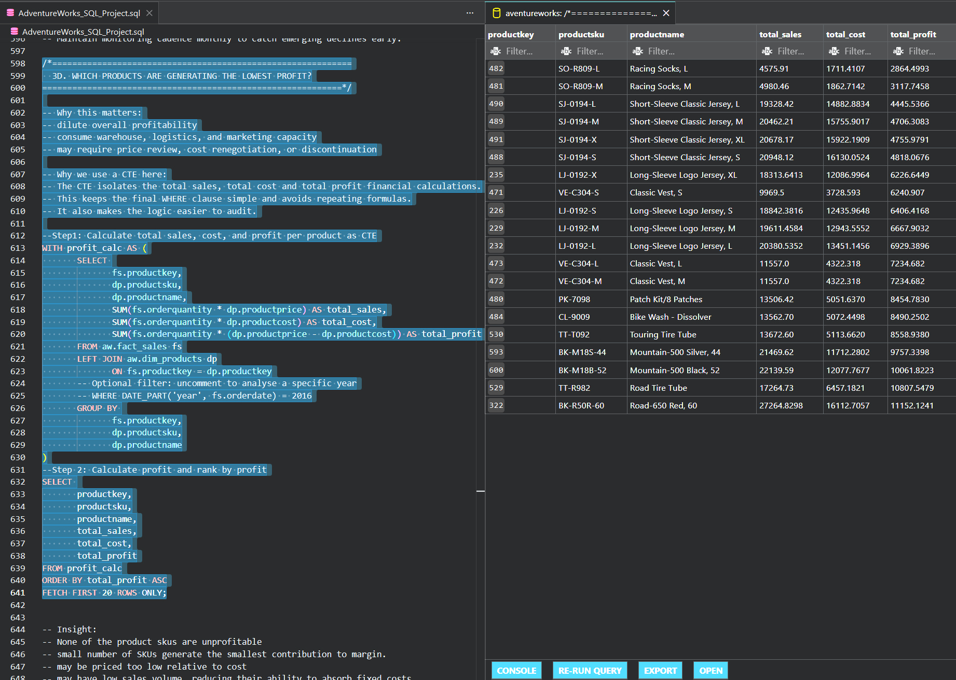
productsku | productname | total_sales | total_cost | total_profit
SO-R809-L | Racing Socks, L | $4,575.91 | $1,711.41 | $2,864.50
SO-R809-M | Racing Socks, M | $4,980.46 | $1,862.71 | $3,117.75
SJ-0194-L | Short-Sleeve Classic Jersey, L | $19,328.42 | $14,882.88 | $4,445.54
SJ-0194-M | Short-Sleeve Classic Jersey, M | $20,462.21 | $15,755.90 | $4,706.31
SJ-0194-X | Short-Sleeve Classic Jersey, XL | $20,678.17 | $15,922.19 | $4,755.98
SJ-0194-S | Short-Sleeve Classic Jersey, S | $20,948.12 | $16,130.05 | $4,818.07
LJ-0192-X | Long-Sleeve Logo Jersey, XL | $18,313.64 | $12,087.00 | $6,226.64
VE-C304-S | Classic Vest, S | $9,969.50 | $3,728.59 | $6,240.91
LJ-0192-S | Long-Sleeve Logo Jersey, S | $18,842.38 | $12,435.96 | $6,406.42
LJ-0192-M | Long-Sleeve Logo Jersey, M | $19,611.46 | $12,943.56 | $6,667.90
LJ-0192-L | Long-Sleeve Logo Jersey, L | $20,380.54 | $13,451.15 | $6,929.39
VE-C304-L | Classic Vest, L | $11,557.00 | $4,322.32 | $7,234.68
VE-C304-M | Classic Vest, M | $11,557.00 | $4,322.32 | $7,234.68
PK-7098 | Patch Kit/8 Patches | $13,506.42 | $5,051.64 | $8,454.78
CL-9009 | Bike Wash - Dissolver | $13,562.70 | $5,072.45 | $8,490.25
TT-T092 | Touring Tire Tube | $13,672.60 | $5,113.66 | $8,558.94
BK-M18S-44 | Mountain-500 Silver, 44 | $21,469.62 | $11,712.28 | $9,757.34
BK-M18B-52 | Mountain-500 Black, 52 | $22,139.59 | $12,077.77 | $10,061.82
TT-R982 | Road Tire Tube | $17,264.73 | $6,457.18 | $10,807.55
BK-R50R-60 | Road-650 Red, 60 | $27,264.83 | $16,112.71 | $11,152.12

3E_top_value_customers
...
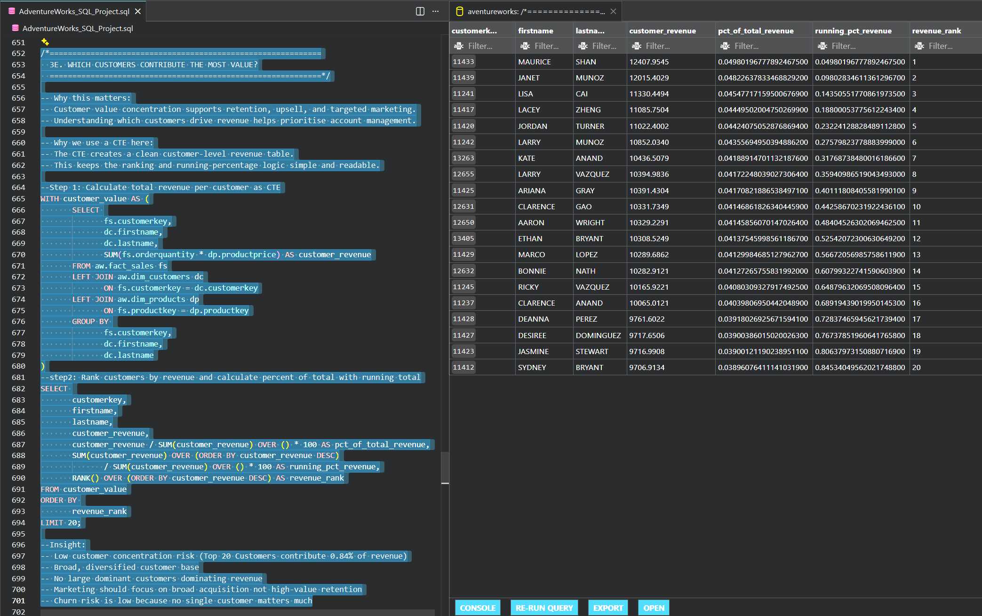
lastname | customer_revenue | pct_of_total_revenue | running_pct_revenue | revenue_rank
SHAN | $12,407.95 | 0.049801967779 | 0.049801967779 | 1
MUNOZ | $12,015.40 | 0.048226378335 | 0.098028346114 | 2
CAI | $11,330.45 | 0.045477171595 | 0.14350551771 | 3
ZHENG | $11,085.75 | 0.044495020048 | 0.18800053776 | 4
TURNER | $11,022.40 | 0.044240750529 | 0.23224128828 | 5
MUNOZ | $10,852.03 | 0.043556949504 | 0.27579823779 | 6
ANAND | $10,436.51 | 0.041889147011 | 0.3176873848 | 7
VAZQUEZ | $10,394.98 | 0.04172248039 | 0.35940986519 | 8
GRAY | $10,391.43 | 0.041708218865 | 0.40111808406 | 9
GAO | $10,331.73 | 0.041468618263 | 0.44258670232 | 10
WRIGHT | $10,329.23 | 0.041458560701 | 0.48404526302 | 11
BRYANT | $10,308.52 | 0.041375459986 | 0.52542072301 | 12
LOPEZ | $10,289.69 | 0.041299846851 | 0.56672056986 | 13
NATH | $10,282.91 | 0.041272657558 | 0.60799322742 | 14
VAZQUEZ | $10,165.92 | 0.040803093279 | 0.6487963207 | 15
ANAND | $10,065.01 | 0.040398069504 | 0.6891943902 | 16
PEREZ | $9,761.60 | 0.039180269257 | 0.72837465946 | 17
DOMINGUEZ | $9,717.65 | 0.03900386015 | 0.76737851961 | 18
STEWART | $9,716.99 | 0.039001211902 | 0.80637973151 | 19
BRYANT | $9,706.91 | 0.038960764111 | 0.84534049562 | 20

3F_daily_sales_anomalies
...
-Operational disruptions

Recommendation:
-Investigate root causes for major anomalies.
-Implement anomaly detection alerts in BI dashboards.
-Align inventory planning with expected peaks.

Results:

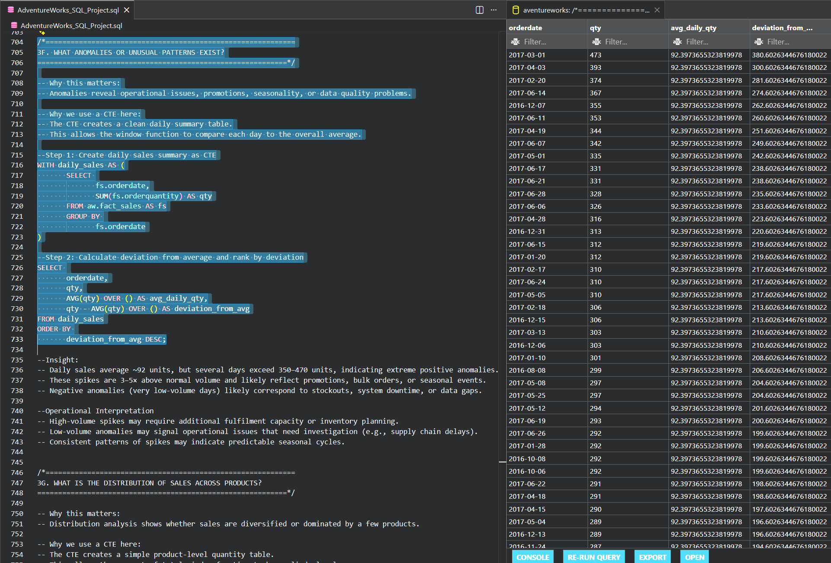
orderdate | qty | avg_daily_qty | deviation_from_avg
2017-03-01 | 473 | 92.397365532 | 380.60263447
2017-04-03 | 393 | 92.397365532 | 300.60263447
2017-02-20 | 374 | 92.397365532 | 281.60263447
2017-06-14 | 367 | 92.397365532 | 274.60263447
2016-12-07 | 355 | 92.397365532 | 262.60263447
2017-06-11 | 353 | 92.397365532 | 260.60263447
2017-04-19 | 344 | 92.397365532 | 251.60263447
2017-06-07 | 342 | 92.397365532 | 249.60263447
2017-05-01 | 335 | 92.397365532 | 242.60263447
2017-06-17 | 331 | 92.397365532 | 238.60263447
2017-06-21 | 331 | 92.397365532 | 238.60263447
2017-06-28 | 328 | 92.397365532 | 235.60263447
2017-06-06 | 326 | 92.397365532 | 233.60263447
2017-04-28 | 316 | 92.397365532 | 223.60263447
2016-12-31 | 313 | 92.397365532 | 220.60263447
2017-06-15 | 312 | 92.397365532 | 219.60263447
2017-01-20 | 312 | 92.397365532 | 219.60263447
2017-02-17 | 310 | 92.397365532 | 217.60263447
2017-06-24 | 310 | 92.397365532 | 217.60263447
2017-05-05 | 310 | 92.397365532 | 217.60263447
2017-02-18 | 306 | 92.397365532 | 213.60263447
2016-12-15 | 306 | 92.397365532 | 213.60263447
2017-03-13 | 303 | 92.397365532 | 210.60263447
2016-12-06 | 303 | 92.397365532 | 210.60263447
2017-01-10 | 301 | 92.397365532 | 208.60263447
2016-08-08 | 299 | 92.397365532 | 206.60263447
2017-05-08 | 297 | 92.397365532 | 204.60263447
2017-05-25 | 297 | 92.397365532 | 204.60263447
2017-05-12 | 294 | 92.397365532 | 201.60263447
2017-06-19 | 293 | 92.397365532 | 200.60263447
2017-06-26 | 292 | 92.397365532 | 199.60263447
2017-01-28 | 292 | 92.397365532 | 199.60263447
2016-10-08 | 292 | 92.397365532 | 199.60263447
2016-10-06 | 292 | 92.397365532 | 199.60263447
2017-06-22 | 291 | 92.397365532 | 198.60263447
2017-04-18 | 291 | 92.397365532 | 198.60263447
2017-04-15 | 290 | 92.397365532 | 197.60263447
2017-05-04 | 289 | 92.397365532 | 196.60263447
2016-12-13 | 289 | 92.397365532 | 196.60263447
2016-11-24 | 287 | 92.397365532 | 194.60263447
2017-02-03 | 287 | 92.397365532 | 194.60263447
2017-05-09 | 285 | 92.397365532 | 192.60263447
2017-05-26 | 285 | 92.397365532 | 192.60263447
2017-05-31 | 283 | 92.397365532 | 190.60263447
2017-05-07 | 283 | 92.397365532 | 190.60263447
2017-02-27 | 282 | 92.397365532 | 189.60263447
2017-06-05 | 282 | 92.397365532 | 189.60263447
2017-06-20 | 281 | 92.397365532 | 188.60263447
2017-04-25 | 281 | 92.397365532 | 188.60263447
2016-12-12 | 280 | 92.397365532 | 187.60263447
2017-03-27 | 279 | 92.397365532 | 186.60263447
2017-06-25 | 278 | 92.397365532 | 185.60263447
2017-05-20 | 278 | 92.397365532 | 185.60263447
2017-01-16 | 278 | 92.397365532 | 185.60263447
2017-02-01 | 277 | 92.397365532 | 184.60263447
2016-12-26 | 277 | 92.397365532 | 184.60263447
2016-12-29 | 276 | 92.397365532 | 183.60263447
2017-05-16 | 275 | 92.397365532 | 182.60263447
2016-12-18 | 275 | 92.397365532 | 182.60263447
2017-05-14 | 275 | 92.397365532 | 182.60263447
2016-12-24 | 275 | 92.397365532 | 182.60263447
2017-02-05 | 274 | 92.397365532 | 181.60263447
2017-05-21 | 274 | 92.397365532 | 181.60263447
2017-06-09 | 274 | 92.397365532 | 181.60263447
...

3G_sales_distribution_byproduct
...
This concentration increases operational and financial risk.

Recommendation:
-Broaden product mix in marketing campaigns.
-Explore cross‑sell opportunities.
-Rebalance inventory to reduce over‑dependence.

Results:

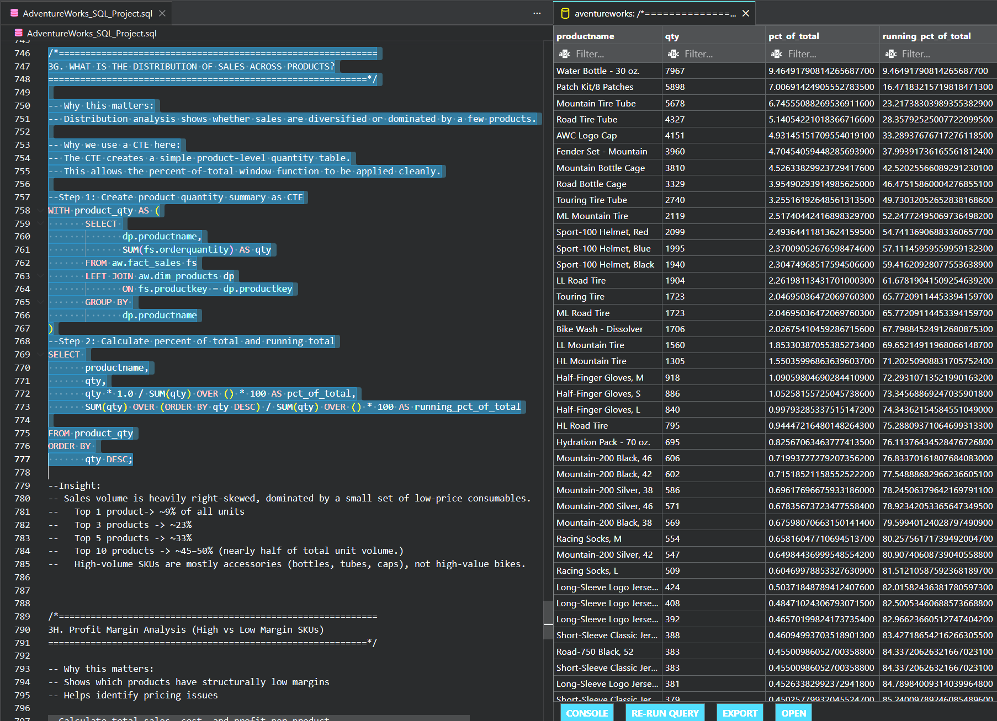
productname | qty | pct_of_total | running_pct_of_total
Water Bottle - 30 oz. | 7,967.0 | 9.4649179081 | 9.4649179081
Patch Kit/8 Patches | 5,898.0 | 7.0069142491 | 16.471832157
Mountain Tire Tube | 5,678.0 | 6.7455508827 | 23.21738304
Road Tire Tube | 4,327.0 | 5.1405422102 | 28.35792525
AWC Logo Cap | 4,151.0 | 4.9314515171 | 33.289376767
Fender Set - Mountain | 3,960.0 | 4.7045405945 | 37.993917362
Mountain Bottle Cage | 3,810.0 | 4.5263382992 | 42.520255661
Road Bottle Cage | 3,329.0 | 3.9549029391 | 46.4751586
Touring Tire Tube | 2,740.0 | 3.2551619265 | 49.730320527
ML Mountain Tire | 2,119.0 | 2.5174044242 | 52.247724951
Sport-100 Helmet, Red | 2,099.0 | 2.4936441181 | 54.741369069
Sport-100 Helmet, Blue | 1,995.0 | 2.3700905268 | 57.111459596
Sport-100 Helmet, Black | 1,940.0 | 2.3047496852 | 59.416209281
LL Road Tire | 1,904.0 | 2.2619811343 | 61.678190415
Touring Tire | 1,723.0 | 2.0469503647 | 65.772091145
ML Road Tire | 1,723.0 | 2.0469503647 | 65.772091145
Bike Wash - Dissolver | 1,706.0 | 2.0267541046 | 67.798845249
LL Mountain Tire | 1,560.0 | 1.8533038706 | 69.65214912
HL Mountain Tire | 1,305.0 | 1.5503599686 | 71.202509088
Half-Finger Gloves, M | 918.0 | 1.0905980469 | 72.293107135
Half-Finger Gloves, S | 886.0 | 1.0525815573 | 73.345688692
Half-Finger Gloves, L | 840.0 | 0.99793285338 | 74.343621546
HL Road Tire | 795.0 | 0.9444721648 | 75.288093711
Hydration Pack - 70 oz. | 695.0 | 0.82567063464 | 76.113764345
Mountain-200 Black, 46 | 606.0 | 0.71993727279 | 76.833701618
Mountain-200 Black, 42 | 602.0 | 0.71518521159 | 77.54888683
Mountain-200 Silver, 38 | 586.0 | 0.69617696676 | 78.245063796
Mountain-200 Silver, 46 | 571.0 | 0.67835673723 | 78.923420534
Mountain-200 Black, 38 | 569.0 | 0.67598070663 | 79.59940124
Racing Socks, M | 554.0 | 0.65816047711 | 80.257561717
Mountain-200 Silver, 42 | 547.0 | 0.64984437 | 80.907406087
Racing Socks, L | 509.0 | 0.60469978853 | 81.512105876
Long-Sleeve Logo Jersey, L | 424.0 | 0.50371848789 | 82.015824364
Long-Sleeve Logo Jersey, M | 408.0 | 0.48471024307 | 82.500534607
Long-Sleeve Logo Jersey, S | 392.0 | 0.46570199824 | 82.966236605
Short-Sleeve Classic Jersey, S | 388.0 | 0.46094993704 | 83.427186542
Road-750 Black, 52 | 383.0 | 0.45500986053 | 84.337206263
Short-Sleeve Classic Jersey, XL | 383.0 | 0.45500986053 | 84.337206263
Long-Sleeve Logo Jersey, XL | 381.0 | 0.45263382992 | 84.789840093
Short-Sleeve Classic Jersey, M | 379.0 | 0.45025779932 | 85.240097892
Short-Sleeve Classic Jersey, L | 358.0 | 0.42530947799 | 85.66540737
Road-750 Black, 44 | 356.0 | 0.42293344738 | 86.088340818
Road-750 Black, 48 | 355.0 | 0.42174543208 | 86.51008625
Women's Mountain Shorts, L | 334.0 | 0.39679711075 | 86.906883361
Road-750 Black, 58 | 328.0 | 0.38966901894 | 87.29655238
Women's Mountain Shorts, M | 327.0 | 0.38848100364 | 87.685033383
Road-250 Black, 52 | 316.0 | 0.37541283532 | 88.060446219
Road-250 Red, 58 | 303.0 | 0.3599686364 | 88.420414855
Hitch Rack - 4-Bike | 302.0 | 0.35878062109 | 88.779195476
Road-550-W Yellow, 42 | 296.0 | 0.35165252928 | 89.130848005
Road-250 Black, 48 | 294.0 | 0.34927649868 | 89.480124504
Women's Mountain Shorts, S | 283.0 | 0.33620833036 | 89.816332834
Road-550-W Yellow, 44 | 281.0 | 0.33383229976 | 90.150165134
Road-250 Black, 58 | 268.0 | 0.31838810084 | 90.468553235
Road-550-W Yellow, 38 | 264.0 | 0.31363603963 | 90.782189275
Road-250 Black, 44 | 263.0 | 0.31244802433 | 91.094637299
Road-550-W Yellow, 40 | 259.0 | 0.30769596312 | 91.402333262
Road-550-W Yellow, 48 | 258.0 | 0.30650794782 | 91.70884121
Road-350-W Yellow, 40 | 240.0 | 0.28512367239 | 91.993964882
All-Purpose Bike Stand | 234.0 | 0.27799558058 | 92.271960463
Road-350-W Yellow, 42 | 233.0 | 0.27680756528 | 92.548768028
Road-350-W Yellow, 48 | 225.0 | 0.26730344287 | 92.816071471
Road-350-W Yellow, 44 | 213.0 | 0.25304725925 | 93.06911873
Classic Vest, L | 182.0 | 0.2162187849 | 93.5015563
...

3H_profit_margin_analysis
...
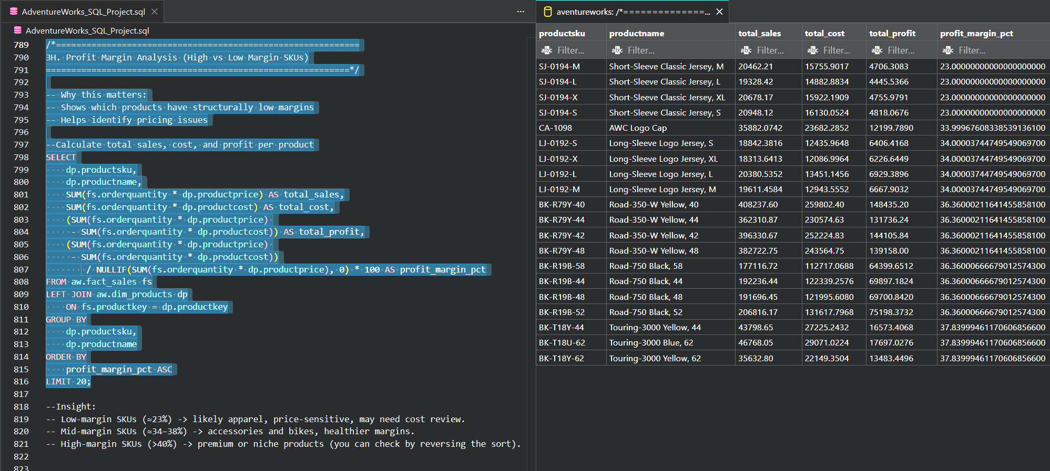
productname | total_sales | total_cost | total_profit | profit_margin_pct
Short-Sleeve Classic Jersey, M | $20,462.21 | $15,755.90 | $4,706.31 | 23
Short-Sleeve Classic Jersey, L | $19,328.42 | $14,882.88 | $4,445.54 | 23
Short-Sleeve Classic Jersey, XL | $20,678.17 | $15,922.19 | $4,755.98 | 23
Short-Sleeve Classic Jersey, S | $20,948.12 | $16,130.05 | $4,818.07 | 23
AWC Logo Cap | $35,882.07 | $23,682.29 | $12,199.79 | 33.999676083
Long-Sleeve Logo Jersey, S | $18,842.38 | $12,435.96 | $6,406.42 | 34.000037447
Long-Sleeve Logo Jersey, XL | $18,313.64 | $12,087.00 | $6,226.64 | 34.000037447
Long-Sleeve Logo Jersey, L | $20,380.54 | $13,451.15 | $6,929.39 | 34.000037447
Long-Sleeve Logo Jersey, M | $19,611.46 | $12,943.56 | $6,667.90 | 34.000037447
Road-350-W Yellow, 40 | $408,237.60 | $259,802.40 | $148,435.20 | 36.360002116
Road-350-W Yellow, 44 | $362,310.87 | $230,574.63 | $131,736.24 | 36.360002116
Road-350-W Yellow, 42 | $396,330.67 | $252,224.83 | $144,105.84 | 36.360002116
Road-350-W Yellow, 48 | $382,722.75 | $243,564.75 | $139,158.00 | 36.360002116
Road-750 Black, 58 | $177,116.72 | $112,717.07 | $64,399.65 | 36.360006667
Road-750 Black, 44 | $192,236.44 | $122,339.26 | $69,897.18 | 36.360006667
Road-750 Black, 48 | $191,696.45 | $121,995.61 | $69,700.84 | 36.360006667
Road-750 Black, 52 | $206,816.17 | $131,617.80 | $75,198.37 | 36.360006667
Touring-3000 Yellow, 44 | $43,798.65 | $27,225.24 | $16,573.41 | 37.839994612
Touring-3000 Blue, 62 | $46,768.05 | $29,071.02 | $17,697.03 | 37.839994612
Touring-3000 Yellow, 62 | $35,632.80 | $22,149.35 | $13,483.45 | 37.839994612

