Sheet1
Pr | 8 | Prantl number water ~ 60°F
mu | 1.08E-03 | N s /m2
specific volume water | 0.001 | m3/kg
kinematic viscosity | 1.08E-06 | m2/s

Outer Diameter Coil Tube | 0.625 | in
Wall thickness | 0.02 | in
Inner Diameter Coil Tube | 0.585 | in
 | 0.014859 | m

Thermal conductivity water | 5.90E-01 | W/m-K

Velocity (fps) | Velocity (m/s) | Re | NuD | h (W/m2-K) | dh/dV (W/m2-K) / (m/s)
1 | 0.3048 | 4,194 | 42 | 1,659 | 4,354.78
1.25 | 0.381 | 5,242 | 50 | 1,983 | 4,164.70
1.5 | 0.4572 | 6,290 | 58 | 2,295 | 4,015.57
1.75 | 0.5334 | 7,339 | 65 | 2,596 | 3,893.66
2 | 0.6096 | 8,387 | 73 | 2,889 | 3,791.05
2.25 | 0.6858 | 9,435 | 80 | 3,174 | 3,702.79
2.5 | 0.762 | 10,484 | 87 | 3,453 | 3,625.58
2.75 | 0.8382 | 11,532 | 94 | 3,727 | 3,557.13
3 | 0.9144 | 12,581 | 101 | 3,996 | 3,495.76
3.25 | 0.9906 | 13,629 | 107 | 4,260 | 3,440.24
3.5 | 1.0668 | 14,677 | 114 | 4,520 | 3,389.63
3.75 | 1.143 | 15,726 | 120 | 4,777 | 3,343.18
4 | 1.2192 | 16,774 | 127 | 5,030 | 3,300.30
4.25 | 1.2954 | 17,823 | 133 | 5,280 | 3,260.53
4.5 | 1.3716 | 18,871 | 139 | 5,527 | 3,223.47
4.75 | 1.4478 | 19,919 | 145 | 5,771 | 3,188.80
5 | 1.524 | 20,968 | 151 | 6,013 | 3,156.25
5.25 | 1.6002 | 22,016 | 157 | 6,252 | 3,125.60
5.5 | 1.6764 | 23,064 | 163 | 6,489 | 3,096.66
5.75 | 1.7526 | 24,113 | 169 | 6,724 | 3,069.25
6 | 1.8288 | 25,161 | 175 | 6,957 | 3,043.24
6.25 | 1.905 | 26,210 | 181 | 7,188 | 3,018.49
6.5 | 1.9812 | 27,258 | 187 | 7,417 | 2,994.91
6.75 | 2.0574 | 28,306 | 193 | 7,644 | 2,972.39
7 | 2.1336 | 29,355 | 198 | 7,870 | 2,950.84
7.25 | 2.2098 | 30,403 | 204 | 8,094 | 2,930.21
7.5 | 2.286 | 31,452 | 209 | 8,316 | 2,910.41
7.75 | 2.3622 | 32,500 | 215 | 8,538 | 2,891.38
8 | 2.4384 | 33,548 | 221 | 8,757 | 2,873.08
8.25 | 2.5146 | 34,597 | 226 | 8,975 | 2,855.45
8.5 | 2.5908 | 35,645 | 232 | 9,192 | 2,838.46
8.75 | 2.667 | 36,693 | 237 | 9,408 | 2,822.05
9 | 2.7432 | 37,742 | 242 | 9,622 | 2,806.19
9.25 | 2.8194 | 38,790 | 248 | 9,836 | 2,790.86
9.5 | 2.8956 | 39,839 | 253 | 10,048 | 2,776.01
9.75 | 2.9718 | 40,887 | 258 | 10,259 | 2,761.63
10 | 3.048 | 41,935 | 264 | 10,469 | 2,747.68
10.25 | 3.1242 | 42,984 | 269 | 10,678 | 2,734.14
10.5 | 3.2004 | 44,032 | 274 | 10,885 | 2,721.00
10.75 | 3.2766 | 45,081 | 279 | 11,092 | 2,708.22
11 | 3.3528 | 46,129 | 285 | 11,298 | 2,695.80
11.25 | 3.429 | 47,177 | 290 | 11,503 | 2,683.71
11.5 | 3.5052 | 48,226 | 295 | 11,707 | 2,671.94
11.75 | 3.5814 | 49,274 | 300 | 11,910 | 2,660.47
12 | 3.6576 | 50,322 | 305 | 12,113 | 2,649.29
12.25 | 3.7338 | 51,371 | 310 | 12,314 | 2,638.39
12.5 | 3.81 | 52,419 | 315 | 12,515 | 2,627.75

Air Side h
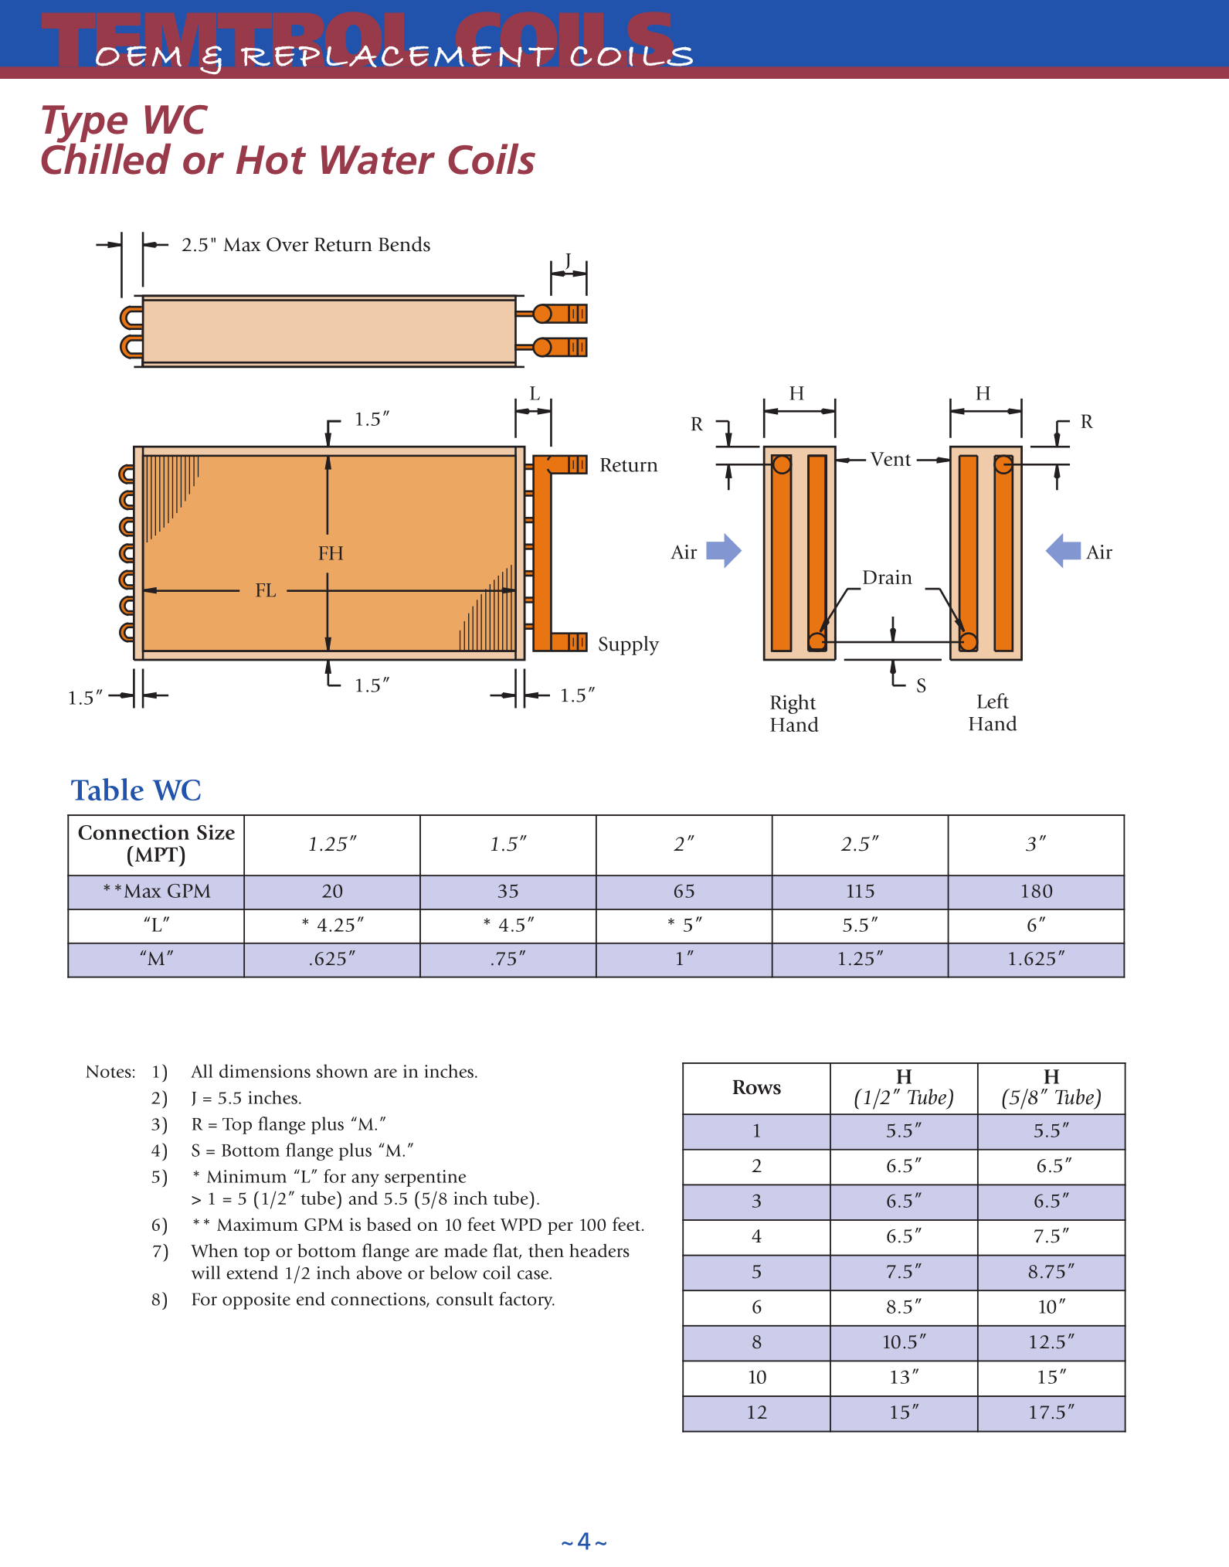
Entering Air Dry Bulb | 81 | °F
 | 27.2 | °C |  |  | Property |  | Air | Water |  | Rows | 1/2" tube | 5/8" tube
Entering Air Wet Bulb | 68 | °F |  |  | Pr |  | 0.733 | 8 |  | 1 | 5.5 | 5.5
 | 20.0 | °C |  |  | mu | N s /m² | 1.85E-05 | 1.08E-03 |  | 2 | 6.5 | 6.5
Entering Air w* | 0.0147 |  |  |  | specific volume | m³/kg |  | 0.001 |  | 3 | 6.5 | 6.5
Entering Air w | 0.0117 |  |  |  | kinematic viscosity | m²/s |  | 1.08E-06 |  | 4 | 6.5 | 7.5
Entering Air Partial Pressure | 0.2708 | psia |  |  | Thermal Conductivity | W/m-K |  | 0.59 |  | 5 | 7.5 | 8.75
Entering Air Enthalpy | 32.25 | BTU/lb |  |  | Specific Heat | J/kg-K | 1007 | 4.19E+03 |  | 6 | 8.5 | 10
 | 75,005 | J/kg |  |  |  |  |  |  |  | 8 | 10.5 | 12.5
Entering Air Dew Point Temperature | 61.59 | °F |  |  |  |  |  |  |  | 10 | 13 | 15
 | 16.4 | °C |  |  |  |  |  |  |  | 12 | 15 | 17.5

Entering Water Temperature | 45 | °F
 | 7.22 | °C
Sat. Partial pressue @ Water Ent. Temp | 0.15 | psia
Sat. Air Enthalpy @ Water Ent. Temp | 17.62 | BTU/lb
 | 40,981 | J/kg

Water flow, GPM | 100 | GPM
 | 0.00631 | m³/s
Mass flow rate, water | 6.309 | kg/s

Air Volumetric Flow Rate | 12,000 | CFM
 | 5.663 | m³/s
Air density | 1.225 | kg/m³

Specific heat air | 1007 | J/kg-K

Mass flow rate, air | 6.94 | kg/s
 | 55,061 | lbm/hr

Fin thickness | 0.008 | in
 | 0.0002032 | m
Fins per inch | 8 | fins/in
Fin spacing | 0.117 | in
 | 0.0029718 | m
Tube thickness | 0.02 | in
 | 0.000508 | m
Tube Material | Copper
Copper thermal conductivity | 385 | W/m-K
Aluminum thermal conductivity | 237 | W/m-K

Number of Rows | 6 | Count
Number of Tubes/Row | 28 | Count
Number of Tubes | 168 | Count
Tube OD | 0.625 | in
 | 0.015875 | m
Tube Outer Radius | 0.3125 | in
 | 0.0079375 | m

Tube Outer Area | 0.00019793260902 | m²
Tube ID | 0.585 | in
 | 0.014859 | m
Tube Inner Area | 0.00017340796703 | m²
Water Velocity | 1.299 | m/s
 | 4.263 | fps
Water Re | 17,877
Water Nu | 133
Water h | 5,293 | W/m²-K
Internal Thermal Resistance, Ri | 1.13E-05 | K/W

Distance between tube rows | 1.667 | in
 | 0.042 | m

Percent fins | 0.064
Percent non-fin | 0.936

Ap | 16.73 | m² | Equation 77, Area of exposed tube
As | 319.49 | m² | Equation 78, Fin area
Ao | 336.22 | m² | Equation 79, Total air side heat transfer area

Am,f | 1.24 | m² | Min cross-sectional area: This accounts for the cross-sectional area of the tubes
Ai,w | 16.73 | m²

Coil Height | 42 | in
 | 1.0668 | m
Coil Width | 84 | in
 | 2.1336 | m
Coil Depth | 10 | in
 | 0.254 | m

Equivalent Fin Diameter | 1.784 | in
 | 0.045 | m
Equivalent Fin Radius | 0.89 | in
 | 0.02 | m

Fin Length | 0.580 | in
 | 0.015 | m

Total # of Fins | 672

Hydraulic Diameter | 0.00376 | m | From Dissertation:
 | 0.1479 | in

Air Velocity | 4.56 | m/s
 | 897 | ft/min

Fin thickness/Hydraulic Diameter | 0.0541
Fin thickness/Fin length | 0.0138
Fin spacing/Fin length | 0.2019
Fin Diameter, eq/Distance between tube rows | 1.0705
Fin thickness/Fin spacing | 0.0684

C1 | 0.1051
C2 | -0.3342

Reynolds Number | 1,136

Stanton Number | 0.01231
Dry heat transfer coefficient, h | 69.21 | W/m²-K

Adjusted wet heat transfer coefficient, h | 82.02 | W/m²-K

Wall Resistance, Rm | 7.89E-08 | K/W

Wall Resistance calc 2, Rm | 7.63E-08 | K/W

ρ = Dfin/Dtube | 2.8545985858

fai | 0.78922763001
ue | -0.42555172642
ub | -1.2147793564

Numerator | #NUM!
Denominator

Dry
m (Dry) | 53.612815926 | 1/m | See Incropera pg. 151
C2 (circular fin) | 0.65742854506
m r1 | 0.42555172642
m r2 | 1.2147793564

Fin Numerator | 1.3797229029
Fin Denominator | 1.2148083238

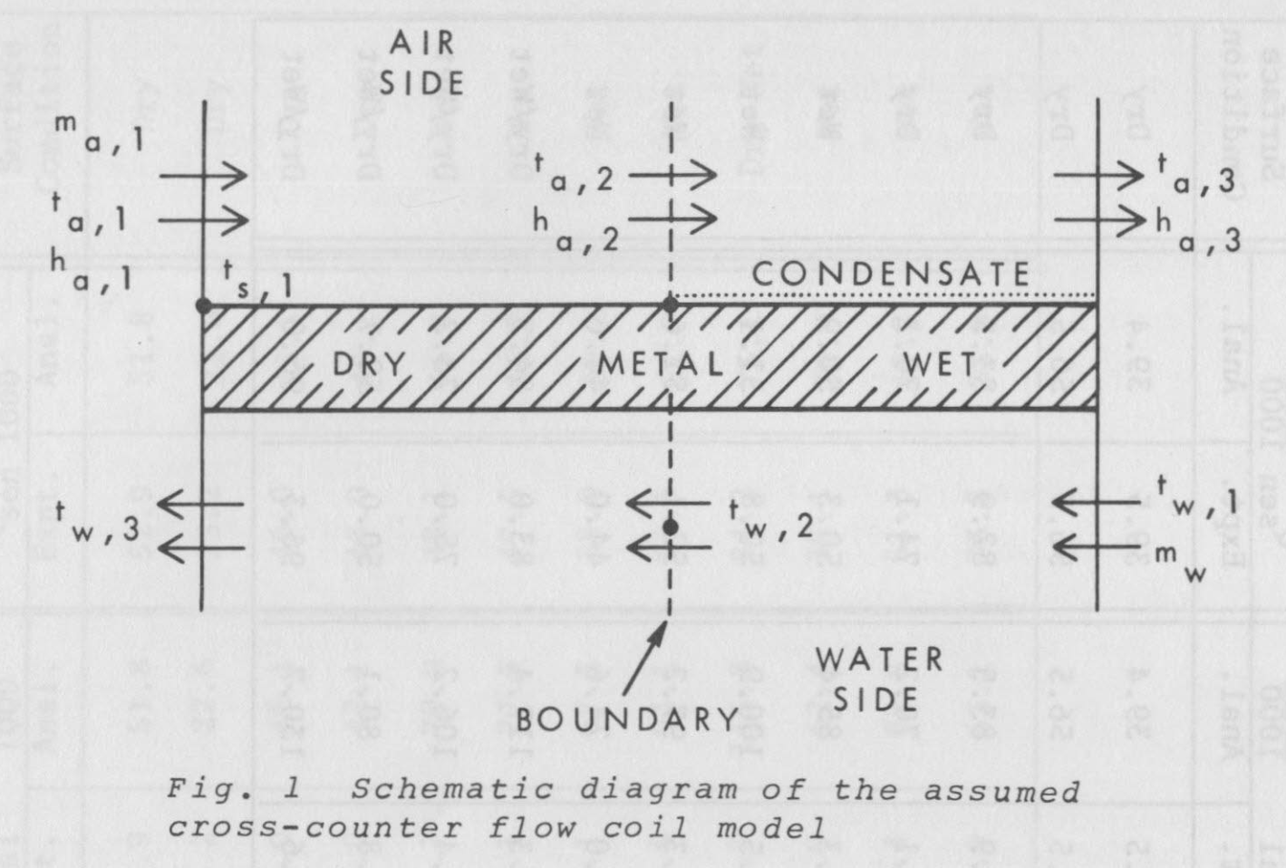
Dry Fin efficiency | 0.75

Dry Overall efficiency | 0.76

Wet
m (Wet) | 58.361945102 | 1/m
C2 (circular fin) | 0.604
m r1 | 0.463
m r2 | 1.322

Fin Numerator | 1.404
Fin Denominator | 1.187

Wet Fin Efficiency | 0.71

Wet Overall Efficiency | 0.73

All Cases

Sum of Constant Resistances (Rm + Ri + Rf) | 1.14E-05 | K/W
a | 19,928 | J/kg
b | 2,708 | J/kg-K

 |  |  |  |  |  |  |  |  | Partial Wet/Partial Dry | Test fractions of %wet until Ts,2 = Entering Dew Point Temperature
All Wet Case |  |  |  | All Dry Case | 0.0001431395 | K/W
X' | 0.1441 | s/kg |  | X | -3.7838e-05 | K/W |  |  | % Wet | Dry Overall Area, Ao (m²) | Wet Overall Area, Ao (m2) | Modified Dry Uao (W/K) | Modified Wet UcAo (W / (J/kg)) | Z | W (K/W) | K1 | K2 | Z' | W' (s/kg) | K3 | K4 | K5 | K6 (kg-K/J) | Tw,2 (°C) | Ta,2 (°C) | Modified dry, air-side resistance (K/W) | Modified Total Dry Resistance (K/W) | Ts,2 (°C) | Ts,2 - Tdp
Y' | -0.1025 | s/kg |  | Y | 0.0001053016 | K/W |  |  | 0.05 | 319.4 | 16.8 | 13,978 | 0.62 | 4.36 | 5.86E-04 | 0.8202680234 | 0.7831676974 | 1.0261048155 | 0.045454236914 | 0.91721812038 | 0.082781879624 | 0.94116193014 | 2.1730714828E-05 | 7.64 | 11.16 | 5.9575583897E-05 | 7.15E-05 | 8.23 | -8.21
X'+Y' | 0.0417 | s/kg |  | X+Y |  |  |  |  | 0.1 | 302.6 | 33.6 | 13,242 | 1.24 | 4.03 | 5.39E-04 | 0.8047756048 | 0.7872630134 | 1.0528910923 | 0.049315250947 | 0.84540682537 | 0.15459317463 | 0.8901213158 | 4.0581588719E-05 | 8.03 | 11.78 | 6.2885338558E-05 | 7.55E-05 | 8.66 | -7.78
Wet air side resistance, Re,w | 5.0204181297E-06 | K/W |  |  | 5.6596804702E-05 | K/W |  |  | 0.15 | 285.8 | 50.4 | 12,506 | 1.85 | 3.73 | 4.96E-04 | 0.7878521574 | 0.7917366123 | 1.08037662 | 0.053277056039 | 0.7825404188 | 0.2174595812 | 0.84543837265 | 5.7084378455E-05 | 8.40 | 12.39 | 6.658447612E-05 | 8.00E-05 | 9.07 | -7.37
Wet air side resistance, Ra,w | 3.6263839686E-05 | K/W |  | Ro |  |  |  |  | 0.2 | 269.0 | 67.2 | 11,771 | 2.47 | 3.45 | 4.57E-04 | 0.7693480459 | 0.796628049 | 1.1085796523 | 0.057342283322 | 0.72706295128 | 0.27293704872 | 0.8060071937 | 7.1647529611E-05 | 8.74 | 13.00 | 7.0746005878E-05 | 8.50E-05 | 9.45 | -6.99
Total Resistance, wet air side | 1.8507526643E-05 | K/W |  |  | 6.80E-05 | K/W |  |  | 0.25 | 252.2 | 84.1 | 11,035 | 3.09 | 3.20 | 4.20E-04 | 0.7490947498 | 0.8019818708 | 1.1375189195 | 0.061513632613 | 0.67775951402 | 0.32224048598 | 0.77096427007 | 8.4589962666E-05 | 9.07 | 13.62 | 7.546240627E-05 | 9.06E-05 | 9.83 | -6.61
 |  |  |  | 1/UAo | 1.47E+04 | W/K |  |  | 0.3 | 235.4 | 100.9 | 10,299 | 3.71 | 2.96 | 3.86E-04 | 0.7269018708 | 0.8078484082 | 1.167213641 | 0.065793874207 | 0.6336676514 | 0.3663323486 | 0.73962552656 | 9.6164327698E-05 | 9.38 | 14.25 | 8.0852578146E-05 | 9.71E-05 | 10.20 | -6.24
 |  |  |  | UAo |  |  |  |  | 0.35 | 218.5 | 117.7 | 9,564 | 4.33 | 2.74 | 3.54E-04 | 0.7025535489 | 0.8142847224 | 1.1976835377 | 0.070185850718 | 0.59401502323 | 0.40598497677 | 0.71144201446 | 0.00010657336841 | 9.69 | 14.90 | 8.7072007234E-05 | 1.05E-04 | 10.56 | -5.88
Total Resistance | 2.99E-05 | K/W |  |  | 4.7083969439 |  |  |  | 0.4 | 201.7 | 134.5 | 8,828 | 4.94 | 2.53 | 3.25E-04 | 0.6758041446 | 0.8213557464 | 1.2289488454 | 0.074692478966 | 0.55817466929 | 0.44182533071 | 0.68596811535 | 0.00011598166542 | 9.98 | 15.57 | 9.4328007837E-05 | 1.13E-04 | 10.92 | -5.52
 |  |  |  | Z | 0.0006361197 | K/W |  |  | 0.45 | 184.9 | 151.3 | 8,092 | 5.56 | 2.34 | 2.98E-04 | 0.6463730049 | 0.8291356691 | 1.2610303282 | 0.079316751912 | 0.52563233794 | 0.47436766206 | 0.66283831963 | 0.00012452421272 | 10.27 | 16.27 | 0.00010290328128 | 1.24E-04 | 11.27 | -5.17
N | 2.8764460886 |  |  | W |  |  |  |  | 0.5 | 168.1 | 168.1 | 7,357 | 6.18 | 2.17 | 2.73E-04 | 0.6139380769 | 0.8377096229 | 1.2939492922 | 0.08406174065 | 0.49596224659 | 0.50403775341 | 0.64174999794 | 0.00013231278067 | 10.56 | 16.99 | 0.0001131936094 | 1.36E-04 | 11.64 | -4.80
 |  |  |  |  | 0.8344626745 |  |  |  | 0.55 | 151.3 | 184.9 | 6,621 | 6.80 | 2.01 | 2.50E-04 | 0.5781280611 | 0.8471757583 | 1.3277275997 | 0.088930596444 | 0.46880883984 | 0.53119116016 | 0.62245043564 | 0.00013944070457 | 10.85 | 17.75 | 0.00012577067712 | 1.51E-04 | 12.00 | -4.44
1/UcAo | 8.09E-02 | (J/kg) / W |  | K1 | 0.7794154374 |  |  |  | 0.6 | 134.5 | 201.7 | 5,885 | 7.42 | 1.86 | 2.28E-04 | 0.5385126976 | 0.8576478116 | 1.3623876837 | 0.093926552819 | 0.44387288252 | 0.55612711748 | 0.60472694826 | 0.00014598653537 | 11.13 | 18.56 | 0.00014149201176 | 1.70E-04 | 12.38 | -4.06
UcAo | 12.36 | W / (J/kg) |  | K2 |  |  |  |  | 0.65 | 117.7 | 218.5 | 5,150 | 8.04 | 1.72 | 2.08E-04 | 0.4945906448 | 0.8692583091 | 1.3979525627 | 0.099052927714 | 0.42090073163 | 0.57909926837 | 0.58839925644 | 0.0001520168558 | 11.43 | 19.41 | 0.00016170515629 | 1.94E-04 | 12.76 | -3.68
 |  |  |  |  | 27.2 | °C |  |  | 0.7 | 100.9 | 235.4 | 4,414 | 8.65 | 1.59 | 1.90E-04 | 0.4457742232 | 0.8821625999 | 1.4344458564 | 0.10431312568 | 0.39967597053 | 0.60032402947 | 0.57331353984 | 0.00015758847646 | 11.72 | 20.31 | 0.00018865601567 | 2.27E-04 | 13.16 | -3.28
Z' | 1.6743 |  |  | Entering Air Temp, Ta,1 | 7.22 | °C |  |  | 0.75 | 84.1 | 252.2 | 3,678 | 9.27 | 1.47 | 1.73E-04 | 0.391370034 | 0.8965439793 | 1.4718918008 | 0.10971064014 | 0.38001282001 | 0.61998717999 | 0.55933775396 | 0.00016275016545 | 12.03 | 21.28 | 0.00022638721881 | 2.72E-04 | 13.58 | -2.86
W' | 0.1389 | s/kg |  | Entering Water Temp, Tw,2 |  |  |  |  | 0.8 | 67.2 | 269.0 | 2,943 | 9.89 | 1.36 | 1.57E-04 | 0.3305540888 | 0.9126202629 | 1.5103152646 | 0.11524905572 | 0.36175090098 | 0.63824909902 | 0.54635790774 | 0.0001675440232 | 12.34 | 22.30 | 0.00028298402351 | 3.40E-04 | 14.01 | -2.43
 |  |  |  |  | 10.53 | °C |  |  | 0.85 | 50.4 | 285.8 | 2,207 | 10.51 | 1.26 | 1.43E-04 | 0.262339545 | 0.9306523161 | 1.5497417659 | 0.12093205062 | 0.34475103606 | 0.65524896394 | 0.53427507942 | 0.00017200658455 | 12.67 | 23.40 | 0.00037731203135 | 4.53E-04 | 14.47 | -1.97
K3 | 0.30018306406 | Unitless |  | Leaving Air Temp, Ta,2 | 50.96 | °F |  |  | 0.9 | 33.6 | 302.6 | 1,471 | 11.13 | 1.17 | 1.29E-04 | 0.1855343483 | 0.9509552502 | 1.5901974887 | 0.12676339905 | 0.32889185724 | 0.67110814276 | 0.52300300544 | 0.0001761697093 | 13.01 | 24.59 | 0.00056596804702 | 6.80E-04 | 14.95 | -1.49
K4 | 0.69981693594 | Unitless |  |  | 11.63 | °C |  |  | 0.95 | 16.8 | 319.4 | 736 | 11.74 | 1.08 | 1.17E-04 | 0.0986848927 | 0.9739133162 | 1.6317093007 | 0.13274697376 | 0.31406704473 | 0.68593295527 | 0.51246611792 | 0.00018006130701 | 13.37 | 25.86 | 0.001131936094 | 1.36E-03 | 15.46 | -0.98
K5 | 0.50259793628 | Unitless |  | Leaving Water Temp, Tw,3 | 52.94 | °F |  |  | 1 | 0.0 | 336.2 | 0 | 12.36 | 1.00 | 1.05E-04 | 0 | 1 | 1.6743047708 | 0.13888674858 | 0.30018306406 | 0.69981693594 | 0.50259793628 | 0.000183705931 | 13.75 | 27.22 | #DIV/0! | #DIV/0! | #DIV/0! | #DIV/0!
K6 | 0.000183705931 | kg-K/J

Rx | 0.6143
1/(Rx+1) | 0.61948177525
Rx/b | 0.00022686240028 | kg-K/J

Leaving Air Enthalpy ha,3 | 51,194 | J/kg
Leaving Water Temperature, Tw,2 | 13.75 | °C
 | 56.75 | °F

Ent. Air side Coil Surface Temp Ts,2 | 16.26 | °C
 | 61.26 | °F
Leav. Air Side Coil Surface Temp, Ts,3 | 8.87 | °C
 | 47.96 | °F
N | 2.8764460886
Leaving Air Temperature, Ta,3 | 9.49 | °C
 | 49.07 | °F

Q total | 165 | kW
 | 563,645 | BTU/hr
Q sensible | 124 | kW
 | 422,796 | BTU/hr

Is coil completely Wet? | YES

Is coil completely Dry? | NO

Saturated Air Enthalpy
 |  |  |  |  |  |  | Average Temp | 14
Temperature (C) | Temperature (F) | Saturated Partial Pressure (psia) | Saturated Air Enthalpy (BTU/lb) | Saturated Air Enthalpy (J/kg) |  |  | Average Enthalpy | 57,834
8 | 46.4 | 0.15560229615 | 18.33478193 | 42646.702768 | 91124.20639 | 36 | a | 19,928 | J/kg
9 | 48.2 | 0.16651905953 | 19.283319851 | 44853.001973 | 64905.342632 | 25 | b | 2,708 | J/kg-K
10 | 50 | 0.17810558582 | 20.264841681 | 47136.02175 | 42792.195001 | 16
11 | 51.8 | 0.19039667333 | 21.28121 | 49500.09446 | 25001.928119 | 9
12 | 53.6 | 0.20342856853 | 22.334382284 | 51949.773192 | 11768.594615 | 4
13 | 55.4 | 0.21723900884 | 23.426415746 | 54489.843024 | 3344.2274755 | 1
14 | 57.2 | 0.23186726594 | 24.559472489 | 57125.333009 | 0 | 0
15 | 59 | 0.24735418965 | 25.735824993 | 59861.528934 | 2027.4584338 | 1
16 | 60.8 | 0.26374225231 | 26.957861966 | 62703.986932 | 9739.8328646 | 4
17 | 62.6 | 0.28107559373 | 28.228094587 | 65658.54801 | 23473.43253 | 9
18 | 64.4 | 0.29940006661 | 29.549163189 | 68731.353578 | 43589.132311 | 16
19 | 66.2 | 0.31876328238 | 30.9238444 | 71928.862075 | 70473.957878 | 25
20 | 68 | 0.3392146576 | 32.35505881 | 75257.866792 | 104542.77776 | 36

