Internal h
Pr | 8 | Prantl number water ~ 60°F
mu | 1.08E-03 | N s /m2
specific volume water | 0.001 | m3/kg
kinematic viscosity | 1.08E-06 | m2/s

Outer Diameter Coil Tube | 0.625 | in
Wall thickness | 0.02 | in
Inner Diameter Coil Tube | 0.585 | in
 | 0.014859 | m

Thermal conductivity water | 5.90E-01 | W/m-K

Velocity (fps) | Velocity (m/s) | Re | NuD | h (W/m2-K) | dh/dV (W/m2-K) / (m/s)
1 | 0.3048 | 4,194 | 42 | 1,659 | 4,354.78
1.25 | 0.381 | 5,242 | 50 | 1,983 | 4,164.70
1.5 | 0.4572 | 6,290 | 58 | 2,295 | 4,015.57
1.75 | 0.5334 | 7,339 | 65 | 2,596 | 3,893.66
2 | 0.6096 | 8,387 | 73 | 2,889 | 3,791.05
2.25 | 0.6858 | 9,435 | 80 | 3,174 | 3,702.79
2.5 | 0.762 | 10,484 | 87 | 3,453 | 3,625.58
2.75 | 0.8382 | 11,532 | 94 | 3,727 | 3,557.13
3 | 0.9144 | 12,581 | 101 | 3,996 | 3,495.76
3.25 | 0.9906 | 13,629 | 107 | 4,260 | 3,440.24
3.5 | 1.0668 | 14,677 | 114 | 4,520 | 3,389.63
3.75 | 1.143 | 15,726 | 120 | 4,777 | 3,343.18
4 | 1.2192 | 16,774 | 127 | 5,030 | 3,300.30
4.25 | 1.2954 | 17,823 | 133 | 5,280 | 3,260.53
4.5 | 1.3716 | 18,871 | 139 | 5,527 | 3,223.47
4.75 | 1.4478 | 19,919 | 145 | 5,771 | 3,188.80
5 | 1.524 | 20,968 | 151 | 6,013 | 3,156.25
5.25 | 1.6002 | 22,016 | 157 | 6,252 | 3,125.60
5.5 | 1.6764 | 23,064 | 163 | 6,489 | 3,096.66
5.75 | 1.7526 | 24,113 | 169 | 6,724 | 3,069.25
6 | 1.8288 | 25,161 | 175 | 6,957 | 3,043.24
6.25 | 1.905 | 26,210 | 181 | 7,188 | 3,018.49
6.5 | 1.9812 | 27,258 | 187 | 7,417 | 2,994.91
6.75 | 2.0574 | 28,306 | 193 | 7,644 | 2,972.39
7 | 2.1336 | 29,355 | 198 | 7,870 | 2,950.84
7.25 | 2.2098 | 30,403 | 204 | 8,094 | 2,930.21
7.5 | 2.286 | 31,452 | 209 | 8,316 | 2,910.41
7.75 | 2.3622 | 32,500 | 215 | 8,538 | 2,891.38
8 | 2.4384 | 33,548 | 221 | 8,757 | 2,873.08
8.25 | 2.5146 | 34,597 | 226 | 8,975 | 2,855.45
8.5 | 2.5908 | 35,645 | 232 | 9,192 | 2,838.46
8.75 | 2.667 | 36,693 | 237 | 9,408 | 2,822.05
9 | 2.7432 | 37,742 | 242 | 9,622 | 2,806.19
9.25 | 2.8194 | 38,790 | 248 | 9,836 | 2,790.86
9.5 | 2.8956 | 39,839 | 253 | 10,048 | 2,776.01
9.75 | 2.9718 | 40,887 | 258 | 10,259 | 2,761.63
10 | 3.048 | 41,935 | 264 | 10,469 | 2,747.68
10.25 | 3.1242 | 42,984 | 269 | 10,678 | 2,734.14
10.5 | 3.2004 | 44,032 | 274 | 10,885 | 2,721.00
10.75 | 3.2766 | 45,081 | 279 | 11,092 | 2,708.22
11 | 3.3528 | 46,129 | 285 | 11,298 | 2,695.80
11.25 | 3.429 | 47,177 | 290 | 11,503 | 2,683.71
11.5 | 3.5052 | 48,226 | 295 | 11,707 | 2,671.94
11.75 | 3.5814 | 49,274 | 300 | 11,910 | 2,660.47
12 | 3.6576 | 50,322 | 305 | 12,113 | 2,649.29
12.25 | 3.7338 | 51,371 | 310 | 12,314 | 2,638.39
12.5 | 3.81 | 52,419 | 315 | 12,515 | 2,627.75

Full Coil Model
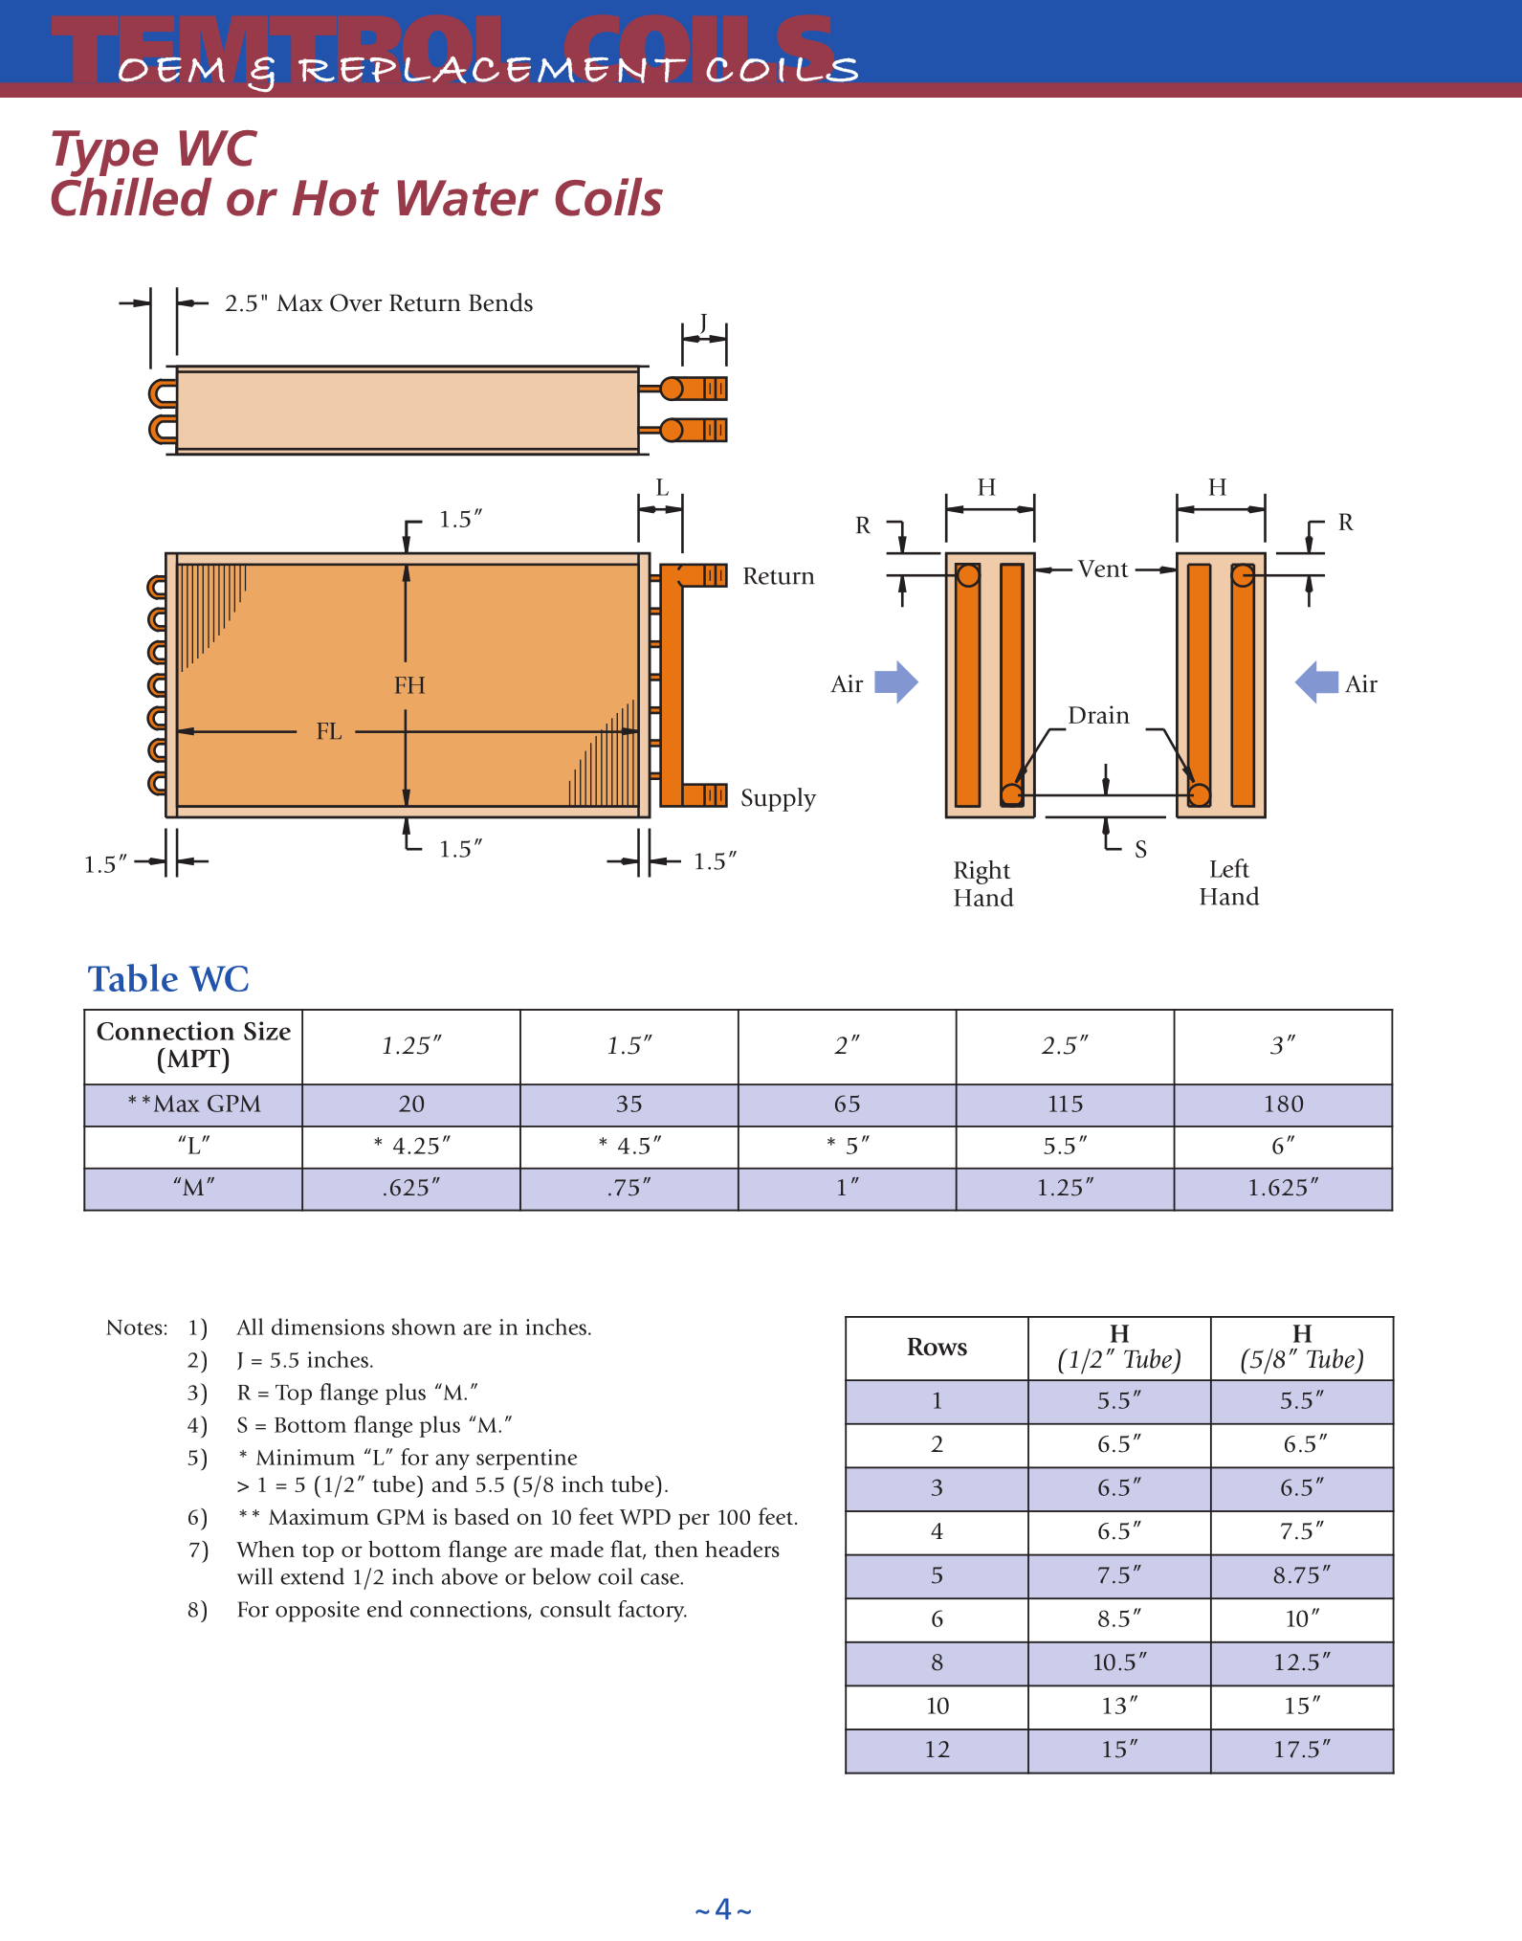
Entering Air Dry Bulb | 84.7 | °F
 | 29.3 | °C |  |  | Property | Unit | Air | Water |  |  | Rows | 1/2" tube | 5/8" tube
Entering Air Wet Bulb | 68.2 | °F |  |  | Pr |  | 0.733 | 8 |  |  | 1 | 5.5 | 5.5
 | 20.1 | °C |  |  | mu | N s /m² | 1.85E-05 | 1.08E-03 |  |  | 2 | 6.5 | 6.5
Entering Air w* | 0.0148 |  |  |  | specific volume | m³/kg |  | 0.001 |  |  | 3 | 6.5 | 6.5
Entering Air w | 0.0110 |  |  |  | kinematic viscosity | m²/s |  | 1.08E-06 |  |  | 4 | 6.5 | 7.5
Entering Air Partial Pressure | 0.2547 | psia |  |  | Thermal Conductivity | W/m-K |  | 0.59 |  |  | 5 | 7.5 | 8.75
Entering Air Enthalpy | 32.38 | BTU/lb |  |  | Specific Heat | J/kg-K | 1007 | 4.19E+03 |  |  | 6 | 8.5 | 10
 | 75,314 | J/kg |  |  |  |  |  |  |  |  | 8 | 10.5 | 12.5
Entering Air Dew Point Temperature | 59.87 | °F |  |  |  |  |  |  |  |  | 10 | 13 | 15
 | 15.5 | °C |  |  |  |  |  |  |  |  | 12 | 15 | 17.5
Entering Air Specific Volume | 13.97 | ft³/lb
 | 0.87 | m³/kg
Entering Water Temperature | 47.3 | °F
 | 8.50 | °C
Sat. Partial pressure @ Water Ent. Temp | 0.16 | psia
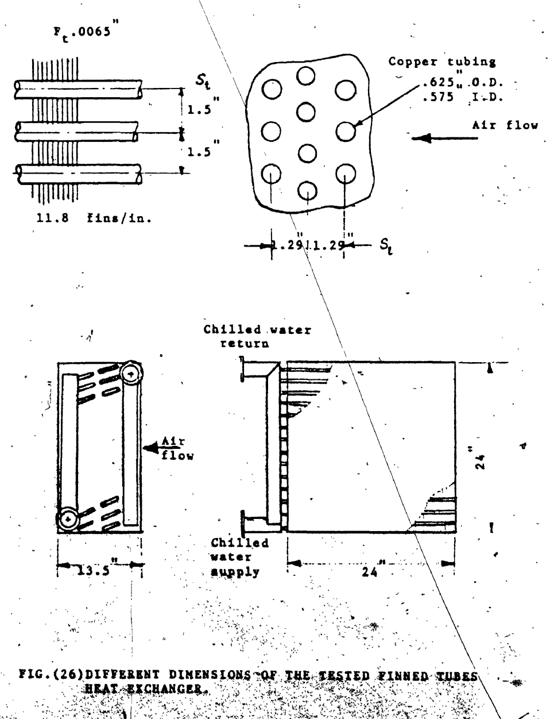
Sat. Air Enthalpy @ Water Ent. Temp | 18.81 | BTU/lb
 | 43,741 | J/kg

Water flow, GPM | 35.3125 | GPM
 | 0.00223 | m³/s
Mass flow rate, water | 2.228 | kg/s

Air Volumetric Flow Rate | 3,276 | CFM
 | 1.546 | m³/s
Air density | 1.147 | kg/m³

Mass flow rate, air | 14,075 | lbm/hr
 | 1.77 | kg/s

Fin thickness | 0.0065 | in
 | 0.0001651 | m
Fins per inch | 11.8 | fins/in
Fin spacing | 0.078245762712 | in
 | 0.0019874423729 | m
Tube thickness | 0.025 | in
 | 0.000635 | m
Tube Material | Copper
Copper thermal conductivity | 385 | W/m-K
Aluminum thermal conductivity | 237 | W/m-K

Number of Rows | 8 | Count
Number of Tubes/Row, # of circuits | 16 | Count
Number of Tubes | 128 | Count
Number of Passes | 8
Tube OD | 0.625 | in
 | 0.015875 | m
 | 0.0521 | ft
Tube Outer Radius | 0.3125 | in
 | 0.0079375 | m
Tube Outer Area | 0.00019793260902 | m²
Tube ID | 0.575 | in
 | 0.014605 | m
Tube Inner Area | 0.00016753016028 | m²
Water Velocity | 0.831 | m/s
 | 2.727 | fps
Water Re | 11,240
Water Nu [1] | 92 |  | Using 0.023 * Re^0.8 Pr^0.4 formulation
Water heat transfer coefficient, hi, fi, [1] | 3,715 | W/m²-K
Mean water temperature for [2] | 9.43 | °C
Water heat transfer coefficient, hi, fi [2] | 3,265 | W/m²-K | Using 1429[1+0.0146 Tw,m] V^0.8 Di^-0.2
Correlation Used | 1

Used Water heat transfer coefficient, hi, fi | 3,715 | W/m²-K
Internal Thermal Resistance, Ri | 7.52E-05 | K/W

Roughness, E | 1.50E-03 | mm | https://docs.bentley.com/LiveContent/web/Bentley%20HAMMER%20SS6-v1/en/GUID-3EB84F7E-B48C-4063-99B9-D3EDCFD864C8.html
E/D | 1.03E-04
1/sqrt(f) | 5.77
f | 0.0300 |  | Haaland equation: https://en.wikipedia.org/wiki/Darcy_friction_factor_formulae
Total pipe length | 4.8768 | m

Pipe DP | 0.3532 | m H2O
 | 1.1588 | ft H2O
Distance between tube rows | 1.290 | in
 | 0.033 | m |  | 104.04567837

Percent fins | 0.0767
Percent non-fin | 0.9233
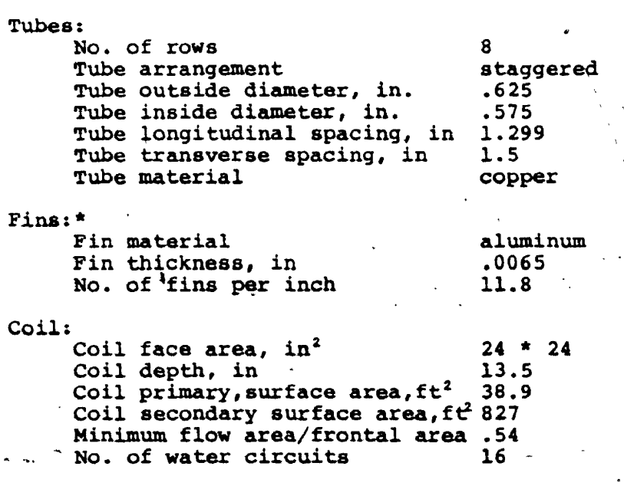
Ap | 3.59 | m² | Equation 77, Area of exposed tube | Elmahdy dimensions pg. 68(80) in dissertation
 | 38.68 | ft2 |  | 38.9
As | 104.05 | m² | Equation 78, Fin area
 | 1119.94 | ft2 |  | 827 | 1273.8545846
Ao | 107.64 | m² | Equation 79, Total air side heat transfer area
 |  |  |  | 865.9
Am,f | 0.20 | m² | Min cross-sectional area: This accounts for the cross-sectional area of the tubes
 | 2.15 | ft2
Ai,w | 3.58 | m²

Coil Height | 24 | in
 | 0.6096 | m
 | 2 | ft
Coil Width | 24 | in
 | 0.6096 | m
 | 2 | ft
Coil Depth | 13.5 | in
 | 0.3429 | m
 | 1.125 | ft
Face Area | 576 | in²
 | 4 | ft2
 | 0.372 | m2
Min flow area/Face Area, Ar | 0.539
Equivalent Fin Diameter | 1.795 | in
 | 0.046 | m
Equivalent Fin Radius | 0.90 | in
 | 0.02 | m

Fin Length | 0.585 | in
 | 0.015 | m

Total # of Fins | 283.2

Hydraulic Diameter | 0.00255 | m | From Dissertation: |  | 0.0913
 | 0.1004 | in
 | 0.0084 | ft | 9.1926360465 | ft

Air Velocity through minimum area | 7.72 | m/s
 | 1,521 | ft/min
Air Face Velocity | 819 | ft/min

Fin thickness/Hydraulic Diameter (Ft/Dh) | 0.0647
Fin thickness/Fin length (Ft/Fh) | 0.0111
Fin spacing/Fin length (Fs/Fh) | 0.1337
Fin Diameter, eq/Distance between tube rows (Fd/Sl) | 1.3917
Fin thickness/Fin spacing (Ft/Fs) | 0.0831

C1 | 0.1007
C2 | -0.3762

Reynolds Number | 1,224

Stanton Number | 0.00854
Dry heat transfer coefficient, ho, fo | 76.18 | W/m²-K

Thermal Resistances
Adjusted wet heat transfer coefficient, ho,w fo,w | 91.02 | W/m²-K
 |  |  |  |  |  |  |  |  | Resistances | K/W * 10^6
 |  |  |  |  |  |  |  |  | Air side, dry | 175.8
 |  |  |  |  |  |  |  |  | Air side, wet | 155.3
Wall Resistance, Rm | 4.61E-07 | K/W |  |  |  |  |  |  | Water side | 75.2
 |  |  |  |  |  |  |  |  | Fouling | 14.0
Wall Resistance calc 2, Rm | 4.42E-07 | K/W | 1.04 |  |  |  |  |  | Tube wall | 0.4

Fouling Resistance
Fouling Factor | 5.00E-05 | m2-K/W
Rf | 1.40E-05 | K/W

Dry
m (Dry) | 62.398909315 | 1/m | See Incropera pg. 151
C2 (circular fin) | 0.5569237981
m r1 | 0.49529134269
m r2 | 1.4226671355

Fin Numerator | 1.4416494442
Fin Denominator | 1.175340714

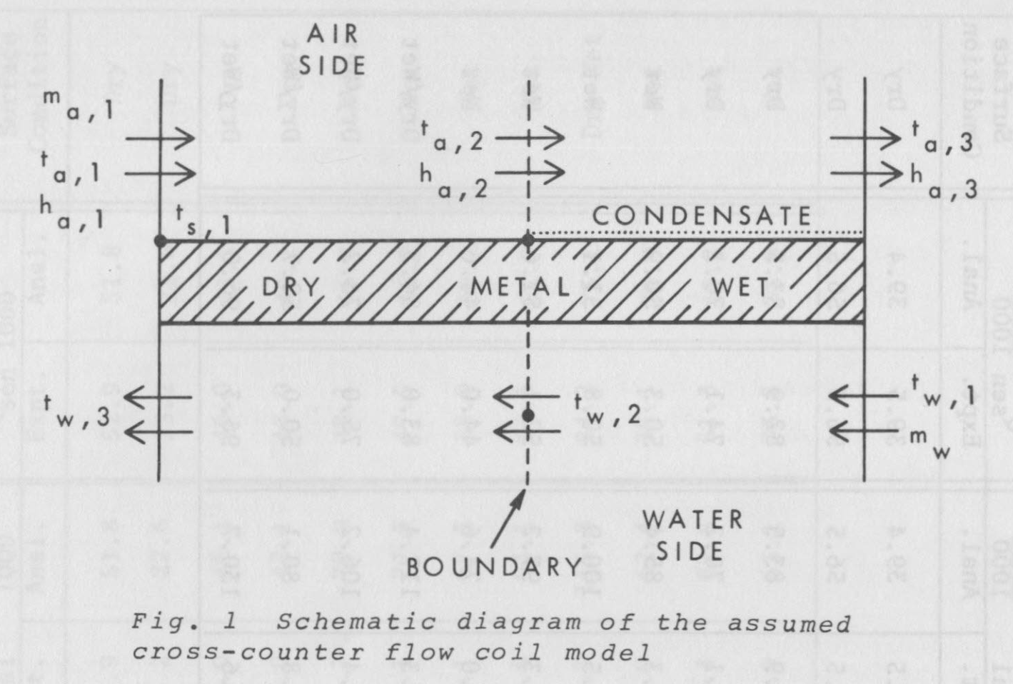
Dry Fin efficiency | 0.68

Dry Overall efficiency | 0.69
Ra,dry | 1.76E-04 | K/W

Wet
m (Wet) | 68.20623352 | 1/m
C2 (circular fin) | 0.510
m r1 | 0.541
m r2 | 1.555

Fin Numerator | 1.478
Fin Denominator | 1.167

Wet Fin Efficiency | 0.65

Wet Overall Efficiency | 0.66
Ra, wet | 1.55E-04 | K/W
All Cases

Sum of Constant Resistances (Rm + Ri + Rf) | 8.96E-05 | K/W
a | 19,928 | J/kg
b | 2,708 | J/kg-K

All Wet Case |  |  |  | All Dry Case |  |  |  |  |  | Partial Wet/Partial Dry | Test fractions of %wet until Ts,2 = Entering Dew Point Temperature
X' | 0.5639 | s/kg |  | X | 0.0005599793 | K/W
Y' | -0.2901 | s/kg |  | Y | -0.0001071518 | K/W |  |  |  | % Wet | Dry Overall Area, Ao (m²) | Wet Overall Area, Ao (m2) | Modified Dry UAo (W/K) | Modified Wet UcAo (W / (J/kg)) | Z | W (K/W) | K1 | K2 | Z' | W' (s/kg) | K3 | K4 | K5 | K6 (kg-K/J) | Tw,2 (°C) | Ta,2 (°C) | Ta,2 (°F) | Modified dry, air-side resistance (K/W) | Modified Total Dry Resistance (K/W) | Ts,2 (°C) | Ts,2 - Tdp | abs(Ts,2 - Tdp) | Tw3 (°C) | Tw3 (°F) | N | ha,2 (BTU/lb) | ha,2 (J/kg) | ha,3 | Ts,3 (°C) | Ta,3 (°C) | Ta,3 (°F) | Air DT (°F) | Water DT (°F) | Q total (BTU/hr) | Q sensible (BTU/hr) | Q total (kW) | Q sensible (kW) | SHR
X'+Y' | 0.2738 | s/kg |  | X+Y | 0.0004528276 | K/W |  |  |  | 0.05 | 102.3 | 5.4 | 3,579 | 0.13 | 5.06 | 2.72E-03 | 0.8338135625 | 0.8404502043 | 1.0349036943 | 0.29345731973 | 0.93293006052 | 0.067069939478 | 0.9654927662 | 1.274458627E-05 | 8.69 | 12.11 | 53.80 | 0.0001850646018 | 2.79E-04 | 9.85 | -5.64 | 5.64 | 11.98 | 53.56 | 0.18028554251 | 24.813550545 | 57,716 | 56,779 | 11.61 | 13.50 | 56.3 | 28.40 | 6.26 | 112,154 | 96,142 | 32.868950616 | 28.18 | 0.85723639276
Wet air side resistance, Re,w | 1.9796646717E-05 | K/W |  |  |  |  |  |  |  | 0.1 | 96.9 | 10.8 | 3,391 | 0.25 | 4.64 | 2.49E-03 | 0.8183784718 | 0.8434037009 | 1.0710256566 | 0.31382646466 | 0.8723775267 | 0.1276224733 | 0.93433871331 | 2.4250739356E-05 | 8.88 | 12.58 | 54.65 | 0.00019534596857 | 2.95E-04 | 10.13 | -5.36 | 5.36 | 12.07 | 53.73 | 0.36057108502 | 25.020349179 | 58,197 | 56,352 | 11.51 | 13.22 | 55.8 | 28.90 | 6.43 | 114,735 | 97,828 | 33.625547304 | 28.67 | 0.85264519375
Wet air side resistance, Ra,w | 0.0001020746609 | K/W |  | Ro | 0.00017581137171 | K/W |  |  |  | 0.15 | 91.5 | 16.1 | 3,203 | 0.38 | 4.26 | 2.28E-03 | 0.8014449918 | 0.8466439136 | 1.1084084087 | 0.33490656801 | 0.81746726165 | 0.18253273835 | 0.90608758667 | 3.4684752201E-05 | 9.06 | 13.07 | 55.53 | 0.00020683690789 | 3.12E-04 | 10.41 | -5.07 | 5.07 | 12.16 | 53.88 | 0.54085662754 | 25.235997661 | 58,699 | 55,969 | 11.43 | 12.97 | 55.4 | 29.35 | 6.58 | 117,057 | 99,346 | 34.306142163 | 29.12 | 0.84869170806
Total Resistance, wet air side | 5.7759864071E-05 | K/W |  |  |  |  |  |  |  | 0.2 | 86.1 | 21.5 | 3,014 | 0.50 | 3.92 | 2.09E-03 | 0.7828549393 | 0.8502011106 | 1.147095957 | 0.35672244483 | 0.76747386945 | 0.23252613055 | 0.88036617277 | 4.4184464064E-05 | 9.23 | 13.58 | 56.45 | 0.00021976421464 | 3.32E-04 | 10.70 | -4.78 | 4.78 | 12.23 | 54.02 | 0.72114217005 | 25.462182094 | 59,225 | 55,624 | 11.35 | 12.75 | 54.9 | 29.75 | 6.72 | 119,139 | 100,710 | 34.916268276 | 29.52 | 0.84531375733
 |  |  |  | 1/UAo | 2.65E-04 | K/W |  |  |  | 0.25 | 80.7 | 26.9 | 2,826 | 0.63 | 3.60 | 1.91E-03 | 0.7624309075 | 0.8541092386 | 1.1871338437 | 0.37929977636 | 0.72179097411 | 0.27820902589 | 0.85686249344 | 5.2865098119E-05 | 9.40 | 14.13 | 57.43 | 0.00023441516228 | 3.54E-04 | 11.00 | -4.49 | 4.49 | 12.30 | 54.15 | 0.90142771256 | 25.700650881 | 59,780 | 55,317 | 11.28 | 12.55 | 54.6 | 30.11 | 6.85 | 120,997 | 101,936 | 35.46071919 | 29.87 | 0.84246418326
 |  |  |  | UAo | 3.77E+03 | W/K |  |  |  | 0.3 | 75.3 | 32.3 | 2,637 | 0.75 | 3.30 | 1.74E-03 | 0.7399734274 | 0.8584064658 | 1.2285692005 | 0.40266514016 | 0.67990776393 | 0.32009223607 | 0.83531373796 | 6.0823718473E-05 | 9.58 | 14.70 | 58.46 | 0.00025115910244 | 3.79E-04 | 11.31 | -4.18 | 4.18 | 12.37 | 54.26 | 1.0817132551 | 25.953235034 | 60,367 | 55,045 | 11.22 | 12.37 | 54.3 | 30.44 | 6.96 | 122,645 | 103,035 | 35.943641718 | 30.20 | 0.84010753938
Total Resistance | 1.47E-04 | K/W |  |  |  |  |  |  |  | 0.35 | 70.0 | 37.7 | 2,449 | 0.88 | 3.03 | 1.59E-03 | 0.7152576101 | 0.8631358247 | 1.2714508044 | 0.42684604147 | 0.64139087272 | 0.35860912728 | 0.81549694103 | 6.8142673085E-05 | 9.75 | 15.31 | 59.56 | 0.0002704790334 | 4.08E-04 | 11.62 | -3.86 | 3.86 | 12.42 | 54.36 | 1.2619987976 | 26.221868167 | 60,992 | 54,806 | 11.16 | 12.21 | 54.0 | 30.73 | 7.06 | 124,095 | 104,019 | 36.368614302 | 30.48 | 0.83821771191
 |  |  |  | Z | 5.5076285304 |  |  |  |  | 0.4 | 64.6 | 43.1 | 2,261 | 1.00 | 2.78 | 1.45E-03 | 0.6880291534 | 0.8683459759 | 1.3158291346 | 0.45187094558 | 0.60587023294 | 0.39412976706 | 0.7972217043 | 7.4892281949E-05 | 9.92 | 15.96 | 60.73 | 0.00029301895285 | 4.42E-04 | 11.96 | -3.53 | 3.53 | 12.47 | 54.44 | 1.4422843401 | 26.508606619 | 61,659 | 54,597 | 11.12 | 12.06 | 53.7 | 30.99 | 7.14 | 125,358 | 104,896 | 36.738713089 | 30.74 | 0.83677619989
 |  |  |  | W | 0.0029770064 | K/W |  |  |  | 0.45 | 59.2 | 48.4 | 2,072 | 1.13 | 2.56 | 1.32E-03 | 0.6579995691 | 0.8740921214 | 1.3617564326 | 0.47776931129 | 0.57302792077 | 0.42697207923 | 0.78032445714 | 8.1132956743E-05 | 10.10 | 16.66 | 61.98 | 0.00031965703947 | 4.83E-04 | 12.31 | -3.18 | 3.18 | 12.51 | 54.52 | 1.6225698826 | 26.81565011 | 62,373 | 54,418 | 11.08 | 11.93 | 53.5 | 31.22 | 7.22 | 126,442 | 105,677 | 37.056567585 | 30.97 | 0.83577087368
 |  |  |  |  |  |  |  |  |  | 0.5 | 53.8 | 53.8 | 1,884 | 1.25 | 2.35 | 1.21E-03 | 0.6248404418 | 0.8804371033 | 1.4092867628 | 0.50457162564 | 0.54258927998 | 0.45741072002 | 0.76466388994 | 8.6916887465E-05 | 10.27 | 17.40 | 63.33 | 0.00035162274342 | 5.31E-04 | 12.68 | -2.80 | 2.80 | 12.55 | 54.58 | 1.8028554251 | 27.145363293 | 63,140 | 54,267 | 11.04 | 11.82 | 53.3 | 31.42 | 7.28 | 127,356 | 106,367 | 37.324407442 | 31.17 | 0.83519508843
1/UcAo | 3.99E-01 | (J/kg) / W |  | K1 | 0.8478916347 |  |  |  |  | 0.55 | 48.4 | 59.2 | 1,695 | 1.38 | 2.15 | 1.10E-03 | 0.5881764835 | 0.8874527328 | 1.4584760773 | 0.53230943978 | 0.51431579941 | 0.48568420059 | 0.7501172896 | 9.228939585E-05 | 10.46 | 18.21 | 64.78 | 0.00039069193713 | 5.90E-04 | 13.08 | -2.41 | 2.41 | 12.58 | 54.64 | 1.9831409676 | 27.500298534 | 63,966 | 54,143 | 11.02 | 11.72 | 53.1 | 31.60 | 7.34 | 128,106 | 106,974 | 37.544101723 | 31.35 | 0.8350470681
UcAo | 2.51 | W / (J/kg) |  | K2 | 0.8377563724 |  |  |  |  | 0.6 | 43.1 | 64.6 | 1,507 | 1.50 | 1.98 | 1.00E-03 | 0.547577075 | 0.8952214087 | 1.5093822805 | 0.56101540611 | 0.48799935274 | 0.51200064726 | 0.73657757591 | 9.7290029928E-05 | 10.65 | 19.08 | 66.34 | 0.00043952842927 | 6.64E-04 | 13.50 | -1.99 | 1.99 | 12.60 | 54.68 | 2.1634265101 | 27.883220278 | 64,856 | 54,045 | 10.99 | 11.63 | 52.9 | 31.76 | 7.38 | 128,696 | 107,504 | 37.717191702 | 31.51 | 0.83532950173
 |  |  |  |  |  |  |  |  |  | 0.65 | 37.7 | 70.0 | 1,319 | 1.63 | 1.82 | 9.10E-04 | 0.5025458925 | 0.9038381023 | 1.5620652982 | 0.59072331671 | 0.46345750593 | 0.53654249407 | 0.72395088722 | 0.00010195345569 | 10.85 | 20.02 | 68.03 | 0.00050231820489 | 7.58E-04 | 13.94 | -1.54 | 1.54 | 12.62 | 54.72 | 2.3437120527 | 28.297131339 | 65,819 | 53,973 | 10.98 | 11.56 | 52.8 | 31.89 | 7.42 | 129,132 | 107,961 | 37.844918136 | 31.64 | 0.83604931277
Z' | 1.9861 |  |  | Entering Air Temp, Ta,1 | 29.3 | °C |  |  |  | 0.7 | 32.3 | 75.3 | 1,130 | 1.75 | 1.67 | 8.27E-04 | 0.4525080907 | 0.9134128099 | 1.6165871479 | 0.62146814314 | 0.44052966846 | 0.55947033154 | 0.71215460033 | 0.00010631018845 | 11.06 | 21.03 | 69.86 | 0.0005860379057 | 8.85E-04 | 14.43 | -1.06 | 1.06 | 12.64 | 54.75 | 2.5239975952 | 28.745301463 | 66,862 | 53,926 | 10.97 | 11.50 | 52.7 | 32.01 | 7.45 | 129,417 | 108,350 | 37.928243729 | 31.75 | 0.83721757555
W' | 0.8298 | s/kg |  | Entering Water Temp, Tw,2 | 8.50 | °C |  |  |  | 0.75 | 26.9 | 80.7 | 942 | 1.88 | 1.53 | 7.51E-04 | 0.3967943427 | 0.9240736069 | 1.6730120116 | 0.65328607759 | 0.41907391639 | 0.58092608361 | 0.70111569588 | 0.00011038719651 | 11.28 | 22.14 | 71.85 | 0.00070324548684 | 1.06E-03 | 14.94 | -0.54 | 0.54 | 12.65 | 54.76 | 2.7042831377 | 29.231298569 | 67,992 | 53,904 | 10.96 | 11.44 | 52.6 | 32.10 | 7.46 | 129,552 | 108,674 | 37.967871417 | 31.85 | 0.83884956358
 |  |  |  |  |  |  |  |  |  | 0.8 | 21.5 | 86.1 | 754 | 2.01 | 1.41 | 6.81E-04 | 0.3346207932 | 0.9359704836 | 1.7314063115 | 0.68621457551 | 0.39896435434 | 0.60103564566 | 0.69076940118 | 0.0001142084024 | 11.51 | 23.33 | 74.00 | 0.00087905685855 | 1.33E-03 | 15.50 | 0.02 | 0.02 | 12.65 | 54.77 | 2.8845686802 | 29.759023064 | 69,219 | 53,906 | 10.96 | 11.40 | 52.5 | 32.18 | 7.47 | 129,539 | 108,938 | 37.96425894 | 31.93 | 0.84096492266
K3 | 0.32991714327 | Unitless |  | Leaving Air Temp, Ta,2 | 11.66 | °C |  |  |  | 0.85 | 16.1 | 91.5 | 565 | 2.13 | 1.29 | 6.16E-04 | 0.2650636471 | 0.9492802076 | 1.7918387882 | 0.72029239965 | 0.38008891277 | 0.61991108723 | 0.68105805687 | 0.00011779510153 | 11.76 | 24.64 | 76.34 | 0.0011720758114 | 1.77E-03 | 16.11 | 0.62 | 0.62 | 12.65 | 54.77 | 3.0648542227 | 30.332745712 | 70,554 | 53,932 | 10.97 | 11.37 | 52.5 | 32.24 | 7.47 | 129,380 | 109,144 | 37.917630125 | 31.99 | 0.84358796898
K4 | 0.67008285673 | Unitless |  |  | 52.99 | °F |  |  |  | 0.9 | 10.8 | 96.9 | 377 | 2.26 | 1.19 | 5.57E-04 | 0.1870266386 | 0.964212549 | 1.8543805816 | 0.75555966575 | 0.36234749877 | 0.63765250123 | 0.67193016551 | 0.00012116631348 | 12.03 | 26.05 | 78.89 | 0.0017581137171 | 2.65E-03 | 16.76 | 1.28 | 1.28 | 12.65 | 54.76 | 3.2451397652 | 30.957149546 | 72,006 | 53,983 | 10.98 | 11.34 | 52.4 | 32.29 | 7.46 | 129,074 | 109,294 | 37.82798317 | 32.03 | 0.8467481194
K5 | 0.65524486852 | Unitless |  | Leaving Water Temp, Tw,3 | 11.87 | °C |  |  |  | 0.95 | 5.4 | 102.3 | 188 | 2.38 | 1.09 | 5.03E-04 | 0.0991989319 | 0.9810183355 | 1.9191053146 | 0.79205788972 | 0.34565043617 | 0.65434956383 | 0.66333958906 | 0.00012433907845 | 12.31 | 27.60 | 81.67 | 0.0035162274342 | 5.31E-03 | 17.47 | 1.99 | 1.99 | 12.64 | 54.75 | 3.4254253077 | 31.637376413 | 73,589 | 54,058 | 11.00 | 11.33 | 52.4 | 32.31 | 7.45 | 128,621 | 109,390 | 37.695096186 | 32.06 | 0.85048046813
K6 | 0.00012732870854 | kg-K/J |  |  | 53.37 | °F |  |  |  | 1 | 0.0 | 107.6 | 0 | 2.51 | 1.00 | 4.53E-04 | 0 | 1 | 1.9860891799 | 0.82983003655 | 0.32991714327 | 0.67008285673 | 0.65524486852 | 0.00012732870854 | 12.62 | 29.28 | 84.70 | #DIV/0! | #DIV/0! | #DIV/0! | #DIV/0! | #DIV/0! | 12.62 | 54.72 | 3.6057108502 | 32.379078793 | 75,314 | 54,157 | 11.02 | #DIV/0! | #DIV/0! | #DIV/0! | 7.42 | 128,019 | #DIV/0! | 37.518530154 | #DIV/0! | #DIV/0!

Rx | 1.5513 |  |  | Air Delta T | 17.62 | °C
1/(Rx+1) | 0.39196443073 |  |  |  | 31.71 | °F
Rx/b | 0.00057292519661 | kg-K/J
 |  |  |  | Water Delta T | 3.37 | °C
Leaving Air Enthalpy ha,3 | 54,157 | J/kg |  |  | 6.07 | °F
Leaving Water Temperature, Tw,2 | 12.62 | °C
 | 54.72 | °F |  | Mean Water Temp | 10.19 | °C
 |  |  |  |  | 50.33 | °F
Ent. Air side Coil Surface Temp Ts,2 | 17.39 | °C
 | 63.29 | °F |  | Q total/sensible | 107,137 | BTU/hr
Leav. Air Side Coil Surface Temp, Ts,3 | 11.02 | °C
 | 51.83 | °F
N | 3.606
Leaving Air Temperature, Ta,3 | 11.34 | °C
 | 52.41 | °F

Air DT | 17.94 | °C
 | 32.29 | °F
Water DT | 4.12 | °C
 | 7.42 | °F

Q total | 38 | kW
 | 128,019 | BTU/hr
Q sensible | 32 | kW
 | 109,291 | BTU/hr

Is coil completely Wet? | NO

Is coil completely Dry? | NO

Saturated Air Enthalpy
 |  |  |  |  |  |  |  | Average Temp | 14
Temperature (C) | Temperature (F) | Saturated Partial Pressure (psia) | Saturated Humidity Ratio | Saturated Air Enthalpy (BTU/lb) | Saturated Air Enthalpy (J/kg) | (X - Xave) (Y-Yave) | (X - Xave)² | Average Enthalpy | 57,834
8 | 46.4 | 0.156 | 0.007 | 18.33 | 42,647 | 91,124 | 36 | a | 19,928 | J/kg
9 | 48.2 | 0.167 | 0.007 | 19.28 | 44,853 | 64,905 | 25 | b | 2,708 | J/kg-K
10 | 50 | 0.178 | 0.008 | 20.26 | 47,136 | 42,792 | 16
11 | 51.8 | 0.190 | 0.008 | 21.28 | 49,500 | 25,002 | 9
12 | 53.6 | 0.203 | 0.009 | 22.33 | 51,950 | 11,769 | 4
13 | 55.4 | 0.217 | 0.009 | 23.43 | 54,490 | 3,344 | 1
14 | 57.2 | 0.232 | 0.010 | 24.56 | 57,125 | 0 | 0
15 | 59 | 0.247 | 0.011 | 25.74 | 59,862 | 2,027 | 1
16 | 60.8 | 0.264 | 0.011 | 26.96 | 62,704 | 9,740 | 4
17 | 62.6 | 0.281 | 0.012 | 28.23 | 65,659 | 23,473 | 9
18 | 64.4 | 0.299 | 0.013 | 29.55 | 68,731 | 43,589 | 16
19 | 66.2 | 0.319 | 0.014 | 30.92 | 71,929 | 70,474 | 25
20 | 68 | 0.339 | 0.015 | 32.36 | 75,258 | 104,543 | 36

