Summary_by_Group
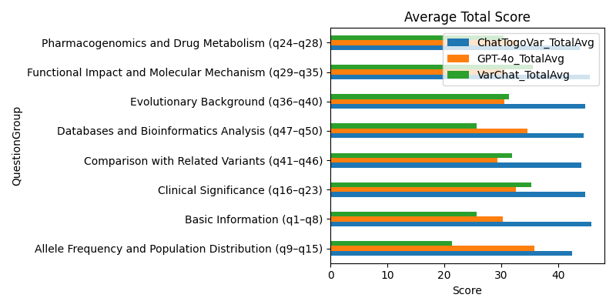
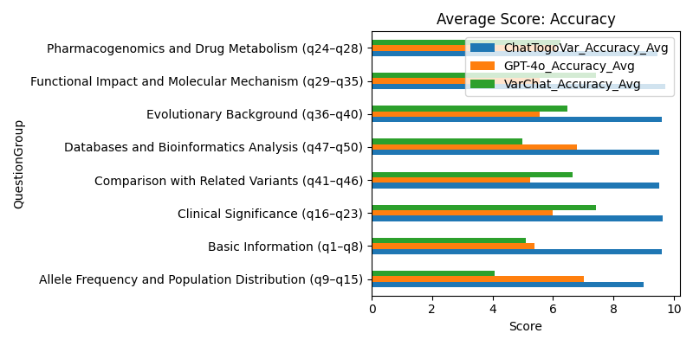
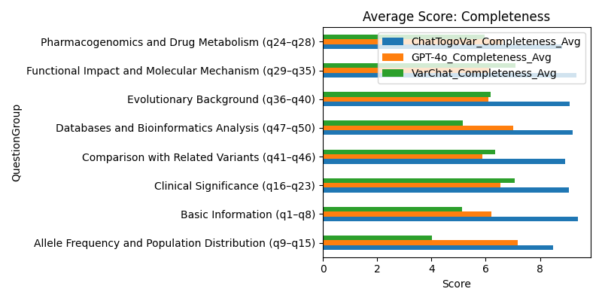
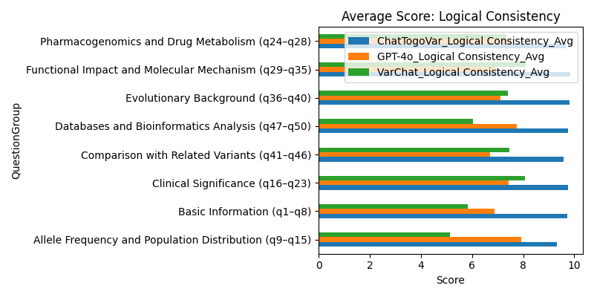
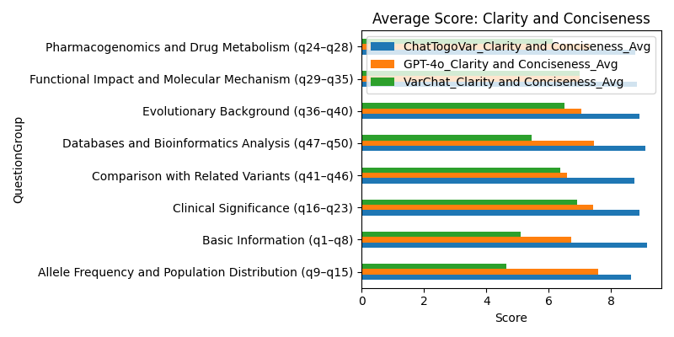
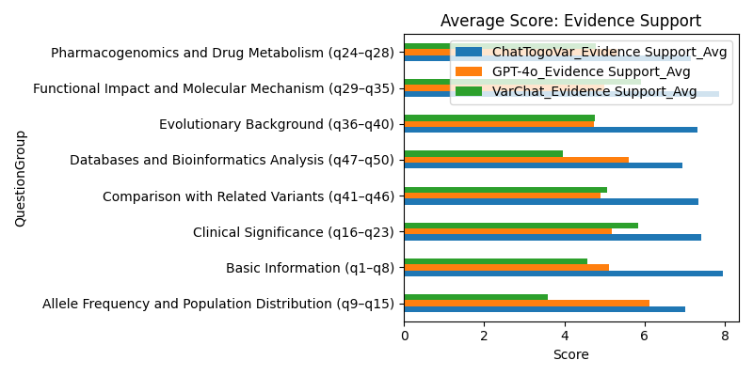
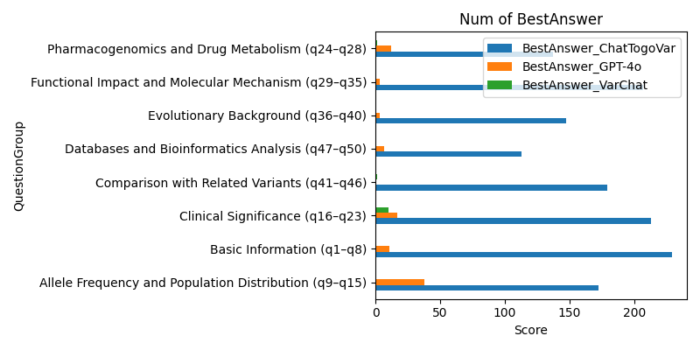
QuestionGroup | BestAnswer_ChatTogoVar | ChatTogoVar_TotalAvg | BestAnswer_GPT-4o | GPT-4o_TotalAvg | BestAnswer_VarChat | VarChat_TotalAvg | ChatTogoVar_Accuracy_Avg | GPT-4o_Accuracy_Avg | VarChat_Accuracy_Avg | ChatTogoVar_Completeness_Avg | GPT-4o_Completeness_Avg | VarChat_Completeness_Avg | ChatTogoVar_Logical Consistency_Avg | GPT-4o_Logical Consistency_Avg | VarChat_Logical Consistency_Avg | ChatTogoVar_Clarity and Conciseness_Avg | GPT-4o_Clarity and Conciseness_Avg | VarChat_Clarity and Conciseness_Avg | ChatTogoVar_Evidence Support_Avg | GPT-4o_Evidence Support_Avg | VarChat_Evidence Support_Avg
Allele Frequency and Population Distribution (q9–q15) | 172 | 42.457142857 | 38 | 35.8 | 0 | 21.419047619 | 8.9952380952 | 7.0285714286 | 4.0619047619 | 8.4952380952 | 7.1714285714 | 4.0142857143 | 9.319047619 | 7.9142857143 | 5.1238095238 | 8.6428571429 | 7.5761904762 | 4.6333333333 | 7.0047619048 | 6.1095238095 | 3.5857142857
Basic Information (q1–q8) | 229 | 45.8375 | 11 | 30.316666667 | 0 | 25.733333333 | 9.6166666667 | 5.3958333333 | 5.1 | 9.4 | 6.2125 | 5.1333333333 | 9.7208333333 | 6.8791666667 | 5.8375 | 9.15 | 6.725 | 5.0916666667 | 7.95 | 5.1041666667 | 4.5708333333
Clinical Significance (q16–q23) | 213 | 44.775 | 17 | 32.5375 | 10 | 35.320833333 | 9.6333333333 | 5.9958333333 | 7.4166666667 | 9.0708333333 | 6.5333333333 | 7.0791666667 | 9.7666666667 | 7.4166666667 | 8.075 | 8.8958333333 | 7.4125 | 6.9083333333 | 7.4083333333 | 5.1791666667 | 5.8416666667
Comparison with Related Variants (q41–q46) | 179 | 44.094444444 | 0 | 29.322222222 | 1 | 31.894444444 | 9.5166666667 | 5.2333333333 | 6.6611111111 | 8.9166666667 | 5.8888888889 | 6.3444444444 | 9.5833333333 | 6.7166666667 | 7.4555555556 | 8.75 | 6.5722222222 | 6.3722222222 | 7.3277777778 | 4.9111111111 | 5.0611111111
Databases and Bioinformatics Analysis (q47–q50) | 113 | 44.533333333 | 7 | 34.6 | 0 | 25.616666667 | 9.525 | 6.7916666667 | 5 | 9.2083333333 | 7.0083333333 | 5.1583333333 | 9.7583333333 | 7.7583333333 | 6.05 | 9.1 | 7.45 | 5.45 | 6.9416666667 | 5.5916666667 | 3.9583333333
Evolutionary Background (q36–q40) | 147 | 44.726666667 | 3 | 30.533333333 | 0 | 31.326666667 | 9.6 | 5.56 | 6.4866666667 | 9.08 | 6.0933333333 | 6.1733333333 | 9.8133333333 | 7.1 | 7.4066666667 | 8.9066666667 | 7.0333333333 | 6.4933333333 | 7.3266666667 | 4.7466666667 | 4.7666666667
Functional Impact and Molecular Mechanism (q29–q35) | 207 | 45.6 | 3 | 30.657142857 | 0 | 35.514285714 | 9.719047619 | 5.5476190476 | 7.4333333333 | 9.3428571429 | 6.1333333333 | 7.0952380952 | 9.8428571429 | 6.9761904762 | 8.0857142857 | 8.8333333333 | 7 | 6.9904761905 | 7.8619047619 | 5 | 5.9095238095
Pharmacogenomics and Drug Metabolism (q24–q28) | 137 | 43.866666667 | 12 | 32.886666667 | 1 | 30.44 | 9.46 | 6.1 | 6.26 | 8.82 | 6.6133333333 | 5.9533333333 | 9.6733333333 | 7.5266666667 | 7.3333333333 | 8.7733333333 | 7.3133333333 | 6.1133333333 | 7.14 | 5.3333333333 | 4.78

