ASQP, ACOS scatterplot
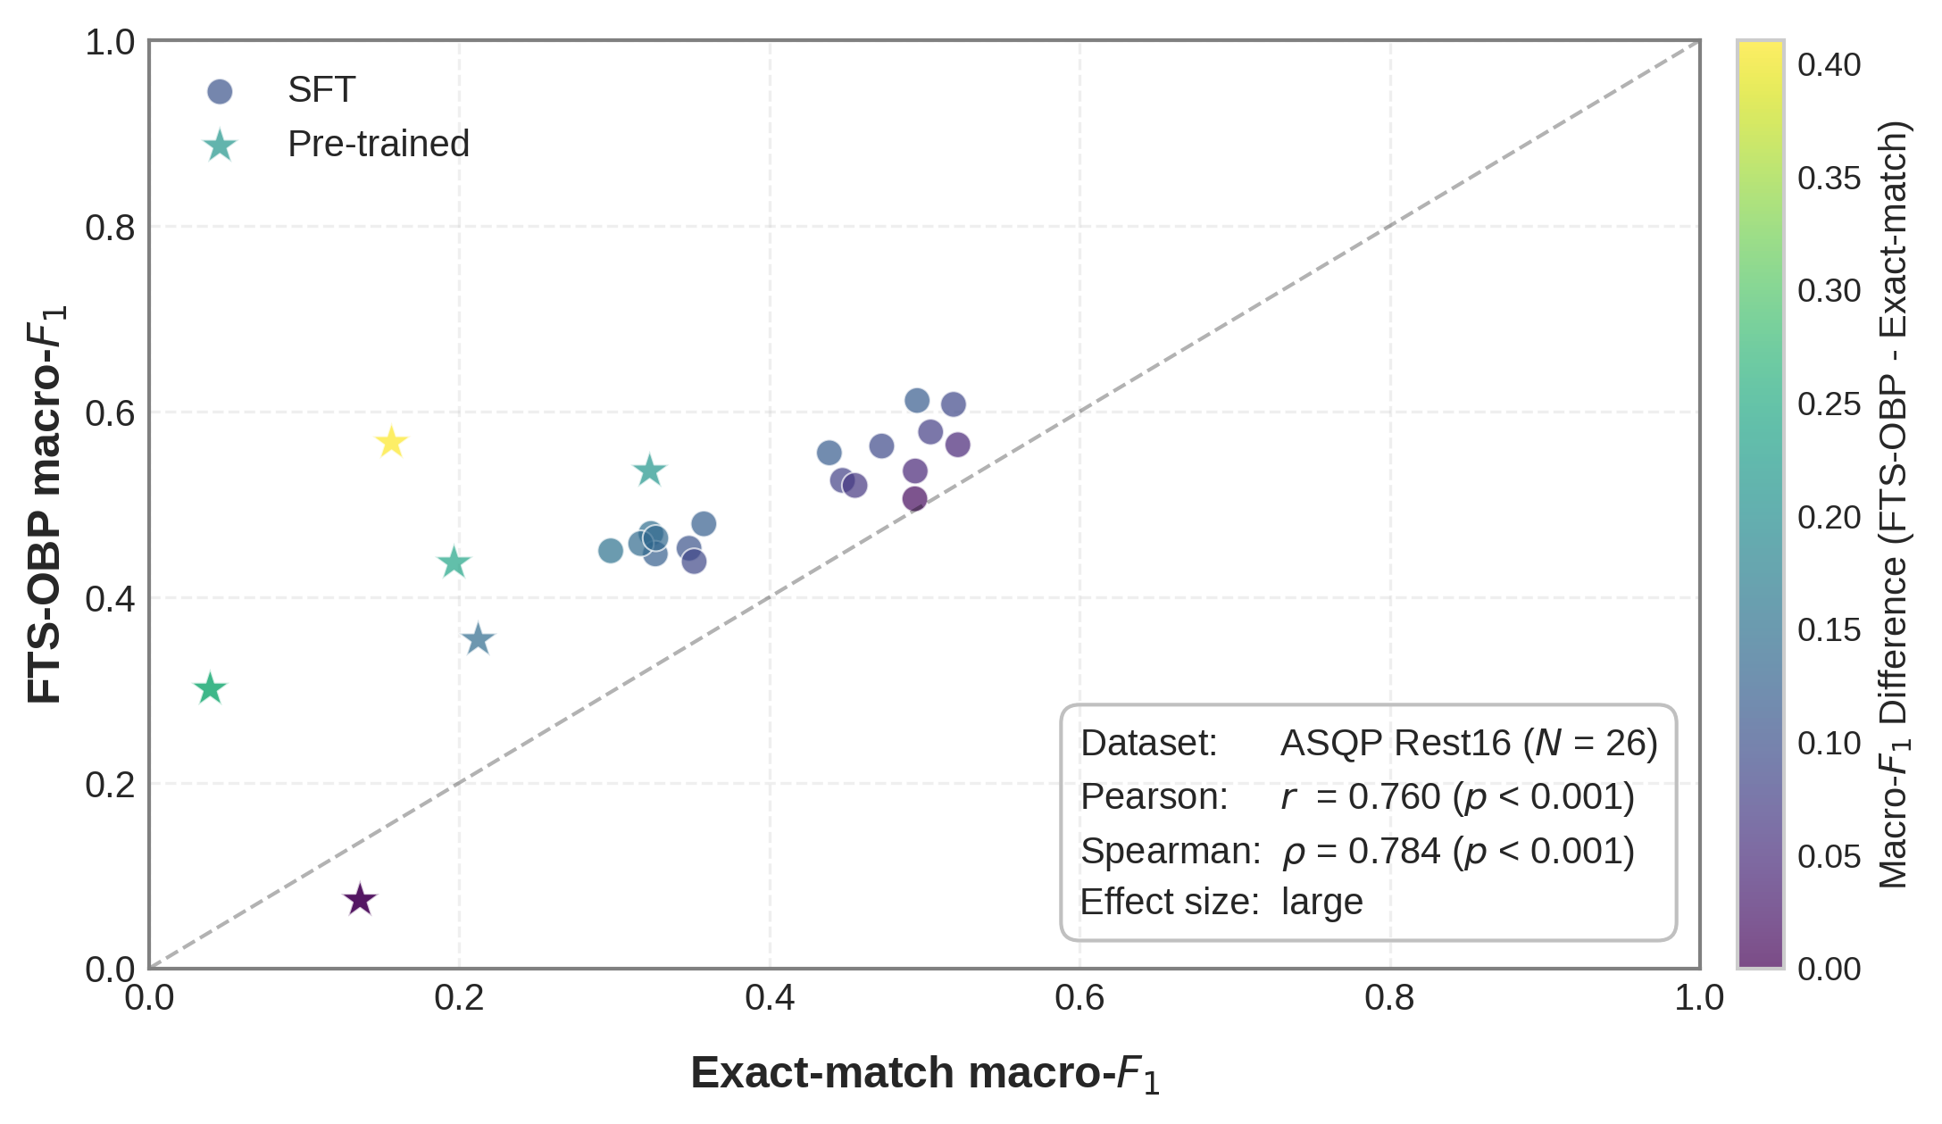
dataset | model | task | exact_match | fts_obp | type | diff
ACOS Laptop | GPT-4o_0S | ASQE | 0.12632563733 | 0.23939417989 | Pre-trained | 0.11306854257
ASQP Rest16 | GPT-4o_0S | ASQE | 0.32276190476 | 0.53596560847 | Pre-trained | 0.2132037037
ASQP Rest16 | GPT-4o_4S | ASQE | 0.15630687831 | 0.56661111111 | Pre-trained | 0.4103042328
ACOS Laptop | GPT-4o_4S | ASQE | 0.02873015873 | 0.23138912939 | Pre-trained | 0.20265897066
ACOS Laptop | GPT-4o-mini_0S | ASQE | 0.070351851852 | 0.1105952381 | Pre-trained | 0.040243386243
ASQP Rest16 | GPT-4o-mini_0S | ASQE | 0.21217195767 | 0.3541957672 | Pre-trained | 0.14202380952
ASQP Rest16 | GPT-4o-mini_4S | ASQE | 0.1965952381 | 0.4369021164 | Pre-trained | 0.24030687831
ACOS Laptop | GPT-4o-mini_4S | ASQE | 0.044246031746 | 0.15874867725 | Pre-trained | 0.1145026455
ACOS Laptop | Phi4-mini-instruct_0S | ASQE | 0.04262962963 | 0 | Pre-trained | -0.04262962963
ASQP Rest16 | Phi4-mini-instruct_0S | ASQE | 0.13600793651 | 0.073571428571 | Pre-trained | -0.062436507937
ASQP Rest16 | Phi4-mini-instruct_4S | ASQE | 0.039333333333 | 0.30104232804 | Pre-trained | 0.26170899471
ACOS Laptop | Phi4-mini-instruct_4S | ASQE | 0 | 0.072018518519 | Pre-trained | 0.072018518519
ACOS Laptop | Qwen2.5-1.5B-instruct_0S | ASQE | 0.04262962963 | 0 | Pre-trained | -0.04262962963
ASQP Rest16 | Qwen2.5-1.5B-instruct_0S | ASQE | 0.13600793651 | 0.073571428571 | Pre-trained | -0.062436507937
ASQP Rest16 | Qwen2.5-1.5B-instruct_4S | ASQE | 0.039333333333 | 0.30104232804 | Pre-trained | 0.26170899471
ACOS Laptop | Qwen2.5-1.5B-instruct_4S | ASQE | 0 | 0.072018518519 | Pre-trained | 0.072018518519
ACOS Laptop | LoRA_Phi4_200_R4_ST_0S | ASQE | 0.17473809524 | 0.20438359788 | SFT | 0.029645502646
ASQP Rest16 | LoRA_Phi4_200_R4_ST_0S | ASQE | 0.34812433862 | 0.45268518519 | SFT | 0.10456084656
ASQP Rest16 | LoRA_Phi4_200_R4_ST_4S | ASQE | 0.35767724868 | 0.47898412698 | SFT | 0.12130687831
ACOS Laptop | LoRA_Phi4_200_R4_ST_4S | ASQE | 0.18327248677 | 0.21223809524 | SFT | 0.028965608466
ACOS Laptop | LoRA_Phi4_200_R8_ST_0S | ASQE | 0.19341534392 | 0.21636772487 | SFT | 0.022952380952
ASQP Rest16 | LoRA_Phi4_200_R8_ST_0S | ASQE | 0.35142063492 | 0.43840740741 | SFT | 0.086986772487
ASQP Rest16 | LoRA_Phi4_200_R8_ST_4S | ASQE | 0.32354761905 | 0.46861375661 | SFT | 0.14506613757
ACOS Laptop | LoRA_Phi4_200_R8_ST_4S | ASQE | 0.18703439153 | 0.21397089947 | SFT | 0.026936507937
ACOS Laptop | LoRA_Phi4_500_R4_ST_0S | ASQE | 0.26793121693 | 0.26484126984 | SFT | -0.0030899470899
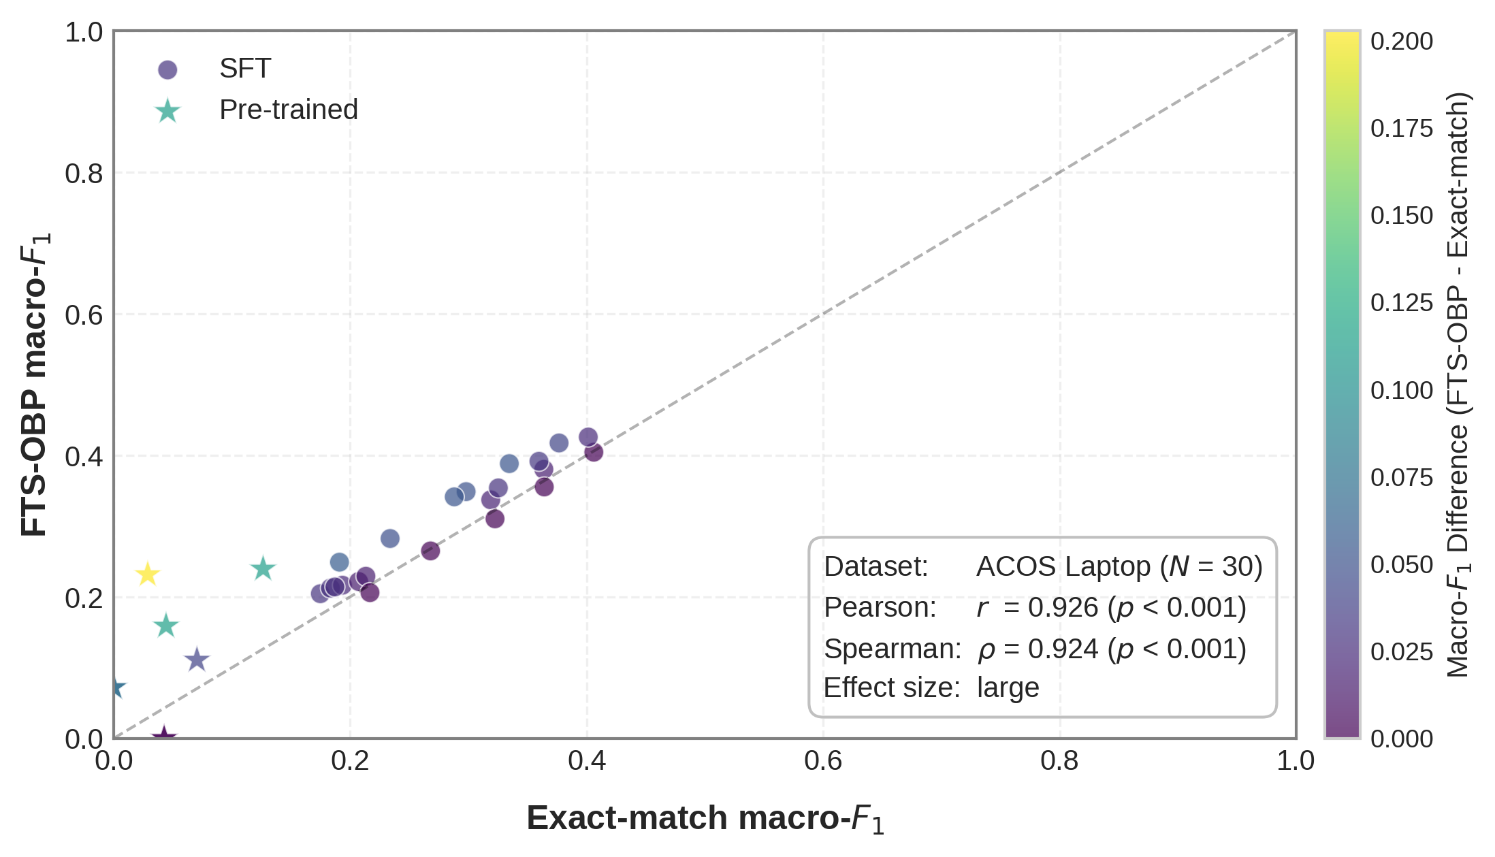
ASQP Rest16 | LoRA_Phi4_500_R4_ST_0S | ASQE | 0.44706349206 | 0.52585185185 | SFT | 0.078788359788
ASQP Rest16 | LoRA_Phi4_500_R4_ST_4S | ASQE | 0.45516137566 | 0.52034126984 | SFT | 0.06517989418
ACOS Laptop | LoRA_Phi4_500_R4_ST_4S | ASQE | 0.23373015873 | 0.28237566138 | SFT | 0.048645502646
ACOS Laptop | LoRA_Phi4_1000_R16_ST_0S | ASQE | 0.36374074074 | 0.38018253968 | SFT | 0.016441798942
ASQP Rest16 | LoRA_Phi4_1000_R16_ST_0S | ASQE | 0.52147883598 | 0.56419312169 | SFT | 0.042714285714
ASQP Rest16 | LoRA_Phi4_1000_R16_ST_4S | ASQE | 0.49524074074 | 0.61188624339 | SFT | 0.11664550265
ACOS Laptop | LoRA_Phi4_1000_R16_ST_4S | ASQE | 0.35962698413 | 0.39151851852 | SFT | 0.031891534392
ACOS Laptop | LoRA_Phi4_2000_R64_ST_0S | ASQE | 0.37661904762 | 0.4174047619 | SFT | 0.040785714286
ACOS Laptop | LoRA_Phi4_2000_R64_ST_4S | ASQE | 0.40601587302 | 0.4043968254 | SFT | -0.001619047619
ASQP Rest16 | LoRA_Qwen2.5_200_R4_ST_0S | ASQE | 0.29764550265 | 0.44993915344 | SFT | 0.15229365079
ACOS Laptop | LoRA_Qwen2.5_200_R4_ST_0S | ASQE | 0.20713756614 | 0.22157142857 | SFT | 0.014433862434
ACOS Laptop | LoRA_Qwen2.5_200_R4_ST_4S | ASQE | 0.21323809524 | 0.22904497354 | SFT | 0.015806878307
ASQP Rest16 | LoRA_Qwen2.5_200_R4_ST_4S | ASQE | 0.32636772487 | 0.4465978836 | SFT | 0.12023015873
ASQP Rest16 | LoRA_Qwen2.5_200_R8_ST_0S | ASQE | 0.31694444444 | 0.45774074074 | SFT | 0.1407962963
ACOS Laptop | LoRA_Qwen2.5_200_R8_ST_0S | ASQE | 0.2167010582 | 0.20591822992 | SFT | -0.010782828283
ACOS Laptop | LoRA_Qwen2.5_200_R8_ST_4S | ASQE | 0.19091822992 | 0.24892328042 | SFT | 0.058005050505
ASQP Rest16 | LoRA_Qwen2.5_200_R8_ST_4S | ASQE | 0.32670899471 | 0.46357936508 | SFT | 0.13687037037
ASQP Rest16 | LoRA_Qwen2.5_500_R32_ST_0S | ASQE | 0.49373886329 | 0.50599470899 | SFT | 0.012255845707
ACOS Laptop | LoRA_Qwen2.5_500_R32_ST_0S | ASQE | 0.29801322751 | 0.34863227513 | SFT | 0.050619047619
ACOS Laptop | LoRA_Qwen2.5_500_R32_ST_4S | ASQE | 0.31881746032 | 0.33708730159 | SFT | 0.01826984127
ASQP Rest16 | LoRA_Qwen2.5_500_R32_ST_4S | ASQE | 0.4385978836 | 0.55551740911 | SFT | 0.11691952552
ASQP Rest16 | LoRA_Qwen2.5_1000_R8_ST_0S | ASQE | 0.47238191438 | 0.5627989418 | SFT | 0.090417027417
ACOS Laptop | LoRA_Qwen2.5_1000_R8_ST_0S | ASQE | 0.32245502646 | 0.31021693122 | SFT | -0.012238095238
ACOS Laptop | LoRA_Qwen2.5_1000_R8_ST_4S | ASQE | 0.28799470899 | 0.34128835979 | SFT | 0.053293650794
ASQP Rest16 | LoRA_Qwen2.5_1000_R8_ST_4S | ASQE | 0.49397354497 | 0.53588191438 | SFT | 0.041908369408
ACOS Laptop | LoRA_Qwen2.5_2000_R64_ST_0S | ASQE | 0.33456878307 | 0.38822486772 | SFT | 0.053656084656
ACOS Laptop | LoRA_Qwen2.5_2000_R64_ST_4S | ASQE | 0.36411375661 | 0.35525396825 | SFT | -0.0088597883598
ASQP Rest16 | Merged_LoRA_Phi4_SLERP_4S | ASQE | 0.51868783069 | 0.60768783069 | SFT | 0.089
ACOS Laptop | Merged_LoRA_Phi4_SLERP_4S | ASQE | 0.40134391534 | 0.42578835979 | SFT | 0.024444444444
ACOS Laptop | Merged_LoRA_Qwen2.5_SLERP_4S | ASQE | 0.32527777778 | 0.35388888889 | SFT | 0.028611111111
ASQP Rest16 | Merged_LoRA_Qwen2.5_SLERP_4S | ASQE | 0.50391534392 | 0.57797089947 | SFT | 0.074055555556

ASQP, ACOS boxplot
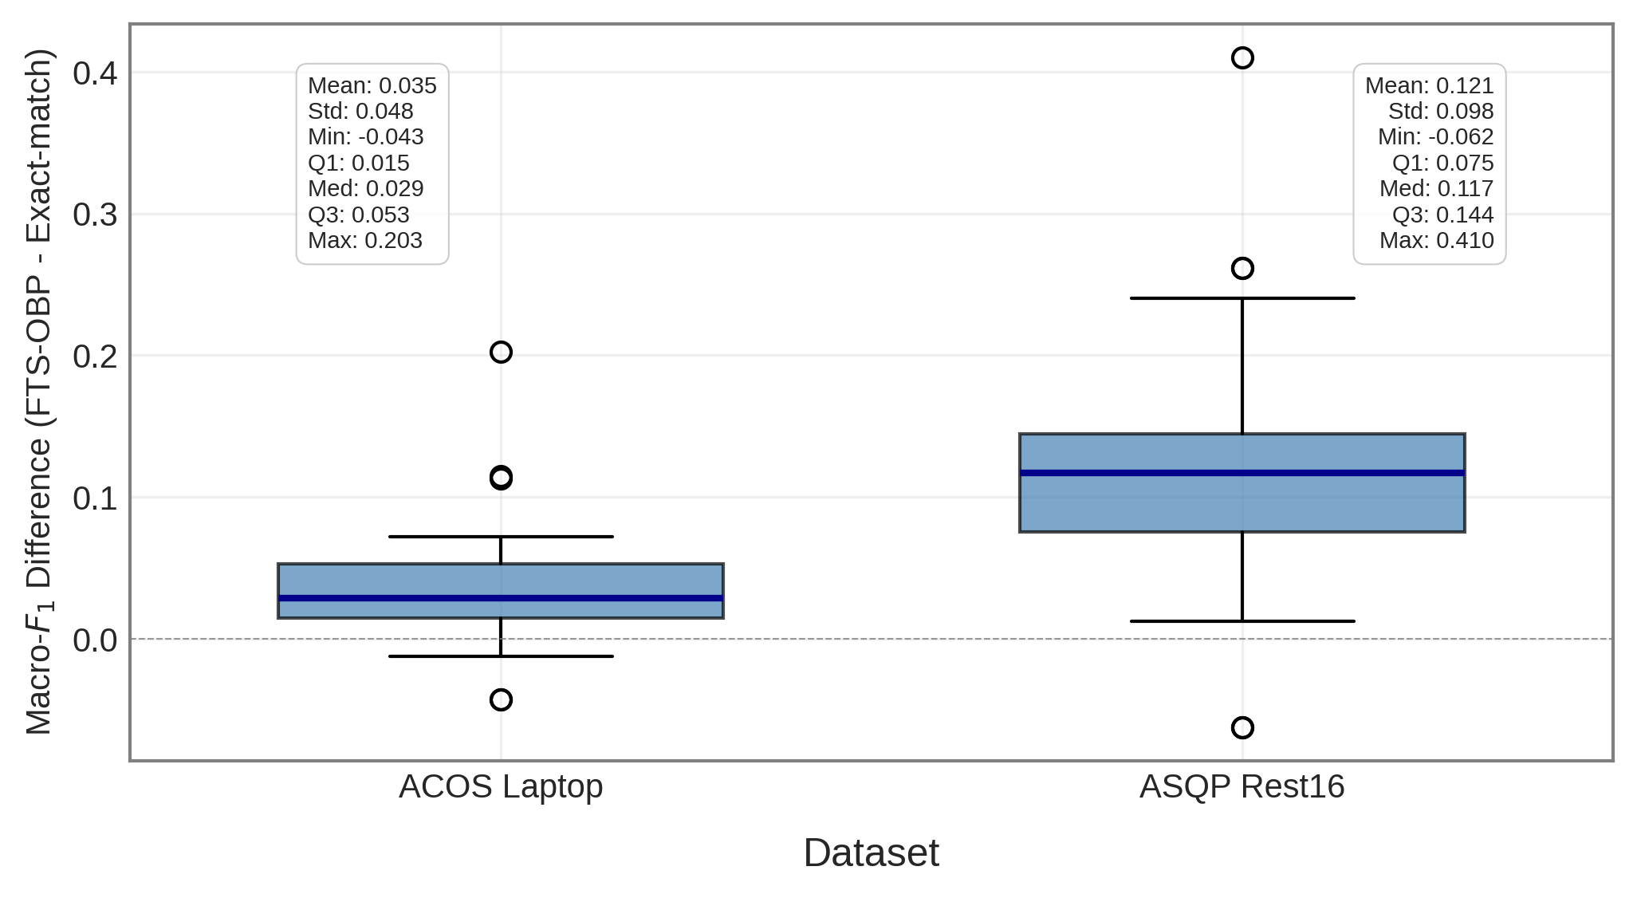

fig_3_bargraph, model_stats
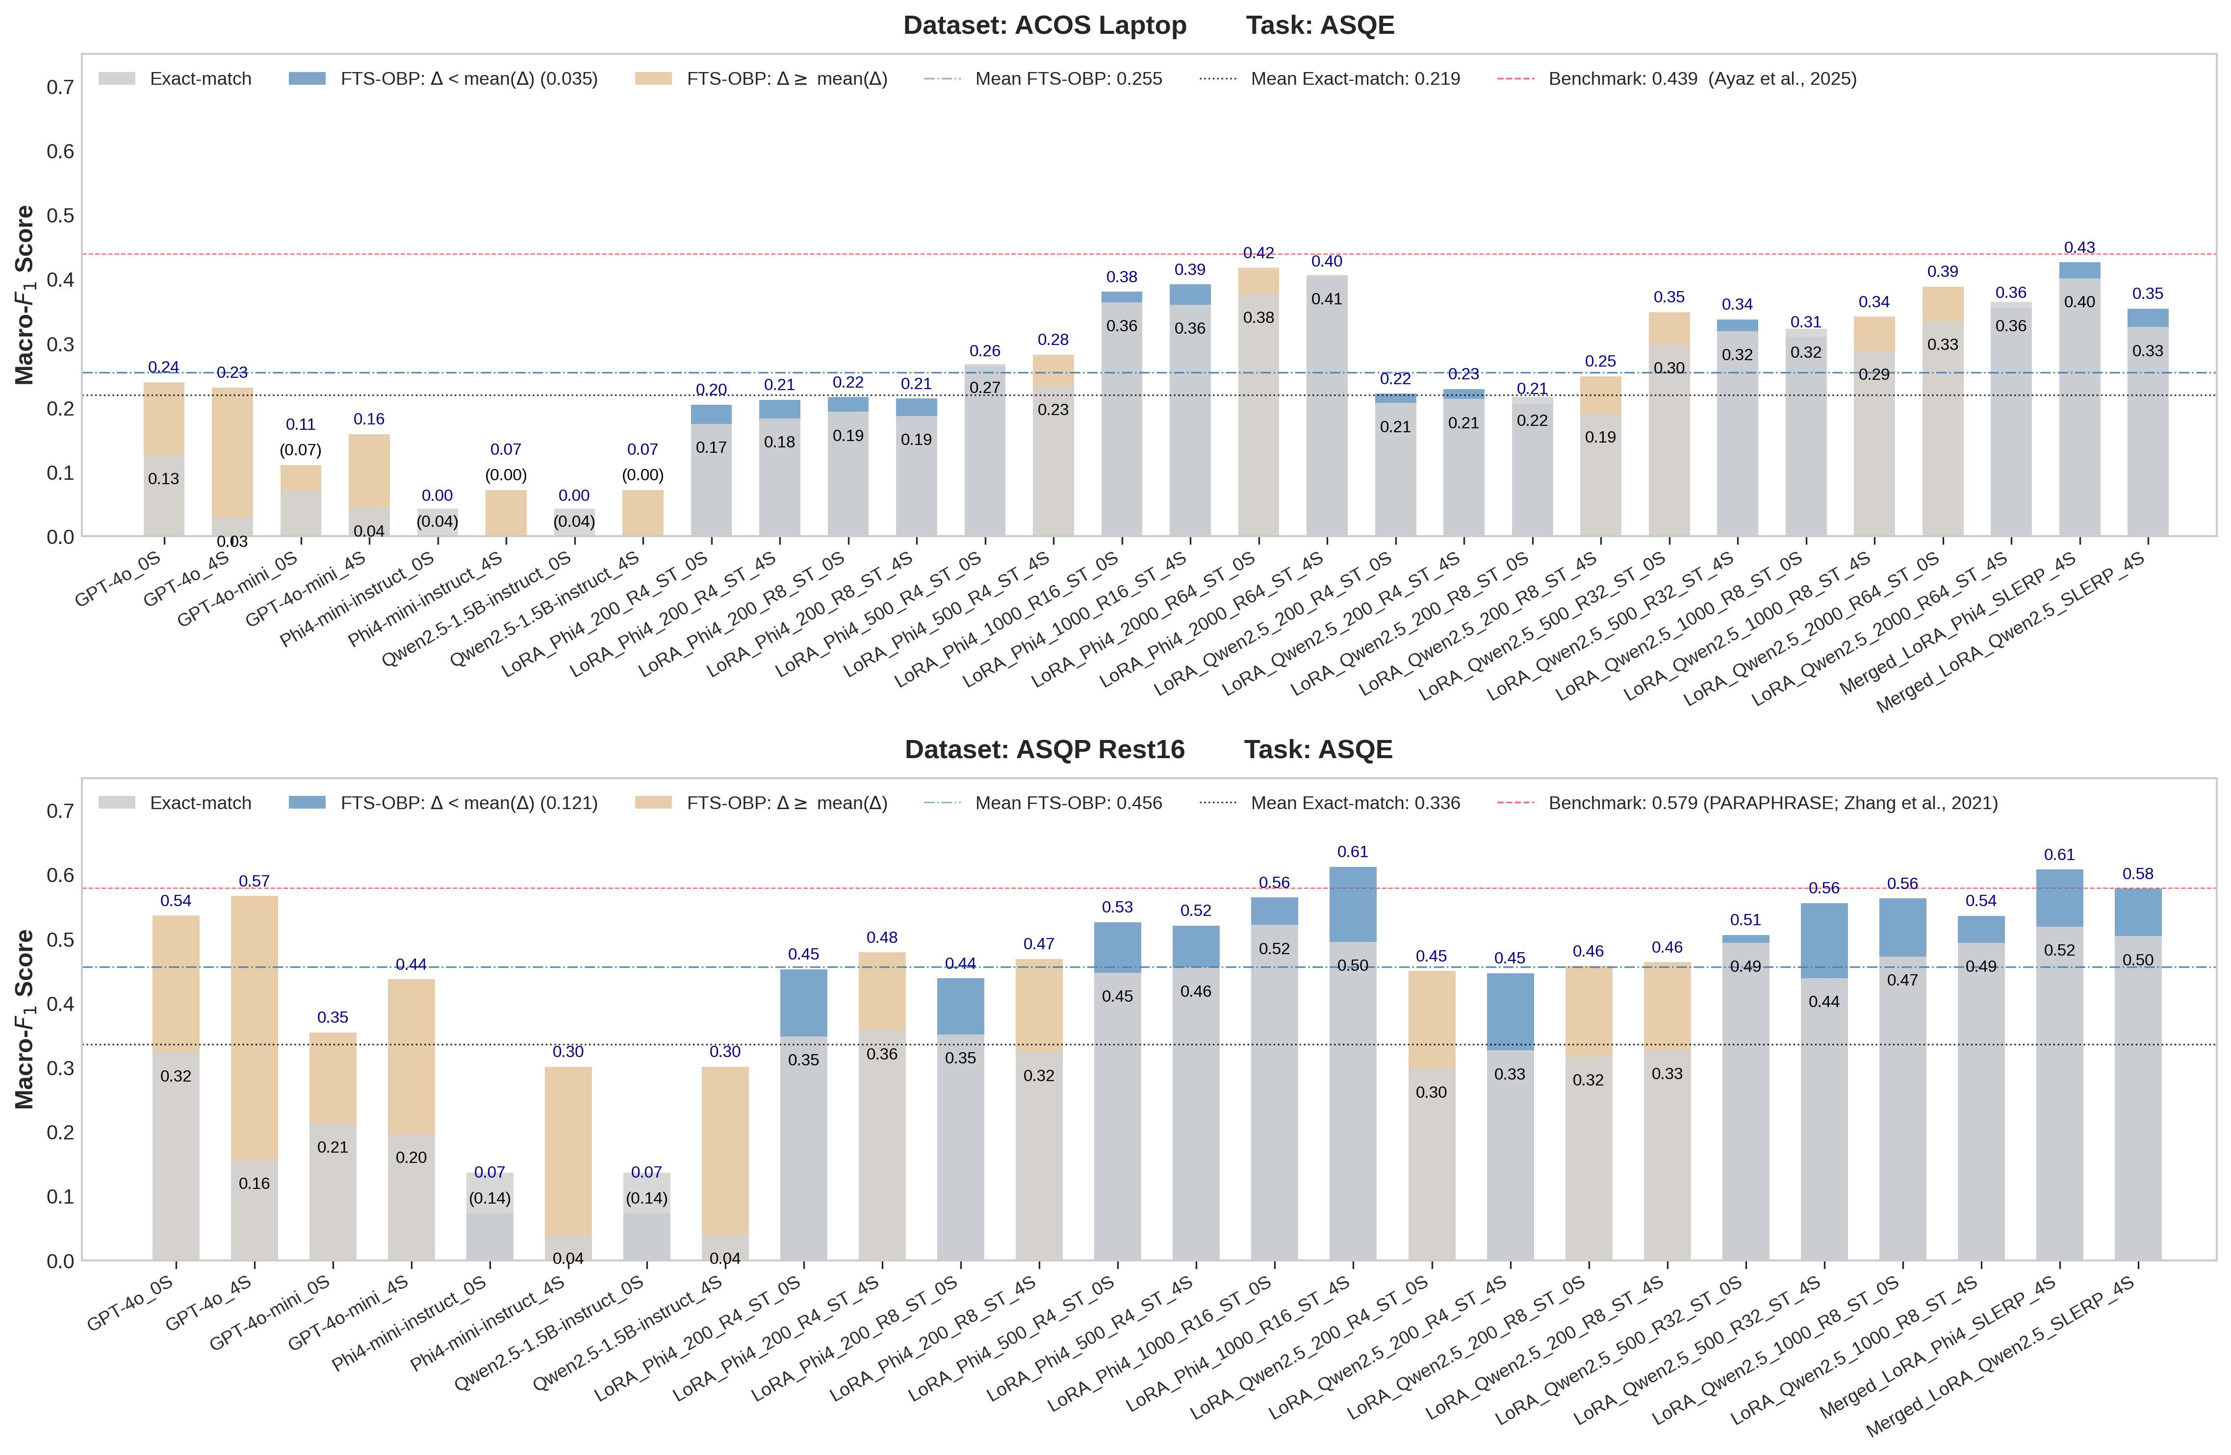
dataset | model | exact_match | fts_obp | diff | above_mean_diff
ACOS Laptop | GPT-4o_0S | 0.12632563733 | 0.23939417989 | 0.11306854257 | TRUE
ACOS Laptop | GPT-4o_4S | 0.02873015873 | 0.23138912939 | 0.20265897066 | TRUE
ACOS Laptop | GPT-4o-mini_0S | 0.070351851852 | 0.1105952381 | 0.040243386243 | TRUE
ACOS Laptop | GPT-4o-mini_4S | 0.044246031746 | 0.15874867725 | 0.1145026455 | TRUE
ACOS Laptop | Phi4-mini-instruct_0S | 0.04262962963 | 0 | -0.04262962963 | FALSE
ACOS Laptop | Phi4-mini-instruct_4S | 0 | 0.072018518519 | 0.072018518519 | TRUE
ACOS Laptop | Qwen2.5-1.5B-instruct_0S | 0.04262962963 | 0 | -0.04262962963 | FALSE
ACOS Laptop | Qwen2.5-1.5B-instruct_4S | 0 | 0.072018518519 | 0.072018518519 | TRUE
ACOS Laptop | LoRA_Phi4_200_R4_ST_0S | 0.17473809524 | 0.20438359788 | 0.029645502646 | FALSE
ACOS Laptop | LoRA_Phi4_200_R4_ST_4S | 0.18327248677 | 0.21223809524 | 0.028965608466 | FALSE
ACOS Laptop | LoRA_Phi4_200_R8_ST_0S | 0.19341534392 | 0.21636772487 | 0.022952380952 | FALSE
ACOS Laptop | LoRA_Phi4_200_R8_ST_4S | 0.18703439153 | 0.21397089947 | 0.026936507937 | FALSE
ACOS Laptop | LoRA_Phi4_500_R4_ST_0S | 0.26793121693 | 0.26484126984 | -0.0030899470899 | FALSE
ACOS Laptop | LoRA_Phi4_500_R4_ST_4S | 0.23373015873 | 0.28237566138 | 0.048645502646 | TRUE
ACOS Laptop | LoRA_Phi4_1000_R16_ST_0S | 0.36374074074 | 0.38018253968 | 0.016441798942 | FALSE
ACOS Laptop | LoRA_Phi4_1000_R16_ST_4S | 0.35962698413 | 0.39151851852 | 0.031891534392 | FALSE
ACOS Laptop | LoRA_Phi4_2000_R64_ST_0S | 0.37661904762 | 0.4174047619 | 0.040785714286 | TRUE
ACOS Laptop | LoRA_Phi4_2000_R64_ST_4S | 0.40601587302 | 0.4043968254 | -0.001619047619 | FALSE
ACOS Laptop | LoRA_Qwen2.5_200_R4_ST_0S | 0.20713756614 | 0.22157142857 | 0.014433862434 | FALSE
ACOS Laptop | LoRA_Qwen2.5_200_R4_ST_4S | 0.21323809524 | 0.22904497354 | 0.015806878307 | FALSE
ACOS Laptop | LoRA_Qwen2.5_200_R8_ST_0S | 0.2167010582 | 0.20591822992 | -0.010782828283 | FALSE
ACOS Laptop | LoRA_Qwen2.5_200_R8_ST_4S | 0.19091822992 | 0.24892328042 | 0.058005050505 | TRUE
ACOS Laptop | LoRA_Qwen2.5_500_R32_ST_0S | 0.29801322751 | 0.34863227513 | 0.050619047619 | TRUE
ACOS Laptop | LoRA_Qwen2.5_500_R32_ST_4S | 0.31881746032 | 0.33708730159 | 0.01826984127 | FALSE
ACOS Laptop | LoRA_Qwen2.5_1000_R8_ST_0S | 0.32245502646 | 0.31021693122 | -0.012238095238 | FALSE
ACOS Laptop | LoRA_Qwen2.5_1000_R8_ST_4S | 0.28799470899 | 0.34128835979 | 0.053293650794 | TRUE
ACOS Laptop | LoRA_Qwen2.5_2000_R64_ST_0S | 0.33456878307 | 0.38822486772 | 0.053656084656 | TRUE
ACOS Laptop | LoRA_Qwen2.5_2000_R64_ST_4S | 0.36411375661 | 0.35525396825 | -0.0088597883598 | FALSE
ACOS Laptop | Merged_LoRA_Phi4_SLERP_4S | 0.40134391534 | 0.42578835979 | 0.024444444444 | FALSE
ACOS Laptop | Merged_LoRA_Qwen2.5_SLERP_4S | 0.32527777778 | 0.35388888889 | 0.028611111111 | FALSE

dataset | model | exact_match | fts_obp | diff | above_mean_diff
ASQP Rest16 | GPT-4o_0S | 0.32276190476 | 0.53596560847 | 0.2132037037 | TRUE
ASQP Rest16 | GPT-4o_4S | 0.15630687831 | 0.56661111111 | 0.4103042328 | TRUE
ASQP Rest16 | GPT-4o-mini_0S | 0.21217195767 | 0.3541957672 | 0.14202380952 | TRUE
ASQP Rest16 | GPT-4o-mini_4S | 0.1965952381 | 0.4369021164 | 0.24030687831 | TRUE
ASQP Rest16 | Phi4-mini-instruct_0S | 0.13600793651 | 0.073571428571 | -0.062436507937 | FALSE
ASQP Rest16 | Phi4-mini-instruct_4S | 0.039333333333 | 0.30104232804 | 0.26170899471 | TRUE
ASQP Rest16 | Qwen2.5-1.5B-instruct_0S | 0.13600793651 | 0.073571428571 | -0.062436507937 | FALSE
ASQP Rest16 | Qwen2.5-1.5B-instruct_4S | 0.039333333333 | 0.30104232804 | 0.26170899471 | TRUE
ASQP Rest16 | LoRA_Phi4_200_R4_ST_0S | 0.34812433862 | 0.45268518519 | 0.10456084656 | FALSE
ASQP Rest16 | LoRA_Phi4_200_R4_ST_4S | 0.35767724868 | 0.47898412698 | 0.12130687831 | TRUE
ASQP Rest16 | LoRA_Phi4_200_R8_ST_0S | 0.35142063492 | 0.43840740741 | 0.086986772487 | FALSE
ASQP Rest16 | LoRA_Phi4_200_R8_ST_4S | 0.32354761905 | 0.46861375661 | 0.14506613757 | TRUE
ASQP Rest16 | LoRA_Phi4_500_R4_ST_0S | 0.44706349206 | 0.52585185185 | 0.078788359788 | FALSE
ASQP Rest16 | LoRA_Phi4_500_R4_ST_4S | 0.45516137566 | 0.52034126984 | 0.06517989418 | FALSE
ASQP Rest16 | LoRA_Phi4_1000_R16_ST_0S | 0.52147883598 | 0.56419312169 | 0.042714285714 | FALSE
ASQP Rest16 | LoRA_Phi4_1000_R16_ST_4S | 0.49524074074 | 0.61188624339 | 0.11664550265 | FALSE
ASQP Rest16 | LoRA_Qwen2.5_200_R4_ST_0S | 0.29764550265 | 0.44993915344 | 0.15229365079 | TRUE
ASQP Rest16 | LoRA_Qwen2.5_200_R4_ST_4S | 0.32636772487 | 0.4465978836 | 0.12023015873 | FALSE
ASQP Rest16 | LoRA_Qwen2.5_200_R8_ST_0S | 0.31694444444 | 0.45774074074 | 0.1407962963 | TRUE
ASQP Rest16 | LoRA_Qwen2.5_200_R8_ST_4S | 0.32670899471 | 0.46357936508 | 0.13687037037 | TRUE
ASQP Rest16 | LoRA_Qwen2.5_500_R32_ST_0S | 0.49373886329 | 0.50599470899 | 0.012255845707 | FALSE
ASQP Rest16 | LoRA_Qwen2.5_500_R32_ST_4S | 0.4385978836 | 0.55551740911 | 0.11691952552 | FALSE
ASQP Rest16 | LoRA_Qwen2.5_1000_R8_ST_0S | 0.47238191438 | 0.5627989418 | 0.090417027417 | FALSE
ASQP Rest16 | LoRA_Qwen2.5_1000_R8_ST_4S | 0.49397354497 | 0.53588191438 | 0.041908369408 | FALSE
ASQP Rest16 | Merged_LoRA_Phi4_SLERP_4S | 0.51868783069 | 0.60768783069 | 0.089 | FALSE
ASQP Rest16 | Merged_LoRA_Qwen2.5_SLERP_4S | 0.50391534392 | 0.57797089947 | 0.074055555556 | FALSE

